VN layout
1. SMT LAYOUT

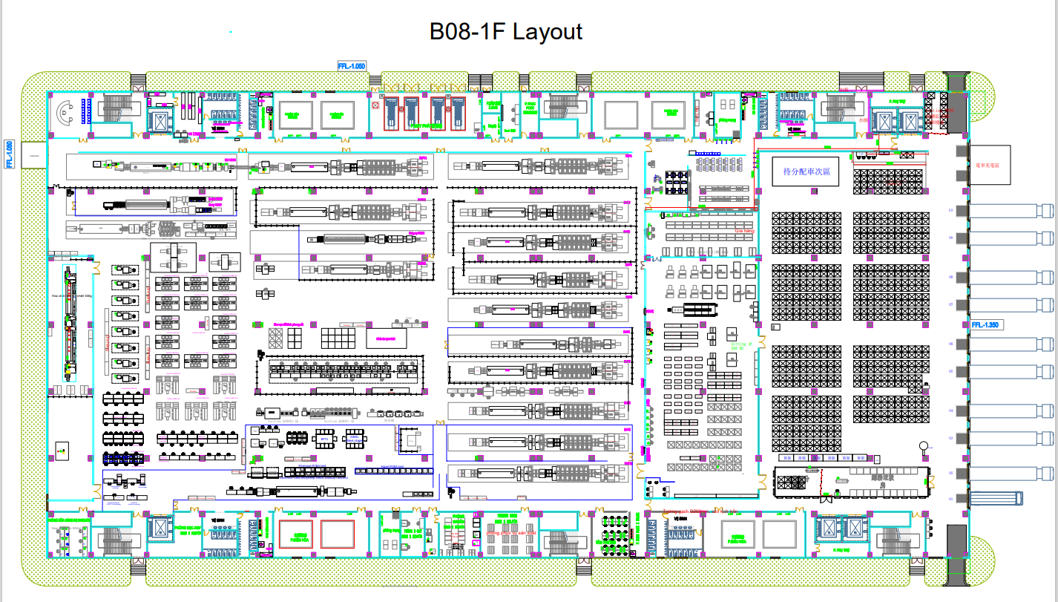

SMT S1

SMT S2
SMT S12

2. FATP LAYOUT
Remark: Move packing POR line next to left over 4 packing lines after DVT for PVT

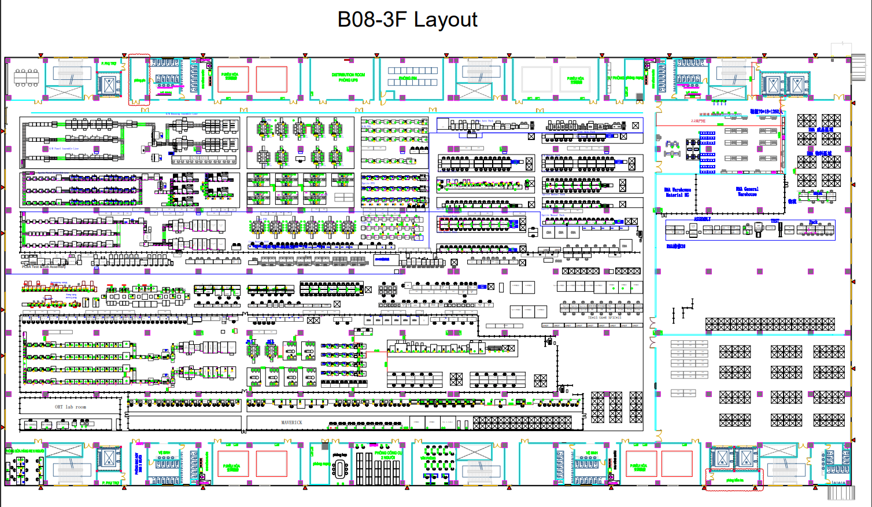

Manual line
Auto line * 4
Packing line * 1M
Packing line * 1A

Packing line * 4M

Action items
Calypso PVT readiness review action item
No | Item | Contents | CNT DRI | AMZ DRI | Due Date | Status | Remark
3 | Ramp up plan | CNT update ramp up plan which will be add 1 Auto Packing line and reduce 1 manual packing line in ramp period --> Due to abnormal damage during logistics, Auto packing line timeline is extended. Mitigation plan: set up 5th manual packing line for PVT. | PM Ceecee | PM Luis | Weekly | Closed
5 | PVT cost | CNT check and update Total related cost for Calypso PVT --> 1st version quotation sent on 10/17. Need AMZ release PO by 11/17 | BPM Sherine | PM Luis | 2025-11-17 | On-going
9 | Shipping paperworks | Work closely on certification tracking for shipments | PMC Emma | DGL & GTC | 2025-11-10 | On-going
10 | CTB | Update CTB status during PVT to OK2ship | MPM April | MM Tung | Daily | Closed | Refer to CTB status sheet
12 | Pre-CET 2 | 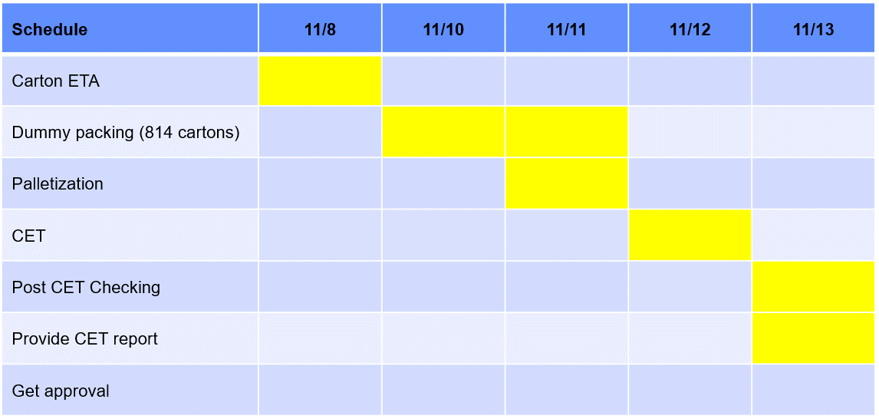 Update Pre-CET 2 plan Pending carton ETA 11/8. Loading test ETC 11/13 | PQE Leon | DQM James | 2025-11-08 | On-going

