Architect. Design Phase Defects
do not print this form |  |  |  | Echipa
Review Form. Architectural Design Defects |  |  |  |  | Numele si prenumele | Grupa
 |  |  |  | Student 1: | Cioban Vasile-Adrian | 232
 | Document Title: | Architectural Design Document |  | Student 2: | Cojocariu Alexandra | 232
 | Author Name: | Cioban Vasile-Adrian |  | Student 3:
 | Reviewer Name: | Cojocariu Alexandra
 | Review date: | 2025-11-03

Crt. No. | Checked Item | Doc. page/line | Comments/ improvements
1 | A01 | All | Arhitectura este de tipul Modev-View-Controller, clar definita pentru entitea Task, dar lipseste repository si validatorul.
2 | A02 | All | Partitionarea in pachete este consistenta cu pattern-ul MVC.
3 | A02 | model package | TasksOperations nu ar trebui sa fie in pachetul model. Mai degraba in Service.
4 | A07 | TaskIO | Denumirea TaskIO este ambigua. Ar putea fi redenumita TaskFileHandler pentru a reflecta mai bine responsabilitatea clasei
5 | A08 | TaskService | Functia fromTimeUnit ar trebui mutatata in DateService.
6 | A08 | Notificator | Denumirea de Notificator duce cu gandul la un concept abstract, iar ea este de fapt o concretizare. Ar trebui denumit TaskNotifier.
7 | A08 | TaskService/Controller | Nu pare ca taskService contine metode pentru editare/stergere, acestea fiind facute direct in Controller(logic ar fi Controller -> Service -> IO operations)(nice to have)
8
9
10
11
12
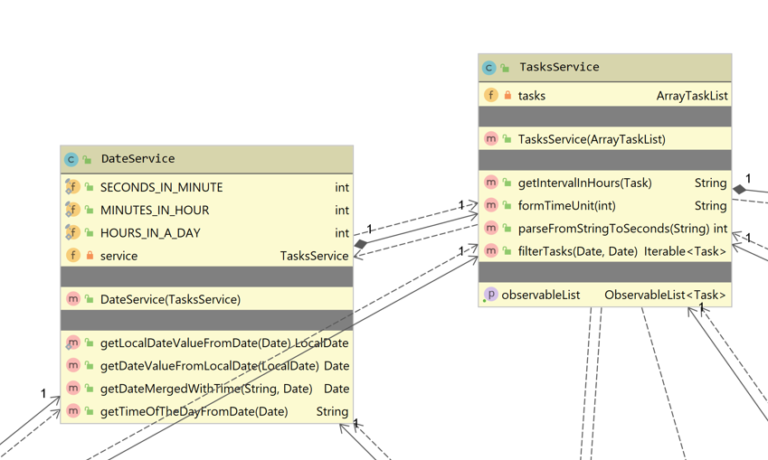
13
14
15
16
17

 | Effort to review document (hours): |  | 0.5 hours

