Instance Product
 | DPP Ontology | http://www.semanticweb.org/monirehpourjafarian/ontologies/2024/8/untitled-ontology-149
No. | Reused ODPs | IRI | imported
1 | DPP Metadata | http://www.semanticweb.org/monirehpourjafarian/ontologies/2024/7/untitled-ontology-121
1,2 | Actor
2 | BillOfMaterial | http://www.semanticweb.org/monirehpourjafarian/ontologies/2024/8/untitled-ontology-138
2,2 | MaterialBOM
3 | ProductLifeCycle | http://www.semanticweb.org/monirehpourjafarian/ontologies/2024/7/untitled-ontology-128
4 | HazardousMaterial | http://www.semanticweb.org/monirehpourjafarian/ontologies/2024/8/untitled-ontology-139
5 | DangerousGoodsTransport | http://www.semanticweb.org/monirehpourjafarian/ontologies/2024/7/untitled-ontology-132
6 | SafetyDataSheet
7 | SDS_HazardInfo | http://www.semanticweb.org/monirehpourjafarian/ontologies/2024/8/untitled-ontology-140
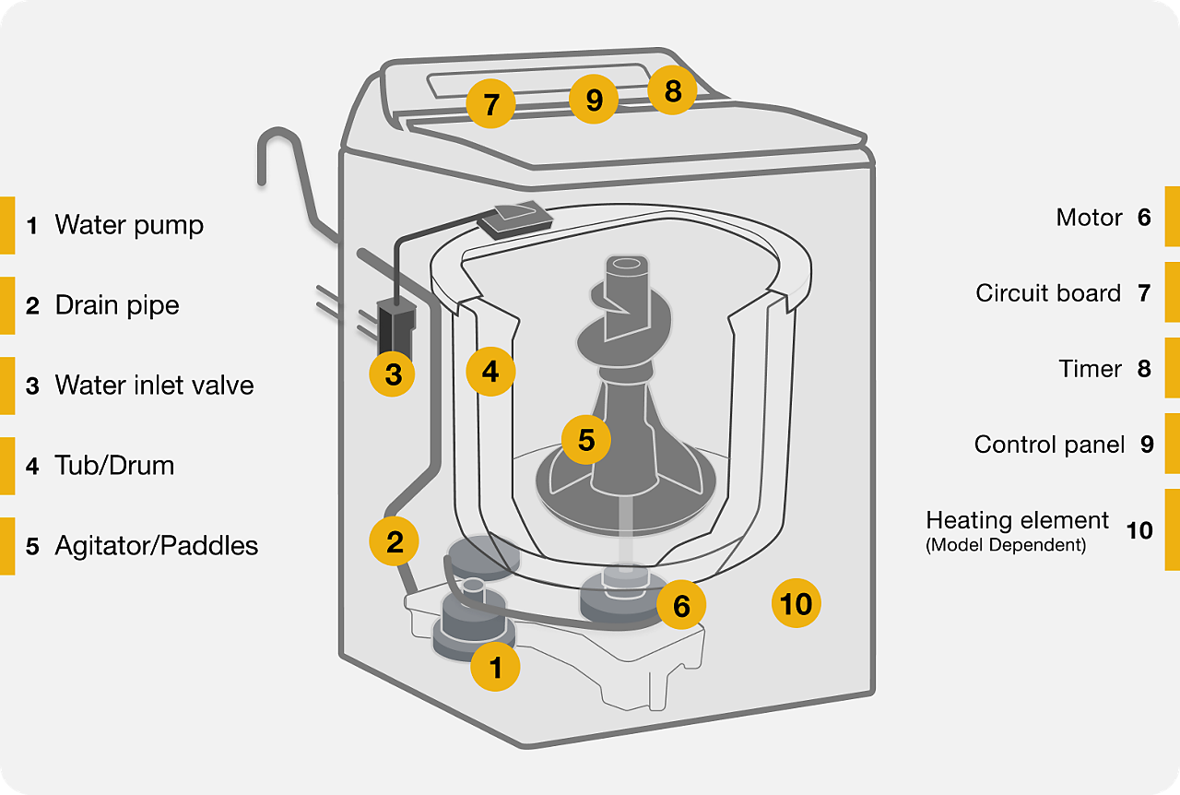
8 | Identification | http://www.semanticweb.org/monirehpourjafarian/ontologies/2024/8/untitled-ontology-145
9 | Identifier | http://www.semanticweb.org/monirehpourjafarian/ontologies/2024/8/untitled-ontology-144
 | DigitalNamePlate | http://www.semanticweb.org/monirehpourjafarian/ontologies/2024/8/untitled-ontology-146

 | Damage Topology Ontology | The namespace for DOT terms is https://w3id.org/dot#

 |  | washing machine

 |  | What are the parts of a washer? | link

 |  | What valuable raw Material it has? | Link

 |  | Health Hazards | Link

 |  | FaultCode | Link

CQ
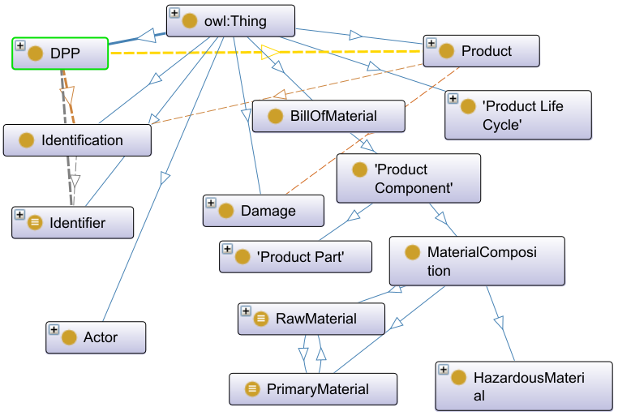
 |  | e.g. of product Wasching Machine
Stakeholder | No. | Competency Questions (CQ) | DPP Class | DPP Object Properties | DPP Data Peroperties | Query , Query Sheet | Comment
Recycler |  | in the Queries Paper

 | 1 | What is the unique identifier of the DPP of the product? | DPP:DPP, DPP:Identification, DPP:Identifier, DPP:IdentifierType | DPP: hasUniqueId, DPP: containsId, DPP:hasIdentifierType | DPP:hasIdentifierAsText | Link to Q1
 | 2 | What is the unique identifier of the product - based on the given DPP unique id? | DPP:DPP, DPP:Product, DPP:Identification, DPP:Identifier | DPP:belongsTo, DPP: hasUniqueId, DPP: containsId | DPP:hasIdentifierAsText | Link to Q2
 | 3 | What is the damage of the product? | DPP:Product, dot:Damage, dot:Classified Damage, DPP:FaultCode | DPP:hasDamage | DPP:CodeNumber, DPP:CodeMeaning
 | 4 | Where is the damage of the product? | DPP:Product, dot:Damage, dot:Damage Area | DPP:hasDamage, dot:has Damage Area | DPP:DamagePosition
 | 5 | Can the damage part be disassemble? | DPP:Poduct, DPP:BillOfMaterial, DPP:ProductComponent, DPP:ProductPart | DPP:isPartOf | DPP:canBeDisassembled | link to Q5
 | 6 | Does the device contain valuable materials? | DPP:Poduct, DPP:BillOfMaterial, DPP:ProductComponent, DPP:MaterialComposition, DPP:RawMaterial | DPP:contains | DPP:isValuable | link to Q6
 | 7 | Does it worth to recover the valuable materials? | DPP:Poduct, DPP:BillOfMaterial, DPP:ProductComponent, DPP:MaterialComposition, DPP:RawMaterial | DPP:contains | DPP:scrapValue
 | 8 | Does the device contain any hazardous substances? | DPP:Poduct, DPP:BillOfMaterial, DPP:ProductComponent, DPP:MaterialComposition, DPP:HazardousMaterial, DPP:HazardousSubstance | DPP:contains |  | link to Q7
 | 9 | What is the product Carbon Footprint?
 | 10 | What are the Product parts? |  |  |  | Link to Q3
 | 11 | Is the Product damaged? What is the damage type? |  |  |  | link to Q4

