Overall Wind Displacement
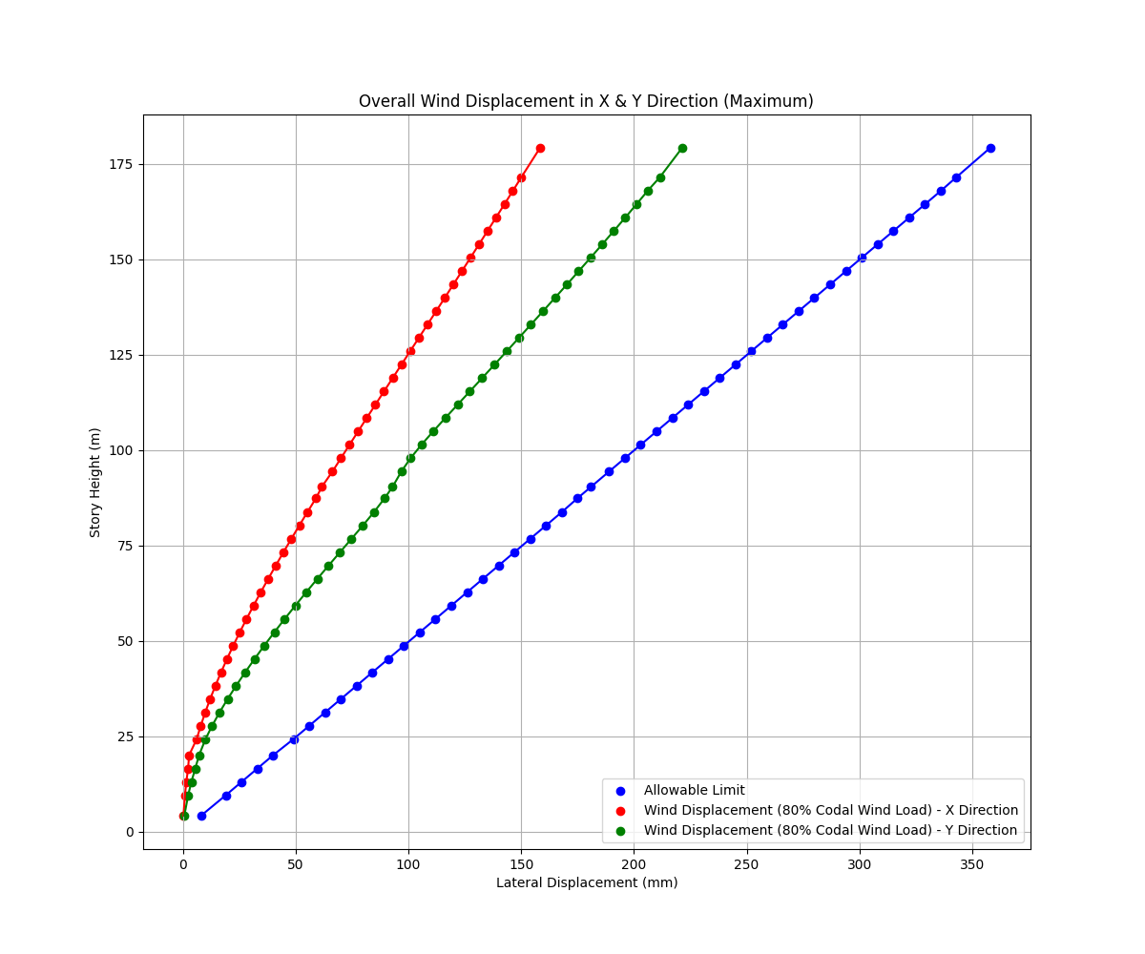
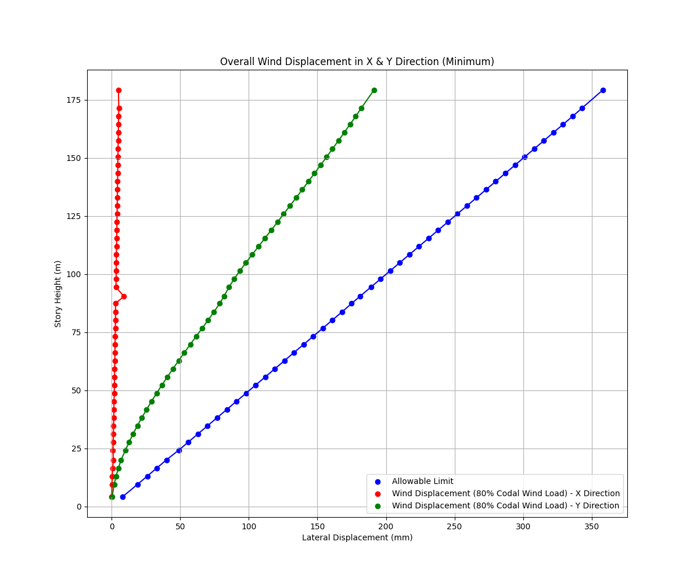

Story | Elevation (m) | Story Height (m) | Allowable Limit | X Direction Displacement (mm) - 80% Codal Wind Load | Y Direction Displacement (mm) - 80% Codal Wind Load | Story | Elevation (m) | Story Height (m) | Allowable Limit | X Direction Displacement (mm) - 80% Codal Wind Load | Y Direction Displacement (mm) - 80% Codal Wind Load
Top of Roof | 179.25 | 7.695 | 358 | 158.352 | 221.371 | Top of Roof | 179.25 | 7.695 | 358 | 4.999 | 191.212
Roof | 171.555 | 3.63 | 343 | 150.051 | 211.491 | Roof | 171.555 | 3.63 | 343 | 5.262 | 182.059
L45 | 167.925 | 3.5 | 336 | 146.246 | 205.977 | L45 | 167.925 | 3.5 | 336 | 5.108 | 177.916
L44 | 164.425 | 3.5 | 329 | 142.493 | 201.066 | L44 | 164.425 | 3.5 | 329 | 5.015 | 173.747
L43 | 160.925 | 3.5 | 322 | 138.757 | 196.071 | L43 | 160.925 | 3.5 | 322 | 4.922 | 169.538
L42 | 157.425 | 3.5 | 315 | 135.005 | 191.004 | L42 | 157.425 | 3.5 | 315 | 4.831 | 165.288
L41 | 153.925 | 3.5 | 308 | 131.243 | 185.879 | L41 | 153.925 | 3.5 | 308 | 4.738 | 160.999
L40 | 150.425 | 3.5 | 301 | 127.469 | 180.705 | L40 | 150.425 | 3.5 | 301 | 4.646 | 156.672
L39 | 146.925 | 3.5 | 294 | 123.682 | 175.489 | L39 | 146.925 | 3.5 | 294 | 4.553 | 152.308
L38 | 143.425 | 3.5 | 287 | 119.882 | 170.238 | L38 | 143.425 | 3.5 | 287 | 4.459 | 147.911
L37 | 139.925 | 3.5 | 280 | 116.07 | 164.955 | L37 | 139.925 | 3.5 | 280 | 4.366 | 143.481
L36 | 136.425 | 3.5 | 273 | 112.245 | 159.643 | L36 | 136.425 | 3.5 | 273 | 4.272 | 139.022
L35 | 132.925 | 3.5 | 266 | 108.41 | 154.304 | L35 | 132.925 | 3.5 | 266 | 4.179 | 134.533
L34 | 129.425 | 3.5 | 259 | 104.566 | 148.938 | L34 | 129.425 | 3.5 | 259 | 4.087 | 130.017
L33 | 125.925 | 3.5 | 252 | 100.715 | 143.548 | L33 | 125.925 | 3.5 | 252 | 3.995 | 125.474
L32 | 122.425 | 3.5 | 245 | 96.861 | 138.132 | L32 | 122.425 | 3.5 | 245 | 3.904 | 120.905
L31 | 118.925 | 3.5 | 238 | 93.005 | 132.692 | L31 | 118.925 | 3.5 | 238 | 3.814 | 116.312
L30 | 115.425 | 3.5 | 231 | 89.151 | 127.232 | L30 | 115.425 | 3.5 | 231 | 3.725 | 111.698
L29 | 111.925 | 3.5 | 224 | 85.303 | 121.763 | L29 | 111.925 | 3.5 | 224 | 3.638 | 107.073
L28 | 108.425 | 3.5 | 217 | 81.465 | 116.312 | L28 | 108.425 | 3.5 | 217 | 3.552 | 102.458
L27 | 104.925 | 3.5 | 210 | 77.642 | 110.937 | L27 | 104.925 | 3.5 | 210 | 3.466 | 97.896
L26 | 101.425 | 3.5 | 203 | 73.841 | 105.748 | L26 | 101.425 | 3.5 | 203 | 3.38 | 93.472
L25 | 97.925 | 3.5 | 196 | 70.066 | 100.946 | L25 | 97.925 | 3.5 | 196 | 3.292 | 89.323
L24 | 94.425 | 4 | 189 | 66.287 | 96.846 | L24 | 94.425 | 4 | 189 | 3.194 | 85.574
MEP Mid level | 90.425 | 3 | 181 | 61.583 | 92.963 | MEP Mid level | 90.425 | 3 | 181 | 9.017 | 81.883
L23 | 87.425 | 3.65 | 175 | 58.978 | 89.441 | L23 | 87.425 | 3.65 | 175 | 2.786 | 78.817
L22 | 83.775 | 3.5 | 168 | 55.177 | 84.687 | L22 | 83.775 | 3.5 | 168 | 2.911 | 74.635
L21 | 80.275 | 3.5 | 161 | 51.589 | 79.777 | L21 | 80.275 | 3.5 | 161 | 2.821 | 70.403
L20 | 76.775 | 3.5 | 154 | 48.048 | 74.726 | L20 | 76.775 | 3.5 | 154 | 2.729 | 66.069
L19 | 73.275 | 3.5 | 147 | 44.561 | 69.637 | L19 | 73.275 | 3.5 | 147 | 2.636 | 61.713
L18 | 69.775 | 3.5 | 140 | 41.133 | 64.572 | L18 | 69.775 | 3.5 | 140 | 2.542 | 57.377
L17 | 66.275 | 3.5 | 133 | 37.773 | 59.567 | L17 | 66.275 | 3.5 | 133 | 2.445 | 53.089
L16 | 62.775 | 3.5 | 126 | 34.488 | 54.643 | L16 | 62.775 | 3.5 | 126 | 2.346 | 48.864
L15 | 59.275 | 3.5 | 119 | 31.286 | 49.815 | L15 | 59.275 | 3.5 | 119 | 2.244 | 44.716
L14 | 55.775 | 3.5 | 112 | 28.177 | 45.095 | L14 | 55.775 | 3.5 | 112 | 2.139 | 40.655
L13 | 52.275 | 3.5 | 105 | 25.17 | 40.496 | L13 | 52.275 | 3.5 | 105 | 2.032 | 36.692
L12 | 48.775 | 3.5 | 98 | 22.271 | 36.029 | L12 | 48.775 | 3.5 | 98 | 1.921 | 32.841
L11 | 45.275 | 3.5 | 91 | 19.503 | 31.715 | L11 | 45.275 | 3.5 | 91 | 1.808 | 29.117
L10 | 41.775 | 3.5 | 84 | 16.86 | 27.555 | L10 | 41.775 | 3.5 | 84 | 1.689 | 25.529
L9 | 38.275 | 3.5 | 77 | 14.364 | 23.565 | L9 | 38.275 | 3.5 | 77 | 1.567 | 22.086
L8 | 34.775 | 3.5 | 70 | 12.023 | 19.768 | L8 | 34.775 | 3.5 | 70 | 1.439 | 18.804
L7 | 31.275 | 3.5 | 63 | 9.851 | 16.198 | L7 | 31.275 | 3.5 | 63 | 1.306 | 15.699
L6 | 27.775 | 3.5 | 56 | 7.863 | 12.905 | L6 | 27.775 | 3.5 | 56 | 1.166 | 12.79
L5 | 24.275 | 4.2 | 49 | 6.062 | 9.973 | L5 | 24.275 | 4.2 | 49 | 1.006 | 10.101
P4 | 20.075 | 3.5 | 40 | 2.713 | 7.134 | P4 | 20.075 | 3.5 | 40 | 1.323 | 6.944
P3 | 16.575 | 3.5 | 33 | 2.242 | 5.426 | P3 | 16.575 | 3.5 | 33 | 0.765 | 4.994
P2 | 13.075 | 3.5 | 26 | 1.47 | 3.716 | P2 | 13.075 | 3.5 | 26 | 0.501 | 3.28
P1 | 9.575 | 5.375 | 19 | 0.848 | 2.28 | P1 | 9.575 | 5.375 | 19 | 0.295 | 1.874
GF | 4.2 | 4.9 | 8 | 0.194 | 0.579 | GF | 4.2 | 4.9 | 8 | 0.076 | 0.407

Wind Interstory Drift
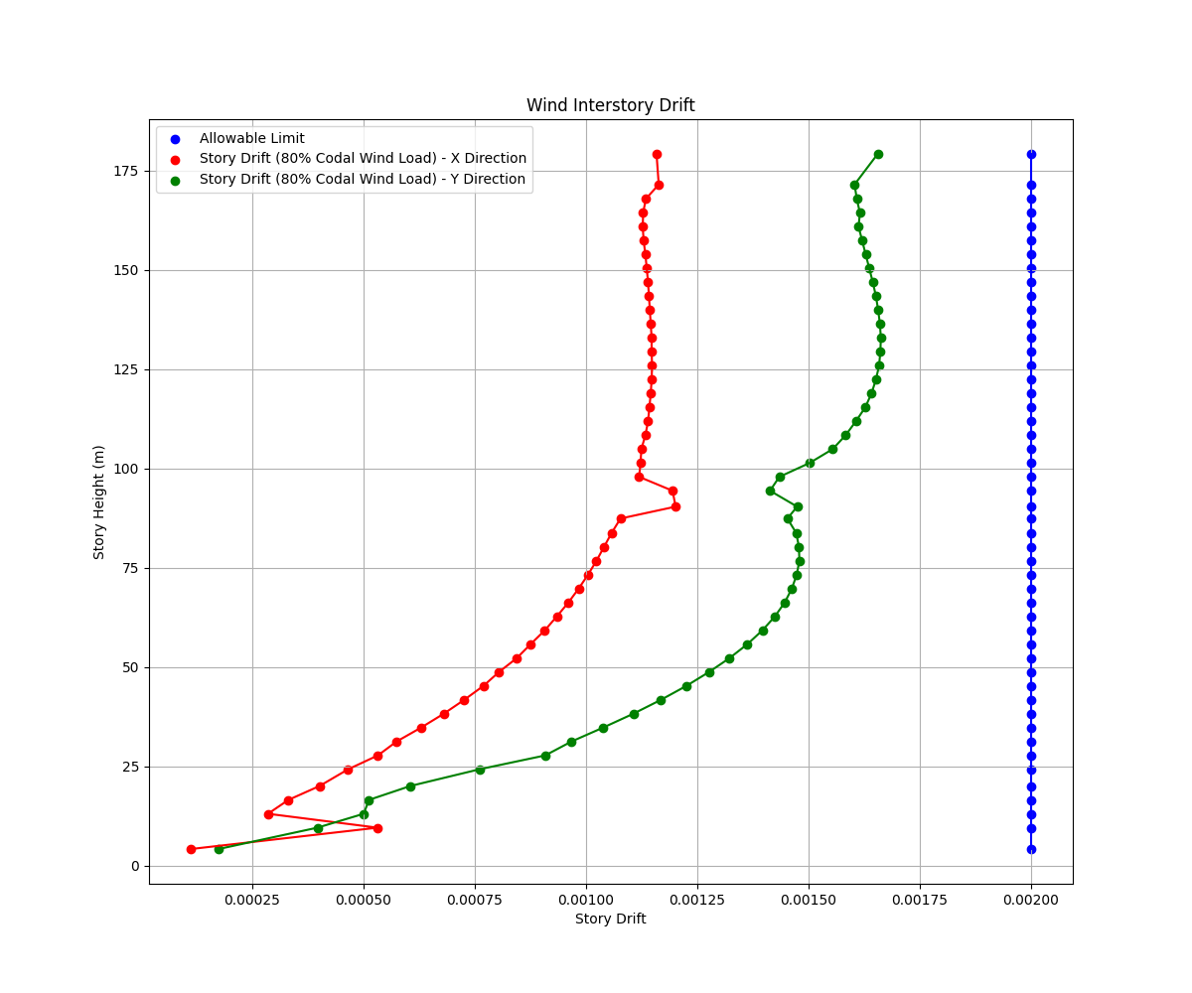

Story | Elevation (m) | Story Height (m) | Allowable Limit (H/500) | Story Drift - Codal Wind Load - X Direction | Story Drift - Codal Wind Load - Y Direction
Top of Roof | 179.25 | 7.695 | 0.002 | 0.001159 | 0.001656
Roof | 171.555 | 3.63 | 0.002 | 0.001164 | 0.001604
L45 | 167.925 | 3.5 | 0.002 | 0.001135 | 0.001609
L44 | 164.425 | 3.5 | 0.002 | 0.001129 | 0.001616
L43 | 160.925 | 3.5 | 0.002 | 0.001128 | 0.001613
L42 | 157.425 | 3.5 | 0.002 | 0.00113 | 0.001621
L41 | 153.925 | 3.5 | 0.002 | 0.001134 | 0.001629
L40 | 150.425 | 3.5 | 0.002 | 0.001137 | 0.001637
L39 | 146.925 | 3.5 | 0.002 | 0.00114 | 0.001645
L38 | 143.425 | 3.5 | 0.002 | 0.001142 | 0.001652
L37 | 139.925 | 3.5 | 0.002 | 0.001144 | 0.001657
L36 | 136.425 | 3.5 | 0.002 | 0.001146 | 0.001661
L35 | 132.925 | 3.5 | 0.002 | 0.001148 | 0.001663
L34 | 129.425 | 3.5 | 0.002 | 0.001148 | 0.001662
L33 | 125.925 | 3.5 | 0.002 | 0.001149 | 0.001659
L32 | 122.425 | 3.5 | 0.002 | 0.001148 | 0.001652
L31 | 118.925 | 3.5 | 0.002 | 0.001146 | 0.001642
L30 | 115.425 | 3.5 | 0.002 | 0.001143 | 0.001628
L29 | 111.925 | 3.5 | 0.002 | 0.00114 | 0.001607
L28 | 108.425 | 3.5 | 0.002 | 0.001134 | 0.001584
L27 | 104.925 | 3.5 | 0.002 | 0.001125 | 0.001555
L26 | 101.425 | 3.5 | 0.002 | 0.001123 | 0.001503
L25 | 97.925 | 3.5 | 0.002 | 0.00112 | 0.001435
L24 | 94.425 | 4 | 0.002 | 0.001195 | 0.001414
MEP Mid level | 90.425 | 3 | 0.002 | 0.001202 | 0.001475
L23 | 87.425 | 3.65 | 0.002 | 0.001078 | 0.001453
L22 | 83.775 | 3.5 | 0.002 | 0.001058 | 0.001473
L21 | 80.275 | 3.5 | 0.002 | 0.001041 | 0.001479
L20 | 76.775 | 3.5 | 0.002 | 0.001024 | 0.00148
L19 | 73.275 | 3.5 | 0.002 | 0.001005 | 0.001474
L18 | 69.775 | 3.5 | 0.002 | 0.000984 | 0.001463
L17 | 66.275 | 3.5 | 0.002 | 0.000961 | 0.001447
L16 | 62.775 | 3.5 | 0.002 | 0.000935 | 0.001425
L15 | 59.275 | 3.5 | 0.002 | 0.000908 | 0.001397
L14 | 55.775 | 3.5 | 0.002 | 0.000876 | 0.001363
L13 | 52.275 | 3.5 | 0.002 | 0.000845 | 0.001323
L12 | 48.775 | 3.5 | 0.002 | 0.000805 | 0.001277
L11 | 45.275 | 3.5 | 0.002 | 0.00077 | 0.001226
L10 | 41.775 | 3.5 | 0.002 | 0.000727 | 0.001169
L9 | 38.275 | 3.5 | 0.002 | 0.000681 | 0.001107
L8 | 34.775 | 3.5 | 0.002 | 0.00063 | 0.001039
L7 | 31.275 | 3.5 | 0.002 | 0.000575 | 0.000968
L6 | 27.775 | 3.5 | 0.002 | 0.000533 | 0.000909
L5 | 24.275 | 4.2 | 0.002 | 0.000466 | 0.000761
P4 | 20.075 | 3.5 | 0.002 | 0.000402 | 0.000606
P3 | 16.575 | 3.5 | 0.002 | 0.000332 | 0.000513
P2 | 13.075 | 3.5 | 0.002 | 0.000286 | 0.000501
P1 | 9.575 | 5.375 | 0.002 | 0.000532 | 0.000397
GF | 4.2 | 4.9 | 0.002 | 0.000113 | 0.000175

Seismic Interstory Drift
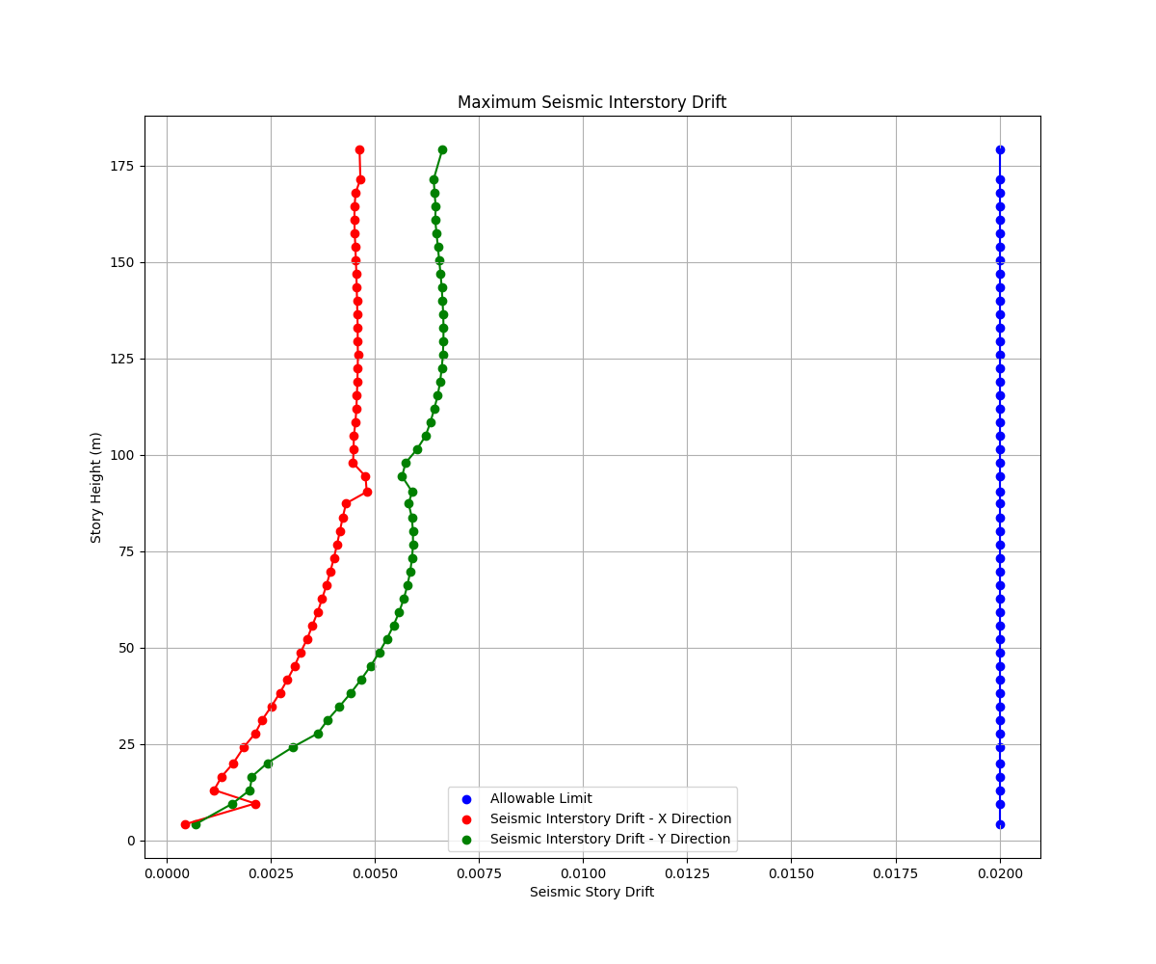
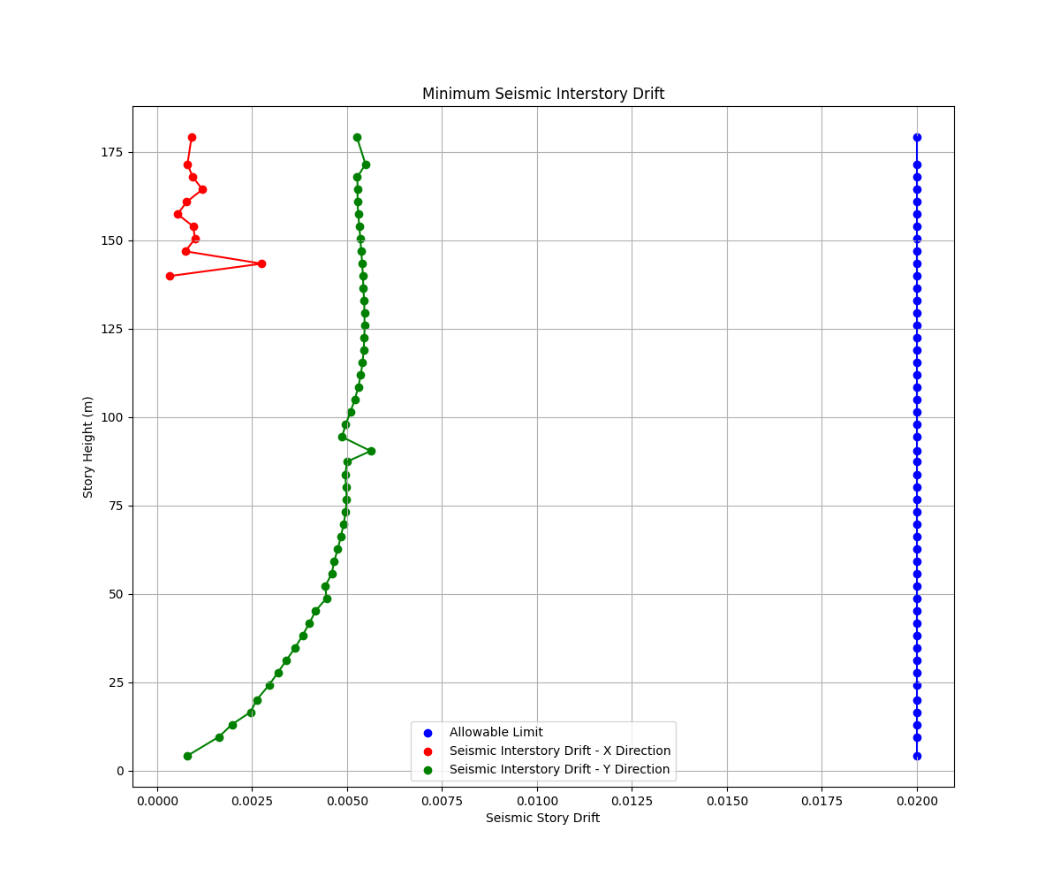

Story | Elevation (m) | Story Height (m) | Allowable Limit (H/500) | Elastic Seismic Story Drift - X Direction | Elastic Seismic Story Drift - Y Direction | Inelastic Seismic Story Drift - X Direction | Inelastic Seismic Story Drift - Y Direction | Story | Elevation (m) | Story Height (m) | Allowable Limit (H/500) | Elastic Seismic Story Drift - X Direction | Elastic Seismic Story Drift - Y Direction | Inelastic Seismic Story Drift - X Direction | Inelastic Seismic Story Drift - Y Direction
Top of Roof | 179.25 | 7.695 | 0.02 | 0.001159 | 0.001656 | 0.004636 | 0.006624 | Top of Roof | 179.25 | 7.695 | 0.02
Roof | 171.555 | 3.63 | 0.02 | 0.001164 | 0.001604 | 0.004656 | 0.006416 | Roof | 171.555 | 3.63 | 0.02
L45 | 167.925 | 3.5 | 0.02 | 0.001135 | 0.001609 | 0.00454 | 0.006436 | L45 | 167.925 | 3.5 | 0.02
L44 | 164.425 | 3.5 | 0.02 | 0.001129 | 0.001616 | 0.004516 | 0.006464 | L44 | 164.425 | 3.5 | 0.02
L43 | 160.925 | 3.5 | 0.02 | 0.001128 | 0.001613 | 0.004512 | 0.006452 | L43 | 160.925 | 3.5 | 0.02
L42 | 157.425 | 3.5 | 0.02 | 0.00113 | 0.001621 | 0.00452 | 0.006484 | L42 | 157.425 | 3.5 | 0.02
L41 | 153.925 | 3.5 | 0.02 | 0.001134 | 0.001629 | 0.004536 | 0.006516 | L41 | 153.925 | 3.5 | 0.02
L40 | 150.425 | 3.5 | 0.02 | 0.001137 | 0.001637 | 0.004548 | 0.006548 | L40 | 150.425 | 3.5 | 0.02
L39 | 146.925 | 3.5 | 0.02 | 0.00114 | 0.001645 | 0.00456 | 0.00658 | L39 | 146.925 | 3.5 | 0.02
L38 | 143.425 | 3.5 | 0.02 | 0.001142 | 0.001652 | 0.004568 | 0.006608 | L38 | 143.425 | 3.5 | 0.02
L37 | 139.925 | 3.5 | 0.02 | 0.001144 | 0.001657 | 0.004576 | 0.006628 | L37 | 139.925 | 3.5 | 0.02
L36 | 136.425 | 3.5 | 0.02 | 0.001146 | 0.001661 | 0.004584 | 0.006644 | L36 | 136.425 | 3.5 | 0.02
L35 | 132.925 | 3.5 | 0.02 | 0.001148 | 0.001663 | 0.004592 | 0.006652 | L35 | 132.925 | 3.5 | 0.02
L34 | 129.425 | 3.5 | 0.02 | 0.001148 | 0.001662 | 0.004592 | 0.006648 | L34 | 129.425 | 3.5 | 0.02
L33 | 125.925 | 3.5 | 0.02 | 0.001149 | 0.001659 | 0.004596 | 0.006636 | L33 | 125.925 | 3.5 | 0.02
L32 | 122.425 | 3.5 | 0.02 | 0.001148 | 0.001652 | 0.004592 | 0.006608 | L32 | 122.425 | 3.5 | 0.02
L31 | 118.925 | 3.5 | 0.02 | 0.001146 | 0.001642 | 0.004584 | 0.006568 | L31 | 118.925 | 3.5 | 0.02
L30 | 115.425 | 3.5 | 0.02 | 0.001143 | 0.001628 | 0.004572 | 0.006512 | L30 | 115.425 | 3.5 | 0.02
L29 | 111.925 | 3.5 | 0.02 | 0.00114 | 0.001607 | 0.00456 | 0.006428 | L29 | 111.925 | 3.5 | 0.02
L28 | 108.425 | 3.5 | 0.02 | 0.001134 | 0.001584 | 0.004536 | 0.006336 | L28 | 108.425 | 3.5 | 0.02
L27 | 104.925 | 3.5 | 0.02 | 0.001125 | 0.001555 | 0.0045 | 0.00622 | L27 | 104.925 | 3.5 | 0.02
L26 | 101.425 | 3.5 | 0.02 | 0.001123 | 0.001503 | 0.004492 | 0.006012 | L26 | 101.425 | 3.5 | 0.02
L25 | 97.925 | 3.5 | 0.02 | 0.00112 | 0.001435 | 0.00448 | 0.00574 | L25 | 97.925 | 3.5 | 0.02
L24 | 94.425 | 4 | 0.02 | 0.001195 | 0.001414 | 0.00478 | 0.005656 | L24 | 94.425 | 4 | 0.02
MEP Mid level | 90.425 | 3 | 0.02 | 0.001202 | 0.001475 | 0.004808 | 0.0059 | MEP Mid level | 90.425 | 3 | 0.02
L23 | 87.425 | 3.65 | 0.02 | 0.001078 | 0.001453 | 0.004312 | 0.005812 | L23 | 87.425 | 3.65 | 0.02
L22 | 83.775 | 3.5 | 0.02 | 0.001058 | 0.001473 | 0.004232 | 0.005892 | L22 | 83.775 | 3.5 | 0.02
L21 | 80.275 | 3.5 | 0.02 | 0.001041 | 0.001479 | 0.004164 | 0.005916 | L21 | 80.275 | 3.5 | 0.02
L20 | 76.775 | 3.5 | 0.02 | 0.001024 | 0.00148 | 0.004096 | 0.00592 | L20 | 76.775 | 3.5 | 0.02
L19 | 73.275 | 3.5 | 0.02 | 0.001005 | 0.001474 | 0.00402 | 0.005896 | L19 | 73.275 | 3.5 | 0.02
L18 | 69.775 | 3.5 | 0.02 | 0.000984 | 0.001463 | 0.003936 | 0.005852 | L18 | 69.775 | 3.5 | 0.02
L17 | 66.275 | 3.5 | 0.02 | 0.000961 | 0.001447 | 0.003844 | 0.005788 | L17 | 66.275 | 3.5 | 0.02
L16 | 62.775 | 3.5 | 0.02 | 0.000935 | 0.001425 | 0.00374 | 0.0057 | L16 | 62.775 | 3.5 | 0.02
L15 | 59.275 | 3.5 | 0.02 | 0.000908 | 0.001397 | 0.003632 | 0.005588 | L15 | 59.275 | 3.5 | 0.02
L14 | 55.775 | 3.5 | 0.02 | 0.000876 | 0.001363 | 0.003504 | 0.005452 | L14 | 55.775 | 3.5 | 0.02
L13 | 52.275 | 3.5 | 0.02 | 0.000845 | 0.001323 | 0.00338 | 0.005292 | L13 | 52.275 | 3.5 | 0.02
L12 | 48.775 | 3.5 | 0.02 | 0.000805 | 0.001277 | 0.00322 | 0.005108 | L12 | 48.775 | 3.5 | 0.02
L11 | 45.275 | 3.5 | 0.02 | 0.00077 | 0.001226 | 0.00308 | 0.004904 | L11 | 45.275 | 3.5 | 0.02
L10 | 41.775 | 3.5 | 0.02 | 0.000727 | 0.001169 | 0.002908 | 0.004676 | L10 | 41.775 | 3.5 | 0.02
L9 | 38.275 | 3.5 | 0.02 | 0.000681 | 0.001107 | 0.002724 | 0.004428 | L9 | 38.275 | 3.5 | 0.02
L8 | 34.775 | 3.5 | 0.02 | 0.00063 | 0.001039 | 0.00252 | 0.004156 | L8 | 34.775 | 3.5 | 0.02
L7 | 31.275 | 3.5 | 0.02 | 0.000575 | 0.000968 | 0.0023 | 0.003872 | L7 | 31.275 | 3.5 | 0.02
L6 | 27.775 | 3.5 | 0.02 | 0.000533 | 0.000909 | 0.002132 | 0.003636 | L6 | 27.775 | 3.5 | 0.02
L5 | 24.275 | 4.2 | 0.02 | 0.000466 | 0.000761 | 0.001864 | 0.003044 | L5 | 24.275 | 4.2 | 0.02
P4 | 20.075 | 3.5 | 0.02 | 0.000402 | 0.000606 | 0.001608 | 0.002424 | P4 | 20.075 | 3.5 | 0.02
P3 | 16.575 | 3.5 | 0.02 | 0.000332 | 0.000513 | 0.001328 | 0.002052 | P3 | 16.575 | 3.5 | 0.02
P2 | 13.075 | 3.5 | 0.02 | 0.000286 | 0.000501 | 0.001144 | 0.002004 | P2 | 13.075 | 3.5 | 0.02
P1 | 9.575 | 5.375 | 0.02 | 0.000532 | 0.000397 | 0.002128 | 0.001588 | P1 | 9.575 | 5.375 | 0.02
GF | 4.2 | 4.9 | 0.02 | 0.000113 | 0.000175 | 0.000452 | 0.0007 | GF | 4.2 | 4.9 | 0.02

Story Shear
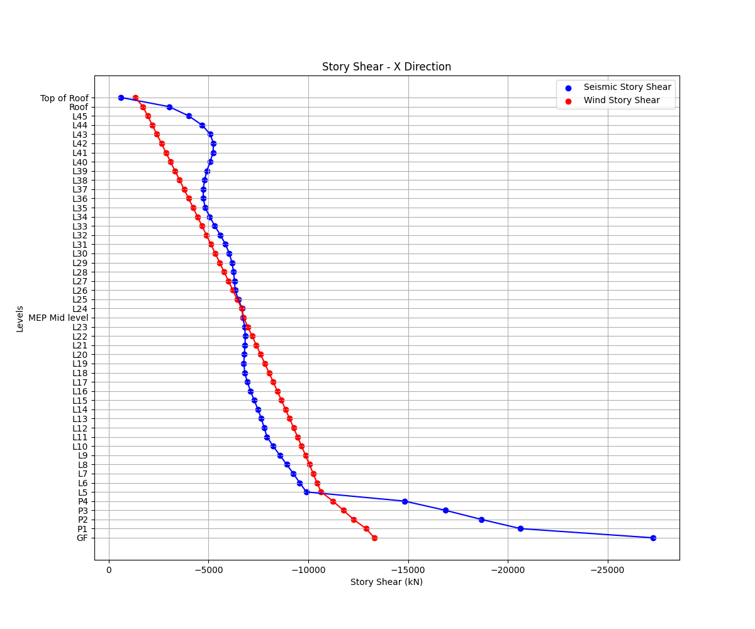
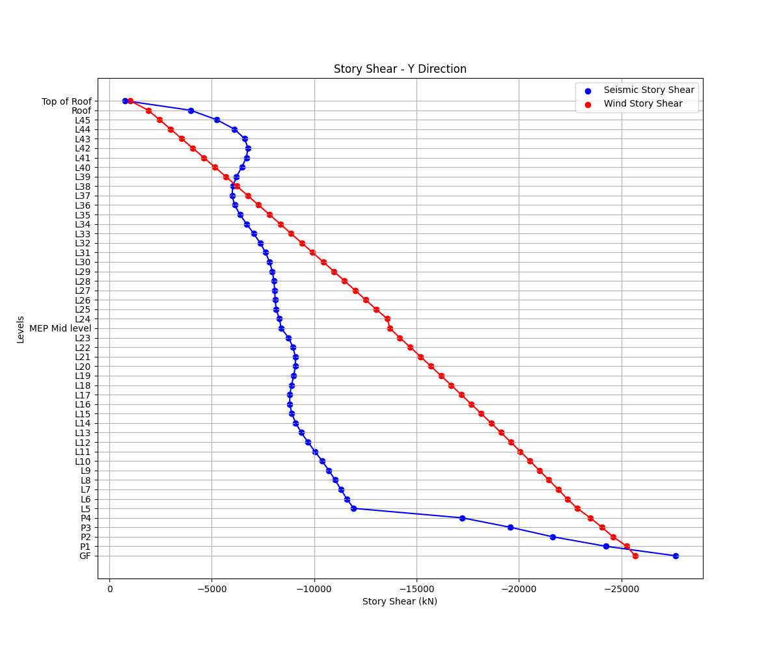

Story | Seismic Story Shear - X Direction (kN) | Seismic Story Shear - Y Direction (kN) | Wind Story Shear - X Direction (kN) | Wind Story Shear - Y Direction (kN)
Top of Roof | -609 | -769 | -1331 | -1012
Roof | -3023 | -3959 | -1712 | -1894
L45 | -3998 | -5239 | -1947 | -2448
L44 | -4673 | -6109 | -2177 | -2990
L43 | -5078 | -6600 | -2406 | -3532
L42 | -5246 | -6767 | -2635 | -4071
L41 | -5225 | -6689 | -2864 | -4610
L40 | -5079 | -6465 | -3092 | -5147
L39 | -4914 | -6209 | -3319 | -5683
L38 | -4798 | -6025 | -3546 | -6218
L37 | -4731 | -5988 | -3772 | -6751
L36 | -4737 | -6115 | -3997 | -7282
L35 | -4830 | -6372 | -4222 | -7812
L34 | -5060 | -6701 | -4446 | -8341
L33 | -5311 | -7044 | -4670 | -8868
L32 | -5594 | -7359 | -4892 | -9393
L31 | -5847 | -7621 | -5115 | -9917
L30 | -6040 | -7820 | -5336 | -10439
L29 | -6172 | -7954 | -5557 | -10960
L28 | -6253 | -8032 | -5777 | -11478
L27 | -6300 | -8070 | -5996 | -11995
L26 | -6330 | -8095 | -6214 | -12510
L25 | -6494 | -8144 | -6432 | -13023
L24 | -6682 | -8298 | -6664 | -13570
MEP Mid level | -6719 | -8390 | -6761 | -13696
L23 | -6810 | -8745 | -6965 | -14177
L22 | -6839 | -8966 | -7183 | -14692
L21 | -6826 | -9080 | -7396 | -15194
L20 | -6793 | -9083 | -7608 | -15694
L19 | -6765 | -9002 | -7819 | -16191
L18 | -6817 | -8891 | -8029 | -16686
L17 | -6941 | -8811 | -8238 | -17178
L16 | -7102 | -8809 | -8445 | -17667
L15 | -7287 | -8908 | -8651 | -18154
L14 | -7475 | -9102 | -8856 | -18637
L13 | -7644 | -9369 | -9060 | -19116
L12 | -7790 | -9689 | -9262 | -19593
L11 | -7930 | -10037 | -9462 | -20065
L10 | -8236 | -10387 | -9661 | -20534
L9 | -8571 | -10718 | -9858 | -20998
L8 | -8916 | -11019 | -10052 | -21457
L7 | -9251 | -11303 | -10245 | -21911
L6 | -9568 | -11593 | -10435 | -22360
L5 | -9903 | -11923 | -10641 | -22845
P4 | -14823 | -17223 | -11234 | -23481
P3 | -16863 | -19582 | -11760 | -24046
P2 | -18683 | -21649 | -12271 | -24595
P1 | -20642 | -24244 | -12893 | -25263
GF | -27274 | -27636 | -13311 | -25672

Overall Building Weight
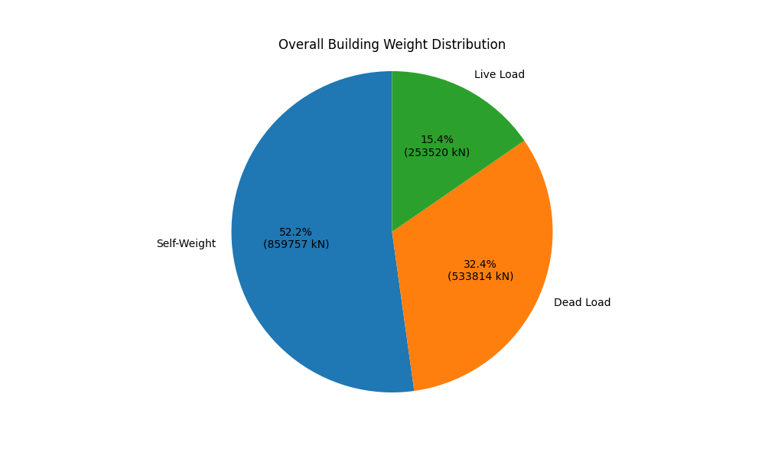

Loading: | Weight (kN):
Self-Weight | 859757
Dead Load | 533814
Live Load | 253520
Total | 1647091

