English
 |  | ESP32CAM | M5Camera (A Model) | M5Camera (B Model) / M5CameraX / M5CameraF
Peripheral | Pins | 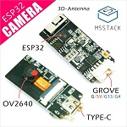 | 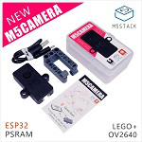 | 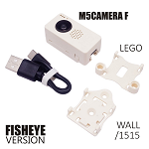 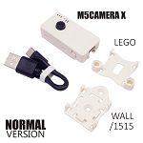
OV2640 Interface | SIO_C (SCCB Clock) | IO23 | IO23 | IO23
 | SIO_D (SCCB Data) | IO25 | IO25 | IO22
 | XCLK (System Clock) | IO27 | IO27 | IO27
 | VSYNC (Vertical Sync) | IO22 | IO22 | IO25
 | HREF (Horizontal Reference) | IO26 | IO26 | IO26
 | PCLK (Pixel Clock) | IO21 | IO21 | IO21
 | D2 (Pixel Data Bit 0) | IO17 | IO32 | IO32
 | D3 (Pixel Data Bit 1) | IO35 | IO35 | IO35
 | D4 (Pixel Data Bit 2) | IO34 | IO34 | IO34
 | D5 (Pixel Data Bit 3) | IO5 | IO5 | IO5
 | D6 (Pixel Data Bit 4) | IO39 | IO39 | IO39
 | D7 (Pixel Data Bit 5) | IO18 | IO18 | IO18
 | D8 (Pixel Data Bit 6) | IO36 | IO36 | IO36
 | D9 (Pixel Data Bit 7) | IO19 | IO19 | IO19
 | RESET (Camera Reset) | IO15 | IO15 | IO15
 | PWDN (Camera Power Down) | see Note 1 | see Note 1 | see Note 1
 | 3V3 Power Supply 3.3V() | 3V3 | 3V3 | 3V3
 | GND (Ground) | GND | GND | GND
GROVE Interface | SCL | IO4 | IO13 | IO13
 | SDA | IO13 | IO12 | IO4
 | 5V | 5V | 5V | 5V
 | GND | GND | GND | GND
LED | LED_Pin | IO16 | IO14 | IO14
BME280 (Optional) | SCL | IO4 | IO23 | IO23
 | SDA | IO13 | IO22 | IO22
MPU6050 (Optional) | SCL | IO4 | IO23 | IO23
 | SDA | IO13 | IO22 | IO22
Microphone (Optional) | see Note 2 | SPQ2410-OUT Pin -> IO32 | SPM1423-SCL Pin -> IO2 | SPM1423-SCL Pin -> IO2
 |  | / | SPM1423-SDA Pin -> IO4 | SPM1423-SDA Pin -> IO4
Firmware | / | ESP32CAM | M5Camera (A Model) | M5Camera (B Model) / M5CameraX | M5CameraF

Note: 1. Camera Power Down pin does not need to be connected to ESP32 GPIO. Instead it may be pulled down to ground with 10 kOhm resistor. 2. Microphone Device Description: The device type of Microphone on ESP32CAM is SPQ2410. The one on M5Camera (A or B Model), M5CameraX and M5CameraF is SPM1423.

