Sheet1
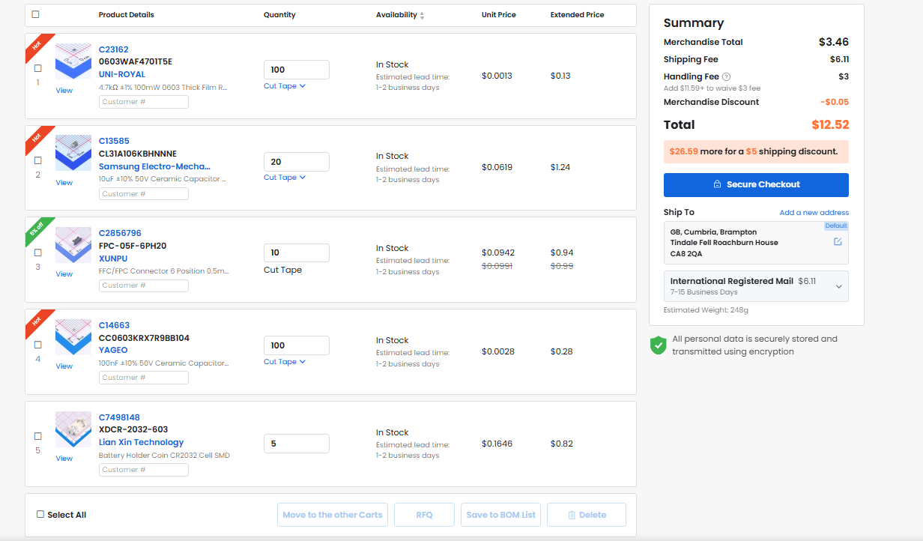
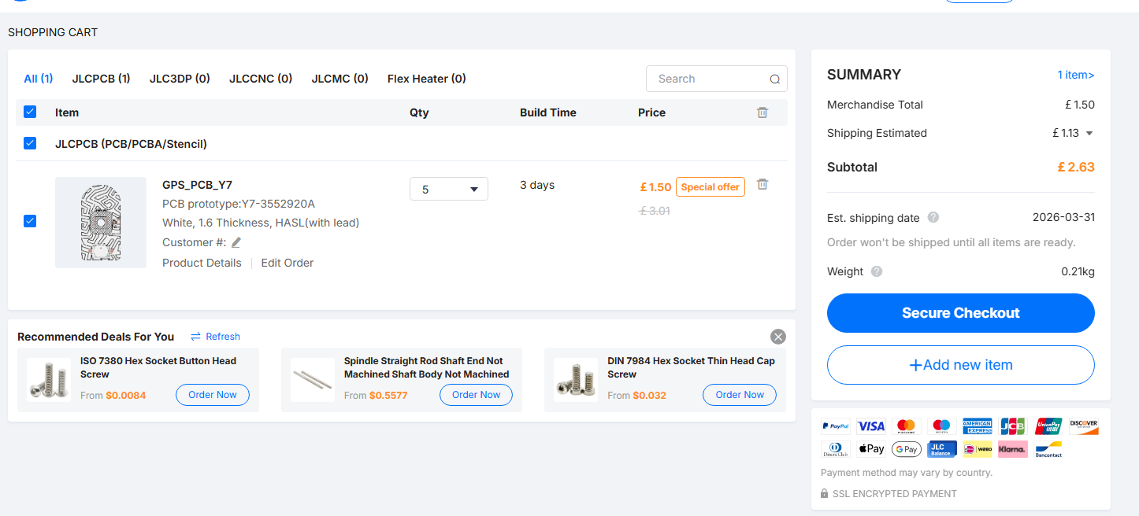
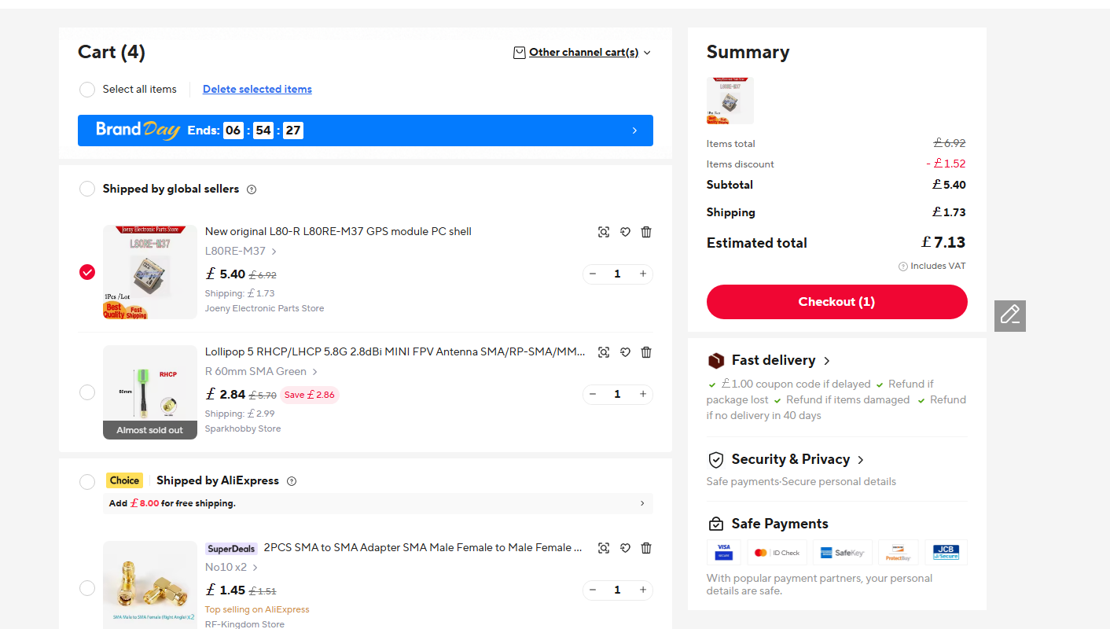
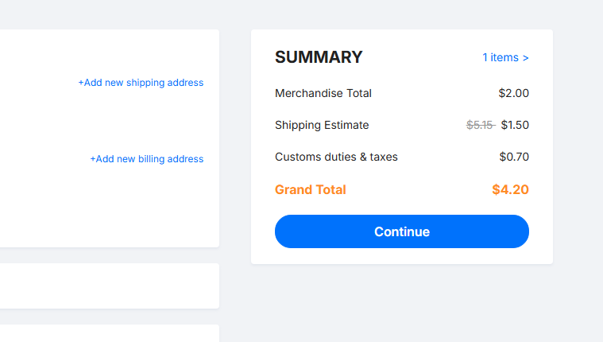
BOM

PCB | $5.57 | Basic PCB (Special Offer)
L80RE | $9.46 | Not availible on LCSC/JLCPCB | https://www.aliexpress.com/item/1005011635963638.html
LCSE parts | $12.52 | Cheaper than PCBA | https://www.lcsc.com/product-detail/C7498148.html
 |  |  | https://www.lcsc.com/product-detail/C14663.html
Total | $27.55 |  | https://www.lcsc.com/product-detail/C2856796.html
 |  |  | https://www.lcsc.com/product-detail/C13585.html
 |  |  | https://www.lcsc.com/product-detail/C23162.html

