Sheet1
Concepts to evaluate | Appearance description | Evidence | Severity (0-none, 5-high) | Possible solution
Visibility of the system status
The system must keep informed the user about what is happening, about the entries that were received, what process is running, and the results of the process. | Pressing the button, it doesn't notify if it was successfully sent or not. | 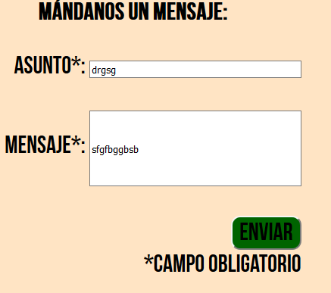 | 4 | Add a dialog to display if it was correctly sent or not.
Correspondence between the system and the real world
The UI design should use concepts, language, and real-world conventions that are familiar to the user. The cultural differences should be taken into account during the design of a systems that is expected to be used globally. | Good | Enables webpage to be translated | 0 | NA
User’s control and freedom
There are moments when users choose system functions by mistake and the "emergency exit" should be clearly marked to leave the unwanted situation to which they entered, without having to go through a series of steps. They should support undo and redo functions. | Good and simple | NA | 0 | NA
Consistency and standards
Ensalada
Users should not question whether actions, situations or different words actually mean the same thing; follow the established conventions. | Translation is not correct. Please check the end of this document to see more | 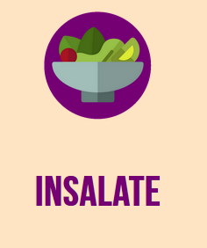 | 2 | Verify translated words
Error prevention
Much better a careful design that prevents the occurrence of problems than a well designed error message. | Not able to sign up. | Not able to get the error of unability to be added to the db cause something is missing, but when we checked in class, we couldn't sign up. | 5 | Validate the insert in db
Recognition rather than recall
The objects, actions and options must be visible. The user should not have to remember to information that is given in a part of the process in order to move forward. The user instructions of the system should be visible or easily downloadable when needed. | Good | NA | 0 | NA
Flexibility and efficiency of use
For the expert users the presence of accelerators, which are not seen by novice users, can provide faster interaction than the system provides for all users. Should be allowed to tailor the system for frequent use. | Good | NA | 0 | NA
Aesthetic and minimalist design
Dialogues should not contain information that is irrelevant or rarely used. Every extra unit of information in a dialogue competes with the relevant units of information and diminishes their relative visibility. | Good | NA | 0 | NA

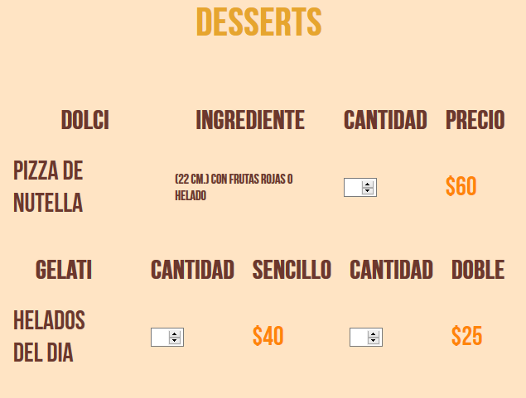
Postres
More about correspondence between the system and the real world. Translations are shown in red
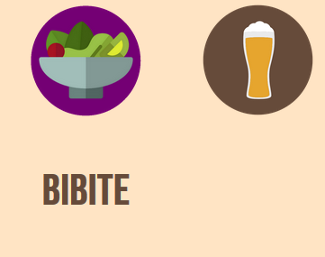
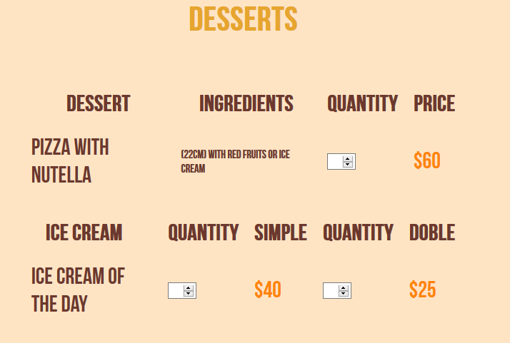
Postres

Bebidas

Helado

Big

