Sheet1
Joules of electrical energy
Energy | Power | Time | Result
? | 36 | 1800 | 64.8 |  | Electrical Power and Energy Triangle
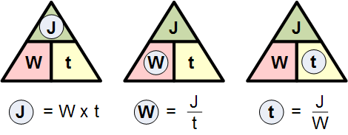
 |  | Note | Aner will be in KJ

Light properties and dose calculations | LIGHT 1 | LIGHT 2
Power [W] | 18 | 18
Wavelength [m] | 2.55E-07 | 2.55E-07
Distance of object from the light [m] | 0.27 | 0.08
Intensity (assuming uniform light in all directions) [W/m2] | 19.648758406 | 223.81163872
Area of surface to be disinfected [m2] | 0.04 | 0.04
Power on surface [W] | 0.78595033626 | 8.9524655489
Frequency | 1.18E+15 | 1.18E+15
Energy/photon | 7.80E-19 | 7.80E-19
Number of photons/second | 1.01E+18 | 1.15E+19
Dose [J/m2] in 1 second | 19.648758406 | 223.81163872
Dose in 1 sec for (0.04m2) [J/m2 for 0.04 m2] : Energy which the area to be disinfected will be exposed to | 0.78595033626 | 8.9524655489
Time required to reach 67 J (seconds) (Average dose) | 85.247116655 | 7.4839718326
Total Time (to expose 67 J to the area) | 92.731088488

Number of photons emitted :

Symbol |  | Value |  | Unit
E | (energy) | 10x10^-3 | 0.01 | mW | Energy of a photon
h | (Plank’s) Note: Constant | 6.626E-34 | 6.63E-34 | Joule Sec
c | (speed of ligh) Note: Constant | 300000000 | 3.00E+08 | m/s
λ | wavelength | 626 x 10^(-9) | 6.26E-07 | m

 |  | Result for Energy of the photons | 3.18E-19 | J
 |  | Result number of photons emitted | 3.15E+16 | photons/second

Note : This is the Energy of all the photons emitted in one second
light blue coloer the value can be | changed
light green coloer, the value is | Constant

