sigmaE0
sigmaE0
starrydata-sigma

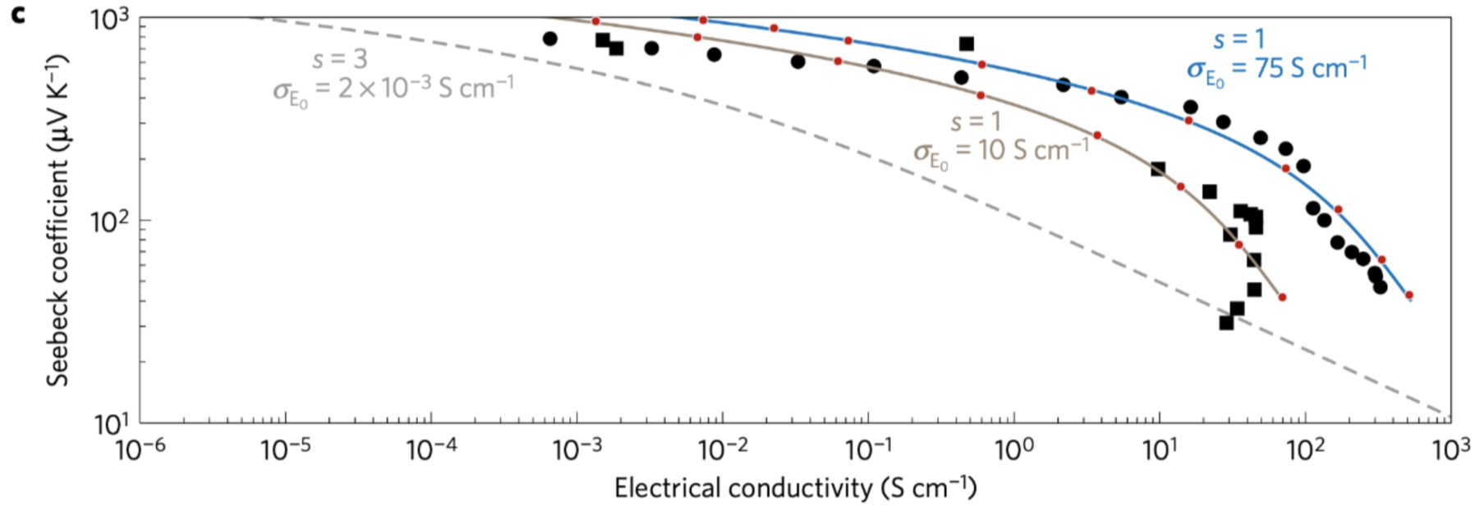
 | [10, 9.680925000000013]
 | [10, 9.989956875000013]
 | [10, 9.997831250000013]
 | [10, 9.714656250000012]
 | [10, 10.595013125000012]
 | [10, 10.025640000000012]
 | [10, 9.765256250000014]
 | [10, 10.190675625000013]
 | [75, 80.74015562500011]
 | [75, 81.1230643750001]
 | [75, 75.88072562500011]
 | [75, 74.16334750000009]
 | [75, 72.27143187500008]
 | [75, 78.72646625000009]
 | [75, 79.2493000000001]
 | [75, 79.4730950000001]
 | [75, 76.93948687500009]
 | [75, 77.6073606250001]

