Sheet1
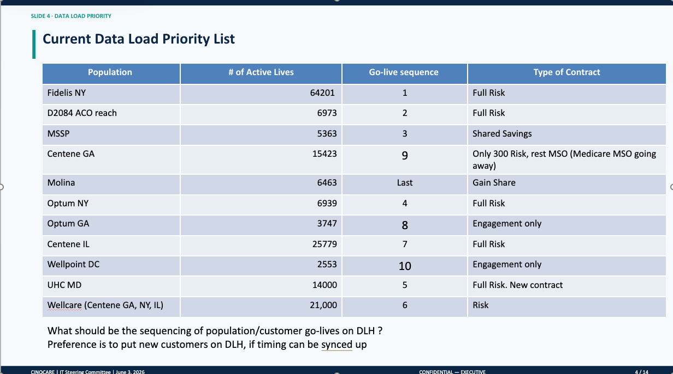
 |  |  |  | TEAM
 | Payors | Functionality | Priority | Analyst | Engineer | Business UAT POC | User Acceptance Tester
Commercial | Fidelis | Enrollment | 1 | Karthik | Khaja/Vinay | Jonathan/David | Karthik
 |  | Claims |  | Syed | Monica |  | Syed
Government | D0284 | Enrollment | 2 | Karthik | Khaja/Vinay | Christine | Karthik
 |  | Claims CCLF |  | Syed | Monica |  | Syed
 |  | Claims BCDA |  | Ashwin/Saanie | Bhargavi |  | Sannie
 | MSSP | Enrollment | 3 | Raveena | Khaja |  | Karthik
 |  | Claims CCLF |  | Syed | Monica |  | Syed
 |  | Claims BCDA |  | Saanie | Bhargavi |  | Ashwin
Commercial | Optum NY | Enrollment | 4 | Karthik | Vinay | David and Jonathan | Karthik
 |  | Claims |  | Ashwin | Monica | David | Saanie
 | UHC MD | Enrollment | 5 | Raveena | Khaja | Nick | Raveena
 |  | Claims |  | Syed | Bhargavi | David | Ashwin
 | Wellcare (Centene GA, NY, IL) | Enrollment | 6 | Karthik/Raveena |  | Nick | Karthik
 | Wellcare (Centene GA, NY, IL) | Claims |  | Saanie |  | David | Saanie
 | Centene IL | Enrollment | 7 | Raveena | Khaja | David and Jonathan | Raveena
 |  | Claims |  | Syed | Bhargavi | David | Ashwin
 | Optum GA | Enrollment | 8 | Karthik | Vinay | Daymon | Karthik
 | Centene GA | Enrollment | 9 | Raveena | Khaja | TBD | Raveena
 |  | Claims |  | Syed | Bhargavi | David | Ashwin
 | Wellpoint DC | Enrollment | 10 | Karthik | Khaja | Daymon | Raveena
 | Molina | Enrollment | 11 | Raveena | Khaja | TBD | Karthik
 |  | Claims |  | Ashwin | Monica | David | Sannie

