00_Model_Overview
ADT Data Model | Databricks Medallion Architecture | HL7 v2.x Aligned
Medallion Architecture: Bronze (raw) → Silver Raw (dedup + CDC) → Silver ODS (canonical model) | dbo.DailyCensus retained for reference and transition only

Table | Description | Phase 1 cols | Phase 2 cols | Total cols | Source Data | HL7 Segments | Key Design Decisions
patient_dim | Patient demographics — 1 row per unique patient | 29 | 1 | 30 | All 11 sources + DailyCensus | PID | OurID=NOT NULL (fixed). Race/Ethnicity split into 2 cols. DOB enforced as DATE. primary_language and death_datetime are Phase 2 (no source).
encounter_fact | Admission/visit — 1 row per stay | 36 | 0 | 36 | All 11 sources + DailyCensus | PV1 · PV2 · EVN · DG1 | AdmissionDate+AdmitTime merged to TIMESTAMP. admit_source gap filled from Garage. Primary diagnosis code extracted. All STRING fixed.
encounter_location_history | Bed/ward transfers during stay | 0 | 13 | 13 | None — A02 events not captured | PV1-3 · PV1-6 | ENTIRE TABLE IS PHASE 2. Mirth does not capture A02 Transfer events. Cannot be built until Mirth is reconfigured.
provider_dim | Doctors/providers — 1 row per NPI | 17 | 0 | 17 | DailyCensus + Optum + Fidelis + Centene | PV1-7 · PV1-17 | PCP NPI now captured from Optum and Centene (was a gap in DailyCensus). Deduplicated by NPI.
facility_dim | Hospitals/locations — 1 row per facility | 9 | 5 | 14 | DailyCensus + Garage + Fidelis + Optum | PV1-3 · MSH-4 | Facility address/type are Phase 2 — need CMS NPI Registry API. Facility NPI parsed from Garage combined field.
coverage_dim | Insurance — 1 row per member per plan | 25 | 1 | 26 | DailyCensus + Fidelis + Optum + Centene | IN1 | SCD Type 2 with effective dates. group_number is Phase 2 (no ADT source). LOB standardized across all sources.
adt_event_log | Raw event stream — append only | 22 | 3 | 25 | DailyCensus + source tables directly | MSH · EVN | Visit_Number critical gap now filled. hl7_version, event_reason_code, prior_location are Phase 2 (need Mirth changes). Append-only table.
encounter_cinq_ext | CINQ care management extensions | 33 | 0 | 33 | DailyCensus only | CINQ internal | Separated from encounter_fact for HL7 cleanliness. Auth fields (auth_id/status/LOS) now captured from Optum and Fidelis. Medication_Reconcilliation typo fixed.

NOTES LEGEND — used in the Full Notes column of each table sheet
[SYS] | System generated | Databricks auto-populates via monotonically_increasing_id() for surrogate keys and current_timestamp() for timestamps. You never set these manually. No IDENTITY columns, no DEFAULT constraints, no triggers — all managed in notebook logic.
[DC] | Already in DailyCensus | Field maps directly from dbo.DailyCensus. May need data type fix or constraint.
[SRC] | From source table | Field exists in a source table (Garage, HL7, Optum, Fidelis, Centene) but NOT in DailyCensus — it was a mapping gap.
[GAP] | Gap — source has it, DailyCensus missing | The data EXISTS in a source table today but was never mapped through the Mirth/ADF pipeline to DailyCensus. Now captured in the new model.
[FIX] | Data type/quality fix needed | Field is in DailyCensus but with wrong type (STRING instead of DATE/TIMESTAMP/LONG) or other quality issue. ETL must cast/transform.
[NEW] | Truly new — no current source | Field does not exist in any source table or DailyCensus. Needs a new data feed or lookup.
[P2] | Phase 2 only | Cannot be built in Phase 1. Either no source exists, or requires external system changes (Mirth config, NPI registry API, enrollment team data).

Total Column Count Across All 8 Tables: 189
 | Count
DailyCensus today | 141
New model total | 189
Net new columns added | 48

Where do all 189 columns come from
Category | Count | What it means
Already in DailyCensus | 101 | Direct map from DailyCensus — we reorganized them into the right tables and fixed types
Gap — existed in source, missed by DailyCensus | 37 | Data was sitting in source tables all along (Garage, Optum, Fidelis, Centene etc.) but the Mirth/ADF pipeline never mapped it through
System generated | 29 | Databricks auto-creates these — surrogate keys via monotonically_increasing_id(), timestamps via current_timestamp(). Zero effort from source data.
Truly new — no source exists yet | 22 | Brand new fields with no current data feed. Mostly Phase 2 items like facility address, primary language, HL7 version

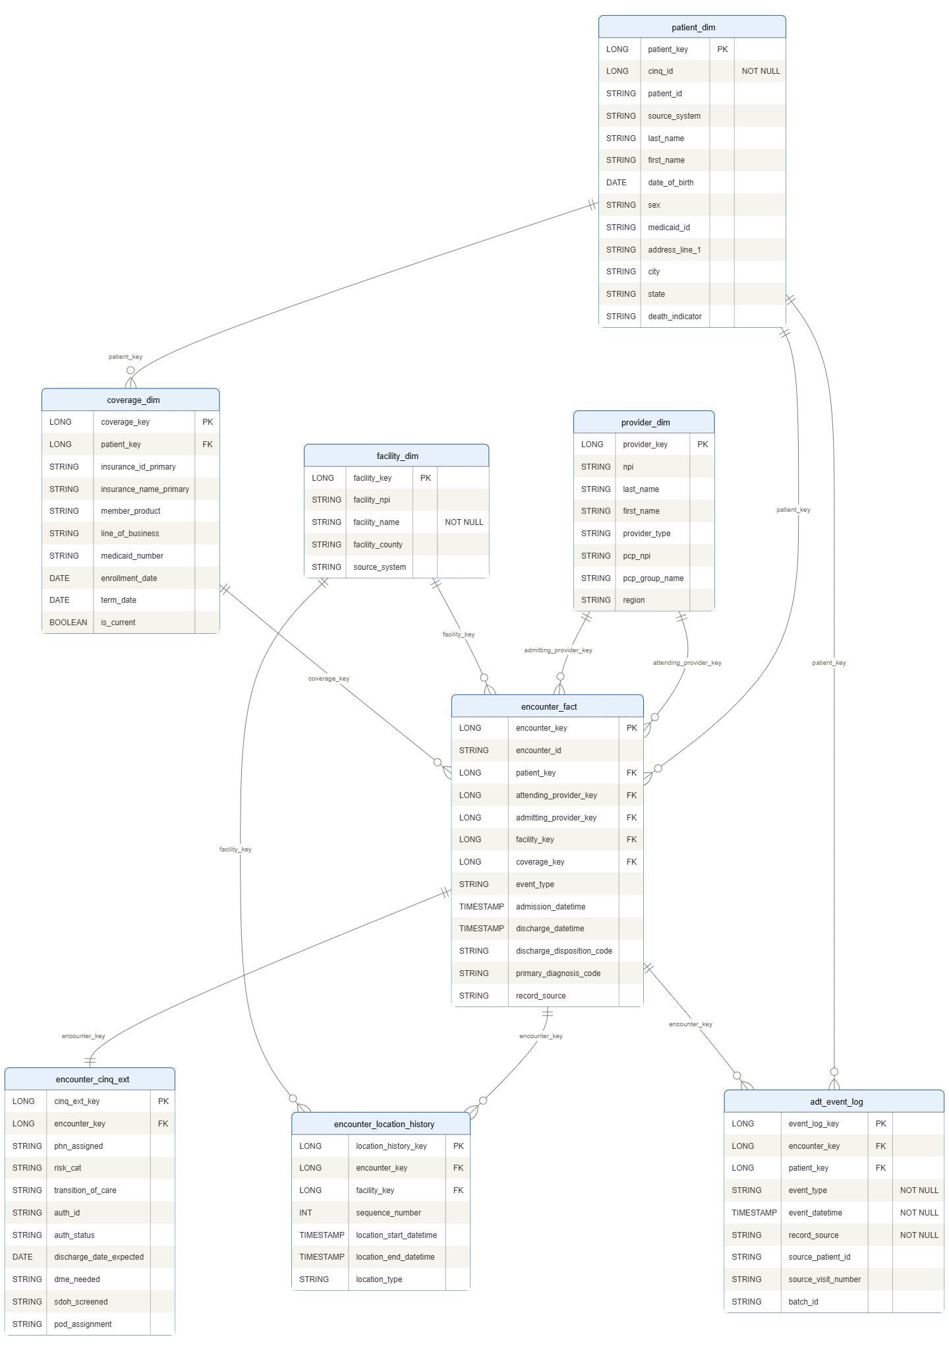

ERD Diagram

