Cover
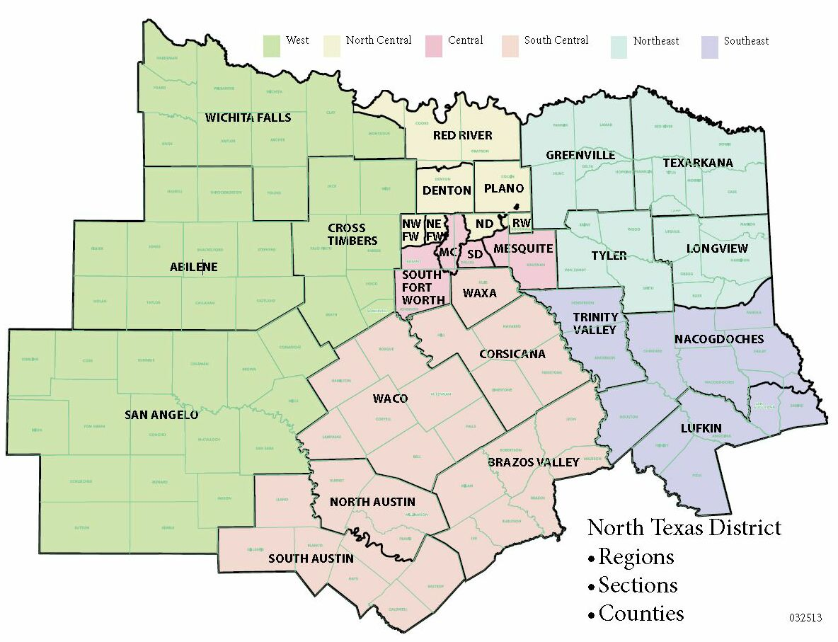
Updated 11/15/14
North Texas District of the Assemblies of God
2004 to 2013 Sunday AM Attendance Report

