Summaries
 | Ward 1 | Ward 2 | Ward 3 | Ward 4 | Ward 5 | Ward 6 | ALL | Total Pop. % diff | 0% | 112% | 136% | 107% | 72% | 110% | 88% | Comparative Sheets
Total Population | #DIV/0! | 17,912 | 19,034 | 17,331 | 21,245 | 20,517 | #DIV/0! |  | 1 | 2 | 3 | 4 | 5 | 6 |  |  | Ward 1 | Ward 2 | Ward 3 | Ward 4 | Ward 5 | Ward 6 | TOTAL
Male | #DIV/0! | 8,541 | 9,598 | 8,600 | 10,394 | 9,590 | #DIV/0! |  | Ward 1 | Ward 2 | Ward 3 | Ward 4 | Ward 5 | Ward 6 | TOTAL | Population by GeoCorr census block: | 22,178 | 19,433 | 20,669 | 20,903 | 20,720 | 22,351 | 126,254
Female | #DIV/0! | 9,371 | 9,436 | 8,731 | 10,851 | 10,927 | #DIV/0! | Total Population | - | 19,998 | 25,856 | 18,605 | 15,266 | 22,605 | 102,330 | Population by voting district: | 20,795 | 17,912 | 19,034 | 17,331 | 21,245 | 20,517 | 116,834
Male <18 yrs | #DIV/0! | 1861 | 2434 | 2352 | 3153 | 1696 | #DIV/0! | Male | - | 9,536 | 13,038 | 9,232 | 7,469 | 10,566 | 49,841
Male 18>= yrs | #DIV/0! | 6680 | 7164 | 6248 | 7241 | 7894 | #DIV/0! | Female | - | 10,462 | 12,818 | 9,373 | 7,797 | 12,039 | 52,489
Female <18 yrs | #DIV/0! | 2839 | 1778 | 2428 | 1724 | 1694 | #DIV/0! | Male <18 yrs | 0 | 2078 | 3307 | 2525 | 2266 | 1869 | 12,045
Female 18>= yrs | #DIV/0! | 6640 | 7678 | 6780 | 9126 | 9304 | #DIV/0! | Male 18-39 yrs | 0 | 4011 | 4944 | 2854 | 1924 | 5226 | 18,959
Total <18 yrs | #DIV/0! | 4701 | 4212 | 4780 | 4878 | 3390 | #DIV/0! | Male 39>= yrs | 0 | 3447 | 4787 | 3853 | 3279 | 3471 | 18,837
Total 18>= yrs | #DIV/0! | 13320 | 14842 | 13027 | 16367 | 17198 | #DIV/0! | Female <18 yrs | 1028 | 3170 | 2415 | 2606 | 1239 | 1866 | 12,324 | Female <18 yrs | 0 | 3163 | 2750 | 2638 | 1689 | 2045 | 12,285
Median Household Income (2020) | $26,122 | $65,813 | $52,211 | $88,092 | $84,583 | $53,868 | $53,447 | Female 18>= yrs | 0 | 3413 | 5004 | 2856 | 2644 | 6670 | 20,587
 |  |  |  |  |  |  |  | Female 39>= yrs | 0 | 4000 | 5426 | 4422 | 3914 | 3581 | 21,343
Population by Race: |  |  |  |  |  |  |  | Total <18 yrs | 0 | 5241 | 6057 | 5163 | 3955 | 3914 | 24,330
White alone | 15,733 | 12,845 | 13,473 | 15,264 | 17,935 | 16,253 | 91,503 | Total 18>= yrs | 0 | 7424 | 9948 | 5710 | 4568 | 11896 | 39,546
Black or African American alone | 3,416 | 3,249 | 4,212 | 894 | 1,351 | 1,913 | 15,035 | Total 39>= yrs | 0 | 7447 | 10213 | 8275 | 7193 | 7052 | 40,180
Asian alone | 72 | 88 | 102 | 29 | 40 | 67 | 398
American Indian and Alaska Native alone | 1,124 | 1,015 | 608 | 949 | 1,651 | 1,731 | 7,078
Native Hawaiian and Other Pacific Islander alone | 13 | 32 | 20 | 8 | 1 | 15 | 89
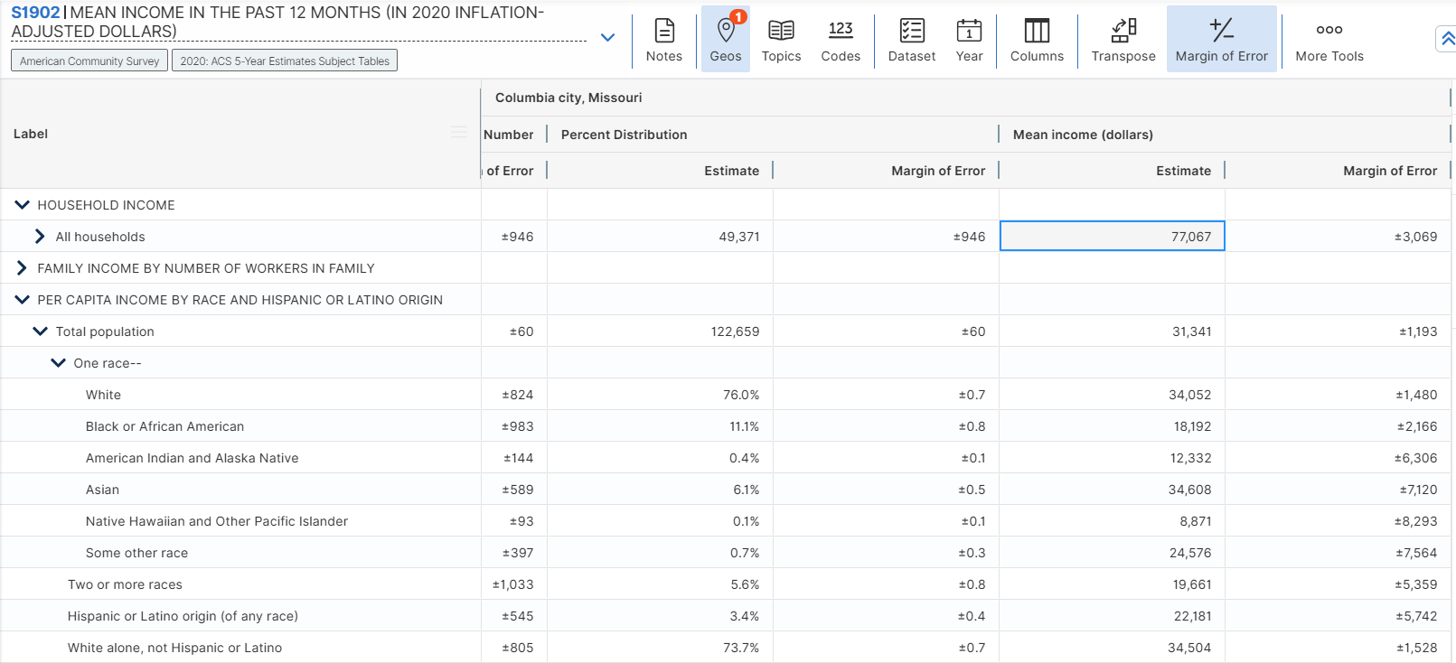
Some Other Race | 1,800 | 2,460 | 2,614 | 1,492 | 1,786 | 1,961 | 12,113

