d6_subset_smry_python.csv
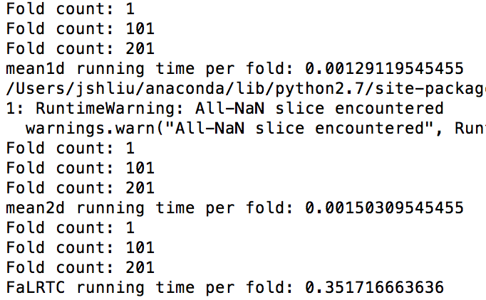
Method | mean1d | mean2d | FaLRTC
PCT | 0.48 | 0.57
PCTc | 0.49 | 0.59
PCTd | 0.46 | 0.56
PCTg | 0.27 | 0.4
AUC_DEG1 | 0.73 | 0.8 | 0.5
GCP | 0.19 | 0.21

