entity_relationship_diagram_lit
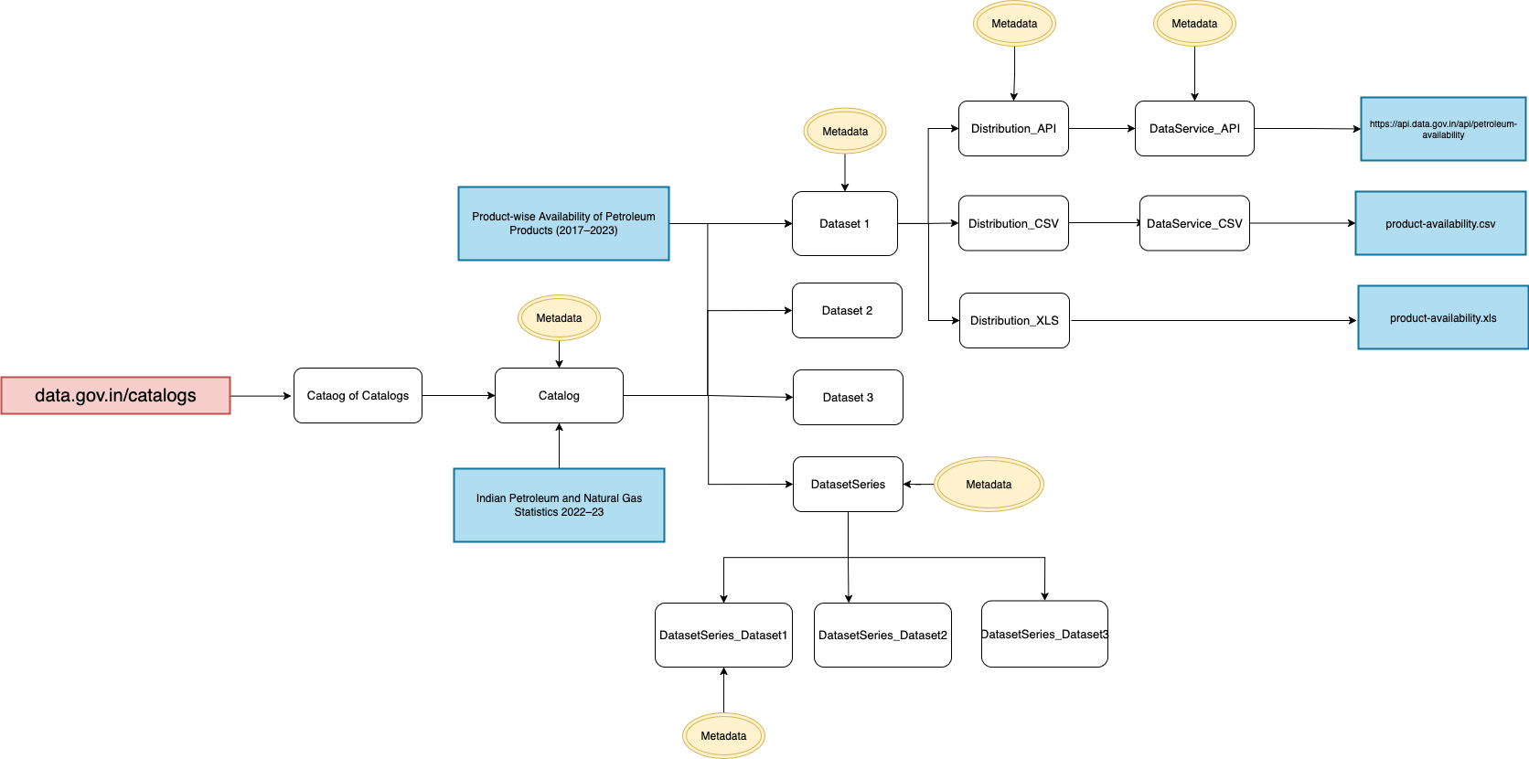

 | { | {
 | "A": "title", | "A": "Real time Air Quality Index from various locations",
 | "B": "resource_category", | "B": "Dataset",
 | "C": "catalog_title", | "C": "Real time Air Quality Index",
 | "D": "govt_type", | "D": "Central",
 | "E": "ministry_department", | "E": "Ministry of Environment, Forest and Climate Change;Central Pollution Control Board",
 | "A": "title", | "A": "Real time Air Quality Index from various locations",
 | "G": "published_date", | "G": "42586",
 | "H": "changed", | "H": "45835",
 | "I": "created", | "I": "42576",
 | "J": "sector", | "J": "Environment and Forest;Industrial Air Pollution;Residential Air Pollution;Vehicular Air Pollution",
 | "K": "sector_resource", | "K": "Environment and Forest;Industrial Air Pollution;Residential Air Pollution;Vehicular Air Pollution",
 | "L": "field_resource_type", | "L": "4",
 | "M": "datafile", | "M": "https://data.gov.in/files/ogdpv2dms/s3fs-public/datafile/data_aqi_cpcb.xml",
 | "N": "datafile_url", | "N": "https://api.data.gov.in/resource/3b01bcb8-0b14-4abf-b6f2-c1bfd384ba69?api-key=579b464db66ec23bdd000001cdc3b564546246a772a26393094f5645&offset=0&limit=all",
 | "O": "file_format", | "O": "text/csv",
 | "P": "file_size", | "P": "17084",
 | "Q": "frequency", | "Q": "Hourly",
 | "R": "granularity", | "R": "Hourly",
 | "S": "field_from_api", | "S": "1",

 | "T": "is_api_available", | "T": "1",
 | "U": "is_visualized", | "U": "1",
 | "V": "api_request_count", | "V": "12",
 | "W": "field_high_value_dataset", | "W": "1",
 | "X": "field_show_export", | "X": "true",
 | "Y": "cdos_state_ministry", | "Y": "Central Pollution Control Board",
 | "Z": "is_rated", | "Z": "1",
 | "AA": "external_api_reference", | "AA": "3630781",
 | "AB": "note", | "AB": "The real-time data as collected from the field instruments is displayed live without human intervention from CPCB. It is likely that the live data may display some errors or abnormal values. Any abnormal value may be due to any episode or instrumental error at any particular time.",
 | "AC": "node_alias", | "AC": "/resource/real-time-air-quality-index-various-locations",
 | "AD": "ogdp_download_count", | "AD": "22293",
 | "AE": "ogdp_view_count", | "AE": "102119",
 | "AF": "domain" | "AF": "data.gov.in"
 |  | },
 | },

 | 1. dct:accrualPeriodicity:
 | What it does: Describes the frequency at which the dataset as a whole is updated or published. This is about when a new version or an addition to the entire dataset becomes available.
 | Example Value: Daily, weekly, monthly, etc., often using controlled vocabulary terms (like <http://purl.org/cld/freq/daily>).
 | Think of it as: How often the dataset is published.
 | 2. dcat:temporalResolution:
 | What it does: Specifies the temporal granularity of the data within a time series. It describes the time interval between individual data points or readings.
 | Example Value: 5-minute intervals ("PT5M"^^xsd:duration), hourly, etc., using XML Schema Duration format.
 | Think of it as: How often the data is collected or recorded within the dataset's time frame.
 | 3. dcterms:temporal (or dct:temporal):
 | What it does: Defines the overall time period or temporal extent that the dataset covers. It indicates the start and end dates or times for which the data is relevant.
 | Example Value: A time interval like "2023-01-01/2024-12-31".
 | Think of it as: The overall time window the dataset represents.
 | Example:
 | Let's use your scenario of AQI data:
 | AQI data is collected in real time and recorded at 5-minute intervals.
 | The complete dataset, with all the accumulated 5-minute interval data, is published daily.
 | The dataset covers the time period from January 1, 2024, to December 31, 2024.

 | Here's how you'd use the DCAT-AP v3 fields:
 | dct:accrualPeriodicity: <http://purl.org/cld/freq/daily> (Published daily)
 | dcat:temporalResolution: "PT5M"^^xsd:duration (Data recorded at 5-minute intervals)
 | dcterms:temporal: [a dcterms:PeriodOfTime; dcterms:hasBeginning "2024-01-01"^^xsd:date; dcterms:hasEnd "2024-12-31"^^xsd:date] (Covers the period from Jan 1, 2024, to Dec 31, 2024)
 | Comparison Table:
 | Field
 |  | What it describes | Example for AQI Data (5-min intervals, daily publication, 2024 coverage)
 | dct:accrualPeriodicity | How often the dataset is published | <http://purl.org/cld/freq/daily>
 | dcat:temporalResolution | How often the data is collected/recorded within the dataset | "PT5M"^^xsd:duration
 | dcterms:temporal | The overall time period the dataset covers | [a dcterms:PeriodOfTime; dcterms:hasBeginning "2024-01-01"^^xsd:date; dcterms:hasEnd "2024-12-31"^^xsd:date]

 | Data Series
 | https://www.w3.org/TR/vocab-dcat-3/#dataset-series
 | Inter related datasets which gets uploaded year on year
 | ex:budget a dcat:DatasetSeries ; dcterms:title "Budget data"@en ; dcat:first ex:budget-2018 ; dcat:last ex:budget-2020 ; .
 | dcat:first | The first resource in an ordered collection or series of resources, to which the current resource belongs.
 | dcat:prev | The previous resource (before the current one) in an ordered collection or series of resources.
 | dcat:last | The last resource in an ordered collection or series of resources, to which the current resource belongs.

 | # Attribution for Data Collector
 | prov:qualifiedAttribution [
 | a prov:Attribution ;
 | prov:agent <http://example.org/organizations/nic-data-collector> ; # Link to the Data Collector agent
 | dcat:hadRole ex:dataCollector ; # Specify the role using dcat:hadRole and a custom vocabulary
 | ] ;
 | # Attribution for Data Steward
 | prov:qualifiedAttribution [
 | a prov:Attribution ;
 | prov:agent <http://example.org/persons/nic-data-steward> ; # Link to the Data Steward agent
 | dcat:hadRole ex:dataSteward ; # Specify the role using dcat:hadRole and a custom vocabulary
 | ]

