Sheet1
戴尔软件《IT系统管理导论》课程内容
Dell Software Group "IT System Management Introduction" |  |  |  |  |  |  |  | 2014 September

Class Number | Time | Monday | Tuesday | Wednesday | Thursday | Friday | Saturday | Sunday
 |  | (September 8) | (September 9) | (September 10) | (September 11) | (September 12) | (September 13) | (September 14)
1 | 8：00-8：45
2 | 8:55-9:40 |  |  |  |  | Lab Session #1 - Programming Performance Diagnostic | Lab Session #3 - Foglight Development | Lab Session #5 - Foglight Development
3 | 9:50-10:35 |  |  | Performance Monitoring (Foglight - Geoff Vona) | Introduction to new internet protocol IPv6 (SonicWall Eric Xiang)
4 | 10:45-11:30
5 | 11：40-12：25 |  |  | Velocity Foglight APM (Yinghua Qin)
6 | 12:35-13:20
7 | 13:30-14:15 |  |  |  |  | Lab Session #2 - Programming Performance Diagnostic | Lab Session #4 - Foglight Development | Summary Session
8 | 14:25-15:10 |  | Course preparation (Yinghua Qin) | Oracle Database Performance Tuning (Toad - Guy Harrison & Charles Ju) | Genetic Algorithm for Indexes Selection (Toad - Richard To)
9 | 15:20-16:05
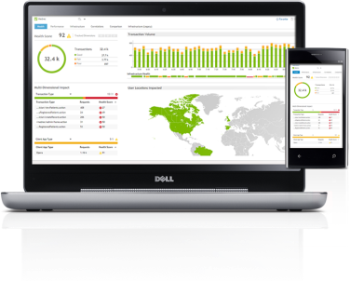
10 | 16:15-17:00 |  | Lab preparation (Beam Liu) |  | Cloud Computing (Jeffrey Yan)
11 | 17：10-17：55
12 | 18:05-18:50
13 | 19：00-19：45
14 | 19：55-20：40
15 | 20：50-21：35

 |  |  |  |  |  |  |  |  | Total:
 |  | Hours | 3 | 7 | 5 | 9 | 9 | 9 | 42

