Map
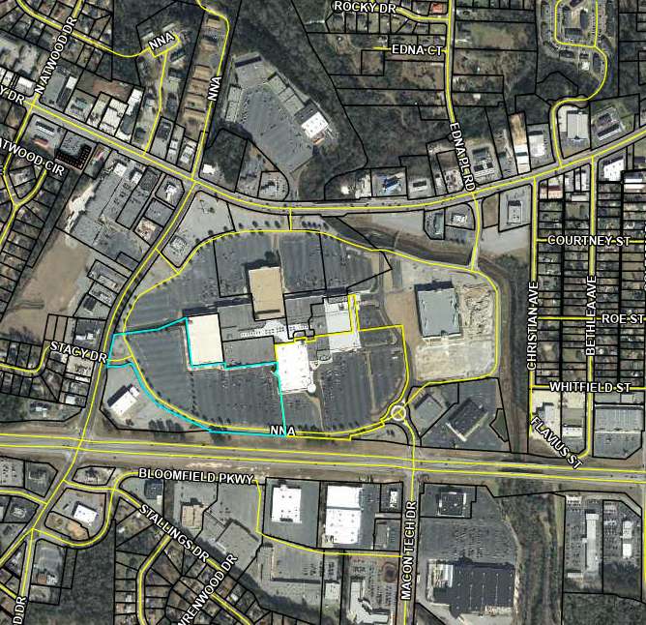

15
6

18
11
9
8
10

12
2
1
3

4
5

7

1

