overview
This tab contains: purple table with all analysed individuals and their collected data, Two correlation graphs, blue table with individuals cov >10 and known age, list of overlapping genes found between the three comparison groups containing gene IDs and descriptions
age-otolith weigth
8 | 0.00237
9 | 0.00543
10 | 0.00874
10 | 0.00565
11 | 0.00356
11 | 0.00906
13 | 0.0089
13 | 0.00752
14 | 0.01115
14 | 0.0097
15 | 0.00746
15 | 0.00516
15 | 0.00652
16 | 0.01178
16 | 0.00508
16 | 0.00515
16 | 0.00858
17 | 0.00607
18 | 0.00934
19 | 0.01224
19 | 0.00971
19 | 0.01154
20 | 0.01125
20 | 0.00639
20 | 0.0079
21 | 0.01115
21 | 0.01108
22 | 0.0086
23 | 0.01579
23 | 0.01081
23 | 0.01091
27 | 0.01628
age - %methylated sites

pool nr | sample ID | barcode | Tag | M/F | Otoliths | otolith weigth | body length | coverage | avg-% methylated | % methylation | age
10 | 34 | 11 | C130 |  | 42 | 0.00237 | 37 | 14 | 70.17% | 67.39% | 8
11 | 50 | 11 | 797B |  | 22 | 0.00543 | 60 | 12 | 68.62% | 65.13% | 9
1 | 1 | 19 | 6F0A |  | 3 | 0.00874 | 67 | 4 | 73.84% | 70.09% | 10
14 | 49 | 5 | 207C |  | 39 | 0.00565 | 58 | 11.5 | 69.05% | 65.73% | 10
5 | 26 | 24 | BCDF |  | 63 | 0.00356 | 36.5 | 15 | 73.02% | 69.42% | 11
11 | 16 | 9 | 9C17 |  | 33 | 0.00906 | 77 | 14 | 70.62% | 67.36% | 11
1 | 2 | 20 | DFFD |  | 9 | 0.0089 | 70 | 12 | 73.20% | 69.67% | 13
11 | 8 | 10 | A674 |  | 11 | 0.00752 | 64.5 | 11 | 72.05% | 68.43% | 13
2 | 7 | 21 | ED18 |  | 1 | 0.01115 | 71 | 10 | 75.09% | 71.57% | 14
3 | 11 | 23 | 961E |  | 12 | 0.0097 | 66 | 12 | 73.91% | 70.42% | 14
9 | 43 | 12 | E96D |  | 38 | 0.00746 | 58 | 12 | 70.95% | 67.76% | 15 | coverage | avg-% meth | % meth | age2
12 | 57 | 21 | A0FC |  | 10 | 0.00516 | 58.5 | 14.4 | 69.26% | 66.15% | 15 | 14 | 70.17% | 67.39% | 8 |  | male&fin | gene description | male&short | gene description | fin&short | gene description | male&fin&short
14 | 55 | 6 | 7797 |  | 40 | 0.00652 | 55 | 14.7 | 68.71% | 65.50% | 15 | 12 | 68.62% | 65.13% | 9 | amount | 23 |  | 2 |  | 1 |  | 0
2 | 10 | 23 | 7637 |  | 6 | 0.01178 | 72.5 | 12 | 75.28% | 71.90% | 16 | 11.5 | 69.05% | 65.73% | 10 |  | 118213040 | UDP-glucuronosyltransferase 2A1-like | 118215870 | U4 spliceosomal RNA | 118214452 | FERM, ARHGEF and pleckstrin domain-containing protein 1-like
9 | 46 | 13 | E995 |  | 5 | 0.00508 | 56 | 13 | 71.99% | 68.36% | 16 | 14 | 70.62% | 67.36% | 11 |  | 118213524 | transfer RNA valine (anticodon AAC) | 118215873 | U4 spliceosomal RNA
12 | 36 | 19 | 2782 |  | 29 | 0.00515 | 53 | 16 | 69.01% | 65.54% | 16 | 15 | 73.02% | 69.42% | 11 |  | 118213525 | transfer RNA valine (anticodon AAC)
14 | 19 | 7 | 63DA |  | 34 | 0.00858 | 64 | 11.6 | 70.55% | 67.10% | 16 | 11 | 72.05% | 68.43% | 13 |  | 118213526 | transfer RNA valine (anticodon AAC)
8 | 41 | 14 | E846 |  | 14 | 0.00607 | 56.5 | 11 | 71.38% | 67.70% | 17 | 12 | 73.20% | 69.67% | 13 |  | 118213554 | transfer RNA valine (anticodon CAC)
7 | 44 | 17 | A349 |  | 45 | 0.00934 | 58 | 19 | 71.27% | 67.73% | 18 | 10 | 75.09% | 71.57% | 14 |  | 118213557 | transfer RNA valine (anticodon CAC)
2 | 9 | 22 | 6BEF |  | 4 | 0.01224 | 72 | 14 | 72.18% | 69.03% | 19 | 12 | 73.91% | 70.42% | 14 |  | 118213558 | transfer RNA valine (anticodon CAC)
4 | 23 | 23 | 7650 |  | 25 | 0.00971 | 61 | ? | 74.24% | 70.58% | 19 | 12 | 70.95% | 67.76% | 15 |  | 118218962 | uncharacterized LOC118218962
17 | 58 | 17 | 1108 |  | 24 | 0.01154 | 56 | 10.1 | 70.07% | 66.53% | 19 | 14.4 | 69.26% | 66.15% | 15 |  | 118219210 | uncharacterized LOC118219210
3 | 14 | 24 | 6D94 |  | 15 | 0.01125 | 69 | 12 | 73.80% | 70.02% | 20 | 14.7 | 68.71% | 65.50% | 15 |  | 118219608 | cytochrome P450 2K1-like
8 | 35 | 12 | 7FE0 |  | 2 | 0.00639 | 47 | 13 | 72.25% | 68.84% | 20 | 11.6 | 70.55% | 67.10% | 16 |  | 118219617 | cytochrome P450 2K1-like
17 | 56 | 16 | 9053 |  | 51 | 0.0079 | 57 | 13.3 | 68.79% | 65.42% | 20 | 12 | 75.28% | 71.90% | 16 |  | 118219661 | histone H4
13 | 52 | 20 | 6722 |  | 49 | 0.01115 | 59.5 | 11.7 | 68.10% | 64.77% | 21 | 13 | 71.99% | 68.36% | 16 |  | 118221651 | histone H2A-like
15 | 17 | 10 | 6C4E |  | 27 | 0.01108 | 75 | 13.3 | 67.72% | 63.53% | 21 | 16 | 69.01% | 65.54% | 16 |  | 118228650 | transfer RNA tyrosine (anticodon GUA)
13 | 48 | 19 | 7279 |  | 19 | 0.0086 | 61 | 14.4 | 69.65% | 66.31% | 22 | 11 | 71.38% | 67.70% | 17 |  | 118228651 | transfer RNA tyrosine (anticodon GUA)
1 | 3 | 21 | 7406 |  | 7 | 0.01579 | 78 | 5 | 73.63% | 70.03% | 23 | 19 | 71.27% | 67.73% | 18 |  | 118228652 | transfer RNA glutamine (anticodon CUG)
9 | 47 | 14 | 8EEC |  | 30 | 0.01081 | 55 | 12 | 70.60% | 66.97% | 23 | 10.1 | 70.07% | 66.53% | 19 |  | 118228653 | transfer RNA tyrosine (anticodon GUA)
15 | 51 | 7 | 7B9B |  | 20 | 0.01091 | 61 | 10.5 | 70.34% | 65.82% | 23 | 14 | 72.18% | 69.03% | 19 |  | 118228654 | transfer RNA tyrosine (anticodon GUA)
3 | 6 | 22 | E946 |  | 31 | 0.01628 | 64 | 9 | 74.22% | 70.63% | 27 | ? | 74.24% | 70.58% | 19 |  | 118228675 | transfer RNA glutamine (anticodon CUG)
1 | 4 | 22 | E6B3 |  | x |  | 67.5 | 7 | 73.31% | 69.91% |  | 12 | 73.80% | 70.02% | 20 |  | 118228687 | transfer RNA glutamine (anticodon CUG)
2 | 12 | 24 | EBED |  | x |  | 72 | 14 | 73.97% | 70.90% |  | 13 | 72.25% | 68.84% | 20 |  | 118228710 | transfer RNA glutamine (anticodon CUG)
5 | 25 | 23 | E6A8 |  | x |  | 40.5 | 11 | 74.37% | 70.47% |  | 13.3 | 68.79% | 65.42% | 20 |  | 118230202 | trace amine-associated receptor 13c-like
5 | 24 | 22 | B6DD |  | x |  | 39.5 | 14 | 74.30% | 70.83% |  | 11.7 | 68.10% | 64.77% | 21 |  | 118230519 | trace amine-associated receptor 13c-like
6 | 29 | 22 | 886B |  | x |  | 47 | 14 | 73.36% | 69.92% |  | 13.3 | 67.72% | 63.53% | 21
6 | 30 | 23 | 2477 |  | x |  | 49 | 14 | 73.60% | 69.94% |  | 14.4 | 69.65% | 66.31% | 22
6 | 33 | 24 | E65C |  | x |  | 49 | 12 | 73.80% | 70.19% |  | 10.5 | 70.34% | 65.82% | 23
7 | 38 | 16 | 1C41 |  | x |  | 53 | 15 | 71.96% | 68.49% |  | 12 | 70.60% | 66.97% | 23
7 | 45 | 18 | E9E3 |  | x |  | 65 | 11 | 72.64% | x
8 | 39 | 13 | 166B |  | x |  | 53 | 20 | 72.75% | 68.85%
10 | 40 | 9 | F2B3 |  | x |  | 54.5 | 12 | 70.72% | 67.56%
10 | 32 | 10 | C95D |  | x |  | 38.5 | 9 | 71.36% | 67.86%
12 | 42 | 20 | E995 |  | x |  | 56 | 11.6 | 70.97% | 67.82%
13 | 53 | 21 | 4460 |  | x |  | 59 | 16.8 | 67.59% | 64.01%
15 | 59 | 8 | F167 |  | x |  | 55.5 | 12.1 | 71.86% | 67.62%
17 | 65 | 18 | FIN05 |  | at least 20 |  |  | 10 | 67.21% | 63.63%
19 | 64 | 13 | FIN04 |  | at least 20 |  |  | 18 | 65.99% | 62.73%
19 | 69 | 15 | FIN09 |  | at least 20 |  |  | 10.3 | 66.77% | 63.29%
19 | 66 | 14 | FIN06 |  | at least 20 |  |  | 15 | 66.52% | 63.50%
 |  |  |  |  |  |  |  |  |  | 0.6777853376

 |  |  |  |  |  |  |  | 67.39%
 |  |  |  |  |  |  |  | 65.13%
 |  |  |  |  |  |  |  | 70.09%
 |  |  |  |  |  |  |  | 65.73%
 |  |  |  |  |  |  |  | 69.42%
 |  |  |  |  |  |  |  | 67.36%
 |  |  |  |  |  |  |  | 69.67%
 |  |  |  |  |  |  |  | 68.43%
 |  |  |  |  |  |  |  | 71.57%
 |  |  |  |  |  |  |  | 70.42%
 |  |  |  |  |  |  |  | 67.76%
 |  |  |  |  |  |  |  | 66.15%
 |  |  |  |  |  |  |  | 65.50%
 |  |  |  |  |  |  |  | 71.90%
 |  |  |  |  |  |  |  | 68.36%
 |  |  |  |  |  |  |  | 65.54%
 |  |  |  |  |  |  |  | 67.10%
 |  |  |  |  |  |  |  | 67.70%
 |  |  |  |  |  |  |  | 67.73%
 |  |  |  |  |  |  |  | 69.03%
 |  |  |  |  |  |  |  | 70.58%
 |  |  |  |  |  |  |  | 66.53%
 |  |  |  |  |  |  |  | 68.14%

malevsfemale2
this tab contains: PCA, table containing DMRs and the genes found in them, table containing DMRs per chromosome, Enrichment analysis & KEGG of hypermethylated genes, Enrichment analysis & KEGG of all genes
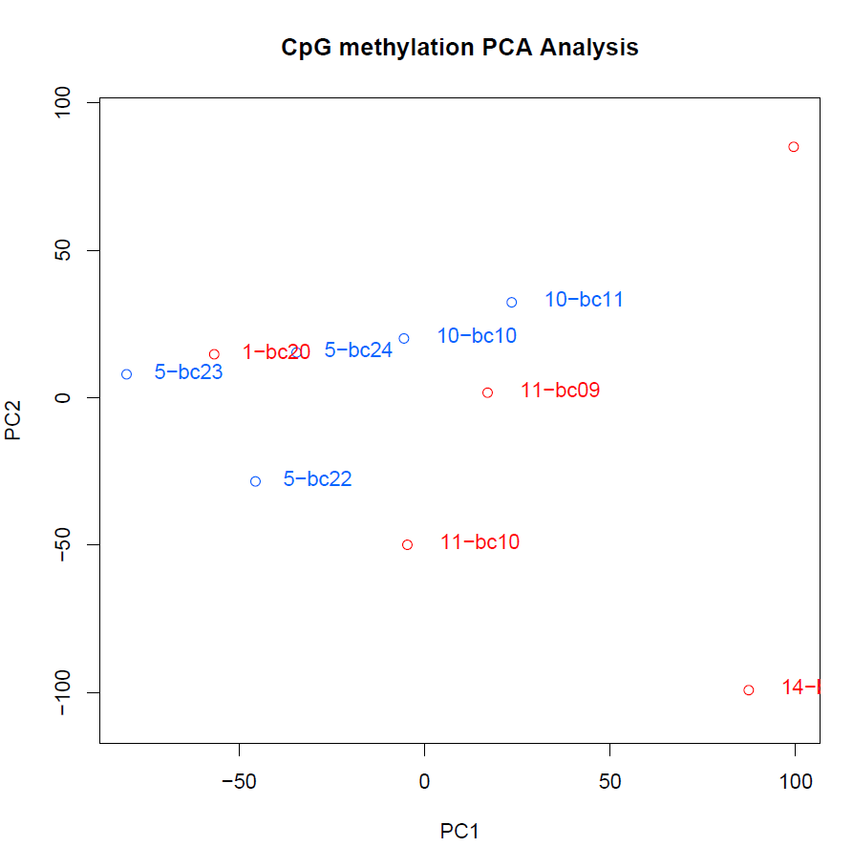
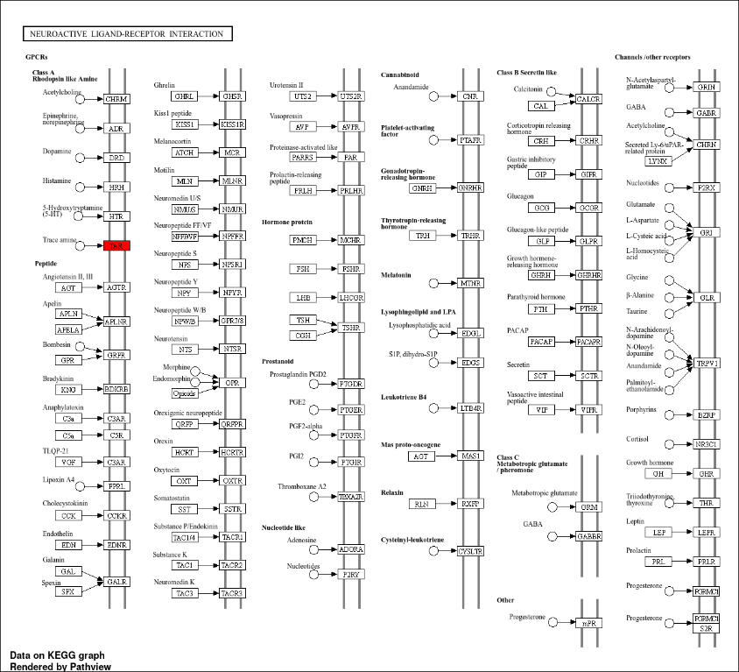

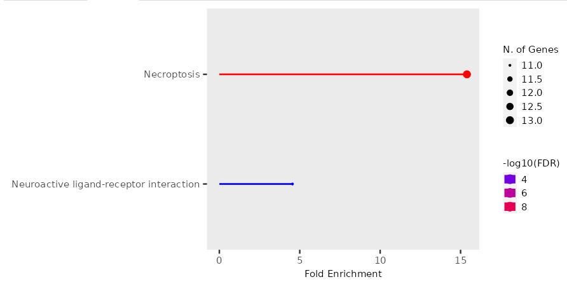
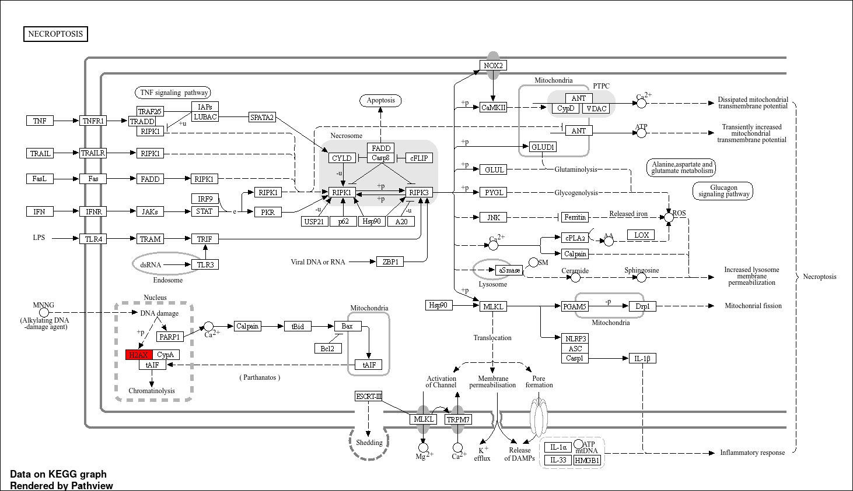
 |  |  |  |  |  |  |  |  |  |  |  |  |  |  |  |  |  |  | all genes
 |  |  |  |  |  |  |  |  |  | hypermethylated without overlapping sites
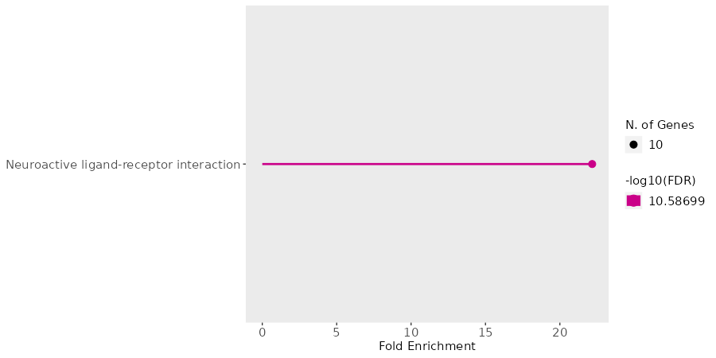

I compared the 5 males with 5 <14yr females
males were: pool5-barcode22, pool5-barcode23, pool5-barcode24, pool10-barcode10 and pool10-barcode11.
females were: pool11-bc11, pool14-bc05, pool11-bc09, pool11-bc10, pool1-bc20

chr | start | end | strand | pvalue | qvalue | meth.diff | genes | geneID | Gene description |  | chr | n-hyper | %-hyper | n-hypo | %-hypo | total-n-hyper | total-%-hyper | total-n-hypo | total-%-hypo
NC_049216.1 | 7926219 | 7928718 | - | 50041.880768 | 16953582.636 | -955964201433724 | LOC118214982,LOC118214979 | 118214982, 118214979 | histone H2A-like |  | NC_049201.1 | 3 | 5 | 0 | 0 | 53 | 791044776119403 | 9 | 134328358208955
NC_049219.1 | 3053772 | 3056271 | - | 3279929370.1 | 353896977860767 | -865129311636549 | LOC118218976 | 118218976 | uncharacterized LOC118218976 |  | NC_049202.1 | 8 | 963855421686747 | 1 | 120481927710843 | 53 | 791044776119403 | 9 | 134328358208955
NC_049208.1 | 18440635 | 18443134 | + | 127512376.57 | 2399980420.9 | -734627155899337 | LOC118233016 | 118233016 | transcription factor AP-2-alpha-like |  | NC_049203.1 | 2 | 48780487804878 | 0 | 0 | 53 | 791044776119403 | 9 | 134328358208955
NC_049214.1 | 22626130 | 22628629 | + | 1.0509792947E-16 | 5.3408856883E-14 | -678811136456176 | LOC118213040 | 118213040 | UDP-glucuronosyltransferase 2A1-like |  | NC_049204.1 | 1 | 263157894736842 | 0 | 0 | 53 | 791044776119403 | 9 | 134328358208955
NC_049219.1 | 4483797 | 4486296 | + | 3.3085874929 | 186.81822309 | -632392621754324 | LOC118218962, LOC118219210 | 118218962, 118219210 | uncharacterized |  | NC_049205.1 | 11 | 189655172413793 | 0 | 0 | 53 | 791044776119403 | 9 | 134328358208955
NC_049202.1 | 58796387 | 58798886 | - | 169125.50993 | 6611269.9336 | -520648016900358 | LOC118219852, LOC118219848 | 118219852, 118219848 | KN motif and ankyrin repeat domain-containing protein 2-like, hemicentin-1-like |  | NC_049206.1 | 1 | 27027027027027 | 1 | 27027027027027 | 53 | 791044776119403 | 9 | 134328358208955
NC_049216.1 | 7929471 | 7931970 | - | 8351119.374 | 192903955.79 | -500239427278054 | LOC118214979 | 118214979 | histone H1-like |  | NC_049207.1 | 1 | 32258064516129 | 0 | 0 | 53 | 791044776119403 | 9 | 134328358208955
NC_049206.1 | 53769887 | 53772386 | - | 695174.984 | 2078089.9254 | -80626411389298 | batf3, nsl1 | 118229342, 118230879 | basic leucine zipper transcription factor ATF-like 3, NSL1 component of MIS12 kinetochore complex |  | NC_049208.1 | 0 | 0 | 1 | 333333333333333 | 53 | 791044776119403 | 9 | 134328358208955
NC_049217.1 | 4416308 | 4418807 | + | 710988186563345 | 446063295498215 | -12887323943662 | trnaa-agc | 118217519 | transfer RNA alanine (anticodon AGC) |  | NC_049211.1 | 1 | 5 | 0 | 0 | 53 | 791044776119403 | 9 | 134328358208955
NC_049203.1 | 40187414 | 40189913 | + | 620702660696421 | 394287258328749 | 13505596819751 | LOC118223547 | 118223547 | uncharacterized |  | NC_049212.1 | 1 | 434782608695652 | 0 | 0 | 53 | 791044776119403 | 9 | 134328358208955
NC_049204.1 | 24167500 | 24169999 | - | 749834577.97 | 100276920833882 | 25832899531494 | rx1 | 118226411 | retinal homeobox gene 1 |  | NC_049213.1 | 2 | 645161290322581 | 0 | 0 | 53 | 791044776119403 | 9 | 134328358208955
NC_049214.1 | 40435373 | 40437872 | + | 4963817240.6 | 4839135643264 | 53788656100427 | trnav-cac, trnav-aac, trnav-cac, trnav-aac | 118213554, 118213524, 118213557, 118213525 | transfer RNA valine (anticodon CAC), transfer RNA valine (anticodon AAC) |  | NC_049214.1 | 9 | 236842105263158 | 1 | 263157894736842 | 53 | 791044776119403 | 9 | 134328358208955
NC_049214.1 | 40435380 | 40437879 | - | 4963817240.6 | 4839135643264 | 53788656100427 | trnav-cac, trnav-aac, trnav-cac, trnav-aac | 118213554, 118213524, 118213557, 118213526 | transfer RNA valine (anticodon CAC), transfer RNA valine (anticodon AAC) |  | NC_049216.1 | 3 | 810810810810811 | 2 | 540540540540541 | 53 | 791044776119403 | 9 | 134328358208955
NC_049216.1 | 7283852 | 7286351 | + | 123989697314468 | 692409997989885 | 57778040910571 | LOC118215873, LOC118215871 | 118215873, 118215871 | U4 spliceosomal RNA |  | NC_049217.1 | 5 | 151515151515152 | 1 | 303030303030303 | 53 | 791044776119403 | 9 | 134328358208955
NC_049202.1 | 31192221 | 31194720 | - | 367849819640315 | 25963137522593 | 77437585486465 | trnag-gcc, trnag-gcc | 118222015, 118222086 | transfer RNA glycine (anticodon GCC) |  | NC_049218.1 | 2 | 111111111111111 | 0 | 0 | 53 | 791044776119403 | 9 | 134328358208955
NC_049201.1 | 26366813 | 26369312 | + | 4.4166606082E-09 | 4.1560326251E-07 | 81313193042496 | LOC118209536 | 118209536 | ADP-ribosylation factor-like protein 13B |  | NC_049219.1 | 3 | 115384615384615 | 2 | 769230769230769 | 53 | 791044776119403 | 9 | 134328358208955
NC_049205.1 | 32978410 | 32980909 | + | 4.9069437076E-09 | 4.1560326251E-07 | 82879334353577 | trnay-gua, trnaq-cug, trnay-gua, trnaq-cug | 118228649, 118228663, 118228650, 118228676 | transfer RNA tyrosine (anticodon GUA), transfer RNA glutamine (anticodon CUG)
NC_049202.1 | 33420158 | 33422657 | + | 317823005786256 | 234075178174594 | 94011833615794 | LOC118221898 | 118221898 | uncharacterized
NC_049205.1 | 32976892 | 32979391 | - | 5.3578531018E-12 | 6.806908827E-10 | 102881097402634 | trnay-gua, trnaq-cug, trnay-gua, trnaq-cug | 118228648, 118228652, 118228649, 118228663 | transfer RNA tyrosine (anticodon GUA), transfer RNA glutamine (anticodon CUG)
NC_049205.1 | 32977194 | 32979693 | + | 5.3578531018E-12 | 6.806908827E-10 | 102881097402634 | trnay-gua, trnaq-cug, trnay-gua, trnaq-cug | 118228648, 118228652, 118228649, 118228664 | transfer RNA tyrosine (anticodon GUA), transfer RNA glutamine (anticodon CUG)
NC_049217.1 | 949628 | 952127 | + | 15510001.669 | 328412535.33 | 106266149870801 | trnaf-gaa | 118217500 | transfer RNA phenylalanine (anticodon GAA)
NC_049207.1 | 29310879 | 29313378 | + | 155547388.28 | 2725736365.1 | 111232534352324 | LOC118231284 | 118231284 | general transcription factor II-I repeat domain-containing protein 2B-like
NC_049212.1 | 23285976 | 23288475 | + | 573416270.92 | 8248942967.5 | 140625403798941 | LOC118210319 | 118210319 | trace amine-associated receptor 13c-like
NC_049217.1 | 2905563 | 2908062 | + | 0.0010837676788 | 0.078678718499 | 145933070070588 | LOC118217447, trnaa-agc | 118217447, 118217496 | small nucleolar RNA U3, transfer RNA alanine (anticodon AGC)
NC_049217.1 | 2906083 | 2908582 | - | 0.0015666795135 | 0.099519755459 | 150068079834218 | LOC118217447, trnaa-agc | 118217447, 118217497 | transfer RNA aspartic acid (anticodon GUC)
NC_049218.1 | 19705467 | 19707966 | + | 114043941.4 | 2229040672.8 | 165861810244867 | LOC118217646 | 118217646 | uncharacterized LOC118217646
NC_049219.1 | 4165503 | 4168002 | + | 800297439182609 | 484162628250085 | 167789344764238 | LOC118218929 | 118218929 | Bardet-Biedl syndrome 10 protein homolog
NC_049205.1 | 52680652 | 52683151 | + | 102812917419679 | 60753087566174 | 217171717171717 | LOC118227027 | 118227027 | transcription factor SOX-6-like
NC_049205.1 | 32979324 | 32981823 | - | 10433434.583 | 230525293.76 | 501962253058693 | trnay-gua, trnaq-cug, trnay-gua, trnaq-cug | 118228650, 118228675, 118228687, 118228651 | transfer RNA tyrosine (anticodon GUA), transfer RNA glutamine (anticodon CUG)
NC_049205.1 | 32979626 | 32982125 | + | 2060917.7172 | 55122153.297 | 502695386437416 | trnay-gua, trnaq-cug, trnay-gua, trnaq-cug | 118228650, 118228675, 118228687, 118228652 | transfer RNA tyrosine (anticodon GUA), transfer RNA glutamine (anticodon CUG)
NC_049205.1 | 32982972 | 32985471 | - | 1712196548.7 | 202350501210025 | 505184849814759 | trnay-gua, trnaq-cug, trnay-gua, trnaq-cug | 118228654, 118228710, 118228655, 118228721 | transfer RNA tyrosine (anticodon GUA), transfer RNA glutamine (anticodon CUG)
NC_049202.1 | 72287353 | 72289852 | + | 6472405.2004 | 1644579.3214 | 515111988681735 | LOC118221651, LOC118219661, LOC118219608, LOC118219617 | 118221651, 118219661, 118219608, 118219617 | histone H2A-like, histone H2A-like, cytochrome P450 2K1-like
NC_049216.1 | 7280269 | 7282768 | + | 110922412904764 | 909173443017052 | 522659508028286 | LOC118215860, LOC118215870 | 118215860, 118215870 | U4 spliceosomal RNA
NC_049214.1 | 40438065 | 40440564 | + | 5990140755.6 | 515945867851062 | 527033311630503 | trnav-cac, trnav-aac, trnav-cac, trnav-aac | 118213558, 118213526, 118213559, 118213527 | transfer RNA valine (anticodon CAC), transfer RNA valine (anticodon AAC)
NC_049214.1 | 40438072 | 40440571 | - | 5990140755.6 | 515945867851062 | 527033311630503 | trnav-cac, trnav-aac, trnav-cac, trnav-aac | 118213558, 118213526, 118213559, 118213528 | transfer RNA valine (anticodon CAC), transfer RNA valine (anticodon AAC)
NC_049214.1 | 40439411 | 40441910 | + | 5990140755.6 | 515945867851062 | 527033311630503 | trnav-cac, trnav-aac, trnav-cac, trnav-aac | 118213559, 118213527, 118213560, 118213528 | transfer RNA valine (anticodon CAC), transfer RNA valine (anticodon AAC)
NC_049214.1 | 40439418 | 40441917 | - | 5990140755.6 | 515945867851062 | 527033311630503 | trnav-cac, trnav-aac, trnav-cac, trnav-aac | 118213559, 118213527, 118213560, 118213529 | transfer RNA valine (anticodon CAC), transfer RNA valine (anticodon AAC)
NC_049216.1 | 7278923 | 7281422 | + | 152025848235138 | 120713706198071 | 533133682206405 | LOC118215857, LOC118215859, LOC118215860 | 118215857, 118215859, 118215860 | U4 spliceosomal RNA
NC_049202.1 | 31185716 | 31188215 | - | 249956.3394 | 9073090.5017 | 547859463256641 | trnag-gcc | 118222012 | transfer RNA glycine (anticodon GCC)
NC_049205.1 | 32983274 | 32985773 | + | 162393878.7 | 2750853884.7 | 554188926549429 | trnay-gua, trnaq-cug, trnay-gua, trnaq-cug | 118228654, 118228710, 118228655, 118228722 | transfer RNA tyrosine (anticodon GUA), transfer RNA glutamine (anticodon CUG)
NC_049202.1 | 76408222 | 76410721 | - | 5723151144.3 | 515945867851062 | 583808287977648 | LOC118221927 | 118221927 | cytidine monophosphate-N-acetylneuraminic acid hydroxylase-like
NC_049202.1 | 72286092 | 72288591 | + | 66053.281413 | 2078089.9254 | 584586800371985 | LOC118221651, LOC118219608, LOC118219617 | 118221651, 118219608, 118219617 | histone H2A-like, cytochrome P450 2K1-like
NC_049218.1 | 5786934 | 5789433 | - | 178634221008777 | 137543429123838 | 585707693370711 | nfkb2 | 118218027 | nuclear factor of kappa light polypeptide gene enhancer in B-cells 2 (p49/p100)
NC_049219.1 | 8432392 | 8434891 | + | 459270328.78 | 6864495021.1 | 591653716653717 | LOC118219340 | 118219340 | uncharacterized
NC_049213.1 | 2989635 | 2992134 | + | 107454506639732 | 627660075356429 | 602983556535005 | LOC118211346 | 118211346 | uncharacterized LOC118211346
NC_049202.1 | 31190836 | 31193335 | + | 272580349834198 | 203706437910851 | 605951607296689 | trnag-gcc, trnag-gcc | 118222015, 118222085 | transfer RNA glycine (anticodon GCC)
NC_049201.1 | 15442344 | 15444843 | - | 729458481189265 | 452070167388912 | 657496366865816 | LOC118226065, vipas39 | 118226065, 118226003 | probable G-protein coupled receptor 132, VPS33B interacting protein apical-basolateral polarity regulator spe-39 homolog
NC_049206.1 | 50443956 | 50446455 | - | 434520560300039 | 297384946224442 | 659597456167121 | LOC118230202, LOC118230519 | 118230202, 118230519 | trace amine-associated receptor 13c-like
NC_049211.1 | 36417918 | 36420417 | + | 769742604165483 | 471288188092558 | 678849573802661 | LOC118208698, LOC118208037 | 118208698, 118208037 | sodium- and chloride-dependent GABA transporter 2-like
NC_049203.1 | 5515156 | 5517655 | - | 425873645.73 | 6558219503.2 | 694336752874947 | LOC118223816 | 118223816 | Ig kappa chain V region K29-213-like
NC_049217.1 | 2907320 | 2909819 | + | 2876314028.9 | 324820109520744 | 718417580021864 | trnaa-agc, trnad-guc | 118217496, 118217497
NC_049213.1 | 1877301 | 1879800 | - | 893082929.36 | 110694757763693 | 719317604674021 | trnar-ucg, trnar-ucg, ssuh2.1 | 118212057, 118212058, 118210547 | transfer RNA arginine (anticodon UCG), transfer RNA arginine (anticodon UCG), ssu-2 homolog tandem duplicate 1
NC_049214.1 | 40436719 | 40439218 | + | 5142122669.2 | 4839135643264 | 723102012789151 | trnav-cac, trnav-aac, trnav-cac, trnav-aac | 118213557, 118213525, 118213558, 118213526 | transfer RNA valine (anticodon CAC), transfer RNA valine (anticodon AAC)
NC_049214.1 | 40436726 | 40439225 | - | 5142122669.2 | 4839135643264 | 723102012789151 | trnav-cac, trnav-aac, trnav-cac, trnav-aac | 118213557, 118213525, 118213558, 118213527 | transfer RNA valine (anticodon CAC), transfer RNA valine (anticodon AAC)
NC_049201.1 | 43067527 | 43070026 | - | 683771513.08 | 9391358128 | 734542359048167 | trnap-agg, trnag-ucc | 118215983, 118216334 | transfer RNA proline (anticodon AGG), transfer RNA glycine (anticodon UCC)
NC_049202.1 | 64523577 | 64526076 | + | 837331973.19 | 106379221139546 | 746378966659165 | LOC118221342 | 118221342 | uncharacterized
NC_049205.1 | 32975978 | 32978477 | + | 240258445.44 | 3938547536.7 | 792597432651339 | trnay-gua, trnaq-cug, trnay-gua, trnaq-cug | 118228647, 118228641, 118228648, 118228653 | transfer RNA tyrosine (anticodon GUA), transfer RNA glutamine (anticodon CUG)
NC_049205.1 | 32975676 | 32978175 | - | 160897466738056 | 879195346105308 | 816040072659218 | trnay-gua, trnaq-cug, trnay-gua, trnaq-cug | 118228647, 118228641, 118228648, 118228652 | transfer RNA tyrosine (anticodon GUA), transfer RNA glutamine (anticodon CUG)
NC_049217.1 | 24562229 | 24564728 | + | 282653255.94 | 4488726422.4 | 824432422434919 | amn, LOC118216779, LOC118216777 | 118217154, 118216779, 118216777 | amnion associated transmembrane protein, tripartite motif-containing protein 16-like protein, Golgi apparatus membrane protein TVP23 homolog B-like
NC_049205.1 | 32978108 | 32980607 | - | 8.6245729144E-13 | 2.1914255723E-10 | 854312999587527 | trnay-gua, trnaq-cug, trnay-gua, trnaq-cug | 118228649, 118228663, 118228650, 118228675 | transfer RNA tyrosine (anticodon GUA), transfer RNA glutamine (anticodon CUG)
NC_049219.1 | 8437858 | 8440357 | + | 94108.420896 | 3985349.0364 | 930930208308267 | LOC118219341 | 118219341 | uncharacterized
NC_049214.1 | 37402191 | 37404690 | + | 787673.94631 | 22237865.454 | 952274068716695 | LOC118212678 | 118212678 | intelectin-like

FinvsFries2
this tab contains: PCA, table containing DMRs and the genes found in them, table containing DMRs per chromosome, Enrichment analysis & KEGG of hypermethylated genes, enrichment analysis & KEGG of hypomethylated genes, enrichment analysis & KEGG of all genes together
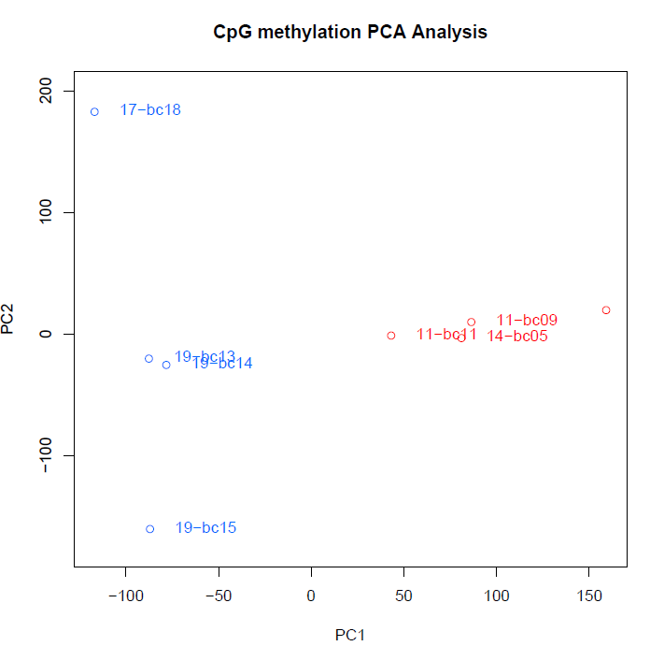
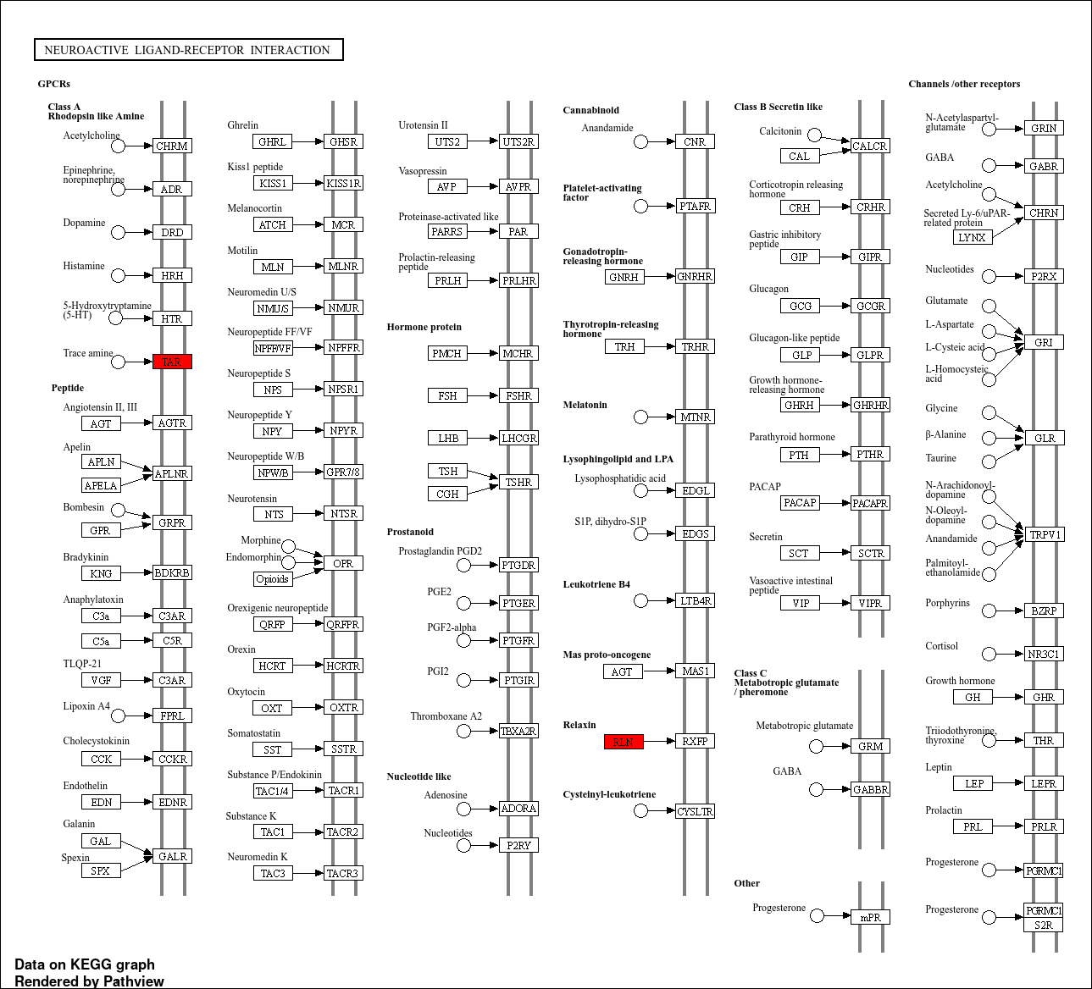
 |  |  |  |  |  |  |  | hypomethylated genes |  | hypermethylated genes |  |  |  |  |  |  |  |  |  | all genes
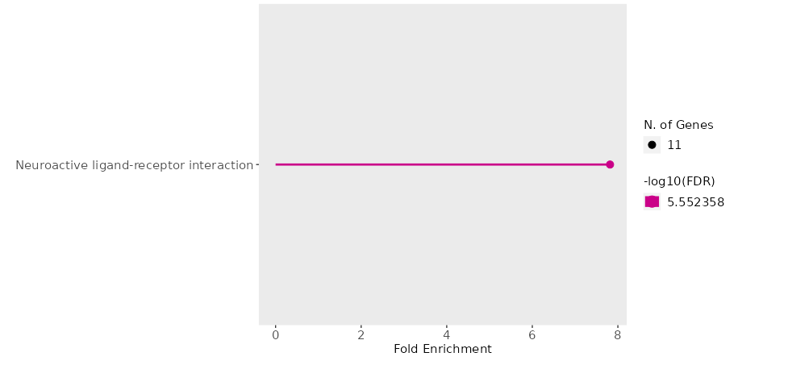
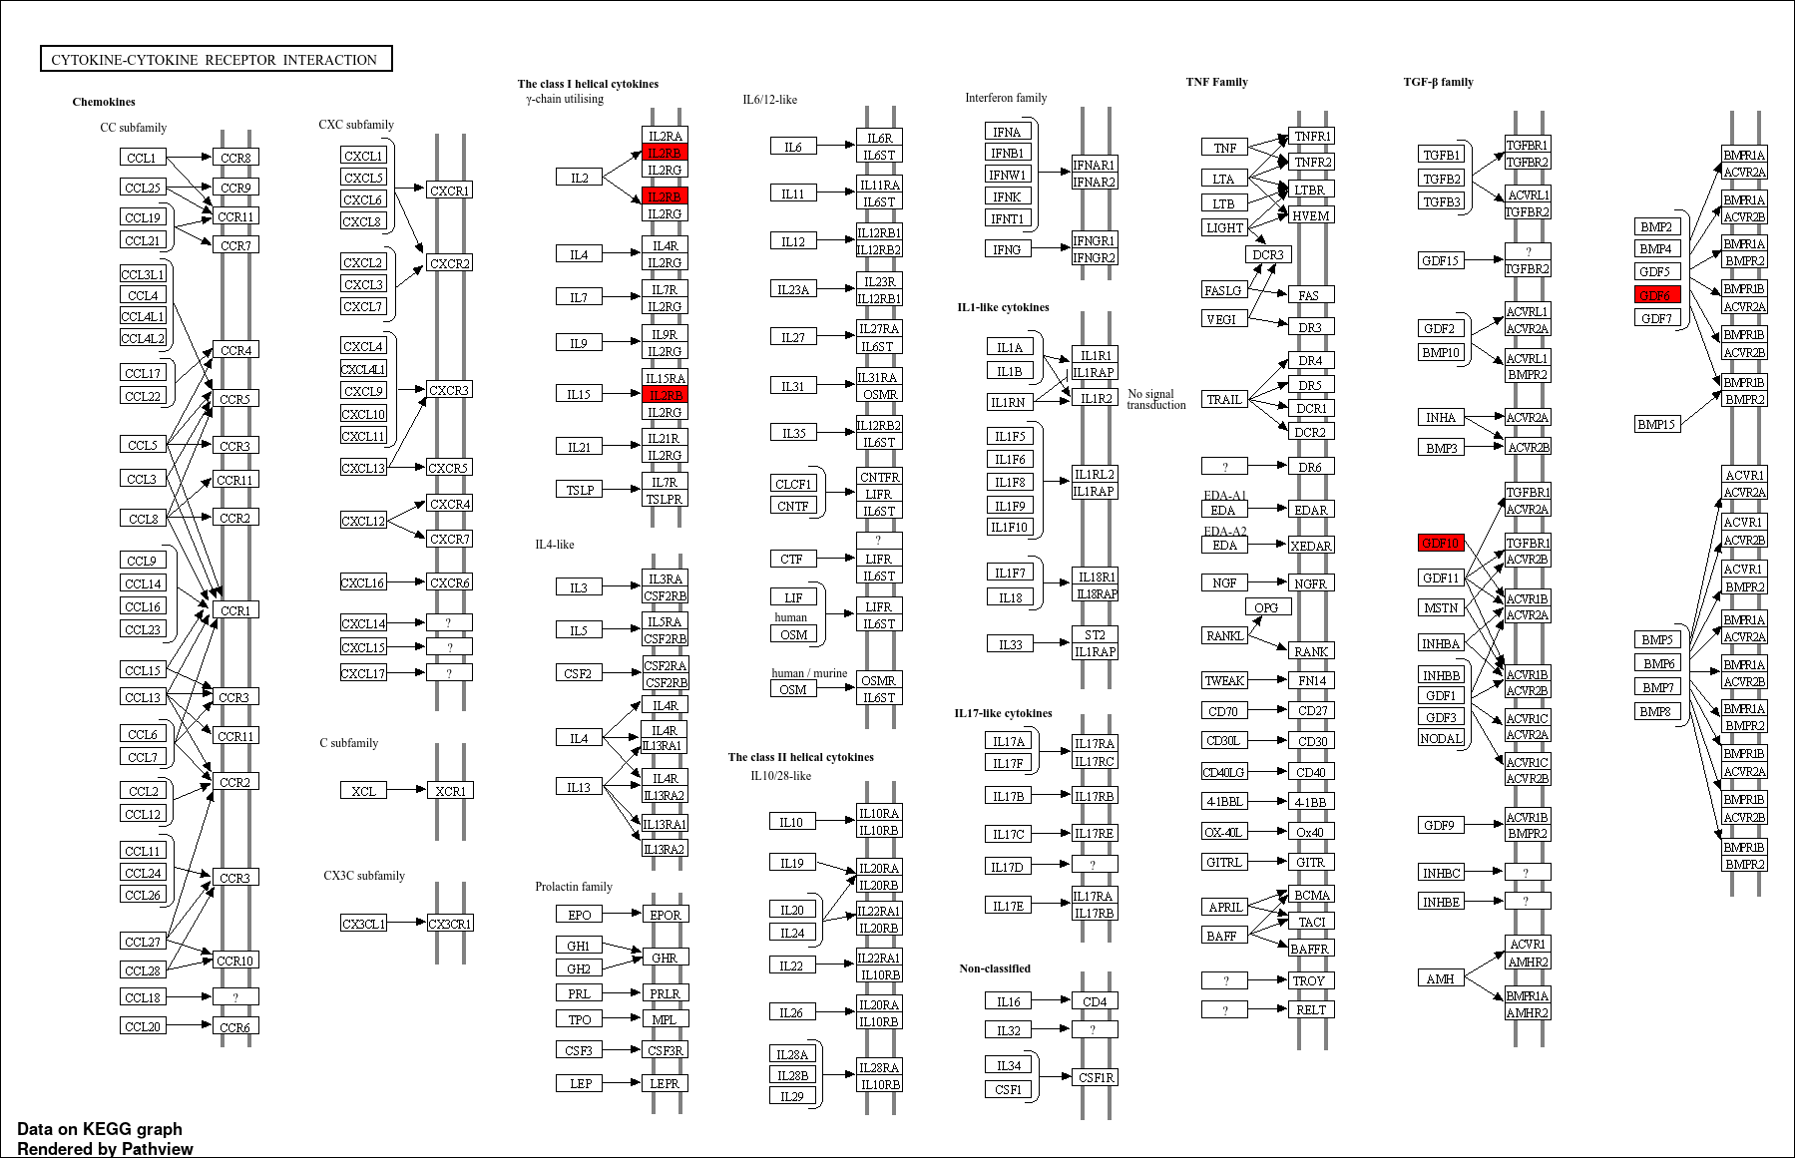
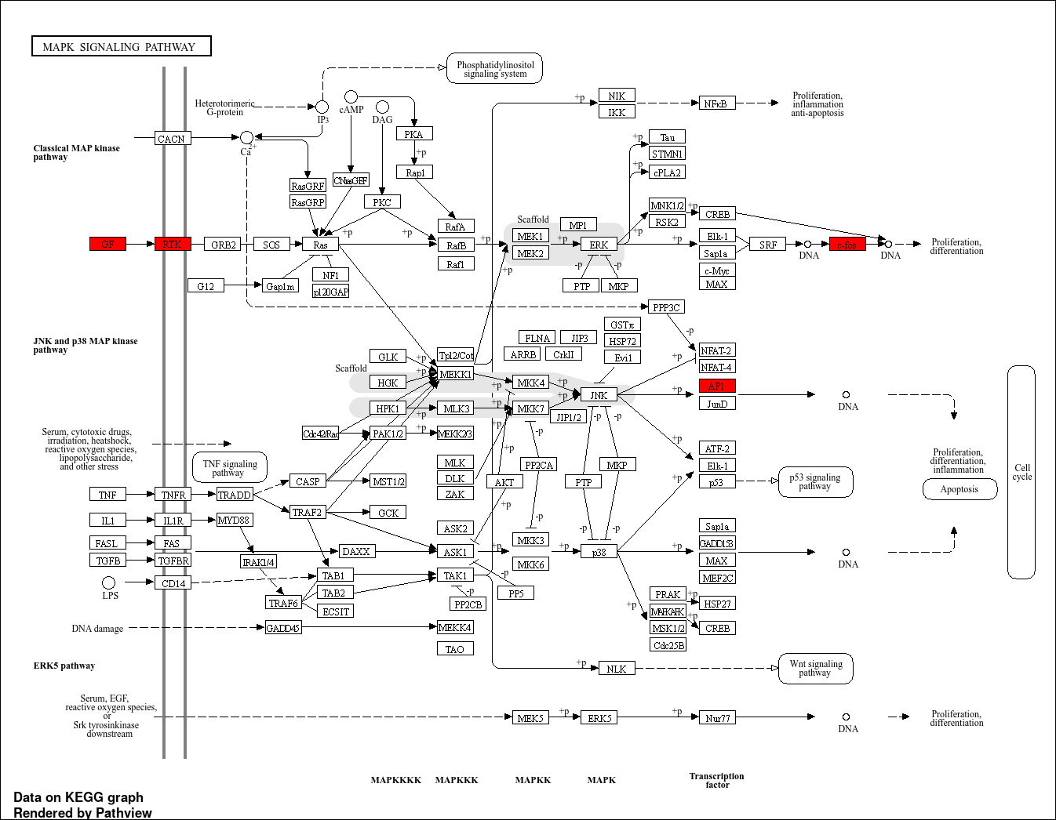
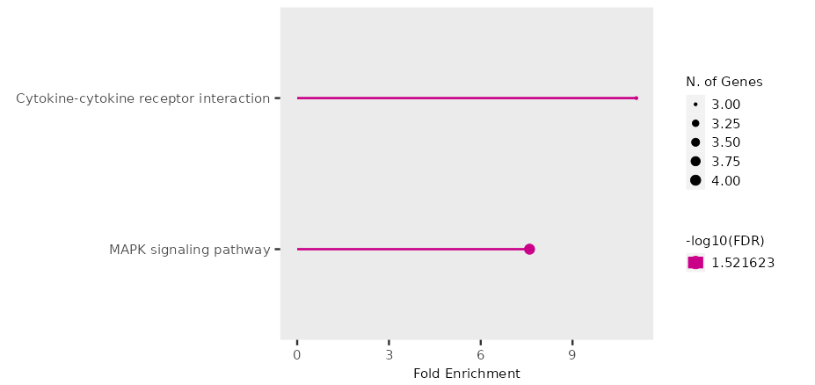

I compared 4 Finnish females with 4 random Frisian females
Finnish: "17-bc18", "19-bc13", "19-bc14", "19-bc15",
Frisian: "11-bc11", "14-bc05", "11-bc10", "11-bc09"

chr | start | end | strand | pvalue | qvalue | meth.diff | genes | GeneID | gene description |  | chr | n-hyper | %-hyper | n-hypo | %-hypo | total-n-hyper | total-%-hyper | total-n-hypo | total-%-hypo
NC_049205.1 | 32980540 | 32983039 | - | 266546283.93 | 5022426384 | -993641434616637 | trnaq-cug, trnay-gua, trnaq-cug, trnay-gua | 118228687, 118228653, 118228698, 118228651 | transfer RNA glutamine (anticodon CUG), transfer RNA tyrosine (anticodon GUA) |  | NC_049201.1 | 5 | 308641975308642 | 9 | 555555555555556 | 35 | 216049382716049 | 122 | 753086419753086
NC_049205.1 | 32980842 | 32983341 | + | 266546283.93 | 5022426384 | -993641434616637 | trnaq-cug, trnay-gua, trnaq-cug, trnay-gua | 118228687, 118228653, 118228698, 118228652 | transfer RNA glutamine (anticodon CUG), transfer RNA tyrosine (anticodon GUA) |  | NC_049202.1 | 7 | 445859872611465 | 11 | 700636942675159 | 35 | 216049382716049 | 122 | 753086419753086
NC_049205.1 | 34231263 | 34233762 | + | 6120166288.3 | 722096425191668 | -986246996970858 | trnam-cau, trnam-cau, fto | 118228577, 118228578, 118227965 | transfer RNA methionine (anticodon CAU), FTO alpha-ketoglutarate dependent dioxygenase |  | NC_049203.1 | 0 | 0 | 4 | 37037037037037 | 35 | 216049382716049 | 122 | 753086419753086
NC_049203.1 | 5636868 | 5639367 | - | 20218.059503 | 1343388.48 | -983341486396423 | LOC118223823, LOC118223812 | 118223823, 118223812 | immunoglobulin superfamily member 3-like |  | NC_049204.1 | 5 | 446428571428571 | 6 | 535714285714286 | 35 | 216049382716049 | 122 | 753086419753086
NC_049209.1 | 32995929 | 32998428 | - | 114925597337392 | 121922977098882 | -975730401053344 | trnas-gcu, trnas-gcu | 118236982, 118236984 | transfer RNA serine (anticodon GCU) |  | NC_049205.1 | 2 | 152671755725191 | 15 | 114503816793893 | 35 | 216049382716049 | 122 | 753086419753086
NC_049201.1 | 33215640 | 33218139 | - | 38880.169703 | 23373.546176 | -969940328386859 | LOC118229526, LOC118229508 | 118229526, 118229508 | protein FAM184A-like |  | NC_049206.1 | 4 | 408163265306122 | 6 | 612244897959184 | 35 | 216049382716049 | 122 | 753086419753086
NC_049217.1 | 4411421 | 4413920 | + | 0.034317256663 | 4.8137751847 | -967982356629316 | trnaa-agc, trnad-guc, trnaa-agc, trnad-guc | 118217515, 118217516, 118217517, 118217518 | transfer RNA aspartic acid (anticodon GUC), transfer RNA alanine (anticodon AGC) |  | NC_049207.1 | 1 | 153846153846154 | 7 | 107692307692308 | 35 | 216049382716049 | 122 | 753086419753086
NC_049205.1 | 32981756 | 32984255 | - | 106484673605853 | 116897443665176 | -933473719209775 | trnay-gua, trnaq-cug, trnay-gua, trnaq-cug | 118228653, 118228698, 118228654, 118228710 | transfer RNA glutamine (anticodon CUG), transfer RNA tyrosine (anticodon GUA) |  | NC_049208.1 | 0 | 0 | 5 | 704225352112676 | 35 | 216049382716049 | 122 | 753086419753086
NC_049202.1 | 67480362 | 67482861 | + | 3424166.2804 | 110842417.57 | -909512135533821 | trnar-ccu, LOC118221127 | 118222117, 118221127 | transfer RNA arginine (anticodon CCU), TLC domain-containing protein 4-B-like |  | NC_049209.1 | 0 | 0 | 9 | 833333333333333 | 35 | 216049382716049 | 122 | 753086419753086
NC_049208.1 | 15537313 | 15539812 | + | 2200278366 | 301929502648099 | -889970023096958 | LOC118234448, LOC118234529 | 118234448, 118234529 | lactose-binding lectin l-2-like |  | NC_049210.1 | 0 | 0 | 3 | 422535211267606 | 35 | 216049382716049 | 122 | 753086419753086
NC_049209.1 | 51534364 | 51536863 | - | 3044444394.6 | 396234295294303 | -859991423670668 | LOC118235460, LOC118235462 | 118235460, 118235462 | olfactory receptor 1-like, olfactory receptor 2A12-like |  | NC_049211.1 | 1 | 166666666666667 | 2 | 333333333333333 | 35 | 216049382716049 | 122 | 753086419753086
NC_049217.1 | 4411621 | 4414120 | + | 510.19374717 | 49545.878091 | -851787414479779 | trnaa-agc, trnad-guc, trnaa-agc | 118217516, 118217517, 118217518 | transfer RNA aspartic acid (anticodon GUC), transfer RNA alanine (anticodon AGC) |  | NC_049212.1 | 3 | 357142857142857 | 12 | 142857142857143 | 35 | 216049382716049 | 122 | 753086419753086
NC_049212.1 | 29193251 | 29195750 | + | 111915543679205 | 798238908614851 | -848904348988851 | clip3 | 118210011 | CAP-GLY domain containing linker protein 3 |  | NC_049213.1 | 1 | 135135135135135 | 6 | 810810810810811 | 35 | 216049382716049 | 122 | 753086419753086
NC_049217.1 | 3167734 | 3170233 | + | 123404122847538 | 860729811142021 | -847205496918609 | LOC118217260, LOC118216074 | 118217260, 118216074 | plexin domain-containing protein 1-like |  | NC_049214.1 | 0 | 0 | 8 | 117647058823529 | 35 | 216049382716049 | 122 | 753086419753086
NC_049207.1 | 52146035 | 52148534 | + | 605702247969439 | 47791972258816 | -830213448728546 | LOC118231393, LOC118232574 | 118231393, 118232574 | mucin-5AC-like |  | NC_049215.1 | 1 | 24390243902439 | 5 | 121951219512195 | 35 | 216049382716049 | 122 | 753086419753086
NC_049201.1 | 33406624 | 33409123 | - | 441250923799269 | 366486338445003 | -829990438792394 | LOC118234617, LOC118234599 | 118234617, 118234599 | dual specificity protein phosphatase 23-like |  | NC_049216.1 | 0 | 0 | 1 | 204081632653061 | 35 | 216049382716049 | 122 | 753086419753086
NC_049219.1 | 241200 | 243699 | - | 0.00069388227972 | 0.10949935476 | -826621331999834 | LOC118218744 | 118218744 | uncharacterized |  | NC_049217.1 | 3 | 46875 | 8 | 125 | 35 | 216049382716049 | 122 | 753086419753086
NC_049202.1 | 31171850 | 31174349 | + | 1542.225395 | 13907.067572 | -821713074677437 | trnag-gcc | 118222006, 118222022 | transfer RNA glycine (anticodon GCC) |  | NC_049218.1 | 1 | 188679245283019 | 0 | 0 | 35 | 216049382716049 | 122 | 753086419753086
NC_049205.1 | 3967269 | 3969768 | - | 976541474.12 | 14503990856843 | -816606054881216 | LOC118227465 | 118227465 | uncharacterized |  | NC_049219.1 | 1 | 263157894736842 | 4 | 105263157894737 | 35 | 216049382716049 | 122 | 753086419753086
NC_049206.1 | 2281870 | 2284369 | + | 568913154300797 | 457469425233073 | -797088059130878 | vcam1a | 118228871 | vascular cell adhesion molecule 1a |  | NW_023312684.1 | 0 | 0 | 1 | 50 | 35 | 216049382716049 | 122 | 753086419753086
NC_049205.1 | 64601897 | 64604396 | - | 539523277830611 | 439434589984381 | -786677834597074 | LOC118227591, LOC118227592 | 118227591, 118227592 | transmembrane protein 132C-like, V-set and immunoglobulin domain-containing protein 1-like
NC_049214.1 | 22626130 | 22628629 | + | 1.0804171516E-14 | 6.81988772E-12 | -781220507868226 | LOC118213040 | 118213040 | UDP-glucuronosyltransferase 2A1-like
NC_049216.1 | 17134990 | 17137489 | - | 2646529.4793 | 87924293.967 | -772220701248381 | si:ch211-39k3.2 | 118215796 | uncharacterized
NC_049207.1 | 5456 | 7955 | + | 383873403.22 | 682567215.18 | -759929131975392 | LOC118231390 | 118231390 | uncharacterized
NC_049204.1 | 44452223 | 44454722 | + | 2536915.4124 | 86560551.185 | -756115250172628 | LOC118226387 | 118226387 | uncharacterized
NC_049206.1 | 32062866 | 32065365 | - | 3.1698941759E-05 | 0.0057169247299 | -701971591977435 | LOC118229851, LOC118229853, LOC118229847 | 118229851, 118229853, 118229847 | uncharacterized
NC_049209.1 | 27731979 | 27734478 | + | 589006499727738 | 467669140178336 | -699066055357447 | LOC118235507 | 118235507 | uncharacterized
NC_049213.1 | 14373581 | 14376080 | + | 834142069597148 | 634377377902279 | -696142195295795 | LOC118211472, LOC118211470 | 118211472, 118211470 | hepatocyte nuclear factor 4-alpha
NC_049219.1 | 4483797 | 4486296 | + | 152001.08357 | 59967018.398 | -681609685387029 | LOC118218962, LOC118219210 | 118218962, 118219210 | uncharacterized
NC_049214.1 | 40450186 | 40452685 | - | 514846612.43 | 8552242711.6 | -660201905221825 | trnav-cac, trnav-aac, trnav-cac, trnav-aac | 118213506, 118213536 | transfer RNA valine (anticodon CAC), transfer RNA valine (anticodon AAC)
NC_049212.1 | 37067608 | 37070107 | + | 5859513965.5 | 69786509810259 | -655814473257095 | LOC118209166, LOC118209866 | 118209166, 118209866 | olfactory receptor 6N1-like, olfactory receptor 10J1-like
NC_049217.1 | 3163133 | 3165632 | - | 253341195569422 | 244146369387409 | -652427768431146 | trnac-gca, LOC118217260 | 118217479, 118217260 | transfer RNA cysteine (anticodon GCA)
NC_049212.1 | 29191051 | 29193550 | - | 3264713457.9 | 416318418639324 | -633673644499084 | LOC118210012 | 118210012 | cytochrome P450 2M1-like
NC_049209.1 | 54979880 | 54982379 | + | 2952638.7096 | 745514431.99 | -613837292943103 | LOC118235436 | 118235436 | protocadherin alpha-C2-like
NC_049204.1 | 4877762 | 4880261 | + | 167192822.9 | 3298020925.5 | -601043563900139 | fetub, si:ch211-284e20.8 | 118225554, 118225556 | fetuin B
NC_049212.1 | 19890418 | 19892917 | - | 3217814141.9 | 414524907127612 | -595555641384017 | ssr3 | 118209898 | signal sequence receptor, gamma
NC_049205.1 | 22816916 | 22819415 | - | 276570079845199 | 262524176268645 | -588429752066115 | LOC118228215 | 118228215 | uncharacterized
NC_049217.1 | 2831793 | 2834292 | + | 627913650.34 | 9786573358.4 | -538913793901402 | trnaf-gaa | 118217495 | transfer RNA phenylalanine (anticodon GAA)
NC_049215.1 | 22512396 | 22514895 | - | 227130178908084 | 22401681779095 | -529134085663234 | LOC118213626, dnah7 | 118213626, 118213624 | dynein, axonemal, heavy chain 7
NC_049219.1 | 3113126 | 3115625 | + | 24619458.558 | 634305048.22 | -515471819257419 | LOC118218941 | 118218941 | Bardet-Biedl syndrome 10 protein homolog
NW_023312684.1 | 3662 | 6161 | + | 923538840763459 | 6898969274708 | -512140350753546 | LOC118219432 | 118219432 | U6 spliceosomal RNA
NC_049217.1 | 3161590 | 3164089 | + | 287200555272421 | 266840946676375 | -502294844624908 | trnac-gca, LOC118217260 | 118217479, 118217260 | transfer RNA cysteine (anticodon GCA)
NC_049208.1 | 2281812 | 2284311 | - | 6851052268.1 | 793499273119232 | -395833333333333 | LOC118233847 | 118233847 | disco-interacting protein 2 homolog C-like
NC_049205.1 | 35429583 | 35432082 | + | 110143.4204 | 5793794.2388 | -338550179797319 | tppp3 | 118227141 | tubulin polymerization-promoting protein family member 3
NC_049209.1 | 13255055 | 13257554 | - | 275890873137182 | 262524176268645 | -320704553007644 | LOC118236078 | 118236078 | cullin-4B-like
NC_049202.1 | 46424745 | 46427244 | + | 709624.04268 | 28898970.911 | -299326599326599 | LOC118220679 | 118220679 | protein tweety homolog 3-like
NC_049212.1 | 38723469 | 38725968 | + | 589571022.42 | 9486401678.5 | -298268398268398 | LOC118209824 | 118209824 | calcium/calmodulin-dependent protein kinase kinase 1-like
NC_049214.1 | 29653340 | 29655839 | + | 2274.5445589 | 179469.31983 | -293817043414207 | LOC118213115 | 118213115 | ring finger protein 40
NC_049208.1 | 48074977 | 48077476 | - | 2860719796.1 | 380160916832834 | -272283272283272 | LOC118234601 | 118234601 | perforin-1-like
NC_049205.1 | 49952697 | 49955196 | + | 247181945986328 | 240043054819031 | -230594717225733 | LOC118226955 | 118226955 | synaptic vesicle glycoprotein 2B-like
NC_049212.1 | 12327843 | 12330342 | - | 2.0122492583E-32 | 2.5403732228E-30 | -211625813040907 | LOC118208925 | 118208925 | protein CEPU-1-like
NC_049215.1 | 20295389 | 20297888 | + | 128042531064006 | 882829574660466 | -207218852540519 | LOC118214377 | 118214377 | zinc finger protein Helios-like
NC_049207.1 | 41036178 | 41038677 | + | 207906977.73 | 4038047831.8 | -200196518809657 | LOC118231400 | 118231400 | uncharacterized
NC_049212.1 | 7888087 | 7890586 | + | 38374074.871 | 949912259.78 | -184983291562239 | LOC118210060 | 118210060 | uncharacterized
NC_049201.1 | 27400078 | 27402577 | - | 281051173353251 | 264786814406825 | -182352941176471 | cln8 | 118233871 | CLN8 transmembrane ER and ERGIC protein
NC_049206.1 | 50443956 | 50446455 | - | 11622089.612 | 326052441.29 | -176291010508992 | LOC118230202, LOC118230519 | 118230202, 118230519 | trace amine-associated receptor 13c-like
NC_049206.1 | 25805530 | 25808029 | + | 820876125639879 | 628071997617687 | -167652859960552 | LOC118228977, LOC118229261 | 118228977, 118229261 | E3 ubiquitin-protein ligase UHRF1, lysine-specific demethylase 4B-like
NC_049209.1 | 24655687 | 24658186 | + | 43858865.35 | 1025367109.6 | -167581211589113 | ripply3, hlcs | 118236504, 118235918 | ripply transcriptional repressor 3, holocarboxylase synthetase (biotin-(proprionyl-CoA-carboxylase (ATP-hydrolysing))
NC_049203.1 | 32265504 | 32268003 | + | 28181467.539 | 523203261.65 | -162597766625978 | LOC118223566, LOC118223567 | 118223566, 118223567 | cytochrome b reductase 1
NC_049212.1 | 27789084 | 27791583 | - | 19131.989356 | 134184.81626 | -161506762468301 | LOC118209888 | 118209888 | zinc finger and BTB domain-containing protein 20-like
NC_049213.1 | 8431854 | 8434353 | - | 7.8080058684E-07 | 0.0016428754166 | -161078867864525 | LOC118211371 | 118211371 | uncharacterized
NC_049202.1 | 12838361 | 12840860 | - | 567199297574577 | 457469425233073 | -160865903348433 | exoc6 | 118220110 | exocyst complex component 6
NC_049207.1 | 9383586 | 9386085 | - | 52451910.54 | 1182467015.7 | -157848036239667 | ckap4 | 118231440 | cytoskeleton associated protein 4
NC_049219.1 | 3325558 | 3328057 | + | 7489540713.8 | 859564065230672 | -156808968520094 | LOC118218975 | 118218975 | uncharacterized
NC_049209.1 | 42773864 | 42776363 | + | 3547304475.7 | 44339709499411 | -156762505125051 | LOC118235708 | 118235708 | uncharacterized
NC_049205.1 | 16409725 | 16412224 | - | 381729.41124 | 120479007.59 | -156174820769715 | fgg | 118227848 | fibrinogen gamma chain
NC_049212.1 | 29473581 | 29476080 | - | 432989258931152 | 362006131172601 | -154771241830065 | supt5h | 118210006 | SPT5 homolog, DSIF elongation factor subunit
NC_049217.1 | 4409667 | 4412166 | + | 339332837.98 | 6208583822.1 | -152957619999421 | trnaa-agc, trnad-guc, trnaa-agc | 118217514, 118217515, 118217516 | transfer RNA aspartic acid (anticodon GUC), transfer RNA alanine (anticodon AGC)
NC_049205.1 | 19934895 | 19937394 | - | 287458814882881 | 266840946676375 | -149075730471079 | zgc:56622 | 118227778 | uncharacterized
NC_049201.1 | 4189204 | 4191703 | + | 797886420600242 | 614204474660509 | -148726553088969 | LOC118224019 | 118224019 | free fatty acid receptor 3-like
NC_049207.1 | 31331547 | 31334046 | - | 139281588998925 | 950468514215269 | -147717809414284 | LOC118232390, LOC118232391 | 118232390, 118232391 | syncytin-1-like, V-type proton ATPase 116 kDa subunit a3-like
NC_049212.1 | 19108061 | 19110560 | - | 143767047538091 | 975803025005606 | -142079965042604 | LOC118209459 | 118209459 | extracellular calcium-sensing receptor-like
NC_049215.1 | 26105828 | 26108327 | - | 2544751841.5 | 341769524396038 | -139836051687952 | LOC118214003, LOC118214002 | 118214003, 118214002 | 3 beta-hydroxysteroid dehydrogenase/Delta 5-->4-isomerase-like
NC_049210.1 | 24888129 | 24890628 | + | 6376775.1606 | 187218343.88 | -135306850523109 | LOC118206914 | 118206914 | uncharacterized
NC_049204.1 | 45100898 | 45103397 | + | 9946750.3341 | 285393640.27 | -134772801502409 | LOC118225151 | 118225151 | uncharacterized
NC_049205.1 | 9103704 | 9106203 | - | 824427696.46 | 125397890698482 | -133437847749557 | LOC118227510 | 118227510 | mucin-2-like
NC_049202.1 | 150889 | 153388 | - | 137318429430329 | 143271301990907 | -133390533390533 | LOC118220072, pgap4, tpcn3 | 118220072, 118220073, 118220070 | two pore segment channel 3, post-GPI attachment to proteins GalNAc transferase 4
NC_049214.1 | 40436719 | 40439218 | + | 120909968.79 | 2502349830.9 | -132889004356689 | trnav-cac, trnav-aac, trnav-cac, trnav-aac | 118213557, 118213525, 118213558, 118213526 | transfer RNA valine (anticodon CAC), transfer RNA valine (anticodon AAC)
NC_049214.1 | 40436726 | 40439225 | - | 120909968.79 | 2502349830.9 | -132889004356689 | trnav-cac, trnav-aac, trnav-cac, trnav-aac | 118213557, 118213525, 118213558, 118213526 | transfer RNA valine (anticodon CAC), transfer RNA valine (anticodon AAC)
NC_049211.1 | 21665 | 24164 | + | 2894221972.6 | 380606633839816 | -129063765422469 | LOC118207529 | 118207529 | uncharacterized
NC_049202.1 | 2777497 | 2779996 | - | 171711014511313 | 174820444172918 | -122148483924233 | LOC118219898, zp3c | 118219898, 118217448 | zona pellucida glycoprotein 3c
NC_049202.1 | 2777540 | 2780039 | + | 171711014511313 | 174820444172918 | -122148483924233 | LOC118219898, zp3c | 118219898, 118217449 | small nucleolar RNA U3
NC_049207.1 | 27991063 | 27993562 | + | 101484557718603 | 744881634798226 | -122117326569912 | LOC118232505 | 118232505 | short transient receptor potential channel 3-like
NC_049203.1 | 5638450 | 5640949 | - | 280619.61179 | 13121092.757 | -121107960741548 | LOC118223812 | 118223812 | immunoglobulin superfamily member 3-like
NC_049201.1 | 36030151 | 36032650 | + | 110454591288851 | 792294891130308 | -120022100386757 | LOC118226576 | 118226576 | uncharacterized
NC_049202.1 | 74335712 | 74338211 | + | 2429622.3222 | 86560551.185 | -116246799010703 | LOC118219961, LOC118219963 | 118219961, 118219963 | zinc finger protein 708-like
NC_049213.1 | 4793297 | 4795796 | - | 25218384.109 | 341769524396038 | -113755011864823 | LOC118210848 | 118210848 | SE-cephalotoxin-like
NC_049212.1 | 19490199 | 19492698 | + | 505.11318301 | 49545.878091 | -113535727675859 | LOC118209449 | 118209449 | extracellular calcium-sensing receptor-like
NC_049201.1 | 74779278 | 74781777 | - | 593625913.35 | 9486401678.5 | -113195747342089 | LOC118221340, LOC118221098 | 118221340, 118221098 | interferon-inducible GTPase 5-like
NC_049201.1 | 74779345 | 74781844 | - | 593625913.35 | 9486401678.5 | -113195747342089 | LOC118221052, LOC118221340, LOC118221098 | 118221052, 118221340, 118221098 | interferon-inducible GTPase 5-like
NC_049208.1 | 56122383 | 56124882 | - | 350441.00804 | 15800565.84 | -110921012963521 | LOC118232906 | 118232906 | uncharacterized
NC_049202.1 | 74334826 | 74337325 | + | 523634.15157 | 157396265.43 | -110691377497371 | LOC118219963 | 118219963 | zinc finger protein 708-like
NC_049212.1 | 23290305 | 23292804 | + | 137663773.18 | 2758638987.2 | -109387527839644 | LOC118210247 | 118210247 | trace amine-associated receptor 13c-like
NC_049202.1 | 29628156 | 29630655 | + | 57341828.421 | 127002547.25 | -108479625744303 | LOC118221116, rnf40 | 118221116, 118221115 | Golgi-associated plant pathogenesis-related protein 1-like
NC_049204.1 | 22420251 | 22422750 | + | 230747.77571 | 11652343.132 | -107938855878933 | si:ch211-1a19.3, LOC118226257 | 118224604, 118226257 | cathepsin L1-like
NC_049213.1 | 41718558 | 41721057 | - | 424503310.15 | 7341316896.8 | -106907586684685 | LOC118210805 | 118210805 | uncharacterized
NC_049207.1 | 28674739 | 28677238 | - | 126906135398177 | 880292458678563 | -105305878332194 | LOC118231951 | 118231951 | fructose-bisphosphate aldolase B
NC_049214.1 | 40435373 | 40437872 | + | 2298636.401 | 85350705.082 | -105175386491587 | trnav-cac, trnav-aac, trnav-cac, trnav-aac | 118213554, 118213524, 118213557, 118213525 | transfer RNA valine (anticodon CAC), transfer RNA valine (anticodon AAC)
NC_049214.1 | 40435380 | 40437879 | - | 2298636.401 | 85350705.082 | -105175386491587 | trnav-cac, trnav-aac, trnav-cac, trnav-aac | 118213554, 118213524, 118213557, 118213525 | transfer RNA valine (anticodon CAC), transfer RNA valine (anticodon AAC)
NC_049215.1 | 26100598 | 26103097 | - | 3517044471.2 | 44339709499411 | -103742606278103 | LOC118214003, pla1a | 118214003, 118214478 | phospholipase A1 member A
NC_049203.1 | 5287966 | 5290465 | + | 100215887501022 | 111962834249935 | -103322024314391 | LOC118223827, LOC118222479 | 118223827, 118222479 | immunoglobulin superfamily member 3-like
NC_049202.1 | 31173235 | 31175734 | - | 25034.507539 | 1580246.3918 | -102562887579946 | trnag-gcc | 118222006, 118222023, 118222007 | transfer RNA glycine (anticodon GCC)
NC_049210.1 | 39977523 | 39980022 | + | 107935637245105 | 783125493428825 | -101370851370851 | LOC118206191, LOC118206190 | 118206191, 118206190 | soluble lamin-associated protein of 75 kDa-like, golgin subfamily A member 6-like protein 6
NC_049201.1 | 72181444 | 72183943 | + | 236730176582224 | 231675261606578 | -101107169311138 | mlf2, LOC118234314 | 118232929, 118234314 | myeloid leukemia factor 2, gamma-enolase-like
NC_049205.1 | 32979626 | 32982125 | + | 378987134955933 | 327708240543776 | -100411816132149 | trnay-gua, trnaq-cug, trnaq-cug, trnay-gua | 118228650, 118228675, 118228687, 118228651 | transfer RNA glutamine (anticodon CUG), transfer RNA tyrosine (anticodon GUA)
NC_049215.1 | 11926752 | 11929251 | + | 5662979002.6 | 680881293584684 | -96969696969697 | LOC118214452 | 118214452 | FERM, ARHGEF and pleckstrin domain-containing protein 1-like
NC_049211.1 | 25625139 | 25627638 | - | 217885284345837 | 216590761897683 | -90370574459292 | l1cama | 118207773 | L1 cell adhesion molecule, paralog a
NC_049205.1 | 34232552 | 34235051 | + | 310165225095342 | 278012336958538 | -82593037214886 | trnam-cau, trnam-cau, fto | 118228579, 118228578, 118227966 | transfer RNA methionine (anticodon CAU), FTO alpha-ketoglutarate dependent dioxygenase
NC_049201.1 | 33214147 | 33216646 | + | 1297.4119356 | 96348.446787 | -78367732092565 | LOC118229526, LOC118229507 | 118229526, 118229507 | protein FAM184A-like
NC_049206.1 | 32078270 | 32080769 | - | 1.4367680803 | 164.89585397 | -75776364245062 | LOC118229852, LOC118229854, LOC118229847 | 118229852, 118229854, 118229847 | uncharacterized
NC_049214.1 | 32767360 | 32769859 | - | 1415435214 | 207781699965538 | -71650548594137 | LOC118212813 | 118212813 | uncharacterized
NC_049210.1 | 48279527 | 48282026 | + | 346979709022588 | 30632595163361 | -64165674512318 | LOC118237259 | 118237259 | uncharacterized
NC_049204.1 | 53400474 | 53402973 | - | 109925318489905 | 792294891130308 | -56457516421101 | hnf4g | 118225165 | hepatocyte nuclear factor 4, gamma
NC_049213.1 | 33904240 | 33906739 | - | 617930178.27 | 9751359529.1 | -54009428838341 | LOC118211161, strip1 | 118211161, 118211162 | striatin interacting protein 1
NC_049208.1 | 24082929 | 24085428 | - | 401008534.58 | 7031320100.7 | -31989247311828 | LOC118233090 | 118233090 | CMP-N-acetylneuraminate-beta-galactosamide-alpha-2,3-sialyltransferase 2-like
NC_049206.1 | 16013603 | 16016102 | + | 106165696751083 | 774736222166206 | -22411003236246 | LOC118230252, LOC118230250 | 118230252, 118230250 | relaxin-3-like, mesoderm induction early response protein 1-like
NC_049213.1 | 17345618 | 17348117 | - | 408402099522299 | 346032944238326 | -21948051948052 | prxl2b, miip | 118211691, 118211690 | migration and invasion inhibitory protein, peroxiredoxin like 2B
NC_049217.1 | 4409467 | 4411966 | + | 453422071.88 | 7735469670.9 | -17023905452592 | trnaa-agc, trnad-guc, trnaa-agc, trnad-guc | 118217514, 118217515, 118217516, 118217513 | transfer RNA aspartic acid (anticodon GUC), transfer RNA alanine (anticodon AGC)
NC_049205.1 | 4138 | 6637 | + | 321544789127065 | 285870197606117 | -13505629244724 | LOC118227310 | 118227310 | uncharacterized
NC_049209.1 | 32996498 | 32998997 | + | 52226.988267 | 2866704.2928 | -10692714276847 | trnas-gcu, trnah-gug | 118236984, 118237050 | transfer RNA serine (anticodon GCU), transfer RNA histidin (anticodon GUG)
NC_049209.1 | 32997734 | 33000233 | - | 52226.988267 | 2866704.2928 | -10692714276847 | trnas-gcu, trnah-gug | 118236984, 118237050 | transfer RNA serine (anticodon GCU), transfer RNA histidin (anticodon GUG)
NC_049204.1 | 23433139 | 23435638 | - | 128670487442412 | 882829574660466 | -11 | LOC118225223 | 118225223 | nuclear receptor subfamily 2 group F member 6-like
NC_049205.1 | 41791261 | 41793760 | - | 367519125413758 | 319983579600054 | 13986013986014 | LOC118227210 | 118227210 | homeobox protein DBX1-B-like
NC_049217.1 | 29922329 | 29924828 | + | 113895742.03 | 2437088088.8 | 28495867768595 | cdc27, kansl1b | 118216500, 118216499 | cell division cycle 27, KAT8 regulatory NSL complex subunit 1b
NC_049213.1 | 40249635 | 40252134 | - | 13988930247733 | 144757283420468 | 103099553454163 | LOC118211743, LOC118211742 | 118211743, 118211742 | adenosine receptor A1-like
NC_049211.1 | 16785066 | 16787565 | + | 183437794057433 | 183795140409493 | 103448275862069 | LOC118207760, wnt5a | 118207760, 118207759 | wingless-type MMTV integration site family, member 5a
NC_049215.1 | 27182801 | 27185300 | - | 6514762296.4 | 761536229036396 | 112207792207792 | adamts1 | 118213636 | ADAM metallopeptidase with thrombospondin type 1 motif, 1
NC_049218.1 | 3236730 | 3239229 | + | 0.045353737221 | 5.7257031708 | 116370140422891 | LOC118217864, gdf10a | 118217864, 118217860 | growth differentiation factor 10a
NC_049206.1 | 88610 | 91109 | - | 42336626.929 | 1025367109.6 | 120925632805089 | LOC118230779, LOC118230781 | 118230779, 118230781 | plasmalemma vesicle-associated protein-like
NC_049204.1 | 67904399 | 67906898 | - | 387292409749788 | 332611607556915 | 132059904103618 | kdr | 118225803 | kinase insert domain receptor (a type III receptor tyrosine kinase)
NC_049217.1 | 14927018 | 14929517 | + | 584857960728255 | 467314298080166 | 144278981147212 | LOC118217281 | 118217281 | transmembrane protein 98-like
NC_049206.1 | 87173 | 89672 | + | 2497438.2238 | 86560551.185 | 154072883172562 | LOC118230779, LOC118230780 | 118230779, 118230780 | plasmalemma vesicle-associated protein-like
NC_049202.1 | 72287353 | 72289852 | + | 3.6908713012E-07 | 1.1648893127E-05 | 154698761003372 | LOC118221651, LOC118219608, LOC118219618, LOC118219661 | 118221651, 118219608, 118219618, 118219661 | histone H4, histone H2A-like, cytochrome P450 2K1-like
NC_049202.1 | 72286092 | 72288591 | + | 2.3863490166E-11 | 1.0042190544E-08 | 162208879484251 | LOC118221651, LOC118219608, LOC118219617 | 118221651, 118219608, 118219617 | histone H2A-like, cytochrome P450 2K1-like
NC_049206.1 | 17074513 | 17077012 | + | 874434182734681 | 661037969277982 | 166666666666667 | LOC118229207 | 118229207 | LIM/homeobox protein Lhx9-like
NC_049212.1 | 14614017 | 14616516 | + | 2072200997.2 | 287479073405958 | 177021992548972 | btg4, laynb | 118209283, 118208800 | layilin b, B-cell translocation gene 4
NC_049212.1 | 14615354 | 14617853 | - | 2072200997.2 | 287479073405958 | 177021992548972 | btg4, laynb | 118209283, 118208800 | layilin b, B-cell translocation gene 5
NC_049201.1 | 50397613 | 50400112 | - | 291387973035817 | 268513920474346 | 177777777777778 | gdf6a | 118224516 | growth differentiation factor 6a
NC_049201.1 | 62542346 | 62544845 | + | 119040478647247 | 125235994467752 | 187916666666667 | sp8b, LOC118213579 | 118213565, 118213579 | sp8 transcription factor b
NC_049202.1 | 17042954 | 17045453 | + | 6.2067328352E-06 | 0.001567143616 | 191884422730525 | gdf10b | 118219802 | growth differentiation factor 10b
NC_049204.1 | 59084114 | 59086613 | - | 694606688881028 | 544664206013035 | 214624505928854 | mettl13, dnm3a | 118225912, 118225911 | dynamin 3a, methyltransferase like 13
NC_049202.1 | 72431049 | 72433548 | - | 86359881.479 | 129792172521376 | 257464788732394 | LOC118219674, LOC118219585 | 118219674, 118219585 | scavenger receptor cysteine-rich type 1 protein M130-like
NC_049202.1 | 65120555 | 65123054 | + | 43708296.629 | 1025367109.6 | 263803680981595 | LOC118216867 | 118216867 | interleukin-2 receptor subunit beta-like
NC_049205.1 | 15975344 | 15977843 | - | 17646246187659 | 17822066967856 | 317806603773585 | LOC118226889, LOC118226887 | 118226889, 118226887 | protein mab-21-like 2, lipopolysaccharide-responsive and beige-like anchor protein
NC_049204.1 | 6232673 | 6235172 | - | 8344172322.7 | 949021466383191 | 377073906485671 | si:dkey-110c1.10 | 118225821 | unconventional myosin-Vb
NC_049206.1 | 15668416 | 15670915 | + | 109911637397099 | 118596962590017 | 377272727272727 | LOC118230355, LOC118230352 | 118230355, 118230352 | toll-like receptor 12, inactive tyrosine-protein kinase transmembrane receptor ROR1-like
NC_049217.1 | 6760948 | 6763447 | + | 970887731273439 | 721000958513062 | 512100982230442 | LOC118216318 | 118216318 | histone H1-like
NC_049212.1 | 35218281 | 35220780 | - | 16017871.048 | 439605089.41 | 538116591928251 | LOC118209786, LOC118209787 | 118209786, 118209787 | arfaptin-2-like
NC_049202.1 | 33363272 | 33365771 | + | 1613183653 | 231428526752913 | 546082789276289 | LOC118221889 | 118221889 | C-type lectin domain family 12 member B-like
NC_049204.1 | 19293018 | 19295517 | - | 788440063420523 | 610656283364239 | 562263601978469 | impa2, mppe2 | 118224642, 118226260 | uncharacterized
NC_049204.1 | 19292698 | 19295197 | + | 103324383817763 | 114423103514935 | 645571313888146 | impa2, mppe1 | 118224642, 118226259 | inositol monophosphatase 2, metallophosphoesterase 1
NC_049202.1 | 34745578 | 34748077 | + | 402575458654606 | 343400822747944 | 744659834547475 | LOC118221177 | 118221177 | E3 ubiquitin-protein ligase MARCHF7-like
NC_049201.1 | 19389639 | 19392138 | + | 9923105877 | 111852411780879 | 747219170557539 | LOC118217618, LOC118230408 | 118217618, 118230408 | proto-oncogene c-Fos-like, transmembrane emp24 domain-containing protein 10-like
NC_049207.1 | 12708126 | 12710625 | - | 82757397.684 | 1801335394.4 | 755017072364798 | LOC118231124, LOC118231748 | 118231124, 118231748 | fibroblast growth factor 6-like, solute carrier family 45 member 3
NC_049219.1 | 16416208 | 16418707 | - | 107752940696743 | 117269991179912 | 843403863845445 | socs2 | 118219183 | suppressor of cytokine signaling 2
NC_049201.1 | 63224704 | 63227203 | + | 2060214156.9 | 287479073405958 | 864796817042086 | LOC118218122, LOC118217804 | 118218122, 118217804 | homeobox protein Hox-A3a-like
NC_049201.1 | 68328243 | 68330742 | + | 261199.95293 | 12682810.302 | 924429140993113 | LOC118215379 | 118215379 | membrane-spanning 4-domains subfamily A member 4A-like

shortvslong2
this tab contains: PCA, table containing DMRs and the genes found in them, table containing DMRs per chromosome,
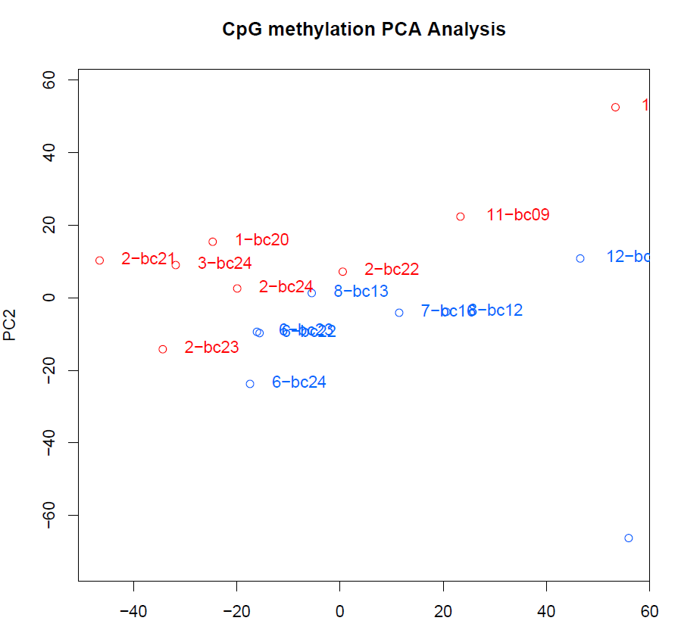

I compared 8 shortest females (47-54,5) with 8 longest females (70-78) of the frisian eels
short: "6-bc22", "8-bc12", "6-bc23", "6-bc24",
"7-bc16", "8-bc13", "12-bc19", "10-bc09"
long: "1-bc20", "2-bc21", "2-bc22", "2-bc23",
"2-bc24", "15-bc10", "11-bc09", "3-bc24"

chr | start | end | strand | pvalue | qvalue | meth.diff | genes | gene ID | chr | n-hyper | %-hyper | n-hypo | %-hypo | total-n-hyper | total-%-hyper | total-n-hypo | total-%-hypo
NC_049201.1 | 74296044 | 74298543 | - | 52899456194034 | 64937821418867 | -559913170722253 | LOC118229756, LOC118229642 | 118229756, 118229642 | NC_049201.1 | 0 | 0 | 1 | 476190476190476 | 4 | 158102766798419 | 6 | 237154150197628
NC_049204.1 | 28814004 | 28816503 | + | 536578718813595 | 64937821418867 | -115372827941134 | LOC118226385, lhx9 | 118226385, 118226383 | NC_049204.1 | 0 | 0 | 1 | 166666666666667 | 4 | 158102766798419 | 6 | 237154150197628
NC_049208.1 | 13451496 | 13453995 | - | 472974427014102 | 648723443058804 | 692488262910798 | LOC118234146 | 118234146 | NC_049208.1 | 1 | 833333333333333 | 0 | 0 | 4 | 158102766798419 | 6 | 237154150197628
NC_049213.1 | 38706497 | 38708996 | - | 20792498.917 | 611113445.79 | -759172300525423 | LOC118210964, LOC118211709 | 118210964, 118211709 | NC_049213.1 | 0 | 0 | 1 | 666666666666667 | 4 | 158102766798419 | 6 | 237154150197628
NC_049215.1 | 11926752 | 11929251 | + | 44654.374043 | 1837414.7283 | -609545524506313 | LOC118214452 | 118214452 | NC_049215.1 | 0 | 0 | 1 | 111111111111111 | 4 | 158102766798419 | 6 | 237154150197628
NC_049216.1 | 7281392 | 7283891 | + | 200737110257281 | 317685583661251 | -901496925955627 | LOC118215870, LOC118215861 | 118215870, 118215861 | NC_049216.1 | 2 | 166666666666667 | 2 | 166666666666667 | 4 | 158102766798419 | 6 | 237154150197628
NC_049216.1 | 7282505 | 7285004 | + | 200737110257281 | 317685583661251 | -901496925955627 | LOC118215873 | 118215873 | NC_049217.1 | 1 | 588235294117647 | 0 | 0 | 4 | 158102766798419 | 6 | 237154150197628
NC_049216.1 | 9772607 | 9775106 | + | 1490326.5345 | 51102644.537 | 851386507981722 | LOC118214888, LOC118214889 | 118214888, 118214889
NC_049216.1 | 9772647 | 9775146 | - | 119430886.69 | 3071424621.4 | 788043262252366 | LOC118214888, LOC118214889 | 118214888, 118214889
NC_049217.1 | 13776898 | 13779397 | + | 9569838912.5 | 196887352495503 | 181697963501719 | eif3ba, LOC118217002 | 118217001, 118217002

