Sheet1
Sales per Product
Store | Sum of Total Sales
Product A | 15190
Product B | 34440
Product C | 108650
Product D | 4134
Product E | 76450
Product F | 26220
Product G | 56069
Product H | 19544
Product I | 27995
Product J | 25688
Grand Total | 394380

Sheet2
Sales per Store
Store | Sum of Total Sales
Store A | 40321
Store B | 45351
Store C | 40593
Store D | 31929
Store E | 38164
Store F | 36755
Store G | 34573
Store H | 38021
Store I | 45556
Store J | 43117
Grand Total | 394380

Sheet3
Sum of Total Sales | Column Labels
Store | Product A | Product B | Product C | Product D | Product E | Product F | Product G | Product H | Product I | Product J | Grand Total
Rep A | 1690 | 4755 | 14600 | 278 | 6775 | 2580 | 4256 | 2288 | 1738 | 1664 | 40624
Rep B | 1105 | 2355 | 15850 | 290 | 8750 | 2880 | 5320 | 2672 | 3564 | 1365 | 44151
Rep C | 1390 | 1725 | 13250 | 312 | 6375 | 2280 | 4997 | 1544 | 2299 | 2041 | 36213
Rep D | 1530 | 2055 | 7700 | 794 | 9100 | 2360 | 7239 | 1568 | 1903 | 1950 | 36199
Rep E | 1615 | 3060 | 12750 | 632 | 9425 | 3570 | 10545 | 1920 | 3652 | 3094 | 50263
Sales per Person
Rep F | 885 | 3180 | 7400 | 452 | 1725 | 2220 | 6232 | 2072 | 2189 | 3302 | 29657
Rep G | 2705 | 4725 | 7900 | 654 | 11750 | 2700 | 2527 | 2232 | 2607 | 3133 | 40933
Rep H | 1390 | 3300 | 11300 | 368 | 2775 | 2690 | 4655 | 1440 | 3520 | 3575 | 35013
Rep I | 1205 | 2910 | 12300 | 258 | 8200 | 2620 | 4161 | 2256 | 4697 | 2288 | 40895
Rep J | 1675 | 6375 | 5600 | 96 | 11575 | 2320 | 6137 | 1552 | 1826 | 3276 | 40432
Grand Total | 15190 | 34440 | 108650 | 4134 | 76450 | 26220 | 56069 | 19544 | 27995 | 25688 | 394380

Sheet4
Sales per Month
Store | Sum of Total Sales
Jan | 29219
Feb | 28404
Mar | 30278
Apr | 27548
May | 42493
Jun | 29660
Jul | 39454
Aug | 35967
Sep | 39187
Oct | 37244
Nov | 26742
Dec | 28184
Grand Total | 394380

Sheet5
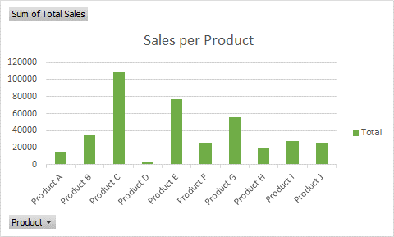
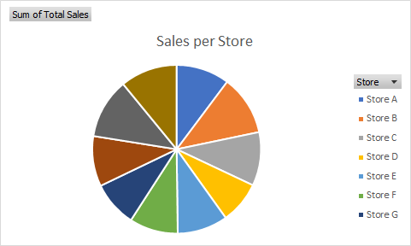

Sales per Month
 | Total
Jan | 29219
Feb | 28404
Mar | 30278
Apr | 27548
May | 42493
Jun | 29660
Jul | 39454
Aug | 35967
Sep | 39187
Oct | 37244
Nov | 26742
Dec | 28184
Sales per Person
 | Product A | Product B | Product C | Product D | Product E | Product F | Product G | Product H | Product I | Product J
Rep A | 1690 | 4755 | 14600 | 278 | 6775 | 2580 | 4256 | 2288 | 1738 | 1664
Rep B | 1105 | 2355 | 15850 | 290 | 8750 | 2880 | 5320 | 2672 | 3564 | 1365
Rep C | 1390 | 1725 | 13250 | 312 | 6375 | 2280 | 4997 | 1544 | 2299 | 2041
Rep D | 1530 | 2055 | 7700 | 794 | 9100 | 2360 | 7239 | 1568 | 1903 | 1950
Rep E | 1615 | 3060 | 12750 | 632 | 9425 | 3570 | 10545 | 1920 | 3652 | 3094
Rep F | 885 | 3180 | 7400 | 452 | 1725 | 2220 | 6232 | 2072 | 2189 | 3302
Rep G | 2705 | 4725 | 7900 | 654 | 11750 | 2700 | 2527 | 2232 | 2607 | 3133
Rep H | 1390 | 3300 | 11300 | 368 | 2775 | 2690 | 4655 | 1440 | 3520 | 3575
Rep I | 1205 | 2910 | 12300 | 258 | 8200 | 2620 | 4161 | 2256 | 4697 | 2288
Rep J | 1675 | 6375 | 5600 | 96 | 11575 | 2320 | 6137 | 1552 | 1826 | 3276

