Label_Distribution
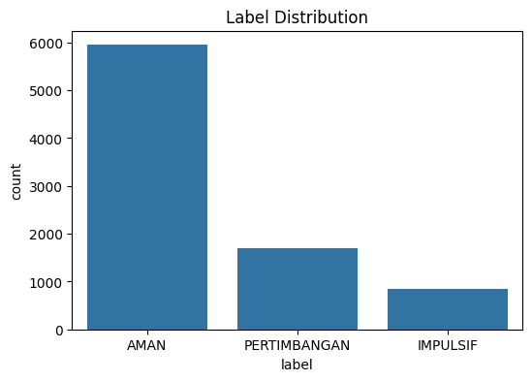
label | rows | share_pct
AMAN | 5946 | 69.98
PERTIMBANGAN | 1701 | 20.02
IMPULSIF | 850 | 10

BQ1_Time_Analysis
hour | impulsive_rate
0 | 14.222712238
1 | 51.851851852
2 | 33.333333333
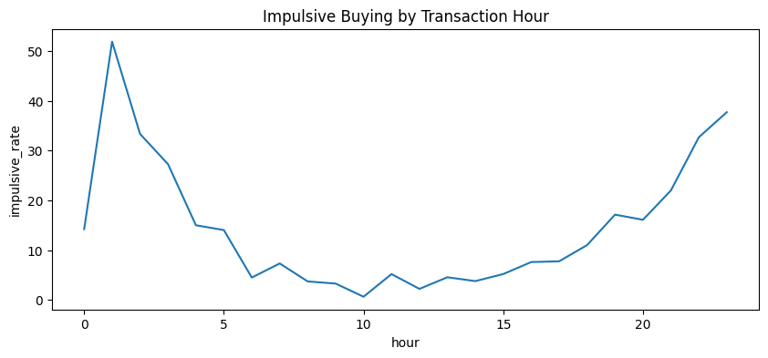
3 | 27.272727273
4 | 15
5 | 14.035087719
6 | 4.5045045045
7 | 7.3333333333
8 | 3.7267080745
9 | 3.29218107
10 | 0.6582278481
11 | 5.2
12 | 2.2321428571
13 | 4.5643153527
14 | 3.7914691943
15 | 5.2083333333
16 | 7.614213198
17 | 7.7669902913
18 | 11.016949153
19 | 17.132867133
20 | 16.099071207
21 | 21.985815603
22 | 32.663316583
23 | 37.692307692

BQ2_Category_Analysis
category | impulsive_rate
Hiburan | 32.867132867
Lainnya | 13.387096774
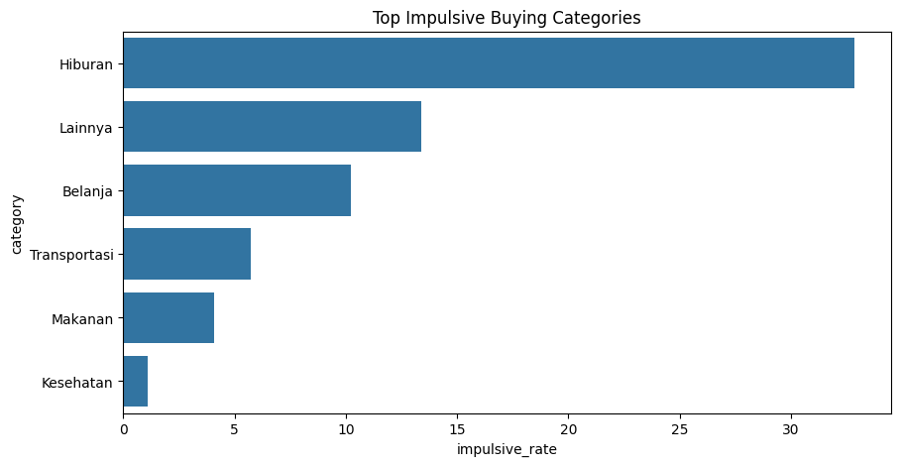
Belanja | 10.244941427
Transportasi | 5.7203389831
Makanan | 4.0758293839
Kesehatan | 1.1029411765

BQ3_Feature_Impact
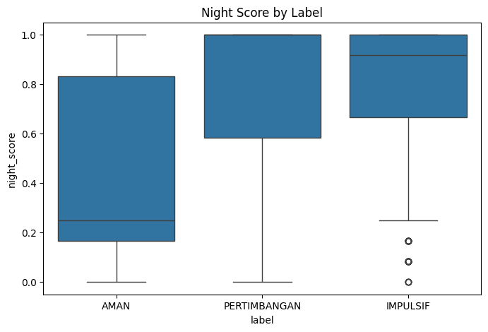
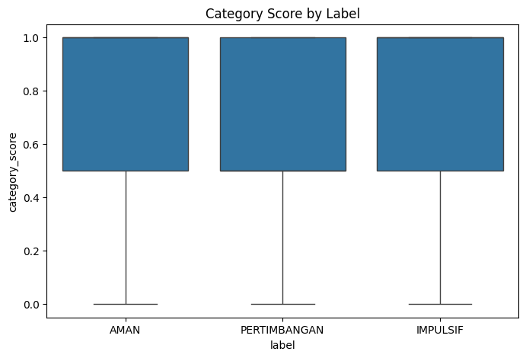
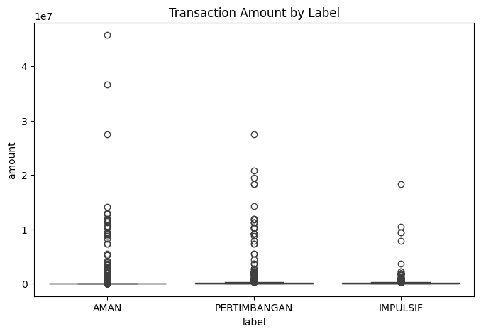
label | amount | amount_vs_weekly_avg | budget_remaining_ratio | night_score | category_score | fingo_impulse_signal
AMAN | 114550.73436 | 0.60669600371 | 0.23662966336 | 0.44867698172 | 0.77934746048 | 0.53339909206
PERTIMBANGAN | 370783.64447 | 1.1727529143 | 0.26256370289 | 0.78184401333 | 0.7113462669 | 0.710139167
IMPULSIF | 212735.82865 | 1.3315125315 | 0.15624902838 | 0.78823529412 | 0.80882352941 | 0.80488446165

Driver_Analysis
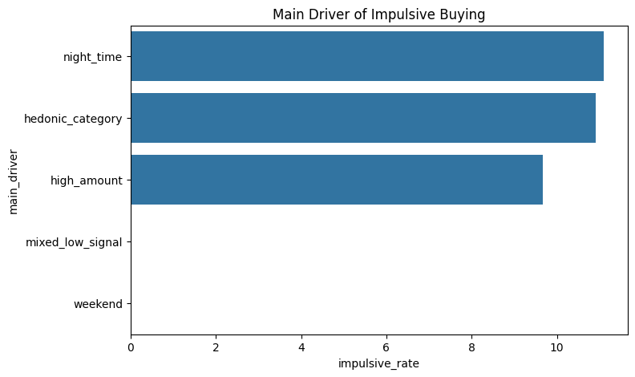
main_driver | impulsive_rate
night_time | 11.107024641
hedonic_category | 10.913600661
high_amount | 9.6618357488
mixed_low_signal | 0
weekend | 0

Correlation
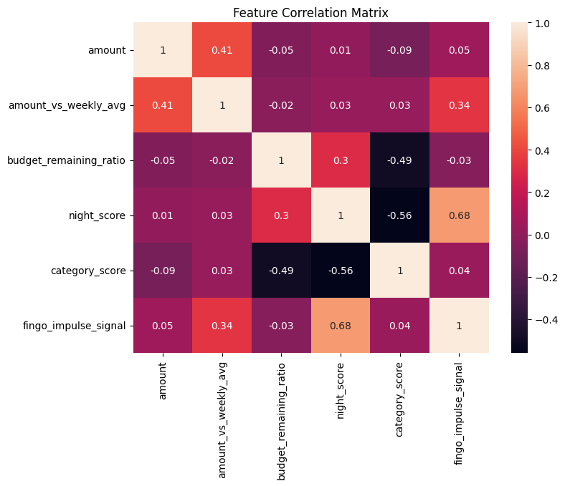
 | amount | amount_vs_weekly_avg | budget_remaining_ratio | night_score | category_score | fingo_impulse_signal
amount | 1 | 0.41 | -0.05 | 0.01 | -0.09 | 0.05
amount_vs_weekly_avg | 0.41 | 1 | -0.02 | 0.03 | 0.03 | 0.34
budget_remaining_ratio | -0.05 | -0.02 | 1 | 0.3 | -0.49 | -0.03
night_score | 0.01 | 0.03 | 0.3 | 1 | -0.56 | 0.68
category_score | -0.09 | 0.03 | -0.49 | -0.56 | 1 | 0.04
fingo_impulse_signal | 0.05 | 0.34 | -0.03 | 0.68 | 0.04 | 1

Dataset_Bias
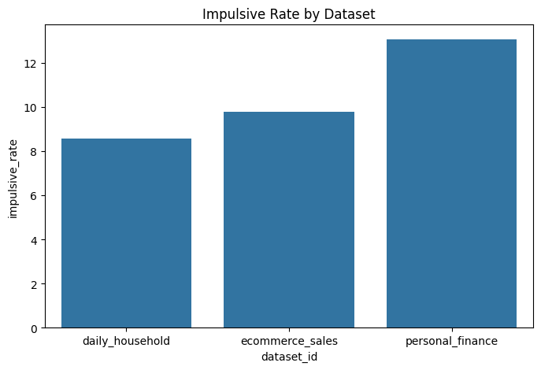
dataset_id | impulsive_rate
daily_household | 8.5644371941
ecommerce_sales | 9.7689768977
personal_finance | 13.066666667

