相机位置 博世仿真使用
 | D01项目整车尺寸： |  | FOV | 侧视H 100°±3° × V 66.62°±3° 后视H 59.7°±3° × V 38.5°±3°
 | 长 | 5153
 | 宽(带后视镜) | 2303
 | 宽(不带后视镜) | 2058
 | 高 | 1950
 | 轴距 | 2850
 | 前轮距 | 1730
 | 后轮距 | 1730
Front tele camera 前视长焦摄像头 | x-distance camera mounting position to front axle center 摄像头在X方向上与前轴的距离 | -859.88
 | y-distance camera mounting position to vehicle center 摄像头在Y方向上与车辆中心的距离 | -54.42
 | z-distance camera mounting position height to front axes center 摄像头安装Z方向上相对前轴心高度 | 1340.88
 | Yaw(Z) / Pitch(Y) / Roll(X) | yaw=0°
 |  | pitch=0°
 |  | roll=0°

Front wide camera 前视广角摄像头 | x-distance camera mounting position to front axle center 摄像头在X方向上与前轴的距离 | -857.93
 | y-distance camera mounting position to vehicle center 摄像头在Y方向上与车辆中心的距离 | -89.82
 | z-distance camera mounting position height to front axes center 摄像头安装Z方向上相对前轴心高度 | 1340.89
 | Yaw(Z) / Pitch(Y) / Roll(X) | yaw=0°
 |  | pitch=0°
 |  | roll=0°

NRC Front camera 环视前摄像头 | x-distance camera mounting position to vehicle coordinate system 摄像头在X方向上与车身坐标系的距离 | -854.392mm
 | y-distance camera mounting position to vehicle coordinate system 摄像头在Y方向上与车身坐标系的距离 | 0mm
 | z-distance camera mounting position to vehicle coordinate system 摄像头在Z方向上与车身坐标系的距离 | 587.067mm
 | Yaw(Z) / Pitch(Y) / Roll(X) | yaw=0°
 |  | pitch=14°
 |  | roll=0°

环视坐标原点
NRC Rear camera 环视后摄像头 | x-distance camera mounting position to vehicle coordinate system 摄像头在X方向上与车身坐标系的距离 | 4224.38mm
 | y-distance camera mounting position to vehicle coordinate system 摄像头在Y方向上与车身坐标系的距离 | 0mm
 | z-distance camera mounting position to vehicle coordinate system 摄像头在Z方向上与车身坐标系的距离 | 556.488mm
 | Yaw(Z) / Pitch(Y) / Roll(X) | yaw=180°
 |  | pitch=20.2276°
 |  | roll=0°

NRC Left camera 环视左摄像头 | x-distance camera mounting position to vehicle coordinate system 摄像头在X方向上与车身坐标系的距离 | 856.631mm
 | y-distance camera mounting position to vehicle coordinate system 摄像头在Y方向上与车身坐标系的距离 | -1145.71mm
 | z-distance camera mounting position to vehicle coordinate system 摄像头在Z方向上与车身坐标系的距离 | 787.606mm
 | Yaw(Z) / Pitch(Y) / Roll(X) | yaw=90°
 |  | pitch=35.0969°
 |  | roll=0.228°

NRC Right camera 环视右摄像头 | x-distance camera mounting position to vehicle coordinate system 摄像头在X方向上与车身坐标系的距离 | 904.325mm
 | y-distance camera mounting position to vehicle coordinate system 摄像头在Y方向上与车身坐标系的距离 | 1124.67mm
 | z-distance camera mounting position to vehicle coordinate system 摄像头在Z方向上与车身坐标系的距离 | 790.333mm
 | Yaw(Z) / Pitch(Y) / Roll(X) | yaw=-90°
 |  | pitch=32.8240°
 |  | roll=0.228°

周视坐标原点
Wing front camera-Left 左侧前摄像头 | x-distance camera mounting position to unloaded rear axle center 摄像头在X方向上与空载后轮心的距离 | 2142.92mm
 | y-distance camera mounting position to vehicle center 摄像头在Y方向上与车辆中心的距离 | 955.661mm
 | z-distance camera mounting position height to unloaded groundline 摄像头在X方向上与空载地面线的高度 | 1280.50mm
 | Yaw(Z) / Pitch(Y) / Roll(X) | yaw=60°
 |  | pitch=0°
 |  | roll=0.144°

Wing rear camera-Left 左侧后摄像头 | x-distance camera mounting position to unloaded rear axle center 摄像头在X方向上与空载后轮心的距离 | 2295.62mm
 | y-distance camera mounting position to vehicle center 摄像头在Y方向上与车辆中心的距离 | 1001.41mm
 | z-distance camera mounting position height to unloaded groundline 摄像头在X方向上与空载地面线的高度 | 993.710mm
 | Yaw(Z) / Pitch(Y) / Roll(X) | yaw=135°
 |  | pitch=0°
 |  | roll=0.144°/0.143°

Wing front camera-Right 右侧前摄像头 | x-distance camera mounting position to unloaded rear axle center 摄像头在X方向上与空载后轮心的距离 | 2121.36mm
 | y-distance camera mounting position to vehicle center 摄像头在Y方向上与车辆中心的距离 | ‘-969.279mm
 | z-distance camera mounting position height to unloaded groundline 摄像头在X方向上与空载地面线的高度 | 1280.63mm
 | Yaw(Z) / Pitch(Y) / Roll(X) | yaw=-60°
 |  | pitch=0°
 |  | roll=0.382°

Wing rear camera-Right 右侧后摄像头 | x-distance camera mounting position to unloaded rear axle center 摄像头在X方向上与空载后轮心的距离 | 2295.62mm
 | y-distance camera mounting position to vehicle center 摄像头在Y方向上与车辆中心的距离 | ’-1001.41mm
 | z-distance camera mounting position height to unloaded groundline 摄像头在X方向上与空载地面线的高度 | 993.710mm
 | Yaw(Z) / Pitch(Y) / Roll(X) | yaw=-135°
 |  | pitch=0°
 |  | roll=0.144°

Rear camera 后摄像头 | x-distance camera mounting position to unloaded rear axle center 摄像头在X方向上与空载后轮心的距离 | ‘-1377.73mm
 | y-distance camera mounting position to vehicle center 摄像头在Y方向上与车辆中心的距离 | 0mm
 | z-distance camera mounting position height to unloaded groundline 摄像头在X方向上与空载地面线的高度 | 1236.55mm
 | Yaw(Z) / Pitch(Y) / Roll(X) | yaw=180°
 |  | pitch=0.079°
 |  | roll=0°

华锐捷相机内参
华锐捷
环视 | 后视 | 周视
<opencv_storage> <model_type>scaramuzza</model_type> <camera_name>camera</camera_name> <image_width>1920</image_width> <image_height>1536</image_height> <poly_parameters> <p0>5.8417765087888279e+002</p0> <p1>-4.1037426723127792e-008</p1> <p2>-5.5604813768255585e-004</p2> <p3>3.0314294163598895e-007</p3> <p4>-2.0611358586582505e-007</p4> </poly_parameters> <inv_poly_parameters> <p0>8.1531375954530790e+002</p0> <p1>4.7021732212758201e+002</p1> <p2>-5.4517017788258647e+002</p2> <p3>-1.1679474446814174e+003</p3> <p4>-8.5881185381276941e+002</p4> <p5>5.3677360508450931e+002</p5> <p6>1.2938074325191224e+003</p6> <p7>5.3373418259182415e+002</p7> <p8>-3.1831585775429107e+002</p8> <p9>-3.4704285950871764e+002</p9> <p10>-1.0244443959764405e+002</p10> <p11>-8.5170670612156236e+000</p11> </inv_poly_parameters> <affine_parameters> <ac>9.9995581392853283e-001</ac> <ad>-1.0163250569460837e-002</ad> <ae>9.2042447936188532e-003</ae> <cx>9.4575110739588342e+002</cx> <cy>7.9144734272933863e+002</cy> </affine_parameters> </opencv_storage> | 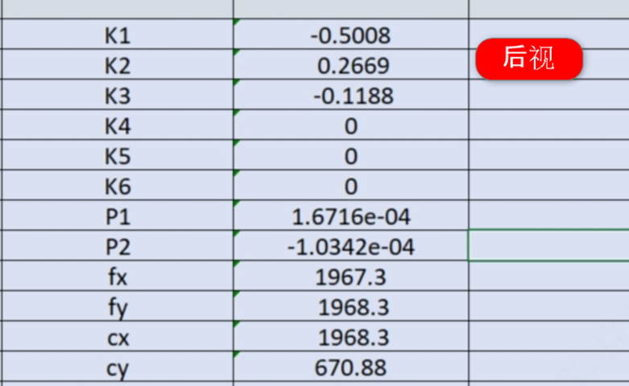 Cx=930.47，图片里笔误

