Modelos
1. Conceptual model | 2. Logical model
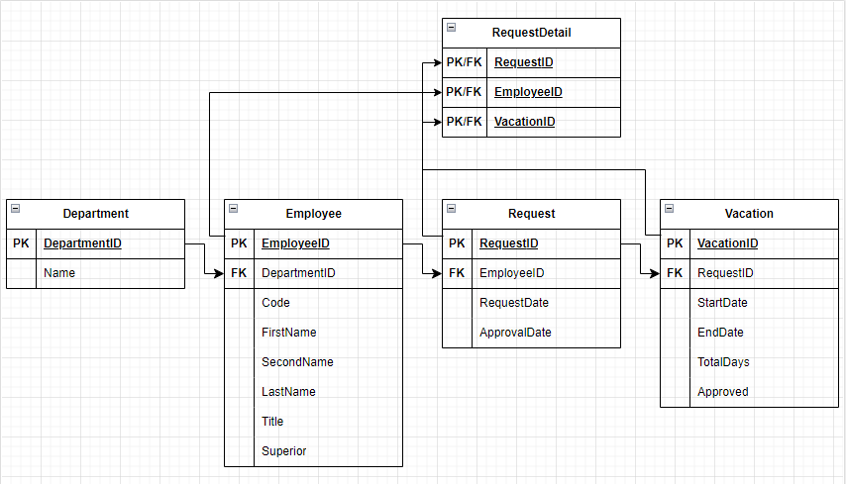

Obs. Deve ser feita antes da normalização, por esta razão, não reflete a 3NF | Obs. Deve ser feita depois da normalização, por esta razão, reflete a Implementação

