Req02.CFG-Paths
 |  | do not print this form |  | VVSS, Info Romana, 2017-2018

 |  | Req02. cautarea filmelor care au un anumit regizor (sau parti din numele regizorului).

 |  | Req02. Covered source code |  |  | Req02. Control Flow Graph (CFG) | Req02. Cyclomatic Complexity (CC)
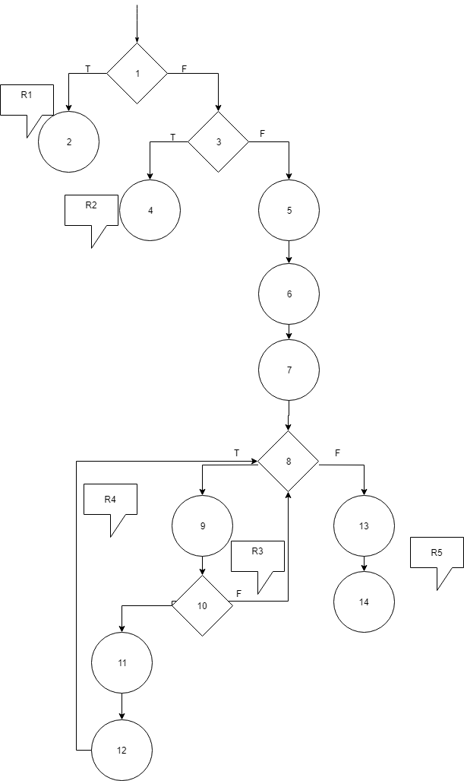
 |  | Line No. | Source code |  | please insert the CFG for this requirement | CC1 = No. of regions = |  | 5
 |  | Req02_L01 | … |  | It may be a screen capture, image, etc. | CC2 = Edges - Nodes + 2 = |  | 15 - 14 + 3 = 4
 |  | Req02_L02 | … |  | <Req02 CFG > | CC3 = No. of Conditions + 1 = |  | 5
 |  | Req02_L03 | …
 |  | ... | …
 |  | .. | … |  |  | Req02. Individual Paths
 |  | ... | …
 |  |  |  |  |  | Path No. | Path
 |  |  |  |  |  | Req02_P01 | 1(F) - 3(F) - 5 - 6 - 7 - 8(T) - 9 - 10(T) - 11 - 12 - 8 (T) - 9 - 10(F) - 8(T) - 9 - 10(T) - 11 - 12 - 8(T) - 9 - 10(T) - 11 - 12 - 8(T) - 9 - 10(T) - 11 - 12 - 8(T) - 9 - 10(T) - 11 - 12 - 8(F) - 13 - 14
 |  |  |  |  |  | Req02_P02 | 1(T) - 2
 |  |  |  |  |  | Req02_P03 | 1(F) - 3(T) - 4
 |  |  |  |  |  | ... | …
 |  |  |  |  |  | .. | …
Condition | Statement |  |  |  |  | ... | …
Cond 1 | 1
Cond 2 | 3 |  |  |  |  | Remarks Req02_P01: conditia de la linia 10 se bazeaza pe un random, deci, deci poate sa fie oricand adevarata sau falsa
Cond 3 | 8
Cond 4 | 10

Remarks
R3, R4 si R5 se pot testa doar impreuna

