Urban - Profil desc
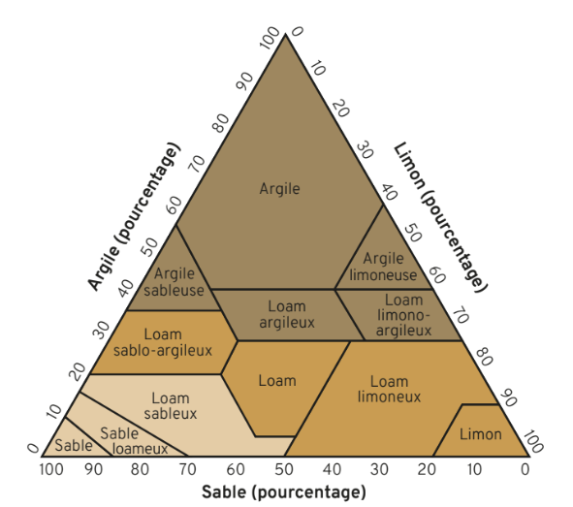
Profil | Location | Type | Sand (%) | Silt (%) | Clay (%)
1 | Toruń (Poland) | cemetery | [83; 98] | [1; 8] | [0; 4]
2 | Toruń (Poland) | cemetery | [83; 98] | [1; 8] | [0; 4]
3 | Toruń (Poland) | cemetery | [83; 98] | [1; 8] | [0; 4]
4 | Toruń (Poland) | cemetery | [83; 98] | [1; 8] | [0; 4]
5 | Toruń (Poland) | cemetery | [83; 98] | [1; 8] | [0; 4]
6 | Toruń (Poland) | cemetery | [83; 98] | [1; 8] | [0; 4]
7 | Cluj-Napoca (Romania) | downtown (5 cm of asphalt)
8 | Cluj-Napoca (Romania) | downtown (5 cm of asphalt)
9 | Toruń (Poland) | pedestrian zone (sandstone slabs)
10 | Toruń (Poland) | former parking lot (14-centimeter-thick concrete slabs)
11 | Toruń (Poland) | former parking lot (14-centimeter-thick concrete slabs)
12 | Toruń (Poland) | former parking lot (5,5-centimeter-thick concrete slabs)
13 | Toruń (Poland) | former parking lot (5,5-centimeter-thick concrete slabs)

