Functional_Map
heavy objects collection [private] (e.g. furniture, TV)
Composte collection [private]
Recycling collection [private]
Waste collection [private]

Borough [Density] Population Data (OpenMTL)

Temperature YUL (EnvCanada)

Investor:
Investor (partnering with landlord or operating thru 3rd party) [consortium, parternship] - working remotely
Reviews the history of dwellings, risk profile for high contagion areas (reward vs. threat of financial loss)

Infestation Reports (OpenMTL)

Issues prevention and remediation guidelines, and applies fines
Vets potential tenants, Hires third party for waste collection
Landlord (owner operator)
Isolates or quarantines area, regulates import and exports
City of Montreal (inspector, auditor, legislator, etc.)

Remediates of infested dwellings and files report upon completion
Requests landlord and city to improve dwelling attributes
Mediates leasing conflicts, and enforces leasing regulations
Fed. Government (grants, contagion containment, etc.)
Grants loans based on property attributes
Looks at freq. of property attributes for potential living area
Prov. Government (Regie du Logement, grants, contagion containment, etc.)
Upholds decisions made by City of montreal and provincial/fed. reg.
Facilitates sale or purchase of dweling based on property atributes, and Hires a third patry to renovate and assess indept. the infestation
Tenant or Resident (not planning to move)

Banks
Offers insurance at premium in high risk living areas

Exterminator

Municipal law enforcement, bailif, judges, etc.
Prospective Tenant or Resident (planning to move)
Real estate agent
Insurance companies

User_Interface (2)
 | Should I wait or Move into a previously infested area ?
Boroughs |  | Neighborhoods |  |  | Reference period
Ahuntsic-Cartierville |  | La Visitation |  |  | Past 6 months

Pick a previously reported infestation location: |  |  |  |  |  | Pick a comparison criteria for location:

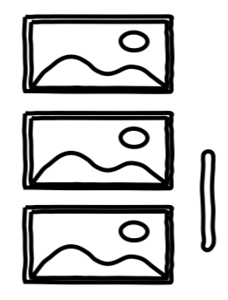
 |  | Intersection Coordinates |  |  |  | Decision Radius (km)
 |  | Longitude | Latitude |  |  | 5
 |  | 292777 | 504861 | ◉
 |  |  |  |  |  | # of reported infestations |  | # of reported infestations within radius

 |  | 292777 | 504861 | ○

 |  | 292777 | 504861 | ○ |  |  |  | # of reported infestations with approx. incubation periods

Recommended waiting period before considering move into area
2 months
 |  |  |  | Find |  |  | Reset

