OVERVIEW
VNRacing — Item & Car Master
Nakama item_catalog · UE DataTable sync reference · GDD v2 | Sheet v3

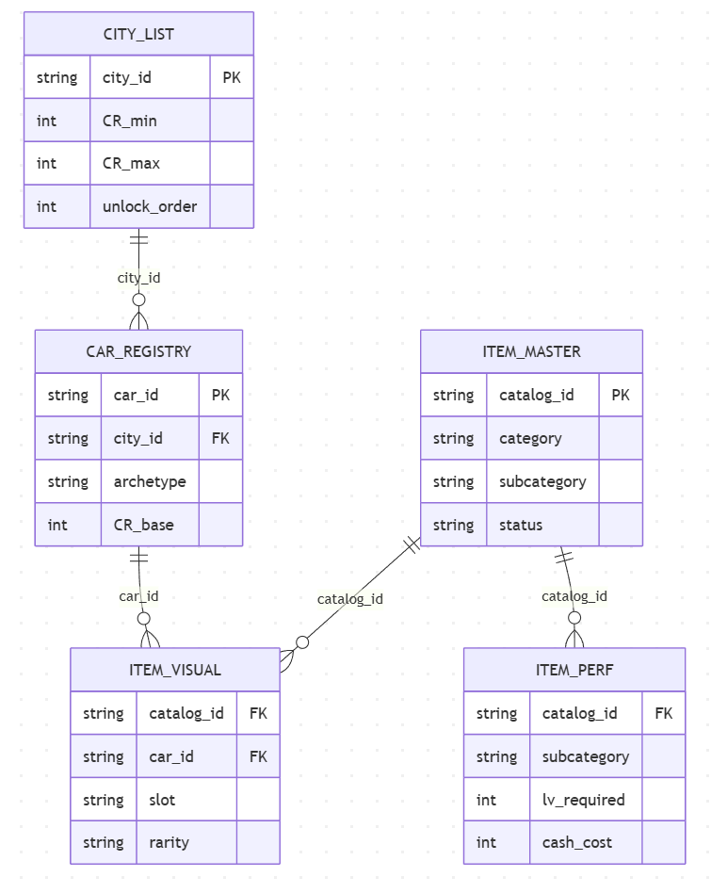
Sheet | Purpose | Est. Rows | Key FK
ITEM_MASTER | All Items Collections | ~170 | — | SCHEMA GIẢI THÍCH (Tham khảo mối quan hệ)
CAR_REGISTRY | 15 cars × city × archetype | ~3 | —
ITEM_VISUAL | ccv items gắn với car_id FK | ~150 | car_id → CAR_REGISTRY
ITEM_PERF | ccp items generic (no car_id) | ~1 | ---
LOOT_TABLE | Loot box drop pools + weight | --- | ---
CHANGELOG | Record Changes | — | —
CITY_LOOT_POOL | 5-city loot pool (filter city_id) | ~170 | item_catalog_id → CATALOG_MASTER

QUY TRÌNH UPDATE VÀ THÊM MỚI
1. Update Item mới trong bảng Master Item, Update tất cả các trường
2. Copy Item ID và Paste vào bảng Item Visual hay Item Performance tương ứng
3. Điền thông tin còn lại trong các bảng Item Visual hay Item Performance
4. UPDATE CÁC THAY ĐỔI VÀO CHANGELOG
QUY TRÌNH XÓA
1. Chuyển trạng thái Item thành Decaprated.
2. KHÔNG ĐƯỢC PHÉP XÓA ITEM ĐÃ THÊM
3. UPDATE CÁC THAY ĐỔI VÀO CHANGELOG
ITEM ID STRUCTURE
{category}_{subcategory}_{descriptor}_{nn}
Segment | Vai trò | Format | Ví dụ
category | Loại item (prefix) | 2–4 ký tự thường | ccv / ccp / cur / loot
subcategory | Subtype trong category | lowercase snake_case | part / mat / bundle_cash
descriptor | Tên / biến thể cụ thể của item | lowercase snake_case | fb / rb / wheel / body
nn | Running index (zero-padded) | ≥ 4 chữ số | 0001→9999→00001 | 0001 / 0002 / … / 00001

Ví dụ đặt tên:
ccv_part_fb_01
└─ ccv | category | Car Customize Visual
└─ part | subcategory | Visual Parts
└─ fb | descriptor | Tên item cụ thể
└─ 01 | nn | Running index #1

Quy tắc bắt buộc
Regex | ^[a-z][a-z0-9_]{2,63}$ | Max 64 ký tự | Chỉ chữ thường + số + dấu _
Immutable | catalog_id KHÔNG được đổi tên sau khi release → chỉ DEPRECATE, ghi CHANGELOG
No reuse | ID đã deprecated → không tái sử dụng, tạo ID mới với index tiếp theo

