groups
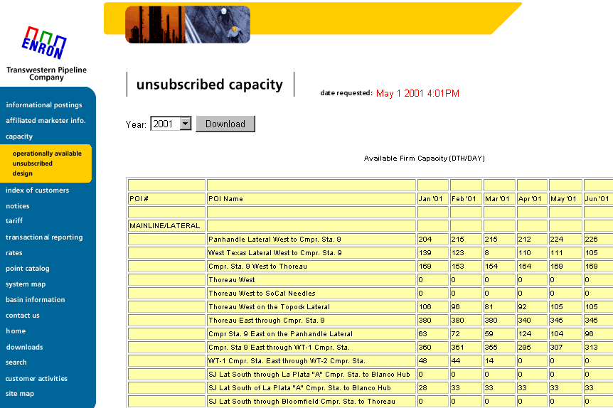
 | OLD CAS |  |  | Operational |  | New CAS Name's | To Test | Wish list EBB

1 | EAST FLOW FROM THOREAU PT. | D | 5000000 | Thoreau Flow East | D | THOREAU EAST SYSTEM |  | X
1 | WEST FLOW TO THOREAU PT. | R | 5000000 | Thoreau Flow East | R

2 | EAST FLOW THRU COMP. STA. 9 | D | 5000001 | Station 9 Flow | D | STATION 9 |  | X
2 | WEST FLOW THRU COMP. STA. 9 | R | 5000001 | Station 9 Flow | R

3 | FROM COMP. STA. 9 EAST ON PH LAT. | D | 5000002 | Panhandle Lateral | D | PANHANDLE LATERAL |  | X
3 | PANHANDLE FLOW WEST SYSTEM | R | 5000002 | Panhandle Lateral | R

4 | EAST FLOW THRU P-1 COMP. STA. | D |  |  |  | P-1 COMP. STA.
4 | PANHANDLE LAT. WEST TO COMP. STA. 9 | R

5 | EAST FLOW THRU P-2 COMP. STA. | D |  |  |  | P-2 COMP. STA.
5 | WEST FLOW THRU P-2 COMP. STA. | R

6 | EAST FLOW THRU P-3 COMP. STA. | D |  |  |  | P-3 COMP. STA.
6 | WEST FLOW THRU P-3 COMP. STA. | R |  |  |  | P-3 COMP. STA.

7 | GUYMON NORTH SYSTEM | D | 5000019 | Guyman Lateral | D | GUYMAN LATERAL
7 | GUYMON SOUTH SYSTEM | R | 5000019 | Guyman Lateral | R

8 | LEFORS SOUTH SYSTEM | D | 5000020 | Lefors Lateral | D | LEFORS LATERAL
8 | LEFORS NORTH SYSTEM | R | 5000020 | Lefors Lateral | R

9 | FELDMAN EAST SYSTEM | D |  |  |  | FELDMAN SYSTEM
9 | FELDMAN WEST SYSTEM | R |  |  |  | FELDMAN SYSTEM

10 | LIPSCOMB NORTH SYSTEM | D | 5000003 | Lipscomb/Mocane Lateral | D | LIPSCOMB/MOCANE LATERAL
10 | LIPSCOMB SOUTH SYSTEM | R | 5000003 | Lipscomb/Mocane Lateral | R

11 | IVANHOE NORTH SYSTEM | D |  |  |  | IVANHOE NORTH SYSTEM
11 | IVANHOE SOUTH SYSTEM | R

12 | LEEDY EAST SYSTEM | D |  |  |  | LEEDY SYSTEM
12 | LEEDY WEST SYSTEM | R

13 | WEST TEXAS LAT. EAST SYSTEM | D | 5000004 | West Texas Lateral | D | WEST TEXAS LATERAL |  | X
13 | WEST TEXAS LAT. WEST SYSTEM | R | 5000004 | West Texas Lateral | R

14 | ATOKA #2 WEST SYSTEM | D | 5000005 | Atoka #2 System | D | ATOKA 2 SYSTEM | x | X
14 | ATOKA #2 EAST SYSTEM | R | 5000005 | Atoka #2 System | R

15 | ATOKA #1 WEST SYSTEM | D | 5000006 | Atoka #1 System | D | ATOKA 1 SYSTEM | x
15 | ATOKA #1 EAST SYSTEM | R | 5000006 | Atoka #1 System | R

16 | ATOKA #3 WEST SYSTEM | D | 5000007 | Atoka #3 System | D | ATOKA 3 SYSTEM | x
16 | ATOKA #3 EAST SYSTEM | R | 5000007 | Atoka #3 System | R

17 | COMP. STA. 9 EAST THRU WT-1 C/S | D | 5000008 | WT-1 System | D | WT-1 SYSTEM
17 | WEST TEXAS LAT. WEST TO COMP. STA. 9 | R | 5000008 | WT-1 System | R

18 | MONUMENT LAT. EAST SYSTEM | D | 5000009 | Monument Lateral | D | MONUMENT LATERAL
18 | MONUMENT LAT. WEST SYSTEM | R | 5000009 | Monument Lateral | R

19 | KEYSTONE LAT. EAST SYSTEM | D | 5000011 | Keystone Lateral | D | KEYSTONE LATERAL
19 | KEYSTONE LAT. WEST SYSTEM | R | 5000011 | Keystone Lateral | R

20 | WT-1 C/S EAST THRU WT-2 C/S | D | 5000010 | WT-2 System | D | WT-2 SYSTEM
20 | WEST FLOW THRU WT-2 C/S | R | 5000010 | WT-2 System | R

21 | OASIS LAT. WEST SYSTEM | D | 5000012 | Oasis Lateral | D | OASIS LATERAL
21 | OASIS LAT. EAST SYSTEM | R | 5000012 | Oasis Lateral | R

22 | PYOTE SOUTH SYSTEM | D | 5000013 | Pyote Lateral | D | PYOTE LATERAL
22 | PYOTE NORTH SYSTEM | R | 5000013 | Pyote Lateral | R

23 | THOREAU PT. WEST TO COMP. STA. 4 | D |  |  |  | THOREAU/SJ WEST SYSTEM |  | X
23 | COMP. STA. 4 EAST TO THOREAU PT. | R

24 | ML THOREAU WEST DEL. | D | 5000015 | Thoreau Flow West | D | M/L THOREAU WEST SYSTEM | x | X
24 | EAST FLOW THRU COMP. STA. 4 | R | 5000015 | Thoreau Flow West | R

25 | THOREAU WEST TO SOCAL NEEDLES | D
25 | EAST FLOW FROM SOCAL NEEDLES AREA | R

26 | SJ LAT. NORTH FROM THOREAU PT. | D | 5000017 | San Juan Lateral | D | SAN JUAN LATERAL |  | X
26 | SAN JUAN LAT. SOUTH TO THOREAU PT. | R | 5000017 | San Juan Lateral | R

27 | SJ LAT NORTH THRU BLOOMFIELD C/S | D |  |  |  | BLOOMFIELD
27 | SJ LAT SOUTH THRU BLOOMFIELD C/S | R

28 | BLOOMFIELD NORTH TO LA PLATA | D | 5000021 | I/B Link | D | I/B LINK
28 | SJ LAT SOUTH OF LA PLATA TO BLANCO (I/B) | R | 5000021 | I/B Link | R

29 | NORTH FLOW THRU LA PLATA "A" C/S | D | 5000018 | La Plata System | D | LA PLATA/IGNACIO |  | X
29 | SJ LAT SOUTH THRU LA PLATA "A" COMP. STA | R | 5000018 | La Plata System | R

30 | SOUTH THRU LONE STAR/VALERO C/S | D | 5000014 | Pecos Lateral | D | PECOS LATERAL
 |  |  | 5000014 | Pecos Lateral | R

31 | THOREAU WEST ON TOPOCK LAT. | D | 5000016 | Topock Lateral | D | TOPOCK LATERAL
 |  |  | 5000016 | Topock Lateral | R

32 | PNR Points | D | 5000023 | PNR Points | D | PNR Points
 | PNR Points | R | 5000023 | PNR Points | R

33 | Crawford Lateral | R | 5000022 | Crawford Lateral | D | CRAWFORD LATERAL
 |  |  | 5000022 | Crawford Lateral | R

 | Not created, to date in CAS = RED

 | Current EEB Groups below

