Sheet1
2001-10-18

Cinergy |  |  |  | Entergy
 | bid | offer |  |  | bid | offer

2001-10-19 | $22.50 | $23.50 |  | 2001-10-19 | $21.00 | $21.75
2001-10-22 | $21.75 | $22.45 |  | Oct 22-Oct 26, 2001 | $19.75 | $20.55
Oct 22-Oct 26, 2001 | $22.00 | $22.60 |  | Oct 29-Oct 31, 2001 | $20.00 | $20.65
Oct 29-Oct 31, 2001 | $22.25 | $23.00 |  | November, 2001 | $21.00 | $21.55
November, 2001 | $22.70 | $23.50 |  | December, 2001 | $21.85 | $22.60
December, 2001 | $25.75 | $26.45 |  | Jan/Feb 2002 | $24.25 | $25.00
Jan/Feb 2002 | $28.30 | $29.00 |  | March/April , 2002 | $23.25 | $24.10
Cal 2001 | $31.75 | $32.75 |  | May, 2002 | $25.15 | $26.00
March/April , 2002 | $26.00 | $26.65 |  | June, 2002 | $34.25 | $35.25
May, 2002 | $28.00 | $28.75 |  | July/August, 2002 | $44.00 | $45.00
June, 2002 | $37.75 | $38.75 |  | Sept, 2002 | $23.10 | $24.00
July/August, 2002 | $49.50 | $50.50 |  | Q4, 2002 | $24.00 | $25.00
Sept, 2002 | $26.00 | $26.71 |  | Jan/Feb, 2003 | $26.00 | $26.90
Q4, 2002 | $27.00 | $27.60 |  | March/April, 2003 | $25.50 | $26.50
Cal 2003 | $32.40 | $33.00 |  | July/August, 2003 | $41.00 | $42.25
Cal 2004 | $33.00 | $34.15 |  | Q4, 2003 | $26.10 | $27.50
Cal 2005 | $32.70 | $34.60 |  | Cal, 2004 | $30.40 | $32.30
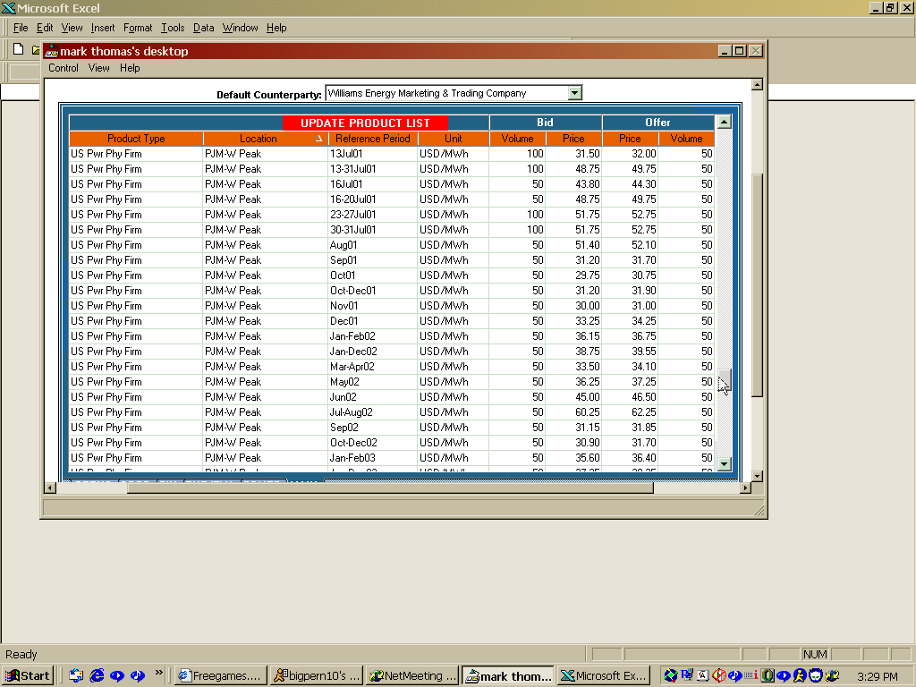

Comed |  |  |  | TVA
 | bid | offer |  |  | bid | offer

 |  |  |  | 2001-10-19 | $22.00 | $23.00
 |  |  |  | Oct 22-Oct 26, 2001 | $21.75 | $22.65
2001-10-19 | $21.50 | $22.50 | $117.00 | Oct 29-Oct 31, 2001 | $22.00 | $22.85
2001-10-22 | $20.40 | $21.40
Oct 22-Oct 26, 2001 | $21.00 | $21.90 |  | November, 2001 | $22.40 | $23.25
Oct 29-Oct 31, 2001 | $21.20 | $22.00 |  | December, 2001 | $24.70 | $25.60
2001-11-01 | $21.75 | $22.50 |  | Jan/Feb 2002 | $27.40 | $28.10
2001-12-01 | $24.00 | $25.00 |  | Cal 2002 | $30.75 | $32.00
Jan/Feb 2002 | $26.70 | $27.50 |  | March/April , 2002 | $25.25 | $26.20
Jul/Aug 2002 | $48.00 | $49.00 |  | May, 2002 | $27.25 | $28.75
 |  |  |  | June, 2002 | $36.25 | $37.50
 |  |  |  | July/August, 2002 | $47.75 | $49.00
 |  |  | $26.50 | Sept, 2002 | $24.70 | $25.50
 |  |  |  | Q4, 2002 | $25.20 | $26.50
 |  |  |  | Cal 2003

PJM |  |  |  | SOCO
 | bid | offer |  |  | bid | offer
 |  |  |  | 2001-10-19 | $26.10 | $27.00
 |  |  | $52.75 | Oct 22-Oct 26, 2001 | $26.50 | $27.40
2001-11-01 | $26.70 | $27.60 |  | Oct 29-Oct 31, 2001 | $26.60 | $27.40
December, 2001 | $29.00 | $30.00 |  | November, 2001 | $26.75 | $27.55
 |  |  |  | December, 2001 | $28.25 | $29.00
Jan/Feb 2002 | $33.40 | $34.30 |  | Jan/Feb 2002 | $31.20 | $32.00
Cal 2002 |  |  |  | Cal 2002
March/April , 2002 | $31.15 | $32.00 |  | March/April , 2002 | $28.70 | $29.50
May, 2002 | $34.50 | $35.30 |  | May, 2002 | $31.40 | $32.10
June, 2002 | $44.50 | $45.30 | $91.00 | June, 2002 | $41.50 | $42.30
July/August, 2002 | $55.40 | $57.30 |  | July/August, 2002 | $52.25 | $53.25
Sept, 2002 | $30.60 | $31.30 |  | Sept, 2002 | $27.50 | $28.20
Q4, 2002 | $31.00 | $31.55 |  | Q4, 2002 | $27.50 | $28.30
Cal 2003 | $37.75 | $38.55 |  | Jan/Feb 2003 | $31.60 | $32.55
Cal 2004 | $37.50 | $39.25 |  | March/April, 2003 | $29.70 | $30.50
 |  |  |  | May, 2003 | $31.60 | $32.50
 |  |  |  | June, 2003 | $41.20 | $42.10

