Wheatland
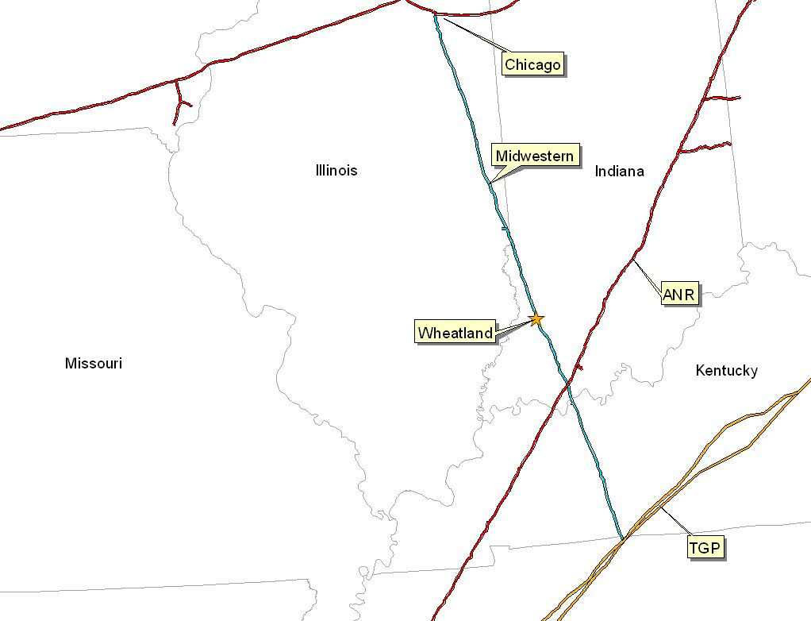

PLANT LOCATION: |  | Wheatland, IN
Pipeline: |  | Midwestern Gas Transmission ("MGT")
Delivery Point: |  | Plant-Gate
MW Output: |  | 475 MW
Heat Rate: |  | 11,305
16 Hour Gas Flow: |  | 85,920 MMBtu/day
Facility Costs: |  | $1,400,000 | Estimated. (Paid by ENA)
Start Date: |  | May-00

TRANSPORTATION ARRANGEMENT:

 | BASE CONTRACT
 | Term: | 8 years (Apr - Oct)
 | Volume: | 85,920 MMBtu/d
 | CONTRACT - INTERRUPTIBLE
 | Rate: 1st 3 Bcf | $0.0708 | MMBtu/day or Maximum Tariff Rate whichever is less.
 | Rate: 3 to 5 Bcf | $0.0422 | MMBtu/day
 | Rate: 5 Bcf & up | Maximum Tariff Rate
 | Volume Commit: | None
 | Receipt Points: | MGT-Joliet & TGP-Portland
 | Fuel: | 0.05% on Backhaul; 1.0% on forward haul
 | BACK-UP CONTRACT
 | None in place; however, capacity release or seasonal firm can be utilized
 | under the terms of this deal.

BALANCING:
 | Free via OBA. Subject to tariff imbalance parameters (5% end of month;
 | 10% daily imbalance limit if daily variance implemented)
 | Allows for uneven hourly flow at plant delivery point with even 24 hour supply
 | subject to pipeline operating conditions.

Lincoln Center
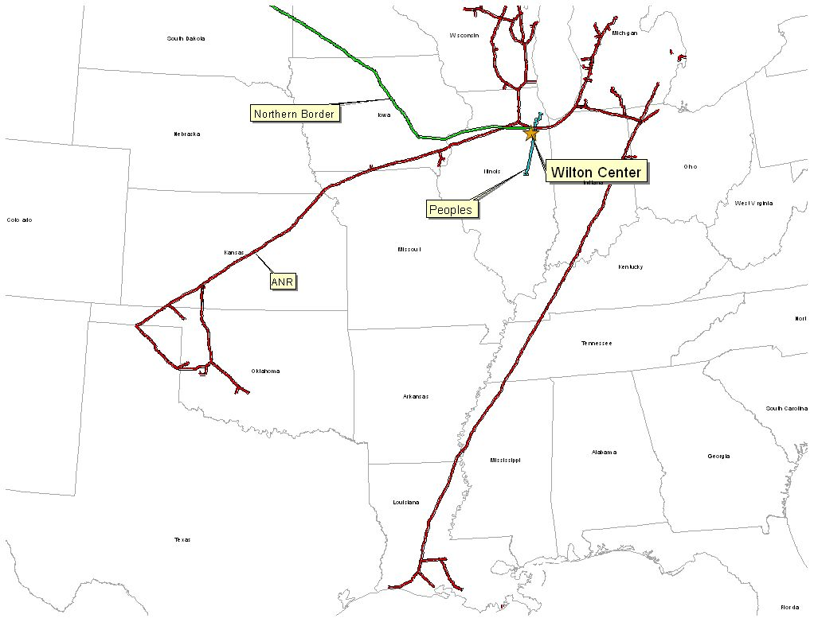

PLANT LOCATION: |  | Chicago
Pipeline: |  | Northern Border
Delivery Point: |  | Manhattan Station
MW Output: |  | 600 MW
Heat Rate: |  | 12,000
16 Hour Gas Flow: |  | 115,000 MMBtu
Facility Costs: |  | $8,000,000 | +/-
Start Date: |  | June, 2000

BASE CONTRACT - Deal Pending
 | Service: | Delivered Deal
 | Term: | 1 Year Term
 | Volume: | 115,000 | MMBtu/day
 | Rate | GDA + $.10 Delivered to Plant Gate
 | Fuel: | 0.00%
 | Receipt Points: | Delivered Deal to Plant Gate
 | Balancing: | Included as part of delivered price. Additional cost if
 |  | 50% of plant burn is requested intra-day.

BACK-UP CONTRACT
 | ANR - IWS ($0.01) and IPLS ($0.03) for up to 115,000

BALANCING:
 | Delivered deal

Gleason
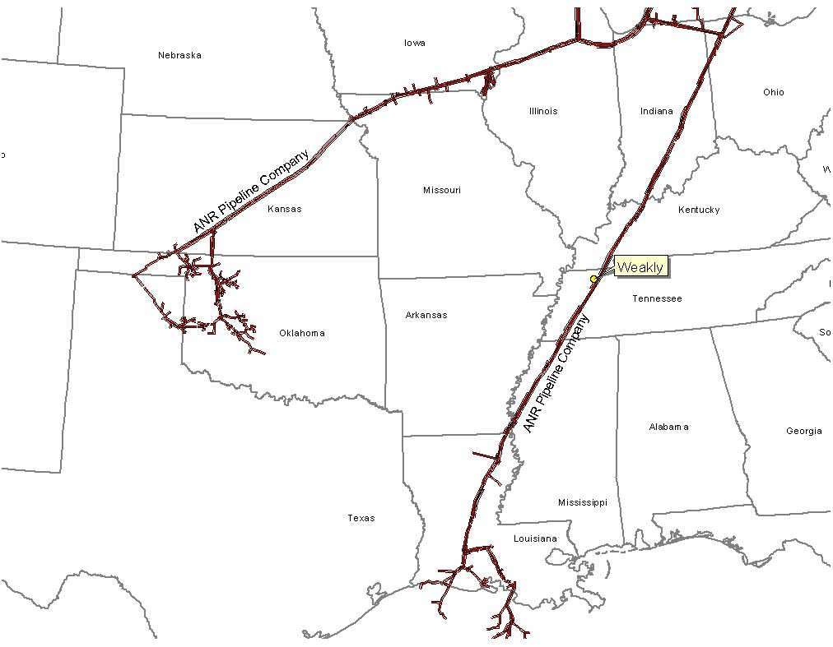

PLANT LOCATION: |  | Gleason, TN
Pipeline: |  | ANR Pipeline
Delivery Point: |  | ANR ML-2
MW Output: |  | 454 MW
Heat Rate: |  | 11,500
16 Hour Gas Flow: |  | 82,800 MMBtu/day
Facility Costs: |  | $1,100,000 Estimated (ENA Pays)
Start Date: |  | April, 1999 (Test gas March, 2000)

Transportation Arrangement:
BASE CONTRACT
 | Service: | ITS-3/IPLS
 | Term: | 10 years (Apr - Oct)
 | Volume: | 93,000 MMBtu/d
 | Rate (*) | $.1122 plus fuel from Chicago or SE LA
 |  | $.0322 plus fuel from Gleason Plant-gate to Brownsville Hub
 |  | $.0222 plus fuel from Brownsville Hub to Gleason Plant-gate
 | Fuel: | 0.0% on Backhaul; 2.69% on forward haul
 | Receipt Points: | SE Area, LA/Joliet, IL, Brownsville Hub, Gleason Plant-gate
 | Balancing: | $.02 per MMBtu/d balancing up to 93,000 MMBtu years 1 to 10

 | (*) Price reopener if plant connected to another pipeline.

BACK-UP CONTRACT
 | None in place; however, capacity release or seasonal firm can be utilized.

BALANCING:
 | IPLS service subject to economic dispatching and pipeline operational conditions
 | Balancing in-kind
 | Allows for uneven hourly flow at plant delivery point with even 24 hour supply flow

OTHER
 | ANR will maintain lateral and meter for $6,000 year.
 | ANR will construct interconnect and own hot tap & EMS.
 | Reasonable effort to provide 560 pressure. If pressure below 560 on day Genco
 | nominates gas using IT agmnt, ANR will waive IPLS for volumes parked.

Brownsville
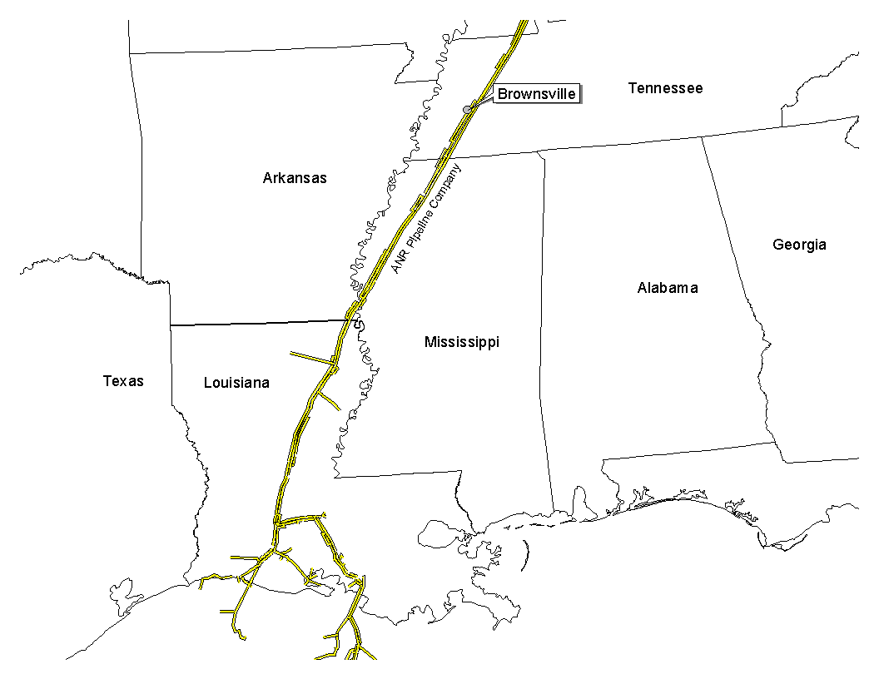

PLANT LOCATION: |  | Brownsville, TN
Pipeline: |  | ANR Pipeline
Delivery Point: |  | ANR ML-2
MW Output: |  | 454 MW
Heat Rate: |  | 11,461
16 Hour Gas Flow: |  | 83,253 MMBtu
Facility Costs: |  | $837,500 (ANR Pays, subject to IT crediting mechanism)
Start Date: |  | June, 1999

Transportation Arrangement:
 | BASE CONTRACT
 | Service: | IT/IPLS
 | Term: | 10 years (May - Sept)
 | Volume: | 83,253 MMBtu/d
 | Rate: | $.0922 plus fuel | Commodity
 | Fuel: | 0.0% on Backhaul; 2.91% on forward haul
 | Receipt Points: | SE Area, LA/Joliet, IL | Primary
 | Balancing: | $.015 per MMBtu/d out of balance
 |  | for volumes feed by IT contract
 |  | $.015 per MMBtu/d out of balance
 |  | for volumes feed by capacity release

 | FT BACK-UP CONTRACT
 |  | ECT has a one time right to convert to ETS
 |  | at any time during the first 5 years of the
 |  | agreement with 9/30/2004 termination.
 | Service: | ETS
 | Term: | up to 5 years (May - Sept)
 | Volume: | 85,253 MMBtu/d
 | Rate: | $.1153 | Demand
 |  | $.0169 plus fuel | Commodity
 | Receipt Points: | SE Area, LA/Joliet, IL | Primary

BALANCING:
 | IPLS at Plant Interconnect (limited to 84,000 MMBtu)
 | IPLS service subject to economic dispatching and pipeline operational conditions
 | Balancing in-kind
 | Allows for uneven hourly flow at plant delivery point with even 24 hour supply flow

Caledonia
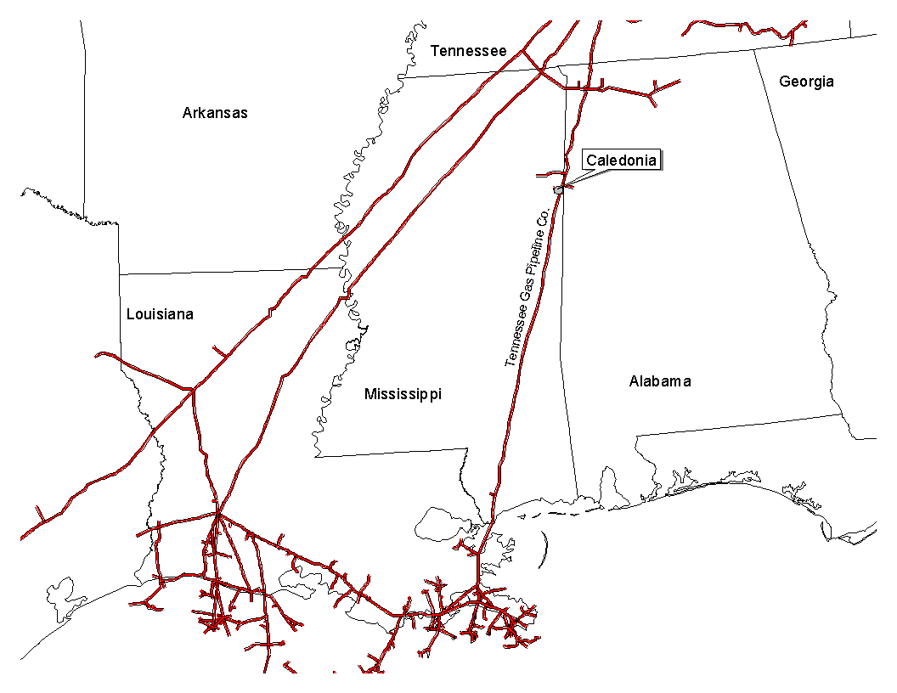

PLANT LOCATION: |  | Caledonia, MS
Pipeline: |  | Tennessee Gas Pipeline
Delivery Point: |  | Plant-Gate, Tennessee Zone 1, 500 Line and Portland, TN
MW Output: |  | 443 MW
Heat Rate: |  | 12,013
16 Hour Gas Flow: |  | 85,200 MMBtu/day
Facility Costs: |  | $981,000 (ECT Pays)
Start Date: |  | June, 1999

TRANSPORTATION ARRANGEMENT:

Option A (Combination of FT, AO and Backhaul Service)
 | BASE CONTRACT
 | Term: | 10 years (May - Sept)
 | Volume: | 85,200 MMBtu/d
 | FT-A with AO CONTRACT
 | Rate: | $.01 year round | Demand on 12,500/d
 |  | $.1085 plus fuel | Commodity on first 12,500/d
 |  | $.1125 plus fuel | Commodity on excess (up to 72,700 Dth/day)
 | Vol. Commit: | 4.5 Bcf per year, Excess Volumes credited yrs 1,2,3,4 against yrs 5,4
 |  | All gas flowing to plant gate meter is credited against volume commitment an
 |  | Gas flown to Portland, TN under FT and AO Services
 | Fuel: | 0.5% on Backhaul; 1.70% on forward haul
 | Receipt Points: | Zone 1 & Zone L
 | BACK-UP CONTRACT
 | FT-BH CONTRACT (Years 1-5)
 | Rate: | $.05 plus fuel (volumetric)
 | Receipt Points: | Downstream point in Zone 1, 2, 4, 5 & 6

Option B: ECT has a one time right to convert to Option B
 | at any time during the life of the agreement
 | FT-A CONTRACT (Plant sole provider)
 | Rate: | $.01 year round | Demand on 85,200/d
 |  | $.12 plus fuel | Commodity on first 5.0 Bcf/yr
 |  | $.05 plus fuel | Commodity on next 1.4 Bcf/yr
 | Receipt Points: | 500 Leg Zone 1 | Secondary
 |  | Midwestern | Primary (Years 1-5)
 |  | Midwestern Like | Primary (Years 6-10)

BALANCING:
 | OBA at plant interconnect @ no cost to Caledonia
 | Cash-out monthly, subject to 5% tolerance on monthly receipt volumes
 | Allows for uneven hourly flow at plant delivery point with even 24 hour supply flow

OTHER: | Cancellation Option beginning at year 6. Payoff as follows:
 | YRS 6-10 | $1,100,000
 | YRS 7-10 | $1,000,000
 | YRS 8-10 | $950,000
 | YRS 9-10 | $900,000
 | YR 10 | $800,000

New Albany
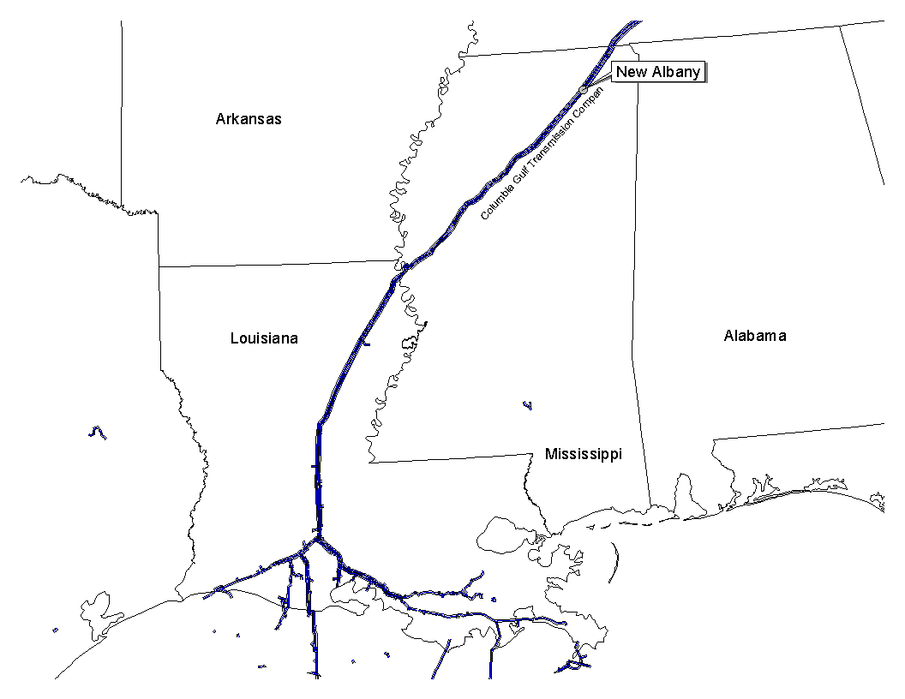

PLANT LOCATION: |  | New Albany, MS
Pipeline: |  | Columbia Gulf
Delivery Point: |  | Columbia Gulf Mainline
MW Output: |  | 386 MW
Heat Rate: |  | 12,149
16 Hour Gas Flow: |  | 75,032 MMBtu
Facility Costs: |  | $854,000 (Col. Gulf Pays)
Start Date: |  | June, 1999

Transportation Arrangement:

 | Service: | FT
 | Term: | 10 years (May - Sept)
 | Volume: | 75,032 MMBtu/d
 | Rate: | $.04 | Demand on 75,032/d
 |  | $.0022 plus fuel | Commodity
 | Fuel: | 0.0% on Backhaul; 2.988% on forward haul
 | Receipt Points: | Leach | Primary
 |  | Rayne (et al) | Secondary

 | Option: | ECT has option within the first 24 months of
 |  | the agreement to double the volumes for the
 |  | remaining term at existing rates

 |  | Right to convert to Volumetric FT beginning in year six
 |  | Rate: tiered based on volume (average $0.056 Dth/day)
 |  | Cost to convert is unamortized facility costs:
 |  | YR7=$340,000; YR8=$226,813, YR9=$113,407
 | Start Up: | Interconnect will be operational within 25 weeks after
 |  | ECT notification. At such time ECT will test the plant
 |  | and initiate FT contract thereafter

BALANCING:
 | Balancing rights in Construction agreement
 | Balancing in-kind within 48 hours of written notice to ECT (non-OFO time)
 | Balancing in-kind within 24 hours of written notice to ECT (OFO/critical periods)
 | Allows for uneven hourly flow at plant delivery point with even 24 hour supply flow

