Sheet1
2001-10-19

Cinergy |  |  |  | Entergy
 | bid | offer |  |  | bid | offer

 |  |  |  | 2001-10-22 | $19.50 | $21.50
2001-10-22 | $19.00 | $21.00 |  | Oct 23-Oct 26, 2001 | $20.50 | $21.55
Oct 23-Oct 26, 2001 | $21.20 | $22.00 |  | Oct 29-Oct 31, 2001 | $20.75 | $21.55
Oct 29-Oct 31, 2001 | $22.70 | $23.50 |  | November, 2001 | $21.60 | $22.25
November, 2001 | $22.80 | $23.50 |  | December, 2001 | $23.00 | $23.65
December, 2001 | $26.00 | $26.80 |  | Jan/Feb 2002 | $24.70 | $25.50
Jan/Feb 2002 | $28.15 | $28.90 |  | March/April , 2002 | $23.60 | $24.40
Cal 2001 | $32.00 | $33.00 |  | May, 2002 | $25.70 | $26.50
March/April , 2002 | $26.20 | $26.90 |  | June, 2002 | $34.70 | $35.65
May, 2002 | $28.50 | $29.50 |  | July/August, 2002 | $44.40 | $45.30
June, 2002 | $38.50 | $39.50 |  | Sept, 2002 | $23.50 | $24.30
July/August, 2002 | $50.00 | $51.00 |  | Q4, 2002 | $24.40 | $25.30
Sept, 2002 | $26.40 | $27.00 |  | Jan/Feb, 2003 | $26.40 | $27.40
Q4, 2002 | $27.15 | $27.80 |  | March/April, 2003 | $26.00 | $26.90
Cal 2003 | $32.25 | $33.50 |  | July/August, 2003 | $41.50 | $42.70
Cal 2004 | $33.50 | $34.75 |  | Q4, 2003 | $26.70 | $28.15
Cal 2005 | $33.25 | $35.25 |  | Cal, 2004 | $30.75 | $32.50
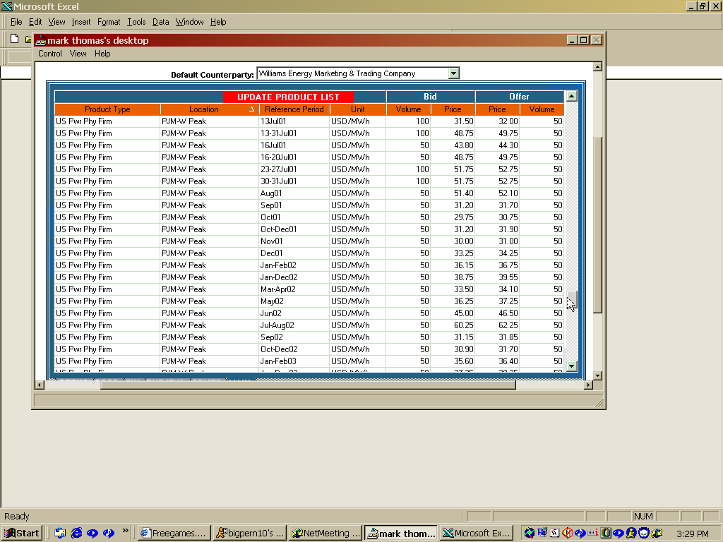

Comed |  |  |  | TVA
 | bid | offer |  |  | bid | offer

 |  |  |  | 2001-10-22 | $21.00 | $21.80
 |  |  |  | Oct 23-Oct 26, 2001 | $21.00 | $22.00
 |  |  |  | Oct 29-Oct 31, 2001 | $22.50 | $23.50
2001-10-22 | $19.00 | $20.00
Oct 22-Oct 26, 2001 | $20.30 | $21.30 |  | November, 2001 | $22.40 | $23.20
Oct 29-Oct 31, 2001 | $21.50 | $22.40 |  | December, 2001 | $25.00 | $26.00
November, 2001 | $21.75 | $22.60 |  | Jan/Feb 2002 | $27.20 | $28.00
December, 2001 | $24.15 | $25.15 |  | Cal 2002 | $30.75 | $32.00
Jan/Feb 2002 | $26.50 | $27.40 |  | March/April , 2002 | $25.25 | $26.20
Jul/Aug 2002 | $48.00 | $49.00 |  | May, 2002 | $27.25 | $28.75
 |  |  |  | June, 2002 | $36.25 | $37.50
 |  |  |  | July/August, 2002 | $47.75 | $49.00
 |  |  | $26.50 | Sept, 2002 | $24.70 | $25.50
 |  |  |  | Q4, 2002 | $25.20 | $26.50
 |  |  |  | Cal 2003

PJM |  |  |  | SOCO
 | bid | offer |  |  | bid | offer
 |  |  |  | 2001-10-22 | $27.50 | $28.50
 |  |  | $52.75 | Oct 23-Oct 26, 2001 | $27.00 | $28.00
2001-11-01 | $27.00 | $27.90 |  | Oct 29-Oct 31, 2001 | $27.00 | $28.00
December, 2001 | $29.40 | $30.45 |  | November, 2001 | $27.25 | $28.00
 |  |  |  | December, 2001 | $28.50 | $29.25
Jan/Feb 2002 | $34.00 | $34.95 |  | Jan/Feb 2002 | $31.80 | $32.50
Cal 2002 |  |  |  | Cal 2002
March/April , 2002 | $31.40 | $32.30 |  | March/April , 2002 | $29.10 | $29.85
May, 2002 | $34.60 | $35.30 |  | May, 2002 | $31.70 | $32.50
June, 2002 | $44.75 | $45.60 | $91.00 | June, 2002 | $41.80 | $42.55
July/August, 2002 | $57.00 | $57.75 |  | July/August, 2002 | $52.60 | $53.50
Sept, 2002 | $30.75 | $31.40 |  | Sept, 2002 | $27.75 | $28.55
Q4, 2002 | $31.10 | $31.60 |  | Q4, 2002 | $27.80 | $28.50
Cal 2003 | $38.10 | $39.00 |  | Jan/Feb 2003 | $32.15 | $33.00
Cal 2004 | $38.00 | $39.00 |  | March/April, 2003 | $30.00 | $30.80
 |  |  |  | May, 2003 | $31.90 | $32.80
 |  |  |  | June, 2003 | $41.20 | $42.00

