Retained Value or Liability
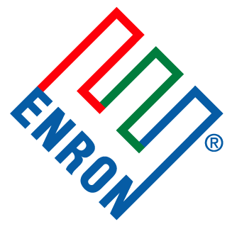
 |  |  |  |  |  | *For internal use only

Disposed Assets
Status of Retained Value or Liability
As of April 25, 2001

 |  | Investment Name | Funding Vehicle | Type of Investment | Retained Value or Liability | Resolution/Comments

 | Retained Assets

 |  | Allied Integrated Materials (LSI) | JEDI II | Equity - Private | 29.5% LP Interest | Active in Special Assets

 |  | Basic Energy | JEDI II | Equity - Private | Cash flow participation | Active in Special Assets

 |  | Blue Moon Holdings LLC | B/S | Equity - Private | Remaining LLC Interest | Will be reviewed by Legal.

 |  | Eugene Offshore Holdings LLC | JEDI I | Equity - Real Property | Exploration option (EI 30) | Special Assets to monitor.

 |  | Forman Petroleum Co. | JEDI I | Equity - Real Property | Retained ORRI | Active in Energy Capital Resources.

 |  | Forrest Oil | JEDI | Equity - Public | Common Stock - Settlement of FORCE Energy VPP deficiency | Active in Energy Capital Resources

 |  | Midwest Gas Storage | JEDI I | Debt | Equity - Income Participation | Special Assets to monitor.

 |  | Neutralysis Industries Development Company | B/S | Equity - Private | Retained Warrants | Active in Special Assets

 |  | Southwest Royalties | JEDI I | Equity - Private | Retained Warrants | Active in Special Assets

 |  | Sweetwater Gas Partners LP | JEDI I | Equity - Real Property | WI/ORRI from Farmout | Will be reviewed by Landman/Legal.

 | Bankruptcy / Guarantor Claim

 |  | Costilla Energy, Inc | JEDI II & B/S | Equity - Public | Bankruptcy | Special Assets and Legal to monitor bankruptcy proceedings.

 |  | Hogan Exploration LLC | B/S | Equity - Private | Active Bankruptcy | Special Assets and Legal to monitor bankruptcy proceedings.

 |  | Ice Drilling | EnSerCo | Debt | Guarantors - C$1.6MM balance | Active in Special Assets

 | Bankruptcy / Guarantor Claim

 |  | Noram Offshore Ltd | EnSerCo | Debt | Guarantors & other collateral | Active in Special Assets

 |  | Qualitech Steel Corporation | B/S | Debt | Active Bankruptcy | Special Assets and Legal to monitor bankruptcy proceedings.

 | Legal Documentation Closure Required

 |  | Browning Exploration LP | JEDI II | Equity - Private | Partnership interest in Browning | Legal to prepare assignment documents - 2Q-01

 |  | KMS | B/S | Equity - Private | Retained Joint Venture Interest | Legal to unwind in 2Q-01.

