Sheet1
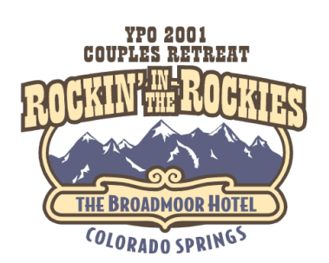

OFFSITE ACTIVITIES

Please choose your offsite activity from the following list and return with payment to
Cheryl Sluder, Del Papa Distributing, 6702 Broadway, Galveston, TX 77554 no later
than July 15, 2001. Please make check payable to: YPO Couples Retreat 2001.

Activities | Cost

Hot Air Balloon Flight | $350 per couple
Big Horn Canyon Rafting Trip | $150 per person
Jeep Tour/Cog Train Tour | $125 per person
River Fly Fishing | $180 per person
Broadmoor Golf | $200 per person
Pikes Peak Rock Climbing | $110 per person
NORAD | FREE

Member Name | Offsite Selection | Cost

 |  |  | TOTAL

Spouse/Guest | Offsite Selection | Cost

Member Social Security #
Spouse/Guest Social Security #

Reminder: in order to attend the NORAD event, I MUST have your social security
number in order to obtain clearance. Thanks.

