Directions
Barton Creek Conference Center:
From Houston: From North Houston, Hwy. 290 west intersects with IH-35 in Austin. Turn left and enter IH-35 south.
Exit on Ben White Blvd. and turn right.

From Central & South Houston, take IH-10 to Hwy. 71 as it turns into Ben White Blvd. in Austin, at
IH-35.

For either route from Houston, Follow Ben white Blvd./Hwy. 71 west to the exit for Loop 360 to the right
and follow Loop 360 North to the exit for RR 2244/Bee Caves Rd. Make a left on RR 2244 and continue
1 mile to Barton Creek Blvd. Make a left on Barton Creek Blvd. and go 1.8 miles to Barton Club Drive
and turn left. Proceed to the Executive Conference Center (third building on the left) for guest check

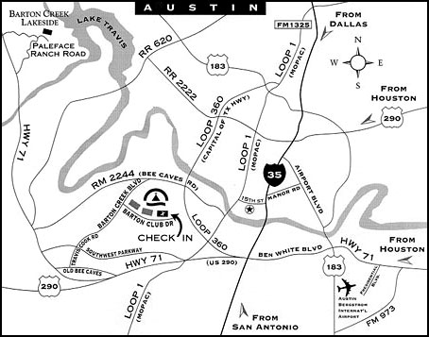

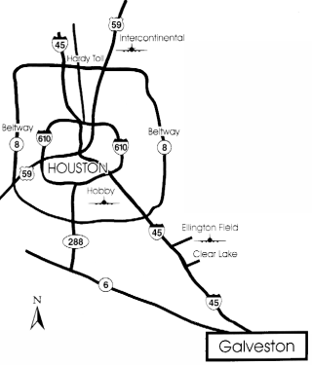
San Luis Resort:

 | An easy to reach destination that's perfect for corporate or association meetings,
 | The San Luis Resort Spa & Conference Center on Galveston Island is less than an
 | hour's drive from Houston, three hours from Austin and five hours from Dallas/Ft.
 | Worth.

 | Transportation directly to The San Luis is available from both Houston airports with
 | advance reservations. In addition, The San Luis is conveniently located just minutes
 | from the Galveston Airport and Interstate 45.

 | From Houston take Interstate 45 South to Galveston. Take the 61st Street Exit and
 | turn right on 61st Street. Stay on 61st Street to Seawall Boulevard. Turn left at
 | Sewall Boulevard. The San Luis Resort is located on the left at 53rd Street and
 | Seawall Boulevard.

 | 5222 Seawall Boulevard Galveston Island, TX 77551-4098

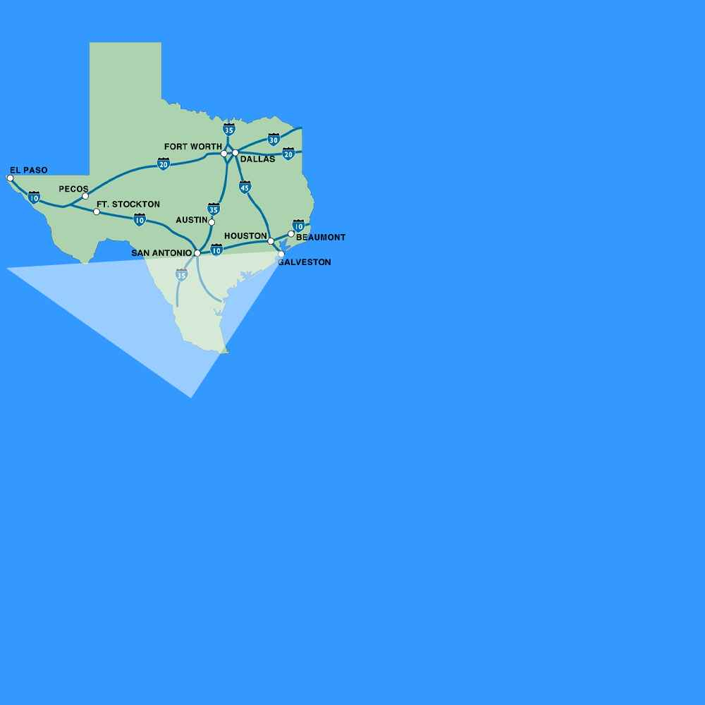
Moody Gardens:

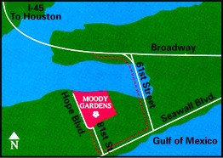

 |  | From I-45 south, exit 61st Street. Right on 61st Street
 |  | and again on Seawall Boulevard. Right on 81st Street
 |  | to Jones Road. Left on Hope Boulevard to Moody
 |  | Gardens.

Southshore Harbour:

 | Located south of Houston, exit 518, east of I-45. Year-round
 | resort and conference center on the south side of Clear
 | Lake, across from NASA/Johnson Space Center. 15 miles
 | (20 minutes) from Houston Hobby Airport. Complimentary
 | shuttle for Houston Hobby, Ellington Field and Houston Gulf
 | Airport (with 24-hour advance reservations).

 | 2500 South Shore Boulevard
 | League City, Texas 77573

