Sheet1
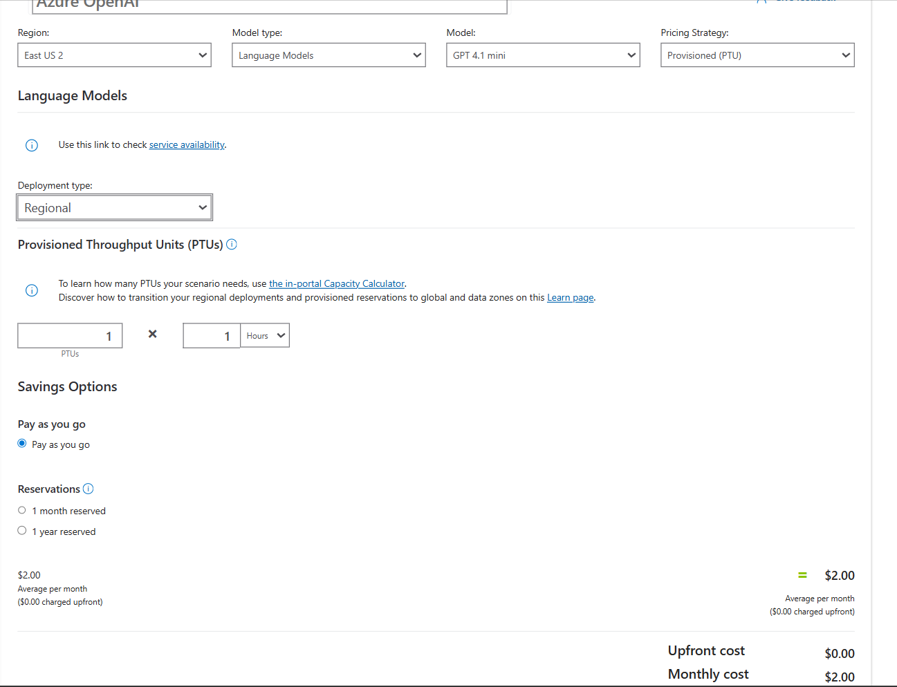
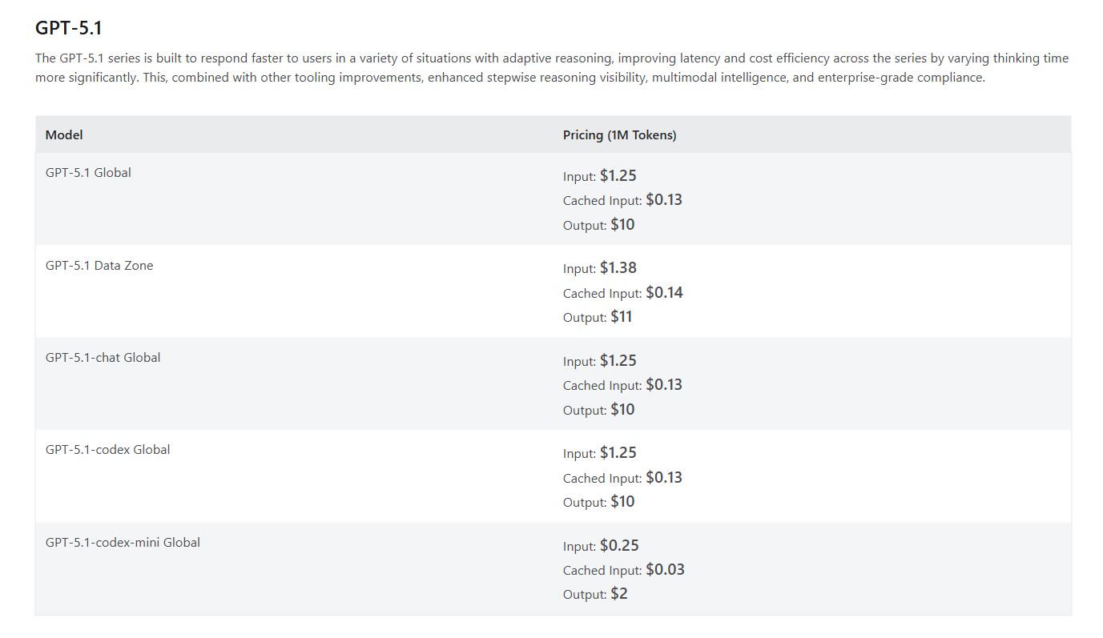
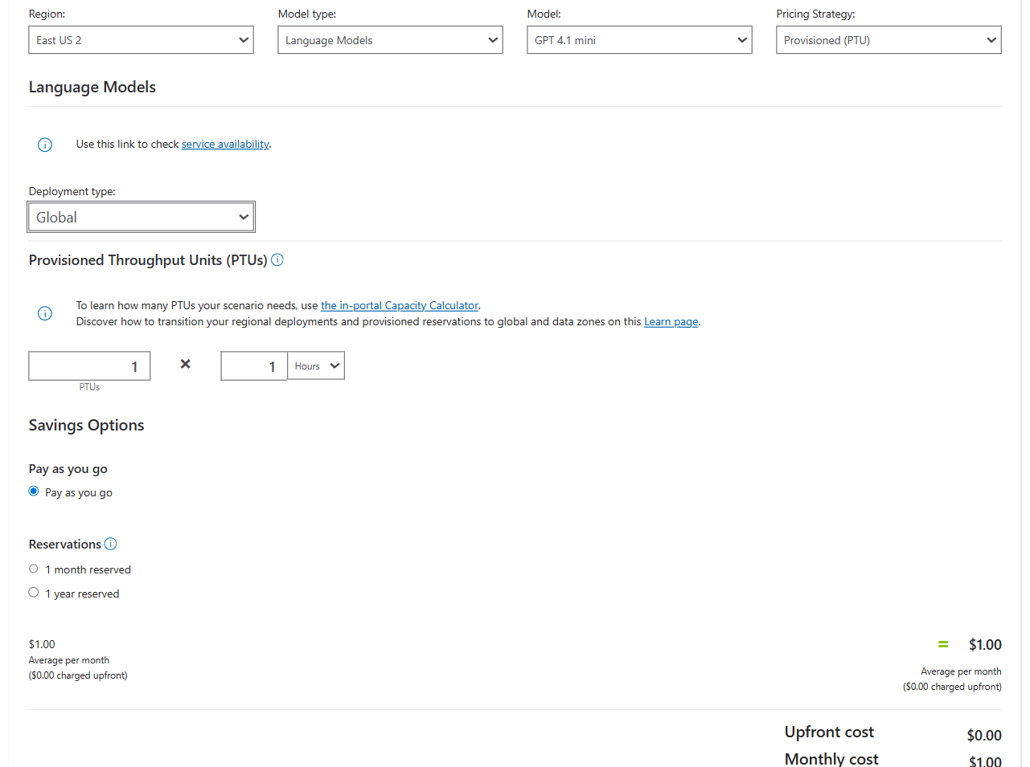
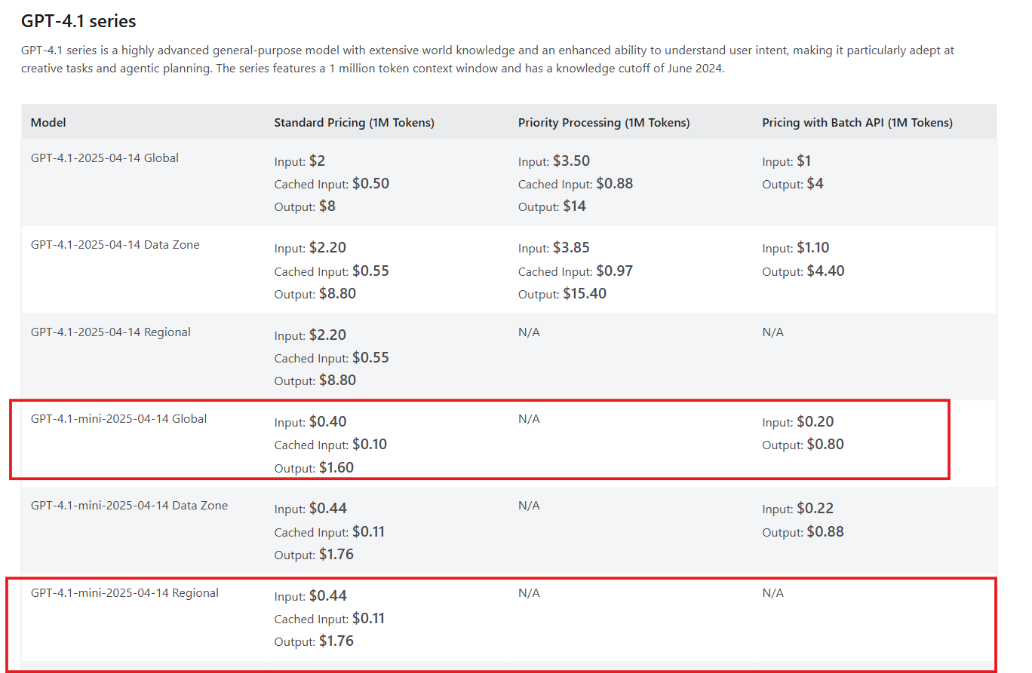
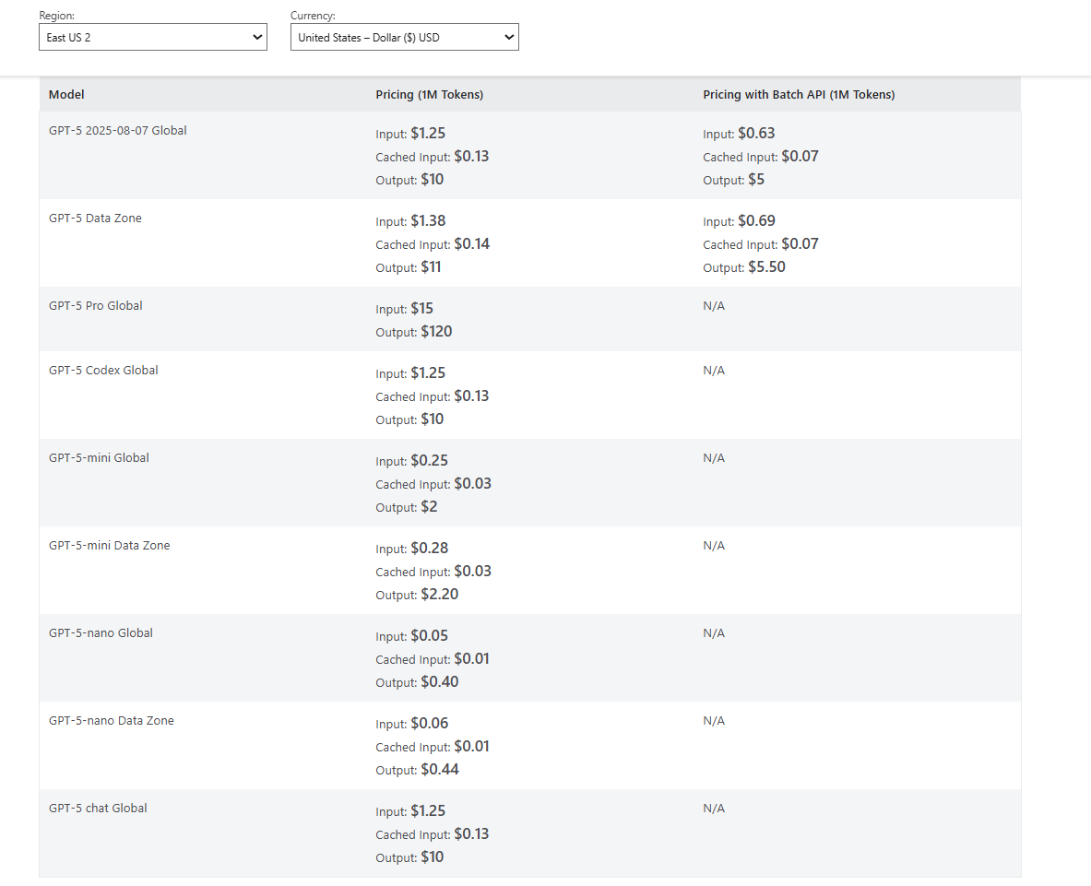
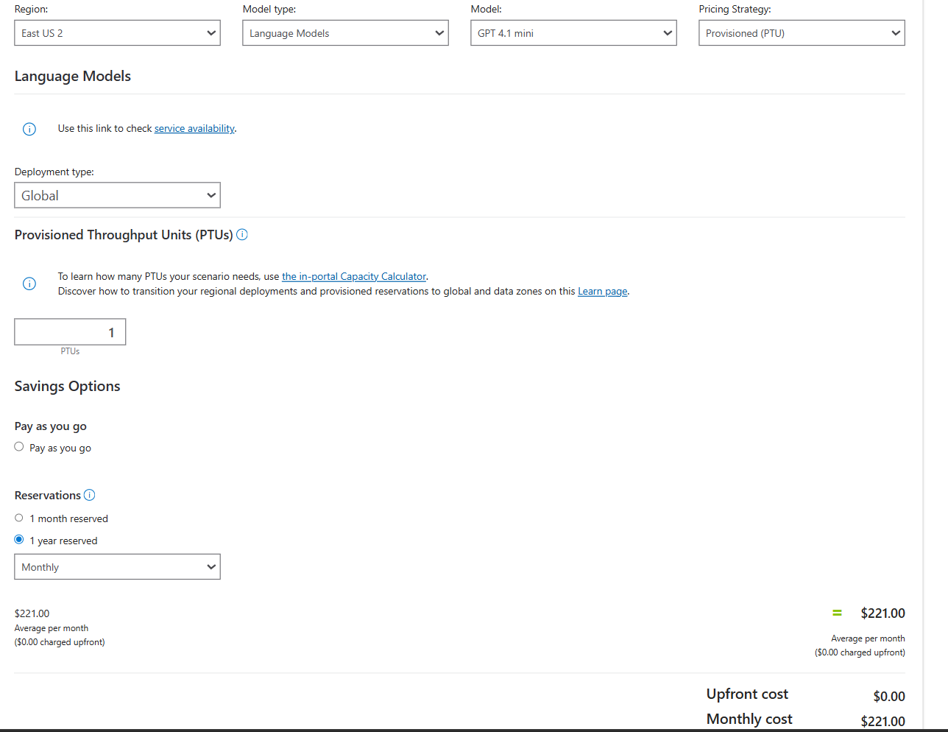
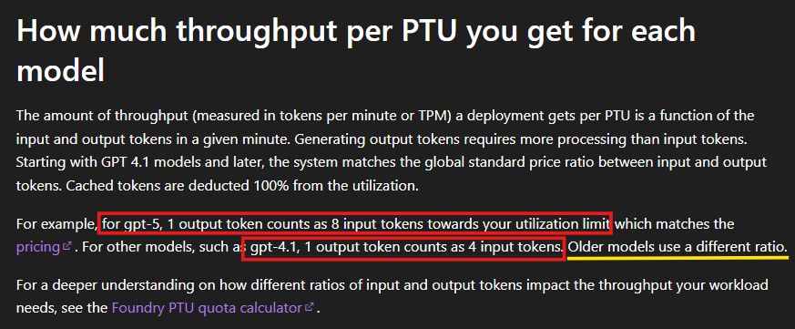
As Dec 29, 2025
*All pricing is to be used in an estimated comparison manner only.
**This document does not create any legal obligations on the part of either party.

Tokens per minute (TPM) | Input / Output | Tokens per month (730 hours)
6,000,000 | Input | 4,380,000,000
1,000,000 | Output | 730,000,000
gpt4 | Output by 4 | 4,000,000 |  | For gpt4, 1 output token counts as 4 input tokens. For 6000K input & 1000K*4=4000K output for PTU thoughput |  |  |  | https://learn.microsoft.com/en-us/azure/ai-foundry/openai/how-to/provisioned-throughput-onboarding?view=foundry-classic#latest-azure-openai-models
gpt5 | Output by 8 | 8,000,000 |  | for gpt-5, 1 output token counts as 8 input tokens towards your utilization limit. For 6000K input & 1000K*8=8000K output for PTU thoughput

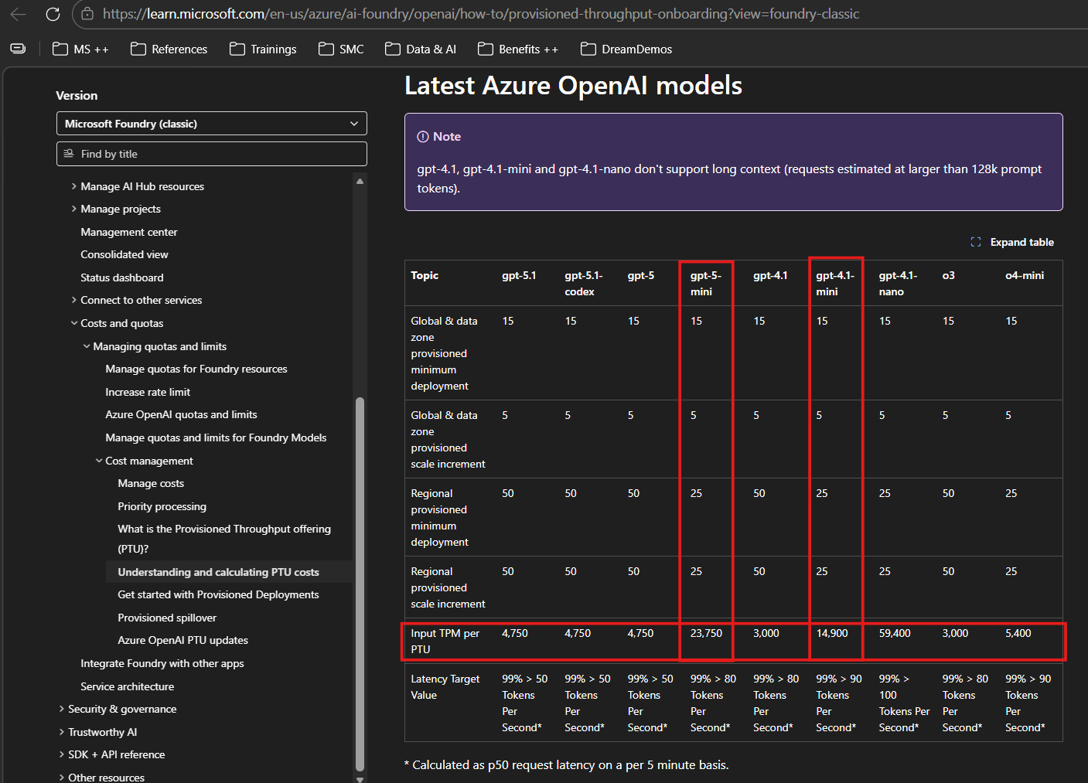
GPT 4.1 flavors (Global and Regional PTU)
Model | Input + Output TPM (see details above) Input TPM per PTU | Input TPM per PTU |  | PTU | Minimum PTU Deployment | PTU Purchased | Hourly | Monthly Reservation | Yearly Reservation
GPT-4.1-nano Global | 10,000,000 | 59400 | https://learn.microsoft.com/en-us/azure/ai-foundry/openai/how-to/provisioned-throughput-onboarding?view=foundry-classic#latest-azure-openai-models | 168.350 | 25 | 200 | $146,000 | $52,000 | $44,200
GPT-4.1 Mini Global | 10,000,000 | 14900 |  | 671.141 | 25 | 700 | $511,000 | $182,000 | $154,700
GPT-4.1 Mini Regional East US 2 | 10,000,000 | 14900 |  | 671.141 | 25 | 700 | $1,022,000 | $200,200 | $170,100
 |  |  |  |  |  |  | per month (730 hours) | per month | per month (billed yearly)

GPT 5 flavors (Global PTU)
Model | Input + Output TPM (see details above) Input TPM per PTU | Input TPM per PTU |  | PTU | Minimum PTU Deployment | PTU Purchased | Hourly | Monthly Reservation | Yearly Reservation
GPT-5-mini Global | 14,000,000 | 23750 |  | 589.474 | 25 | 600 | $985,500 | I'm using the pricing list for now, but we should switch to the pricing calculator for accuracy. This is just an estimate and may change. We'll also need to review reservation prices once available.
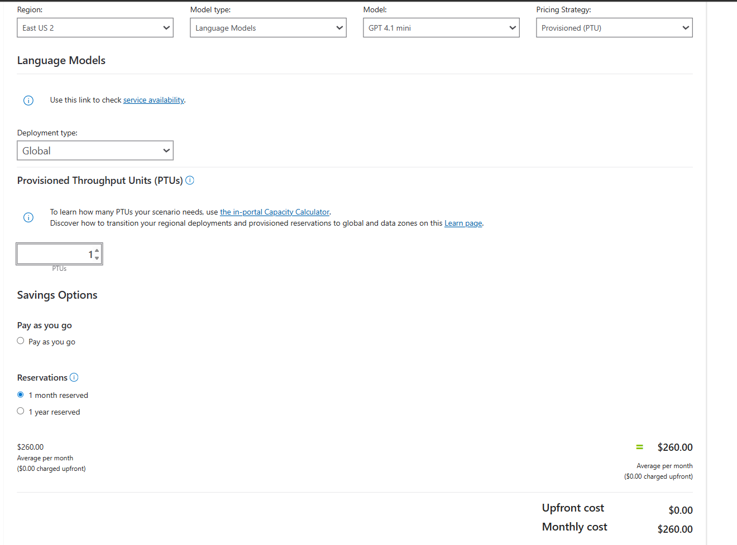
 |  |  |  |  |  |  | per month (730 hours) | per month | per month (billed yearly)

