LeaderBoard
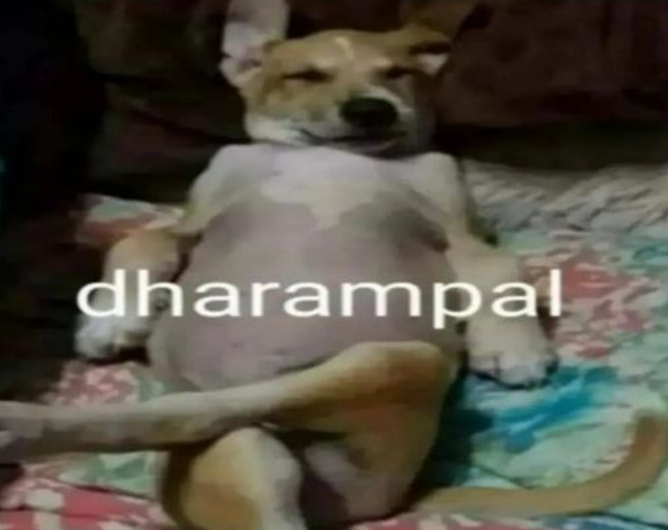
Name | Couses | Skill Badge | Gen Ai
Nikita Kumari | 4 | 4 | 1
Harsh Pal | 4 | 4 | 1
Harsh Tyagi | 4 | 4 | 1
Kashish Sangal | 4 | 4 | 1
Chhavi Tyagi | 4 | 4 | 1
Dipanshi Gupta | 4 | 4 | 1
Aahana Shukla | 4 | 4 | 1
Ravi kargeti | 4 | 4 | 1
Manmohan F | 4 | 4 | 1
Aniketa Kumari | 4 | 4 | 1
Aniketa Kumari | 4 | 4 | 1
jatin thakur | 4 | 4 | 1
Vani Gupta | 4 | 4 | 1
Ishita Malik | 4 | 4 | 1
YOGITA BISHT | 4 | 4 | 1
Kumar Kartikeya | 4 | 4 | 1
Keshav Malik | 4 | 4 | 1
Devesh Tripathi | 4 | 4 | 1
Prateek Tiwari | 4 | 4 | 1
Vaibhav singh | 4 | 4 | 1
Aditri chattaraj | 4 | 4 | 1
Smrita Shukla | 4 | 4 | 1
Akshit Sachdeva | 4 | 4 | 1
Rajat Gupta | 4 | 4 | 1
Vidhi Rawat | 4 | 4 | 1
Aarav Jain | 4 | 4 | 1
Krish Kanti Patel | 4 | 4 | 1
ANSH KUMAR VERMA | 4 | 4 | 1
Aditya Mishra | 4 | 4 | 1
PULKIT GAHLOT | 4 | 4 | 1
Yash Kaushik | 4 | 4 | 1
Mayank Kumar | 4 | 4 | 1
Abhinav Gupta | 4 | 4 | 1
Sneha Kaushik | 4 | 4 | 1
Rishikesh gupta | 4 | 4 | 1
Darshil Kumar | 4 | 4 | 1
Zainab Asif | 4 | 4 | 1
Ragini Pathak | 4 | 4 | 1
Karan joshi | 4 | 4 | 1
Puneet Kumar Jadon | 4 | 4 | 1
utkarsh Aggarwal | 4 | 4 | 1
Aqqib hassan | 4 | 4 | 1
Richa Malhotra | 4 | 4 | 1
Himanshi Rana | 4 | 4 | 1
Kushagra dubey | 4 | 4 | 1 | Status | Responsiblity
Geetika paliwal | 4 | 4 | 0 |  | Ishita
Arya Bhagwan Walse | 4 | 1 | 1 |  | aditya
Mohd Suhel Khan | 3 | 0 | 0 |  | Kar-thicc
Kabir Shukla | 3 | 0 | 1 |  | aditya
Adarsh Rawat | 3 | 2 | 1 |  | kthic
Parth yadav | 3 | 0 | 1 |  | Ishita
Shirshak Kumar | 3 | 4 | 1 |  | aditya
Aditya Srivastava | 3 | 0 | 0 |  | aditya
Satyendra Singh | 3 | 3 | 0 |  | Keshav
Mayank Chauhan | 3 | 3 | 0 |  | kthic
Arjun Dhawan | 0 | 0 | 0 | Shru krna h | Ishita
Aakarsh Mishra | 0 | 0 | 0 | Account lena h | Keshav Malik
Deeksha Jain | 0 | 0 | 0 |  | Kar-thicc
Anant Singhal | 0 | 0 | 0 |  | Harsh ko de denge
vidhi singh | 0 | 0 | 0 |  | kthic

