Sheet2
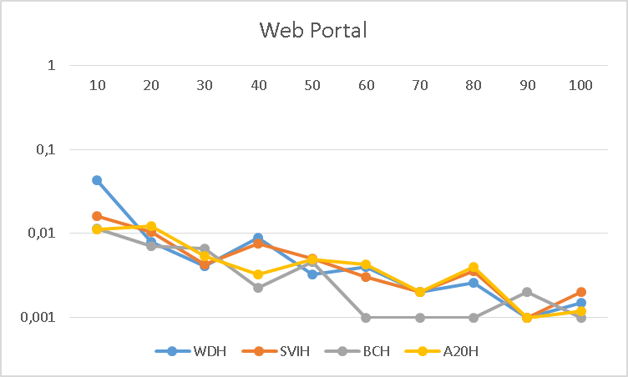
 | WDH | SVIH | BCH | A20H
10 | 0.042870681145 | 0.0161 | 0.011368421053 | 0.011186440678
20 | 0.0079655172414 | 0.0103125 | 0.0070253164557 | 0.012315789474
30 | 0.0040909090909 | 0.0042857142857 | 0.0066279069767 | 0.0054
40 | 0.0089679715302 | 0.0076363636364 | 0.00225 | 0.0032727272727
50 | 0.0032727272727 | 0.0050602409639 | 0.0046153846154 | 0.0048558139535
60 | 0.004 | 0.003 | 0.001 | 0.0042857142857
70 | 0.002 | 0.002 | 0.001 | 0.002
80 | 0.0025714285714 | 0.0036 | 0.001 | 0.004
90 | 0.001 | 0.001 | 0.002 | 0.001
100 | 0.0015 | 0.002 | 0.001 | 0.0012

Web Portal

