Cover


 | Web Programming Project |  | TEAM 11:

 | SCRUM |  | Heidrich, Lorand - Scrum Master
 |  |  | Kaikas, Evangelos - Head of Validation
 |  |  | Kovacs, Daniel - Database Manager

 |  |  | 2021 HÄMK
Forum Nightclub

 |  | Product Backlog

 |  | Sprint Planning

 |  | Sprint 1 Backlog

 |  | Sprint 2 Backlog

 |  | Sprint 3 Backlog

 |  | Review

 |  | Sprint Retrospective

Guide
Product Backlog:
- It is a priority list of user requirements to develop a software or an application.
- Product owner owns this document
- Product owner prioritize the user requirements based on the customer feedback or business value
- The user requirements are written in the form of user stories which are explained in detail
- The product backlog is like a repository that act as an input to the sprint backlog.
- In simple sentence, product backlog is simply a wish list for an application.
- Update the product backlog on regular basis
Sprint Backlog
- It is the subset of the product backlog
- Each sprint includes user stories from the product backlog
- Product owner sets the sprint goal for the team
- The team then pick the user stories to fulfill those goals
- The user stories that are moved to sprint are then owned by the scrum team
- It is important to put the sprint goals as static as possible.
- During sprint planning, the team pics the recently prioritized user stories from the product backlog.
- Spring backlog is an output of the sprint planning meeting

User Story
A user story is simply a description of a feature that is described in users own words. Therefore, it is extremely important to recognize the users. A user is the user of a system. When writing user stories, it is also beneficial to explain the business value first.
The user story are written as:
As a (user), I want to ..... so that ......
Examples:
As an administrator, i want to be able to create new user accounts.
As a student, I should be able to upload assignemtns in the Moodle.
As a student, I want to be able to change my password.
Example with business value (recommended)
In order to find the cheapest price, as a buyer i want to compare prices.
In order to check grades in quick time, as a student I want to be able to see all my grades in one page.
Story Points (next module)
- They are a unit of measures for expressing an estimate of the overall effort that is needed to implement a produc backlog item.
- The estimation is done by assigning a point value to each item.
- The raw values that is assigned is not important however the relative values matters.
- Let us assume that one of your story is assigend a vlaue 1 and other other story 2. The one with the value 2 means that it requires dobule effort that the story with the value 1. It means the value itself does not matter but the ratios matter.
- When deciding story points, you need to take into account the amount, complexity and any risk or uncertaninty in doing the work.

 | Workflow for scrum practices
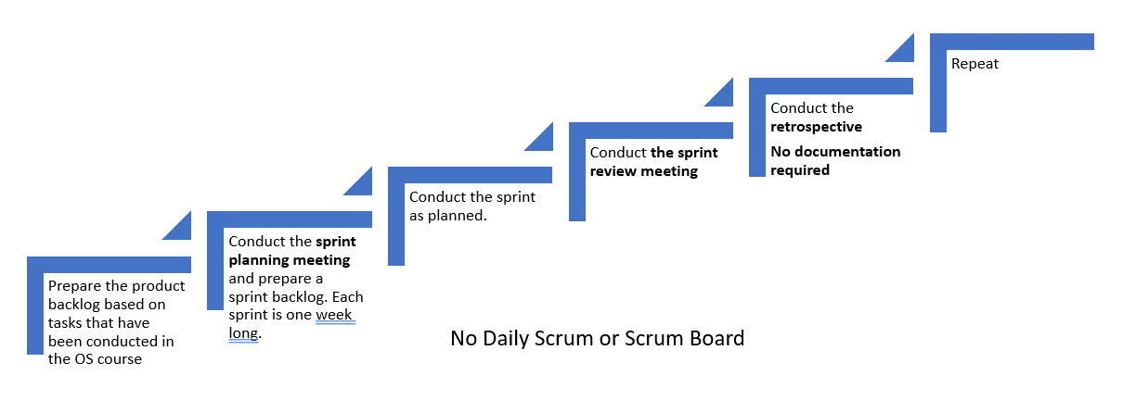

Note: Sprint review and retrospective for the last week is done during the demonstration.

Sprint Planning Meeting
Sprint Planning
- Sprint planning is done at the beginning of each sprint with the participation of the entire scrum team.
- During the sprint planning meeting, the scrum team decides what will be delivered at the end of the sprint by turning the highest priority features on the product backlog into detailed tasks.
- This process creates the sprint backlog.
- The sprint planning meeting focuses on answering two main questions:
1) What needs to be done? and
2) How will it be done?
The sprint goal is also defined during the sprint planning meeting.
Src: https://www.lucidchart.com/
Sprint Planning
Sprint | Participants
Sprint1 | Daniel Kovacs | Evangelos Kaikas | Lorand Heidrich
Location: Online | Attended | Attended | Attended
Date: Feb. 10, 21 | Suomi | Greece | Hungary
Sprint 2 | Daniel Kovacs | Evangelos Kaikas | Lorand Heidrich
Location: Online | Attended | Attended | Attended
Date: Feb. 17, 21 | Suomi | Greece | Hungary
Sprint 3 | Daniel Kovacs | Evangelos Kaikas | Lorand Heidrich
Location: Online | Attended | Attended | Attended
Date: Feb. 24, 21 | Suomi | Greece | Hungary

Sprint Review
Team presents what it accomplished during the sprint
Typically takes the form of a demo of new features or underlying architecture
Informal
2-hour prep time rule
No slides
Whole team participates
Invite the world
Sprint Review
Sprint | Participants
Sprint 1 | Daniel Kovacs | Evangelos Kaikas | Lorand Heidrich
Online | Online | Online | Online

Sprint 2 | Daniel Kovacs | Evangelos Kaikas | Lorand Heidrich
Online

Sprint 3 | Daniel Kovacs | Evangelos Kaikas | Lorand Heidrich
Online

Summary of the meeting that includes decisions you made.
Sprint 1: Sprint planning: Completed successfully as a team. Tasks were distributed based on selection, dividing the 5 user stories into 4 tasks each.
Daily sprints: Scrum master Oluwole made sure daily sprints were 15 minutes maximum. Next user story tasks were chosen at the end of daily sprints and documented in Meeting Minutes along with completed tasks.
Sprint review: Teamwork has been presented, corrections have been applied based on user story requirements.
Sprint retrospective: All teammates were punctual regarding sprint meeting attendance. Tasks were completed on schedule. Sprint accomplished on schedule. Started 30 Nov 2020, finished 4 Dec 2020.
Sprint is signed off, next sprint begins Monday 7 Dec, 2020.
Sprint Planning Meeting: 16:00 EET
Location: Online

Retrospective
Sprint retrospective
Periodically take a look at what is and is not working
Typically 15–30 minutes
Done after every sprint
Whole team participates
ScrumMaster
Product owner
Team
Possibly customers and others
Just discuss in your team, no documentation required

