Skeena Update to July 16, 2026
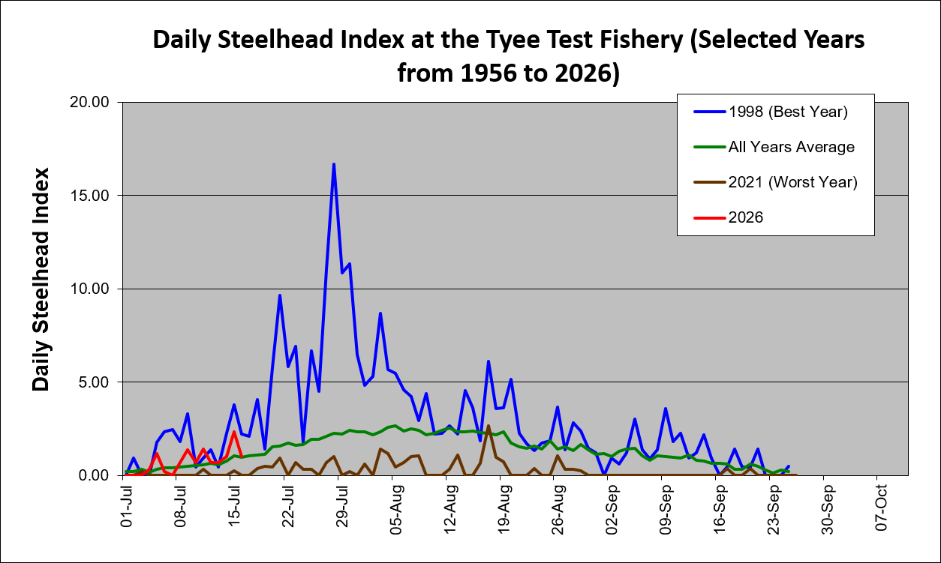

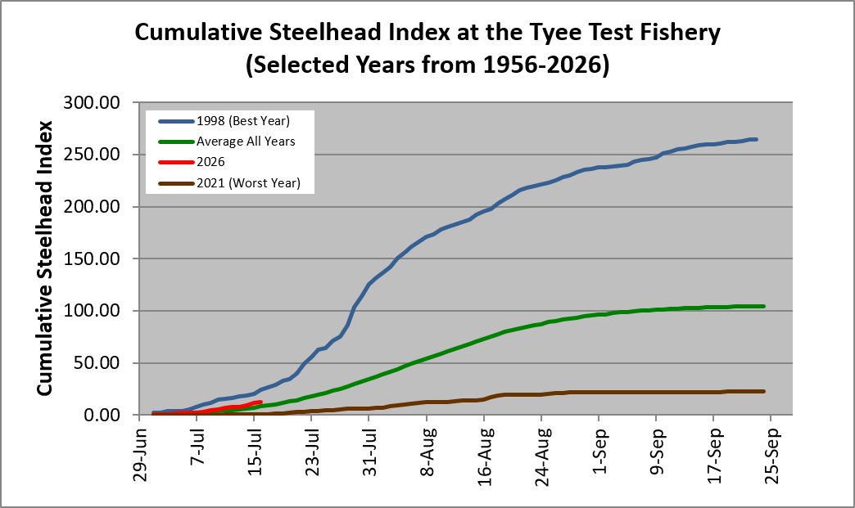

Estimated Escapement of Skeena Summer Steelhead at the Tyee Test Fishery, 1956 - 2026 - All Years to - July 16, 2026
 | Steelhead |  | Routine Management Zone >30% |  | Conservation Concern Zone 10-30% |  | Extreme Conservation Concern Zone <10% |  | . |  | .
1956 | 2024 | 1955 | 23375 | 1955 | 23000 | 1955 | 8000 | 1955 | 35000 | 1955 | 8400
1957 | 858 | 1956 | 23375 | 1956 | 23000 | 1956 | 8000 | 1956 | 35000 | 1956 | 8400
1958 | 1803 | 1957 | 23375 | 1957 | 23000 | 1957 | 8000 | 1957 | 35000 | 1957 | 8400
1959 | 1987 | 1958 | 23375 | 1958 | 23000 | 1958 | 8000 | 1958 | 35000 | 1958 | 8400
1960 | 1548 | 1959 | 23375 | 1959 | 23000 | 1959 | 8000 | 1959 | 35000 | 1959 | 8400
1961 | 1188 | 1960 | 23375 | 1960 | 23000 | 1960 | 8000 | 1960 | 35000 | 1960 | 8400
1962 | 2443 | 1961 | 23375 | 1961 | 23000 | 1961 | 8000 | 1961 | 35000 | 1961 | 8400
1963 | 1730 | 1962 | 23375 | 1962 | 23000 | 1962 | 8000 | 1962 | 35000 | 1962 | 8400
1964 | 2198 | 1963 | 23375 | 1963 | 23000 | 1963 | 8000 | 1963 | 35000 | 1963 | 8400
1965 | 2269 | 1964 | 23375 | 1964 | 23000 | 1964 | 8000 | 1964 | 35000 | 1964 | 8400
1966 | 11699 | 1965 | 23375 | 1965 | 23000 | 1965 | 8000 | 1965 | 35000 | 1965 | 8400
1967 | 2438 | 1966 | 23375 | 1966 | 23000 | 1966 | 8000 | 1966 | 35000 | 1966 | 8400
1968 | 2933 | 1967 | 23375 | 1967 | 23000 | 1967 | 8000 | 1967 | 35000 | 1967 | 8400
1969 | 666 | 1968 | 23375 | 1968 | 23000 | 1968 | 8000 | 1968 | 35000 | 1968 | 8400
1970 | 1848 | 1969 | 23375 | 1969 | 23000 | 1969 | 8000 | 1969 | 35000 | 1969 | 8400
1971 | 816 | 1970 | 23375 | 1970 | 23000 | 1970 | 8000 | 1970 | 35000 | 1970 | 8400
1972 | 1188 | 1971 | 23375 | 1971 | 23000 | 1971 | 8000 | 1971 | 35000 | 1971 | 8400
1973 | 1201 | 1972 | 23375 | 1972 | 23000 | 1972 | 8000 | 1972 | 35000 | 1972 | 8400
1974 | 1338 | 1973 | 23375 | 1973 | 23000 | 1973 | 8000 | 1973 | 35000 | 1973 | 8400
1975 | 194 | 1974 | 23375 | 1974 | 23000 | 1974 | 8000 | 1974 | 35000 | 1974 | 8400
1976 | 488 | 1975 | 23375 | 1975 | 23000 | 1975 | 8000 | 1975 | 35000 | 1975 | 8400
1977 | 1904 | 1976 | 23375 | 1976 | 23000 | 1976 | 8000 | 1976 | 35000 | 1976 | 8400
1978 | 1142 | 1977 | 23375 | 1977 | 23000 | 1977 | 8000 | 1977 | 35000 | 1977 | 8400
1979 | 372 | 1978 | 23375 | 1978 | 23000 | 1978 | 8000 | 1978 | 35000 | 1978 | 8400
1980 | 632 | 1979 | 23375 | 1979 | 23000 | 1979 | 8000 | 1979 | 35000 | 1979 | 8400
1981 | 2433 | 1980 | 23375 | 1980 | 23000 | 1980 | 8000 | 1980 | 35000 | 1980 | 8400
1982 | 5750 | 1981 | 23375 | 1981 | 23000 | 1981 | 8000 | 1981 | 35000 | 1981 | 8400
1983 | 904 | 1982 | 23375 | 1982 | 23000 | 1982 | 8000 | 1982 | 35000 | 1982 | 8400
1984 | 11074 | 1983 | 23375 | 1983 | 23000 | 1983 | 8000 | 1983 | 35000 | 1983 | 8400
1985 | 5758 | 1984 | 23375 | 1984 | 23000 | 1984 | 8000 | 1984 | 35000 | 1984 | 8400
1986 | 2732 | 1985 | 23375 | 1985 | 23000 | 1985 | 8000 | 1985 | 35000 | 1985 | 8400
1987 | 1419 | 1986 | 23375 | 1986 | 23000 | 1986 | 8000 | 1986 | 35000 | 1986 | 8400
1988 | 1257 | 1987 | 23375 | 1987 | 23000 | 1987 | 8000 | 1987 | 35000 | 1987 | 8400
1989 | 899 | 1988 | 23375 | 1988 | 23000 | 1988 | 8000 | 1988 | 35000 | 1988 | 8400
1990 | 2247 | 1989 | 23375 | 1989 | 23000 | 1989 | 8000 | 1989 | 35000 | 1989 | 8400
1991 | 992 | 1990 | 23375 | 1990 | 23000 | 1990 | 8000 | 1990 | 35000 | 1990 | 8400
1992 | 1382 | 1991 | 23375 | 1991 | 23000 | 1991 | 8000 | 1991 | 35000 | 1991 | 8400
1993 | 485 | 1992 | 23375 | 1992 | 23000 | 1992 | 8000 | 1992 | 35000 | 1992 | 8400
1994 | 3719 | 1993 | 23375 | 1993 | 23000 | 1993 | 8000 | 1993 | 35000 | 1993 | 8400
1995 | 554 | 1994 | 23375 | 1994 | 23000 | 1994 | 8000 | 1994 | 35000 | 1994 | 8400
1996 | 1103 | 1995 | 23375 | 1995 | 23000 | 1995 | 8000 | 1995 | 35000 | 1995 | 8400
1997 | 243 | 1996 | 23375 | 1996 | 23000 | 1996 | 8000 | 1996 | 35000 | 1996 | 8400
1998 | 5983 | 1997 | 23375 | 1997 | 23000 | 1997 | 8000 | 1997 | 35000 | 1997 | 8400
1999 | 74 | 1998 | 23375 | 1998 | 23000 | 1998 | 8000 | 1998 | 35000 | 1998 | 8400
2000 | 2007 | 1999 | 23375 | 1999 | 23000 | 1999 | 8000 | 1999 | 35000 | 1999 | 8400
2001 | 221 | 2000 | 23375 | 2000 | 23000 | 2000 | 8000 | 2000 | 35000 | 2000 | 8400
2002 | 1721 | 2001 | 23375 | 2001 | 23000 | 2001 | 8000 | 2001 | 35000 | 2001 | 8400
2003 | 477 | 2002 | 23375 | 2002 | 23000 | 2002 | 8000 | 2002 | 35000 | 2002 | 8400
2004 | 1862 | 2003 | 23375 | 2003 | 23000 | 2003 | 8000 | 2003 | 35000 | 2003 | 8400
2005 | 955 | 2004 | 23375 | 2004 | 23000 | 2004 | 8000 | 2004 | 35000 | 2004 | 8400
...

