FinalExercise(NopCommerce)
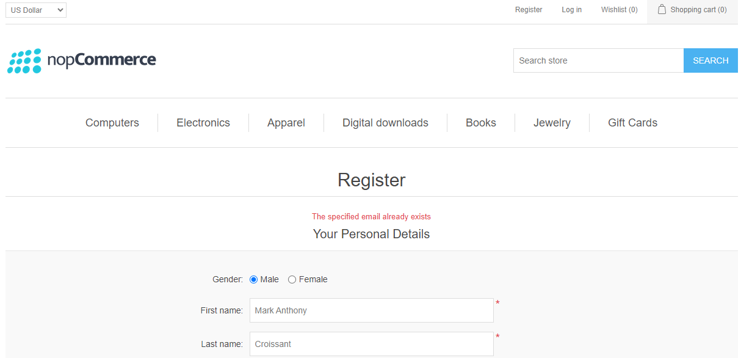
Step No. | Step Description | Expected Result
1 | (1) Launch a browser. | Browser is launched. (2) Maximize it as well.
2 | (3) Go to https://demo.nopcommerce.com/. | (4) Assert PHPTravels Page Logo/Image is displayed/visible. Hint: Use the alt-text for page locators.
3 | (5) Click the Register link on the top right part of the page. | (6) Assert the Register header is displayed/visible.
4 | Fill up the following details: (7) Gender: Check the checkbox according to your gender, | Gender is checked accordingly.
5 | (8) First Name: Provide your own first name. | First name is populated with your own first name.
6 | (9) Last Name: Provide a name or type of bread, i.e. Croissant, Pain au Chocolat, Kabayan etc. | Last name is populated with your preferred bread. Do not provide your actual surname.
7 | Date of Birth: Provide a dummy (10) birth day, (11) month and (12) year. | Date of birth dropdowns are populated.
8 | (13) Email: Provide the email based on this format (lowercase only): <bread type>_<first name>@testemail.com Example: croissant_mark@testemail.com | Email follows the format and is successfully populated. (14) Assert the text value of the email field to be the correct value.
9 | (15) Company Name: Provide any company name you like. | Company name is populated.
10 | (16) Uncheck the Newsletter checkbox. | Newsletter checkbox is unticked. (17) Assert that this checkbox is unchecked.
11 | (18) Password: Provide a unique password. Use the type method instead of fill, with a delay of 250ms. | Password is populated.
12 | (19) Confirm Password: Use the same password created but add any last character at the end. Use the type method instead of fill, with a delay of 250ms. | Confirm password is populated.
 | (20) Click the Register button below. | (21) Assert the text value of the error showing below the Confirm password field: The password and confirmation password do not match.
14 | (22) Update the Confirm password to match the same as the password. Use the type method instead of fill, with a delay of 250ms. | Confirm password is updated. (23) Assert the error element is no longer displayed/visible.
15 | (24) Click the Register button below. | (25) Assert the resulting text value: Your registration completed.
16 | (26) Click Continue button. | (27) Assert the Log out link if displayed/visible.

