SINGLE MATCH TEST SCRIPTS
**user** = Badminton Umpire
AS A **user** I WANT to start a new badminton match game scorer SO THAT I can commence the game match. Acceptance Criteria GIVEN the URL of the application WHEN I launched/visited the URL THEN it will allow me to start a new badminton match game scorer | 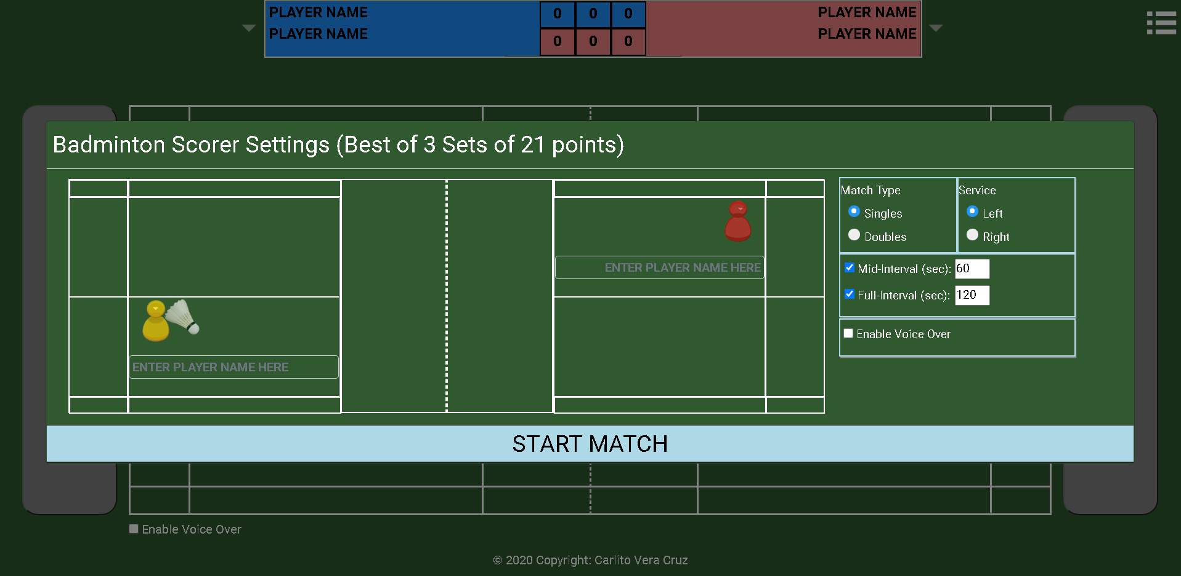
AS A **user** I WANT to to be able to select between singles/doubles match SO THAT I can commence the game match. Acceptance Criteria GIVEN an option to select between singles/doubles match WHEN I select singles match THEN it shows single player on each side of the court GIVEN an option to select between singles/doubles match WHEN I select doubles match THEN it shows two player on each side of the court
AS A **user** I WANT to be able to select the court side who will serve initially SO THAT I can commence the game match GIVEN an option to select between LEFT court server/RIGHT court server WHEN I select LEFT service THEN it places the shuttlecock on the player serving on the LEFT court side GIVEN an option to select between LEFT court server/RIGHT court server WHEN I select RIGHT service THEN it places the shuttlecock on the player serving on the RIGHT court side
AS A **user** I WANT to be able to select/input interval time for mid-game break and full-game break SO THAT interval timer will be enabled/disabled during the game. GIVEN an option to enable/disable MID and FULL interval timer WHEN I tick either and/or both of the timer available THEN it allow/disallow me to input the interval timing.
AS A **user** I WANT to be able to hear the game status with a voice over SO THAT i can hear the score as the game goes GIVEN an option to select voice over WHEN I tick/untick the voice over option THEN voice over of score status will be heard/unheard.
AS A **user** I WANT to be able to input the names for each of the player playing on the court SO THAT I know the player's name on the court. GIVEN an option to input player's name WHEN I input a player's name THEN it reflect's the name of the player/s.
AS A **user** I WANT the system to mock the player's and serving positioning on the court whenever a point is given to a team/player SO THAT i know the current score and where the player/s and serving is positioned on the whole court GIVEN the game match is SINGLES AND serving side is the player on the LEFT AND the player's names provided WHEN i select "START MATCH" THEN the court reflects the settings provided WITH single player on each side of the court AND the player's name AND the serving side (mocked by shuttlecock image) AND the scoreboard initialised to zero | 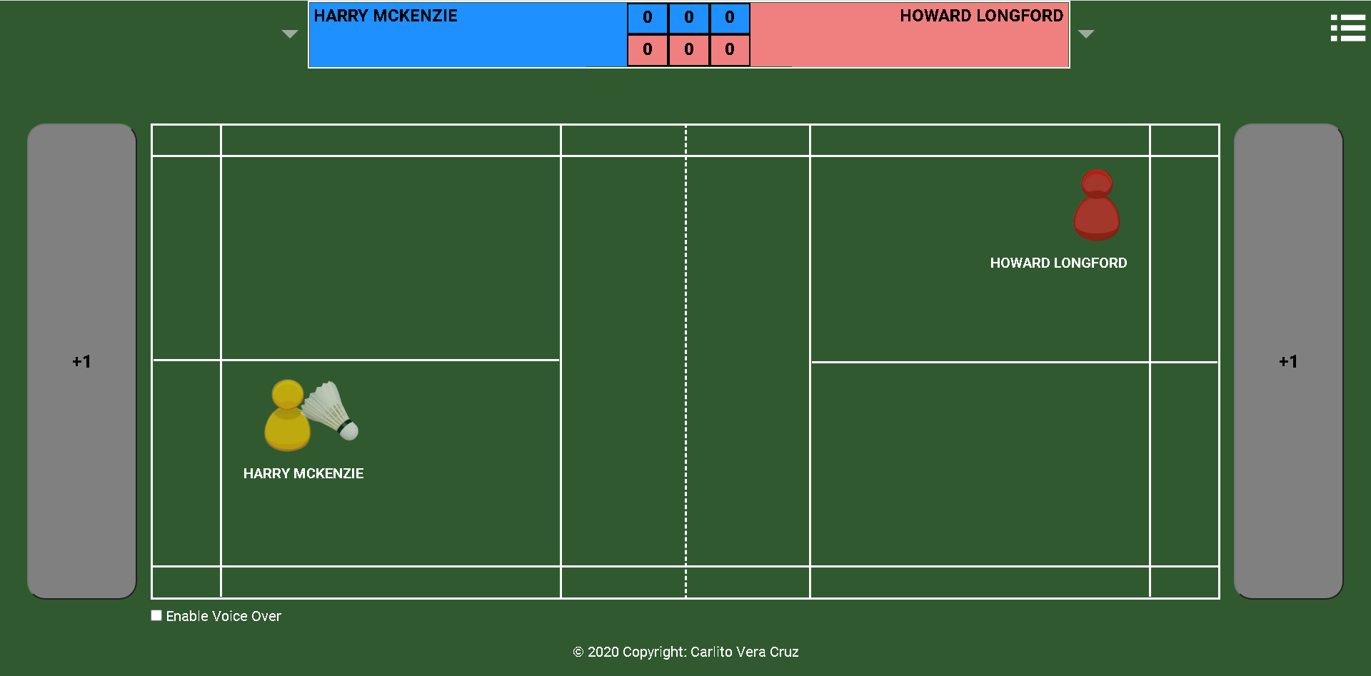
GIVEN the game match initially started WHEN the player on the left scores AND i select the LEFT "score (+)" button THEN the score increment by 1 for the player on the left AND the player on the left court switch to the other side of the left court AND the player on the left will still serve AND the player on the right court switch to the other side of the left court | 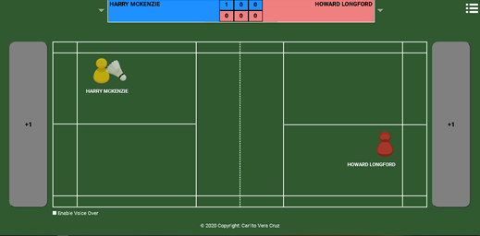
GIVEN the game match initially started WHEN the player on the right scores AND i select the RIGHT "score (+)" button THEN the score increment by 1 for the player on the RIGHT AND the player on the right court switch to the other side of the right court AND the player on the right will now be the one serving AND the player on the left court switch to the other side of the left court | 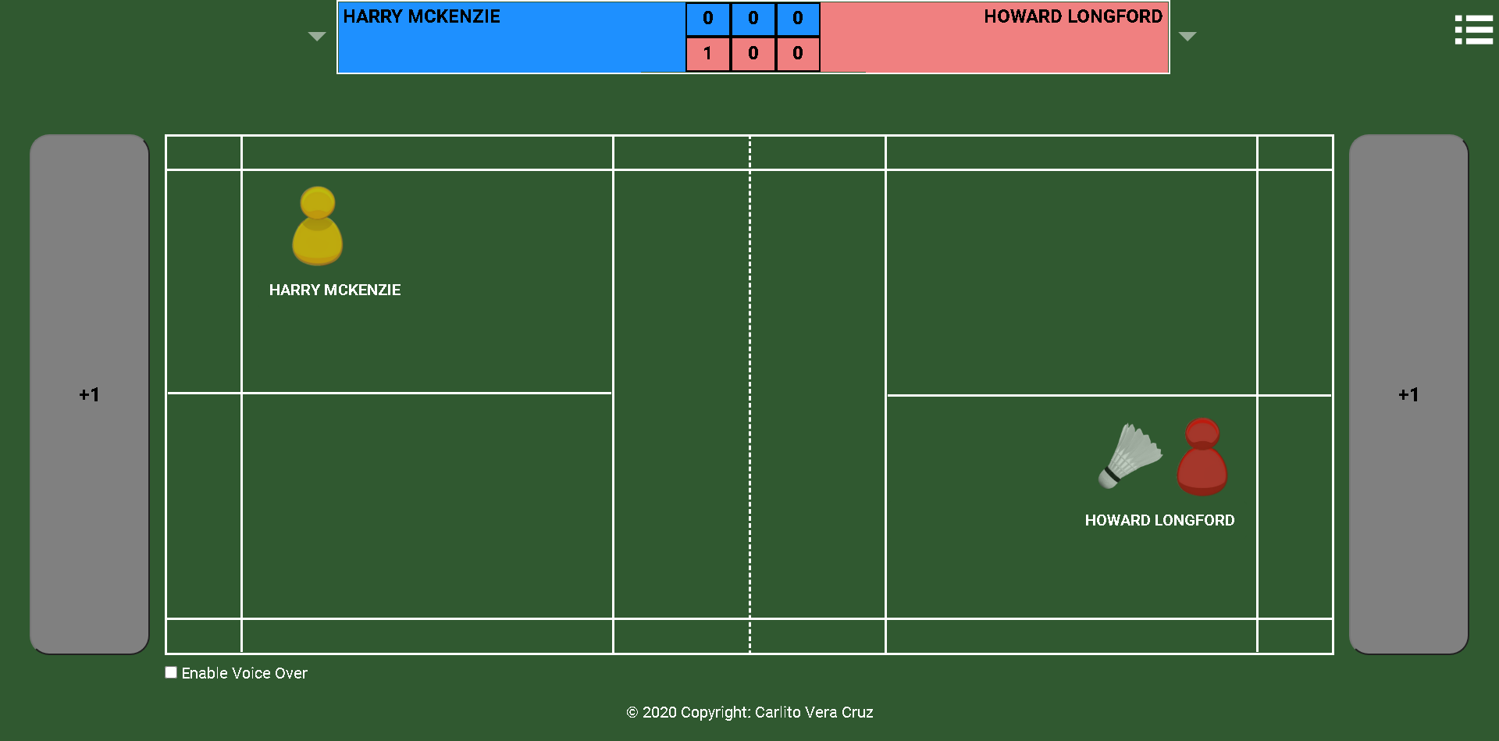
GIVEN the game match already started AND the game set is the first set (or second set) AND the MID INTERVAL timer on game settings was selected WHEN both player score is less than 11 AND a player score reached 11, which is the interval score THEN the MID INTERVAL timer is triggered and pops up and the countdown timer begin AND when timer reaches zero, timer disappears and the game continue | 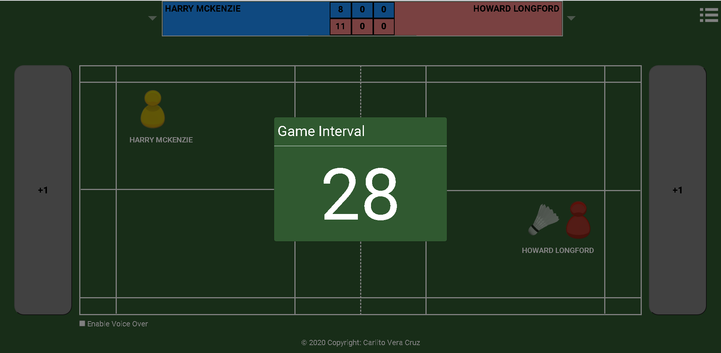 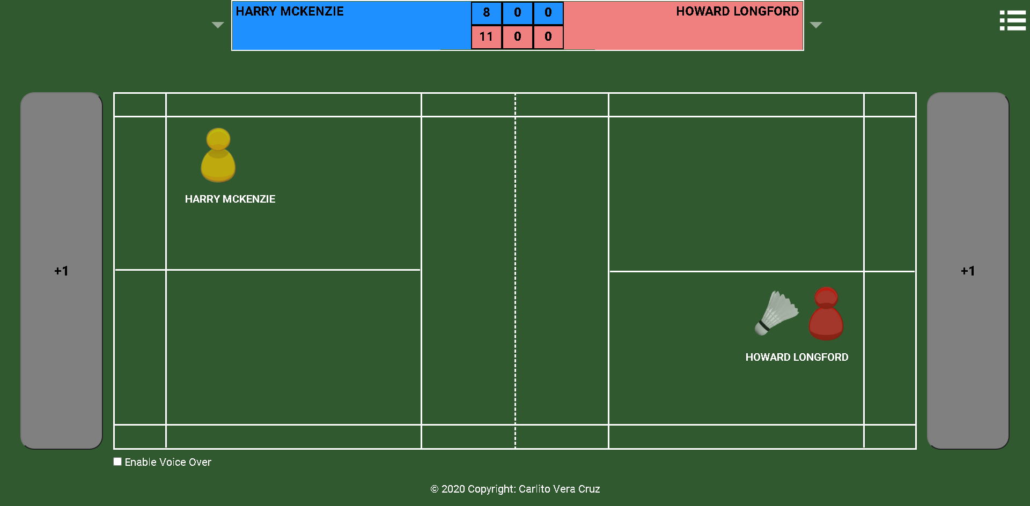
GIVEN the game match continues AND the game set is the first set AND the FULL INTERVAL timer on game settings was selected WHEN both player score is less than 21 AND a player score reached 21 AND the other player score is less than or equal to 19 THEN the FULL INTERVAL timer is triggered and pops up and the countdown timer begin AND when timer reaches zero,next game set start AND players switch court side AND the player who reached 21 points will serve on the right side of the court. | 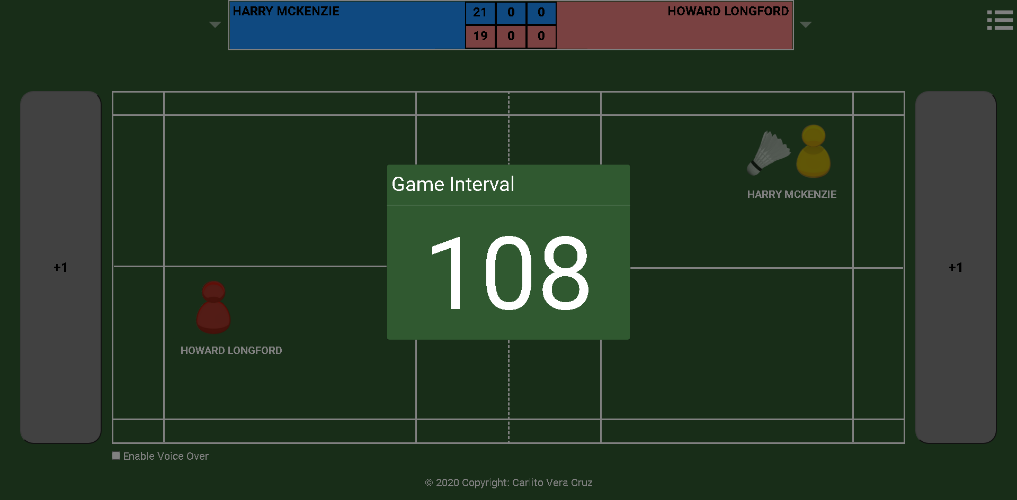 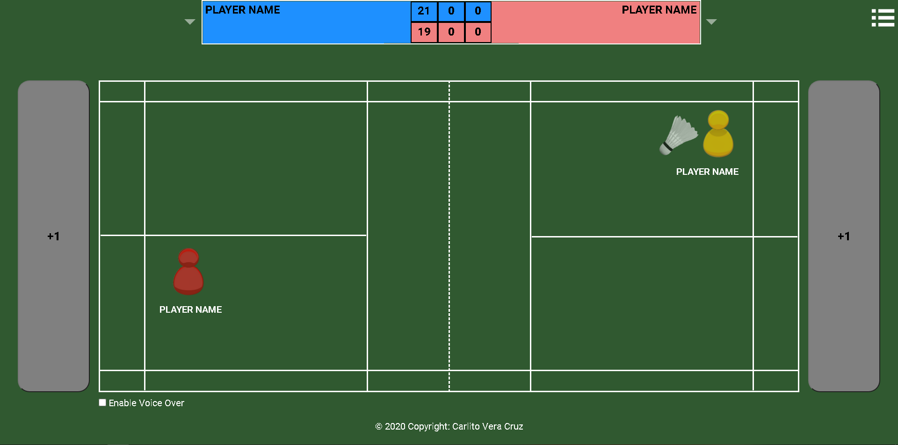
GIVEN the game match continues WHEN both player score is greater than or equals 20 AND a player score difference from the other player score is 2 THEN the FULL INTERVAL timer is triggered and pops up and the countdown timer begin AND when timer reaches zero,next game set start AND players switch court side AND the player who reached the difference of 2 in points will serve. | 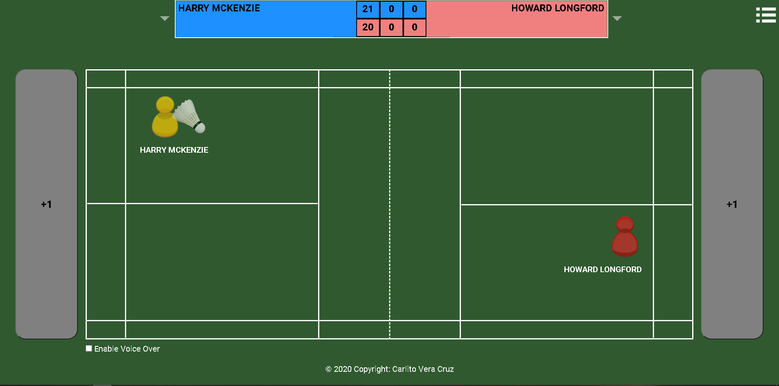 
GIVEN the game match continues WHEN both player score is 29 AND a player score on the next service, score is 30 THEN the FULL INTERVAL timer is triggered and pops up and the countdown timer begin AND when timer reaches zero, current game set ends AND players switch court side AND the player who reached score of 30 will serve. | 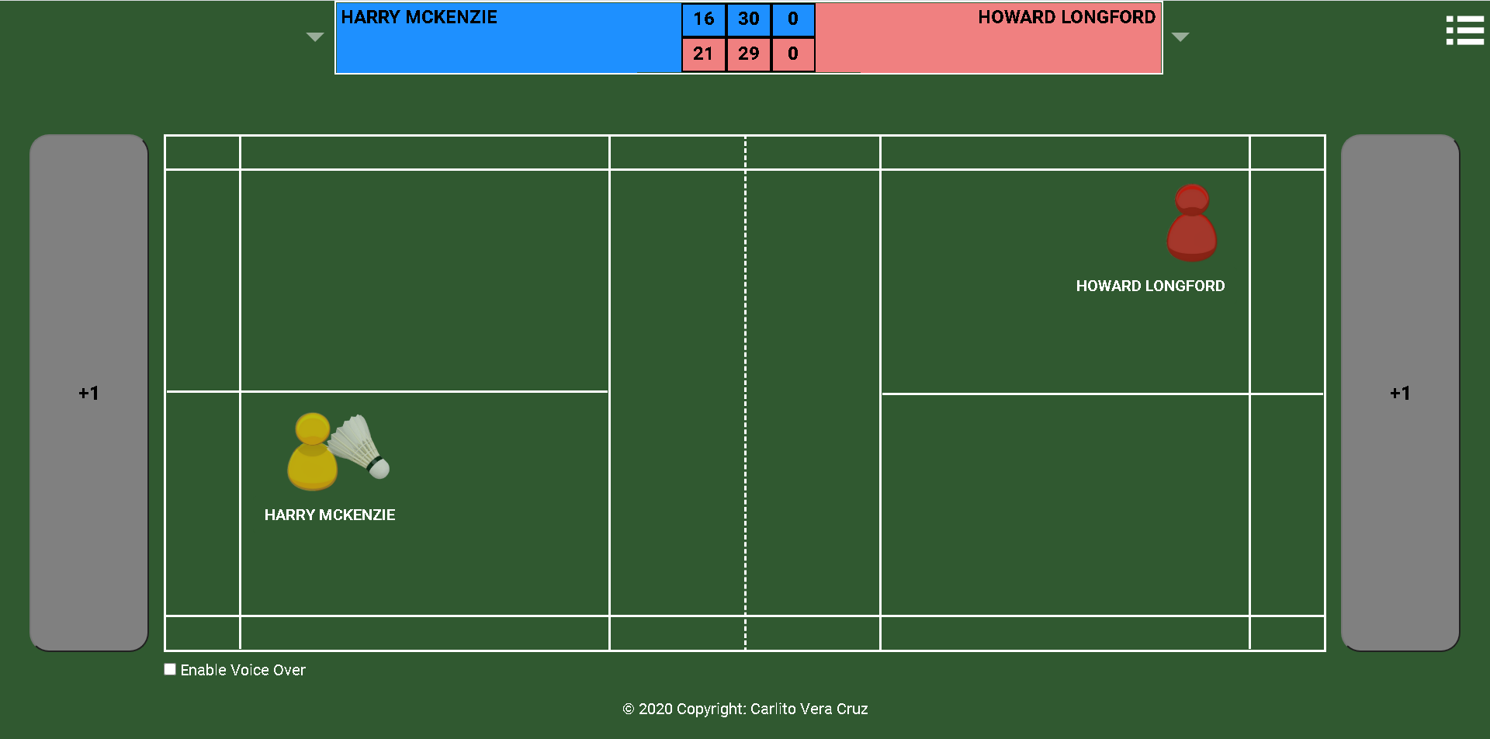
GIVEN the game match continues WHEN a player wins 2 sets out of 3 THEN the game triggers the END of Game Match AND the user is given an option to input notes about the match AND WHEN the user select PROCEED THEN the user is presented with the Game Match Tally Score Sheet AND WHEN the user select DONE THEN the user will have an option to start a new game | 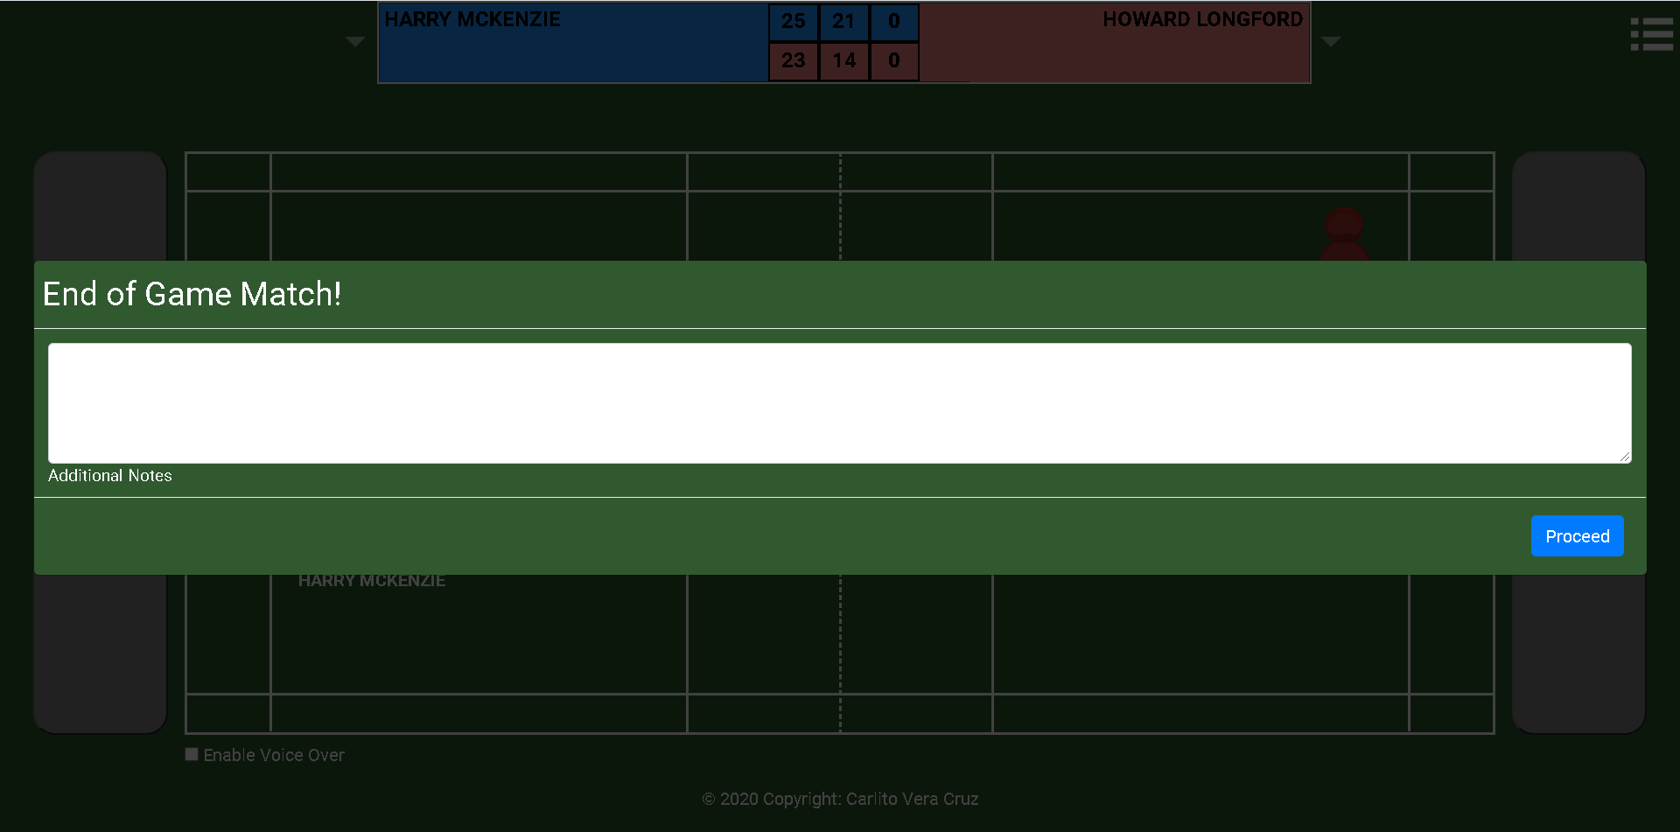 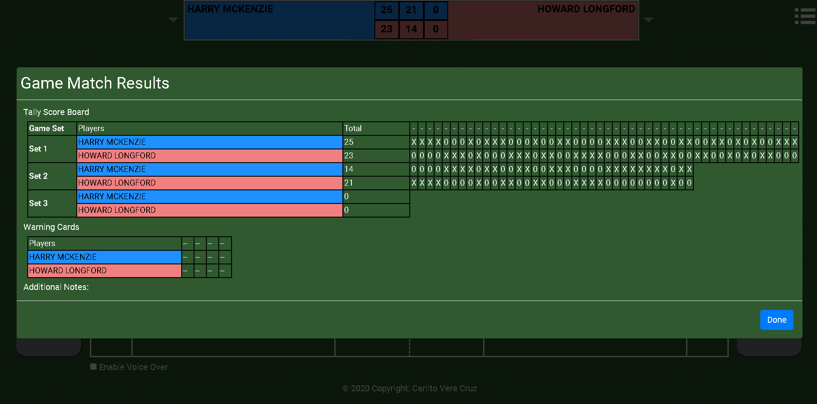
GIVEN the game match continues WHEN both team/player wins 1 game set each THEN the game continues on to the 3rd game set AND WHEN a team/player reach 11 points AND the other team/player score is less than 11 THEN interval timer, if selected, is triggered AND player(s) switch court side one last time AND the game match continues | 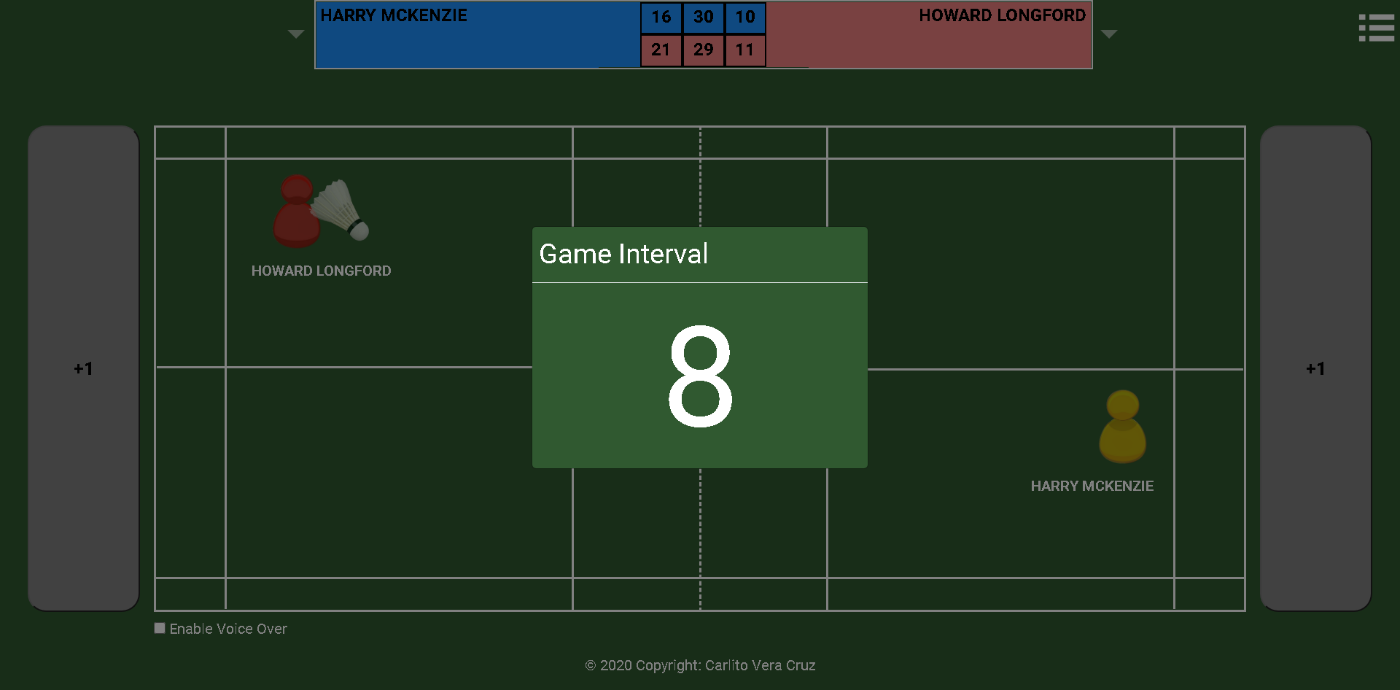 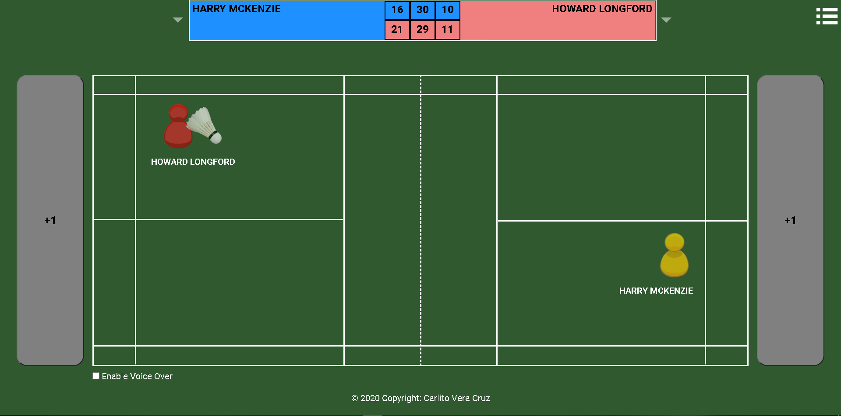
GIVEN the game match continues onto 3rd set WHEN (a team/player reach 21 points first AND the other team/player score is less than 20) OR (both team/player score > 20 AND the other team player scores reached a difference of 2 from the other tea/[;ayer scores) OR (both team/player score is 29 AND a player score and reached first the score of 30) THEN interval timer, if selected, is triggered AND game match ends is triggerred AND game match result tally score sheet is presented | 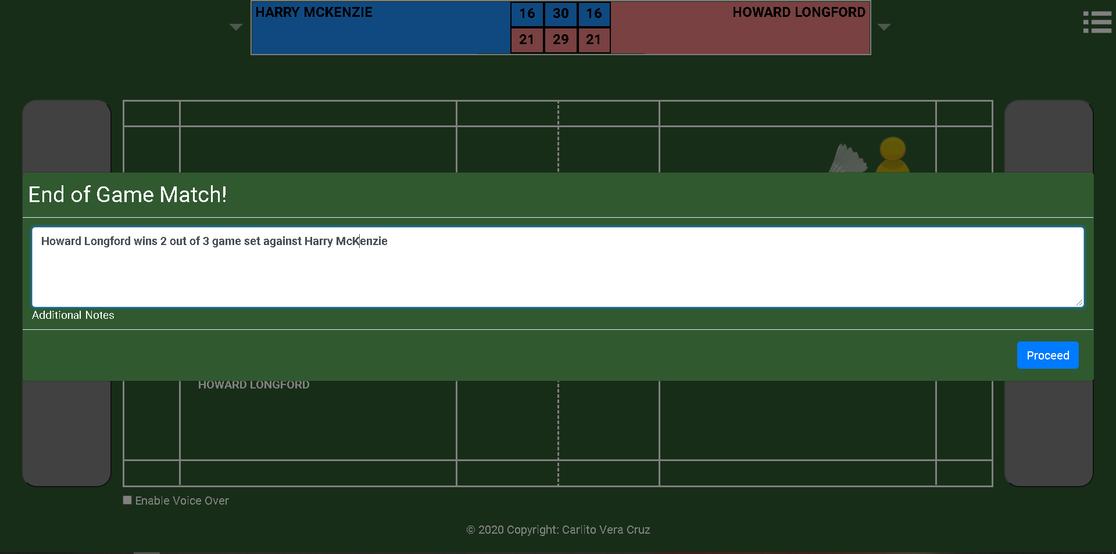 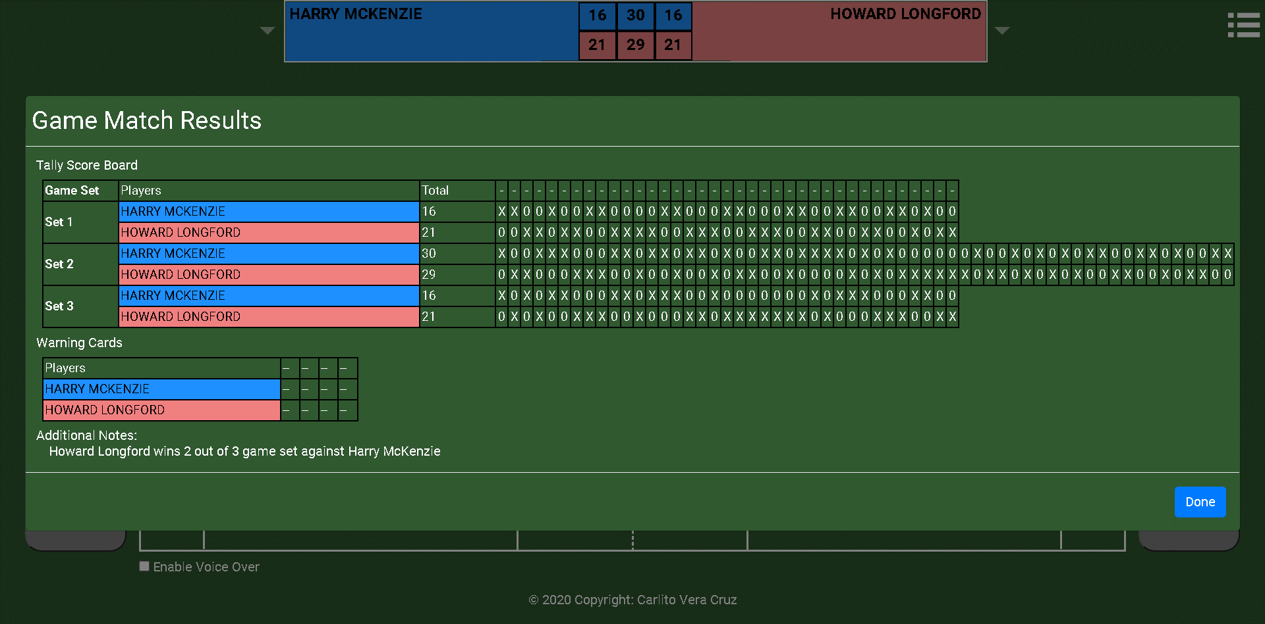

DOUBLE MATCH TEST SCRIPTS
**user** = Badminton Umpire
GIVEN the game match is DOUBLES AND serving side is the player on the LEFT AND the player's names provided WHEN i select "START MATCH" THEN the court reflects the settings provided WITH two player on each side of the court AND the player's name AND the serving side (mocked by shuttlecock image) AND the scoreboard initialised to zero | 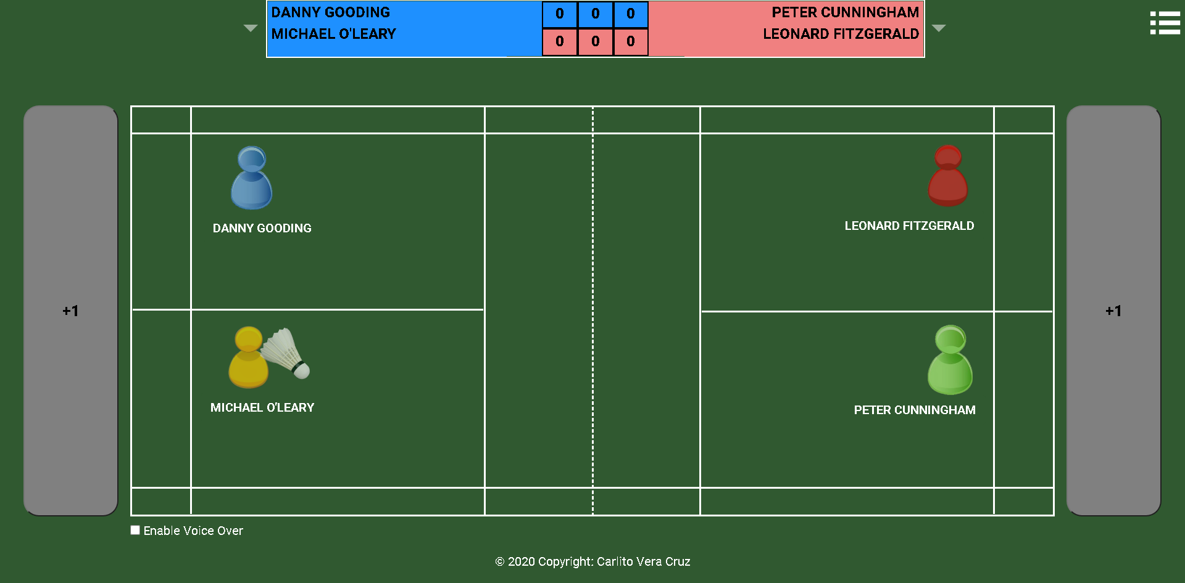
GIVEN the game match initially started WHEN the team on the left scores AND i select the LEFT "score (+)" button THEN the score increment by 1 for the team on the left AND the players on the left court switch position AND the player who initially serve will still serve AND the players on the right court will remain on their position | 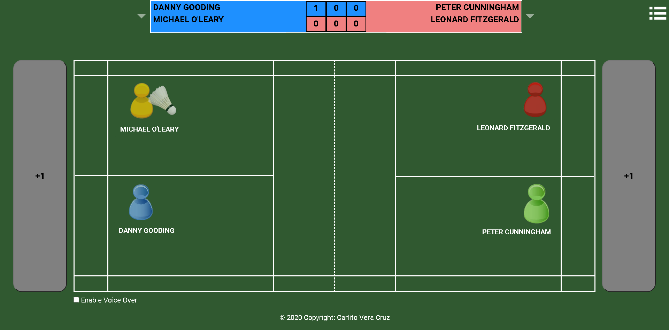
GIVEN the game match continues WHEN the team on the right scores AND i select the RIGHT "score (+)" button THEN the score increment by 1 for the team on the right AND the players on both left court and right court retain their position AND the left player on the right side of the court will serve | 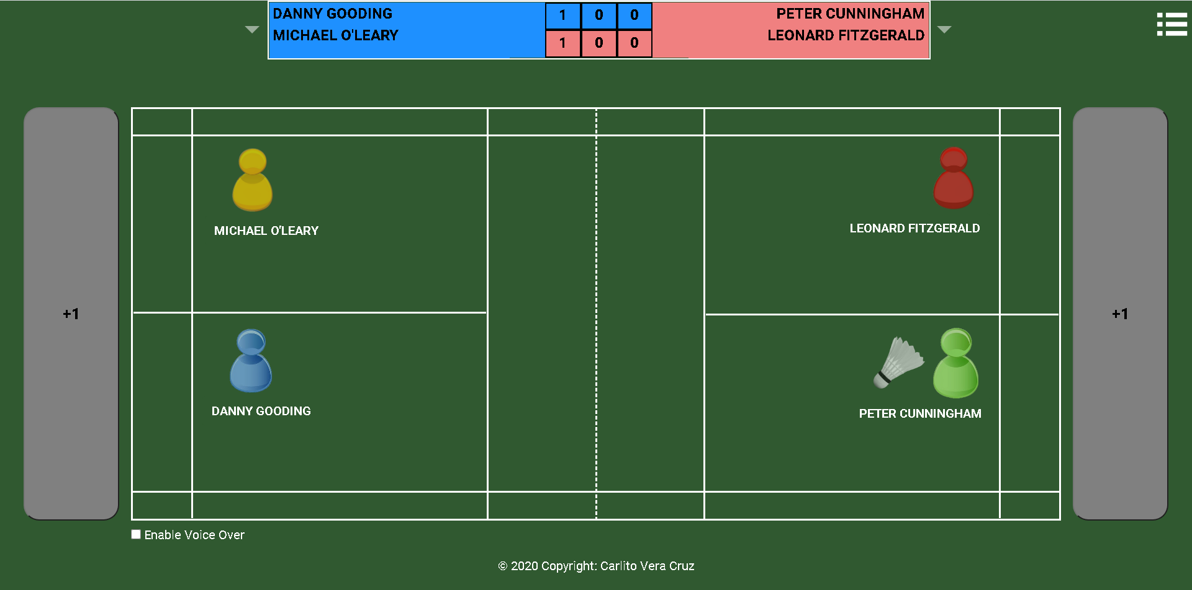
GIVEN the game match initially started WHEN the team on the right scores AND i select the RIGHT "score (+)" button THEN the score increment by 1 for the team on the RIGHT AND both players on the left courtand right court retain their position AND the left player on the right side of the court will serve | 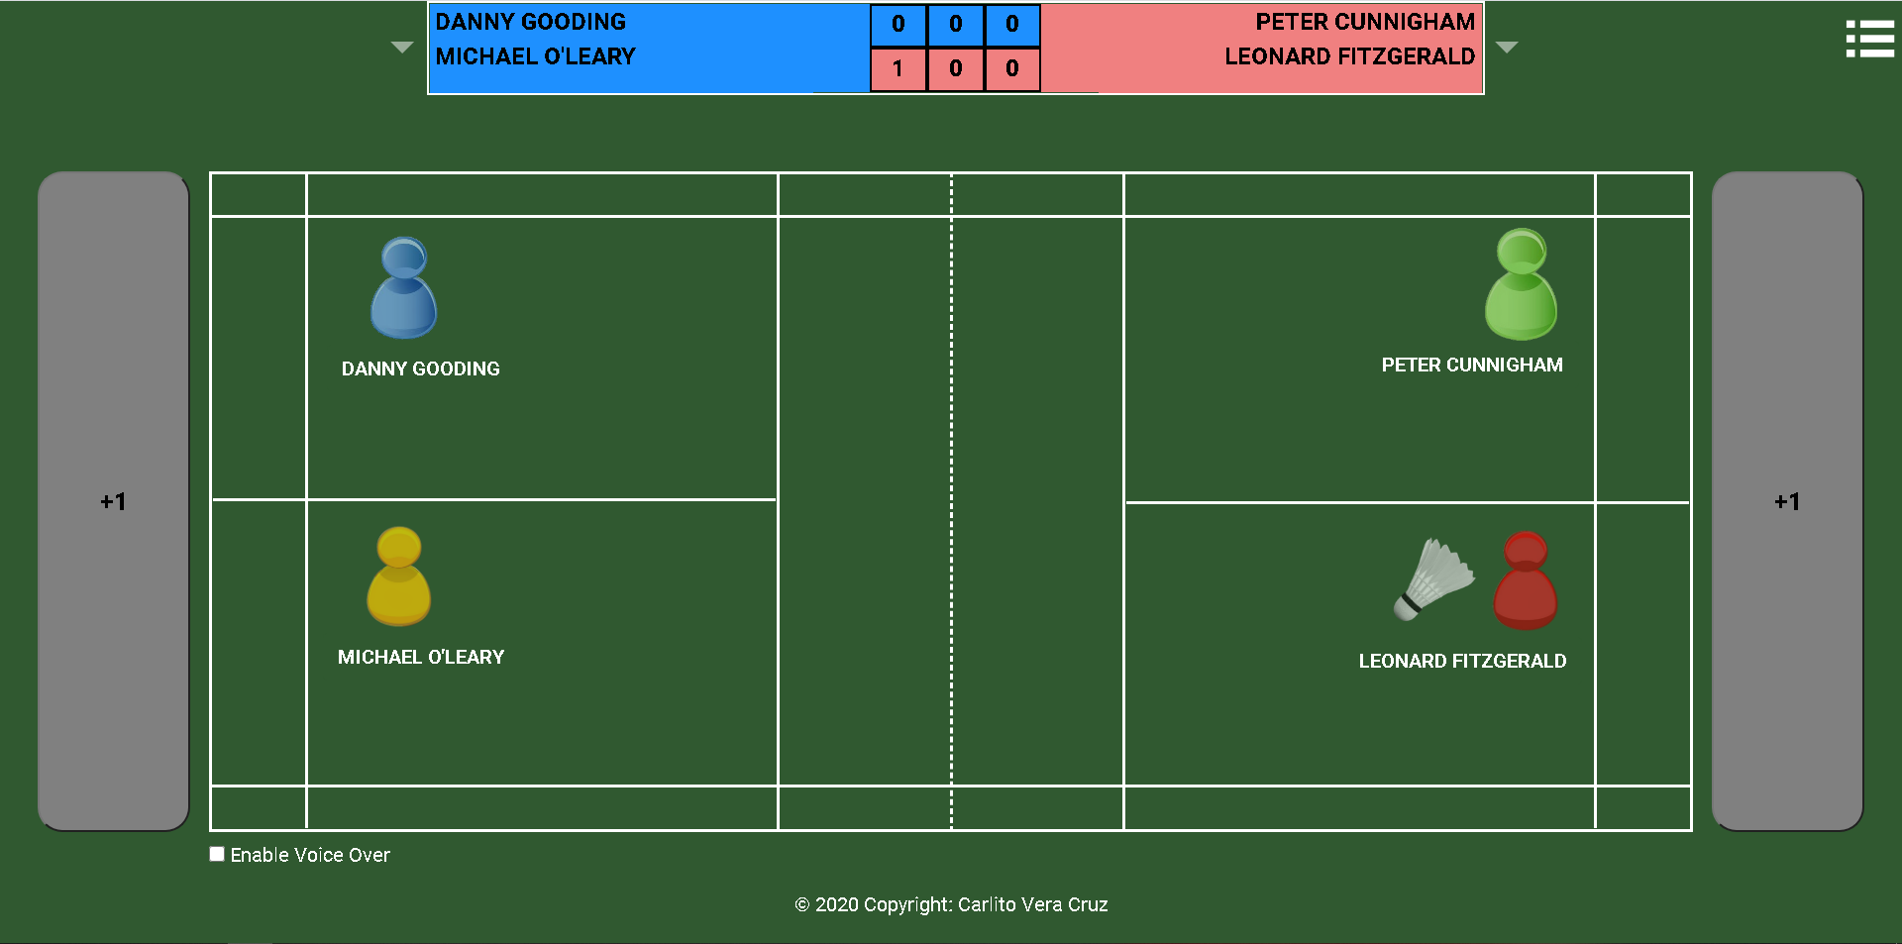
GIVEN the game match continues WHEN the team on the right scores AND i select the RIGHT "score (+)" button THEN the score increment by 1 for the team on the RIGHT AND players on the right court switch position AND the player who serve previously still serve AND the players on the left court will retain their position | 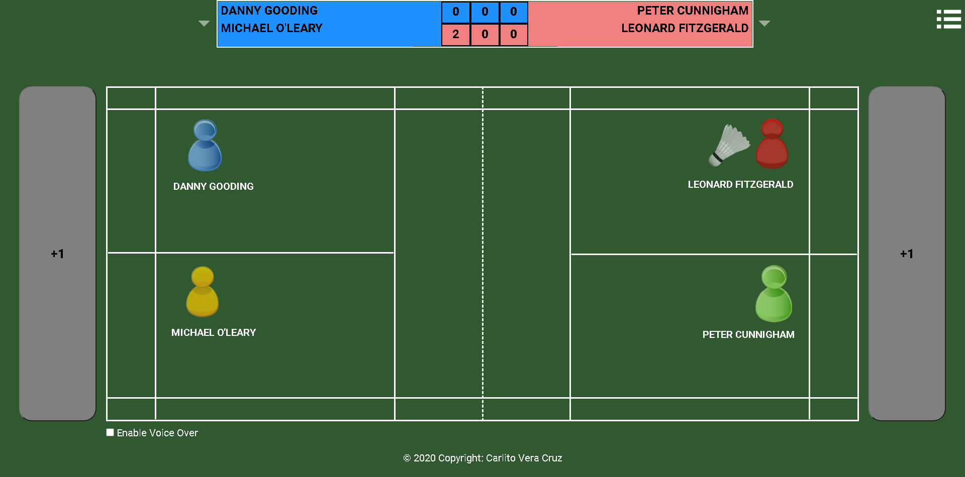
GIVEN the game match continues WHEN the team on the left scores AND i select the LEFT "score (+)" button THEN the score increment by 1 for the team on the LEFT AND players on the left court retain position AND the left player on the left court serve AND the players on the right court retain their position | 
GIVEN the game match continues AND the game set is the first set WHEN both team score is less than 21 AND a team score reached 21 AND the other player score is less than or equal to 19 THEN if selected on the game settings, the FULL INTERVAL timer is triggered and pops up and the countdown timer begin AND when timer reaches zero,next game set start AND team players switch court side AND the player on the right side of court who reached 21 points will serve. | 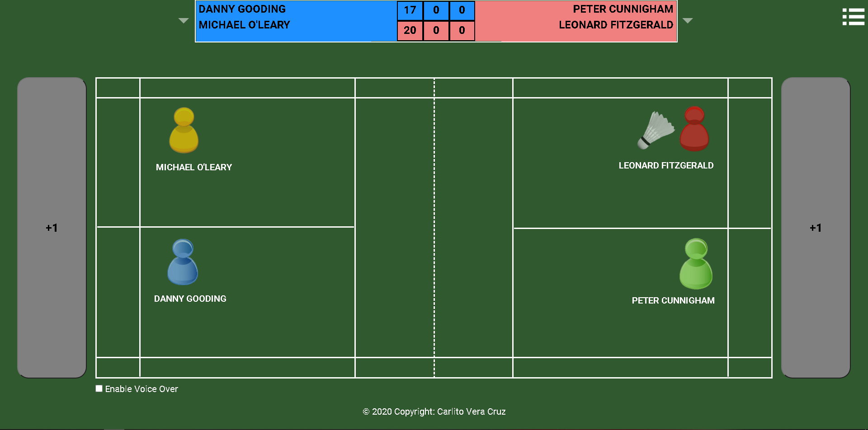 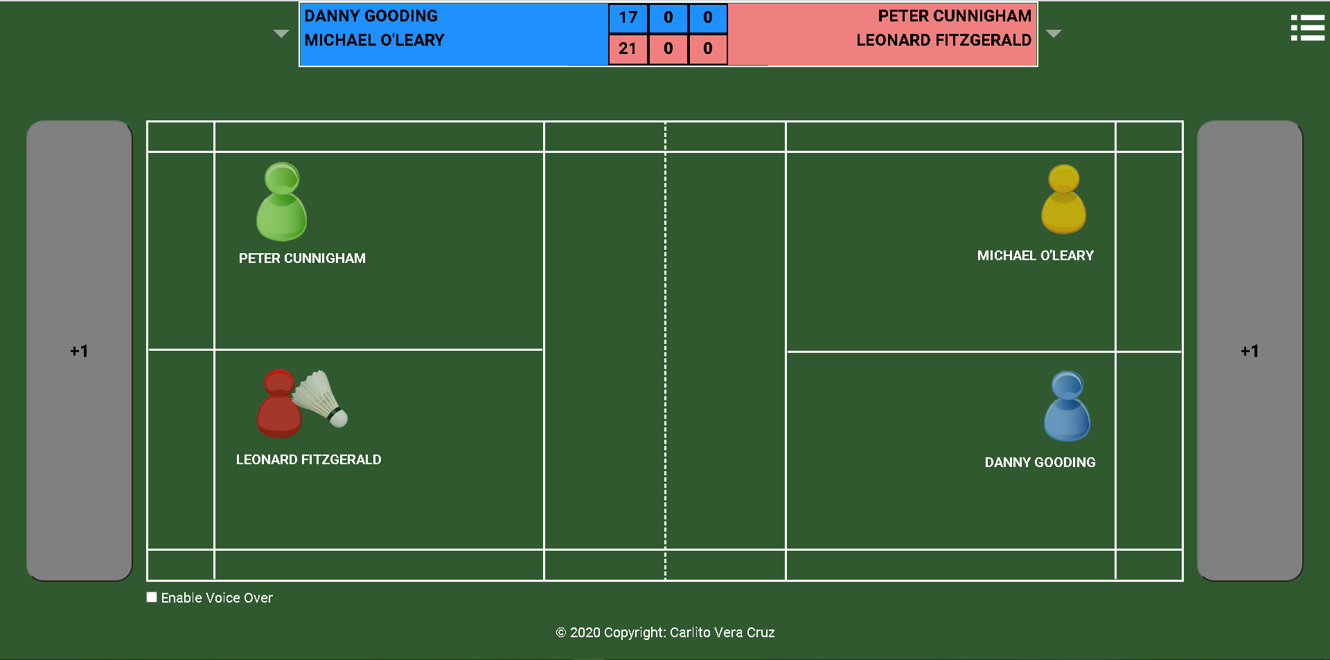
GIVEN the game match continues WHEN a team wins 2 sets out of 3 THEN the game triggers the END of Game Match AND the user is given an option to input notes about the match AND WHEN the user select PROCEED THEN the user is presented with the Game Match Tally Score Sheet AND WHEN the user select DONE THEN the user will have an option to start a new game | 