Bugs
Bugs & Fixes
Desired Result | Issue | Atempts | Solution
Menu items of Nav-Bar align right | Menu item are aligned adjacent to the brand name | 1. Using CSS to target item through a class to text-align:right;. 2.Removing spacing notation and replacing with flex in the <ul>. 3.Applying .justify-content-end | added ml-auto to the <ul> class
Font awesome icons to display horizontally & responsively across the landing page | Icons not displaying | 1. Adjusted stying in css via height, width, colour, background colour, z-index, margin, font-size. 2. Double checked version of code matched the input in the <i> tag. | CDN was for a local download, updated and reset display to block in css.
Footer to be flush with the bottom of the browser window | white space beneath footer | 1. Reset body and page margins. 2 View div set up. 3. Make footer sticky | Set min height of footer in CSS
Product cards same height & width across all screens | Images stretch to the full screen length | 1. Target CSS in card-img-top rule. 2. Set card height & width in CSS | Resize images to the same aspect ratio
Product cards same height & width across all screens | Text too big or too small, cause half the word to be wrapped or to be unreadable | 1. Media queries to target font size, but this was very messy and long. | Changed columb settings to 2 cards per row on medium sized screens
<p> Elements under the landing page icons' toggle on and off on click | Working for the first icon or the last icon only | 1. Created one function and tried to apply across all 4 icons, forgot ID needs to be unique so changed ID's 2. Changed Ids but still not working, realised function needs to be unique | Created 4 separate functions & Ids. Still not statisfied, as the code is too long.
Drop down menu filterProducts function to filter products display based on option selection | Display unaffected | 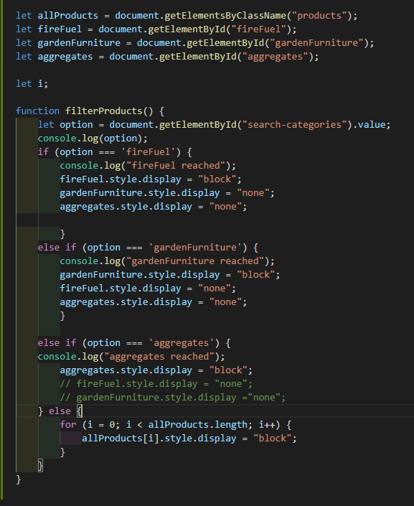 Initial code is an if else statement with the rows I wish to display and hide stored in variables. These are ran through on a condition if one item is selected from the drop down menu an onChange function will activate the conditional statement and the display will change depending on the selection. 1. Typo & spell check 2. View errors in the console log - filterFunction undefined & getElementByClassName not a function 3. Added console logs to display a message on each condition to view how far the function would run 4. allProducts was returning a nodeList and needed to be itterated through, added for loop to first condition. 5. Ran code through a validator.6. Changed structure of products.html so items were in a <ul> & <li> elements then hide and display, reverted back to targeting ID's & Classes. 7. The below image shows the code I had developed, unfortunately after many hours and seeking assistance from tutor support the code had to be deleted. | I replaced with code I learnt from w3schools.com which was then customized to suit my needs. This adaptation was much more compact and was itterateing correctly through all elements.
Active buttons in the search menu to be highlighted when active | The code to highlight the active button was interfering with the active class on the current link in the nav bar. Upon clicking a button the active tab in the nav bar would no longer be highlighted | 1. I targeted the button class and tagged on the active class in css which seemed to differentiated it from the nav bar active class and rsolved the issue
Clicking on the specific "ORDER NOW" link in a product card would auto populate the product type in the corresponding input field on the order form | No value showing | 1. I stored the product name in a variable and added an onclick function to the product order link which would change the value of the input. 2. I received a 404 error and added an alert to the function to check when it was being called, it ran before the page linked to the exterior html file. 3. I stored the product name as a parameter of the function to allow it to be used multiple times and remove the variable, recieved the 404 error 4. I thought this was a loading issue to I set a time out of 3000s but still recieved an error. | I moved the order form to the products.html page as I thought the function was breaking when spread over 2 pages.
All containers to be flush with the browsers edge | Black space showing to the right of the hero image & container back ground image | 1. Check CSS for body and HTML margins & padding set to zero 2. Change css of hero image & div to display flex | The alert div was positioned wrongly so I moved it within the hero image div and set the margin of the alert to push it to the bottom of the hero image.
Hero image and alert container to be responsive | Alert container moving up the general hero image on screens over 992px | 1. Added a media query to adjust the height of the general-hero-image
Nav Bar Menu to switch to a toggled haburger icon on smaller screens, displaying a drop down when clicked | Icon displaying but there was no drop down on clicking | 1. Checked file path of bootstrap cdn and javascript & jquery scripts. 2. Checked code classes against bootstrap example | Code classes were not consistant with the version of Bootstrap being used. Classes updated and issue resolved.
Hero image and Form background images to be clear and have Parrallex styling | Images are pixelated, zoomed-in, and static. | 1. Added a media query specific to IOS and set the background image to attachement to scroll
Order Form to send emails via EmailJS | 412 Error found in the console: "Preconditioned Fail" | 1. Opened emailJS platform and advised by alert to reconnect my email, so deleted it and re-added it. Issue appears to be resolved. Researched & contacted tutor support to find out the cause of the error but they were not familiar with it or how to prevent it in future. Suspect it is caused by the EmailJS platform and outside my code's control. A modal is present to alert the user that their submission failed, I tested it by altering the API Key and it appeared/was called successfully.
Homepage Icons to be clickable to display company information | First click attempt not functioning and general design not condusive to good UX | Removed JS onClick functionality and replaced with CSS on hover pseudo class
Filter buttons to highlight yellow when active | All products button staying highlighed when others were in use | 1. Remove currentBtnClickListner function from being declared as a variable.
Forms to handle invalid or empty inputs | Forms accepting empty white space in fields | 1.Submission failed despite required attribute present in inputs fields & JS validating against empty or one escape entered. I added an extensive JS function to validate all fields which triggers a modal on submission if an error is present, .trim method used to remove empty spaces.

