Bugs capture

ID2-Cap 1 : On iPhone Xs Max | ID2-Cap1-cf. V30S | ID3-Cap1 | ID3-Cap2



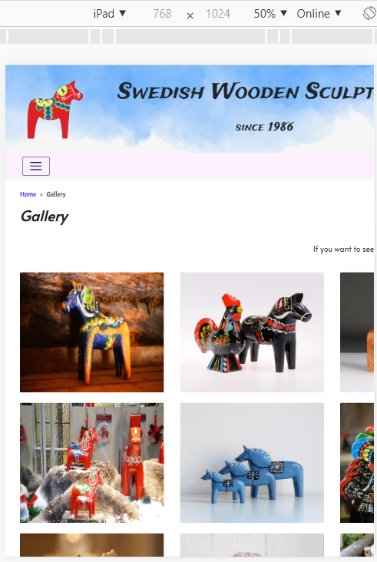

576 px issue

