Capture
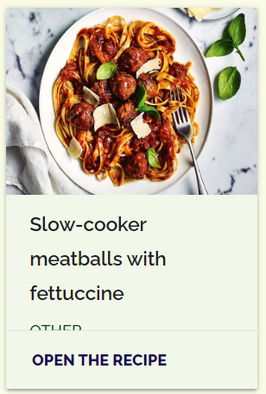
[Bug ID : 2]

