Capture
[Bug ID : 2] | [Bug ID : 3]
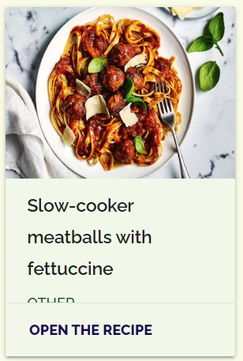
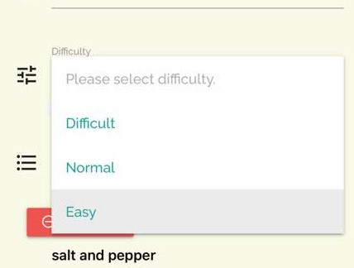

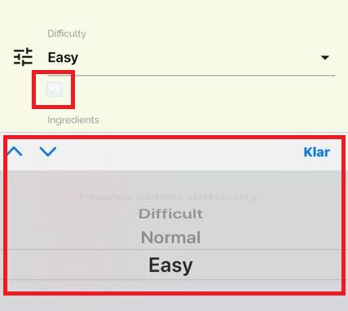

 | Compare custom HTML input select and Safari built-in button/select

