Sheet1
Testing | Test Steps | Expected Results | Extra information
Homepage | 1) Navigate to http://unicorn-attractor-milestone.herokuapp.com/ LOGGED IN: 1) Click the 'Log out' button NOT LOGGED IN: 1) Click the 'Sign Up / Sign In' button | NOT LOGGED IN: Two buttons: "Enter" and "Sign Up / Sign In" Clicking the 'Sign Up / Sign In' button should direct the user to the sign up page: https://unicorn-attractor-milestone.herokuapp.com/accounts/sign_up/ LOGGED IN: "Hi (your username)" Two buttons: "Enter" and "Logout" Clicking the logout button should redirect user to sign in page: https://unicorn-attractor-milestone.herokuapp.com/accounts/sign_in/ BOTH: You should see the following text "Unicorn Attractor Software" The text "Looking for the perfect fit for your business? Download our free software and find your unicorn." Three social icons - twitter, facebook and instagram
Social Pages | 1) Navigate to http://unicorn-attractor-milestone.herokuapp.com/ (social icons are visible on all pages of the site) 2) Click on the facebook social icon 3) Click on the twitter social icon 4) Click on the instragram social icon | Each icon should open the homepage for the respective social media sites in a new tab.
Find out more page | 1) Navigate to http://unicorn-attractor-milestone.herokuapp.com/ and click on "Enter" button OR from any page with the navigation bar click 'Find out More' 3) On smaller screens (less than 992px) click on the "Menu" button to verify dropdown menu. | BOTH DESKTOP AND SMALLER SCREENS (BELOW 992PX) You should be directed to https://unicorn-attractor-milestone.herokuapp.com/home/more/. You should see the three social icons in the bottom right. You should see the find out more page content. *** the content shown will depend on the user's level of access - all levels should be tested *** NOT LOGGED IN: There should be two buttons "Contact Us" and "Sign Up". > 'Contact Us' button should direct user to the contact form > 'Sign Up' button should direct user to the sign up form LOGGED IN BUT NOT SUBSCRIBED: There should be two buttons "Contact Us" and "Subscribe". > 'Contact Us' button should direct user to the contact form > 'Subscribe' button should direct user to the subscription form LOGGED IN AND SUBSCRIBED: There should be two buttons "Contact Us" and "Manage Subscription". > 'Contact Us' button should direct user to the contact form > 'Manage subscription' button should direct user to their user profile page DESKTOP: You should see the main navigation bar with the unicorn attractor logo in the top left with the following links on the right: "Find out more", "Issues", "Sign Up", "Sign In" SMALLER SCREENS: You should see the navigation bar with the unicorn attractor logo in the top left. You should see a white "Menu" button in the top right of the navigation. On clicking on this button you should see a dropdown menu with the same links above.
Contact Us page | 1) Navigate to https://unicorn-attractor-milestone.herokuapp.com/home/more/ 2) Click on the "Contact Us" button CHECK VALID FORM SUBMISSION TESTS 3) Once on the form, enter some text in the "Name" label. Click the "Contact Us" button. 4) Fill in name and email fields (with valid email), click the "Contact Us" form. 5) Fill in all fields but use an invalid email format e.g. 'test' in the email field 6) Fill in all fields (including a valid email format in the email field) and click "Contact Us" IF A USER IS LOGGED IN 7) Login as a valid user 8) Navigate to contact form | You should be directed to https://unicorn-attractor-milestone.herokuapp.com/home/contact/? You should see a form with the following title text: "Contact Us:" There should be three fields labelled "Name", "Email" and "Message" and a "Contact Us" submit button. The form should require all three fields to be completed before successfully filling in the form. A valid email format e.g. test@test.com should be required before successfully submitting the form. On successful form submission user should be redirected to: https://unicorn-attractor-milestone.herokuapp.com/home/thanks/ With the following thank you text: "Thank you for contacting us, we aim to be in touch within five working days." When a user is logged in, navigating to the contact form should populate the form automatically with their first and last name in 'name' and their email address in 'email. | 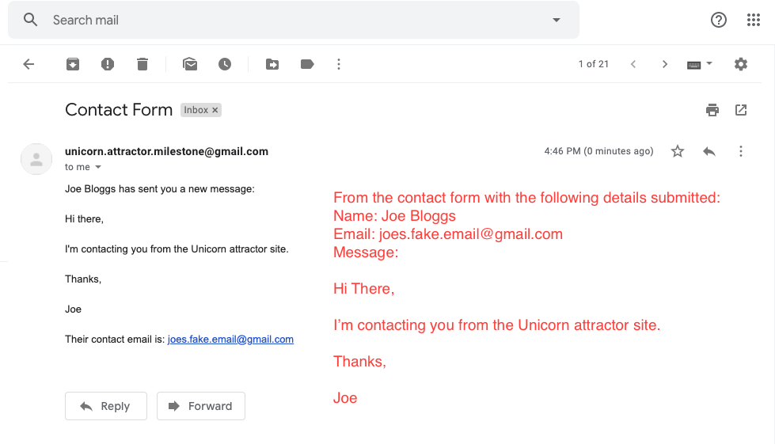 This will send an email to the unicornattractor email address (can only be verified by the site owner). See attached example email:
Sign Up page | 1) Navigate to https://unicorn-attractor-milestone.herokuapp.com/accounts/sign_up/ OR click 'Sign Up / Sign In' button from landing page OR click 'Sign Up' link from navigation 2) Click on the 'Sign In' link on the top of the form 3) Fill in the fields one at a time and click the 'Sign Up' button after filling in each form to check form validation. | You should be directed to https://unicorn-attractor-milestone.herokuapp.com/accounts/sign_up/ You should see a form with the following fields: Title text: Sign Up: Sign up for no cost to gain access to report, comment and vote on issues. A link to 'Sign in' if you already have an account > Clicking this should direct you to the sign in form: https://unicorn-attractor-milestone.herokuapp.com/accounts/sign_in/ First Name Last Name Email Address Username Password Confirm Password 'Sign Up' submit button A new user should be able to submit the form once all required fields are completed (every field except first and last name are mandatory) The form will check for a valid email address format The form will check that the two passwords in password and confirm password fields match The form will check that the email address entered is unique for the site. Upon successful submission the user will be directed to the 'Find out more' page where they will see a dismissable alert "You have successfully signed up". They will now see an additional profile item in the navigation with a person icon next to their username and a 'Logout' link. | Tester must not be logged in to test this section
Sign In Page | 1) Navigate to https://unicorn-attractor-milestone.herokuapp.com/accounts/sign_in/ 2) Enter some invalid login details 3) Enter some valid login details | You should see a form with the following: Title: Sign In Sub title: Sign in to your account to log issues and maintain your subscription. Username field Password field The password field should hide the password entered. Entering invalid details should show the following error: 'Your username and password combination is incorrect' Entering valid details should direct the user to the 'Find out More' page | User must have a valid account set up already User must not be logged in
User profile page | 1) Navigate to https://unicorn-attractor-milestone.herokuapp.com/accounts/sign_in/ 2) Enter some valid login details 3) Click the profile link in the navigation (the person icon with your username next to it) | You should see your user profile page with the following (where values in curly brackets are dynamic and will reflect your account details): {username}'s Profile Name: {FirstName} {LastName} Username: {username} Email: {your email} ** The following section changes depending on whether a user is subscribed or not ** SUBSCRIBED: Subscriptions: Monthly Feature subscription £25.00 per month 'Unsubscribe' and 'Update Card Details' buttons 'Please note subscriptions will be cancelled from the next due payment. Any funds already processed will not be cancelled. If you are unsubscribing please let us know why, and how our service can be improved by using the Contact Form' > Clicking contact form link should take user to contact form > Clicking 'Unsubscribe' button opens confirmation diaglogue 'Are you sure you want to unsubscribe?' - user can confirm or cancel with 'Yes', 'No' buttons. Clicking 'Yes' unsubscribes the user. > clicking 'Update Card details' button takes user to 'Update Cart Details' form. NOT SUBSCRIBED: Subscriptions: None 'Subscribe' button > Clicking subscribe button takes user to subscription form | User needs to have a valid account to login to the site.
Subscription form | 1) Navigate to https://unicorn-attractor-milestone.herokuapp.com/accounts/sign_in/ 2) Enter some valid login details 3) Click the 'Subscribe' button either from the 'Find out more' page or your user profile. 4) Once you have verified the above steps try and navigate to https://unicorn-attractor-milestone.herokuapp.com/subscribe/ | You should be directed to https://unicorn-attractor-milestone.herokuapp.com/subscribe/ The form should show the following details: Subscribe Subscribe to monthly payments to access our features section, where you can request and upvote new features. The subscription costs £25.00 per month and can be cancelled at any time. No minimum subscription period. Fields: Credit Card Number Security Code (CVV) Month Year A 'Subscribe' submit button All fields are required. Entering an incorrect number i.e. wrong number of digits will show 'Your card number is incorrect' message Entering the current month as the expiry month will show 'Your card's expiration month is invalid.' message Entering an invalid security number (e.g. incorrect number of digits) will show 'Your card's security code is invalid.' message Successful submission will redirect user to profile page and show the message: You have successfully subscribed. When subscribed already and trying to navigate to subscribe form URL you should be redirected to the user profile page instead. | User should not be subscribed already for first test section. For the purposes of testing please use the following card details: Number: 4242424242424242 CVV: any three digit number Expiry month: any month Expiry year: select any year * Please make sure the expiry month is not the current month.
Change card details | 1) Navigate to https://unicorn-attractor-milestone.herokuapp.com/accounts/sign_in/ 2) Enter some valid login details 3) Navigate to the user profile page from the main navigation 4) Click the 'Update card details' button | User should be taken to the 'Update card details' form which has the following fields: Update Card Details Fill in the form to update your card details for subscription payments. Fields: Credit Card Number Security Code (CVV) Month Year A 'Subscribe' submit button All fields are required. Entering an incorrect number i.e. wrong number of digits will show 'Your card number is incorrect' message Entering the current month as the expiry month will show 'Your card's expiration month is invalid.' message Entering an invalid security number (e.g. incorrect number of digits) will show 'Your card's security code is invalid.' message Successful submission should redirect user back to user profile page and show success message 'You have successfully updated your card details'. | User should already be subscribed
Tickets overview | USER NOT LOGGED IN 1) Navigate to 'Tickets' in the main navigation ** User should be able to see this in the main navigation regardless of access level, i.e. even when not signed in. | NOT LOGGED IN: User sees no buttons or search box On tickets cards in swim lanes user can see only the following details: title, description, type of ticket (ISSUE or FEATURE), priority, votes
 | USER LOGGED IN BUT NOT SUBSCRIBED 1) Navigate to 'Tickets' in the main navigation ** User should be able to see this in the main navigation regardless of access level, i.e. even when not signed in. | LOGGED IN AND NOT SUBSCRIBED: User sees buttons 'Report issue' and 'Subscribe'. User sees four toggle buttons underneath the report an issue and subscribe buttons: 'All Tickets', 'Issues', 'Features' and 'My Tickets' which they can toggle between to change the content of the board accordingly. By default 'All Tickets' is selected. User sees search box - will limit displayed results to those with a title or description containing search term. On issue cards in swim lanes user sees the following details: Issue title > clicking on this link should redirect issue to the full page view for this issue issue description, 'ISSUE' in capitals (the type of ticket), priority, votes, Upvote link OR 'You have already voted on this issue' OR 'You reported this issue' Comments > Clicking this expands the comments below - they can be collapsed again. Most recent comments are displayed at the top. Add Comment On feature cards in swim lanes user sees the following details: Feature title > clicking on this link should redirect issue to the full page view for this feature Feature description, 'FEATURE' in capitals (the type of ticket), priority, votes, 'You must subcribe to vote or comment on feature tickets' where 'subscribe' is a link to the subscription form. In the completed swim lane for both issues and tickets a user will see: title, description, ticket type, priority, number of votes and resolution notes.
 | USER LOGGED IN AND SUBSCRIBED 1) Navigate to 'Tickets' in the main navigation ** User should be able to see this in the main navigation regardless of access level, i.e. even when not signed in. | LOGGED IN AND SUBSCRIBED User sees buttons 'Report issue' and 'Request Feature'. User sees four toggle buttons underneath the report an issue and subscribe buttons: 'All Tickets', 'Issues', 'Features' and 'My Tickets' which they can toggle between to change the content of the board accordingly. By default 'All Tickets' is selected. User sees search box On issue cards in swim lanes user sees the following details: Issue title > clicking on this link should redirect issue to the full page view for this issue issue description, 'ISSUE' in capitals (the type of ticket), priority, votes, Upvote link OR 'You have already voted on this issue' OR 'You reported this issue' Comments > Clicking this expands the comments below - they can be collapsed again. Most recent comments are displayed at the top. Add Comment On feature cards in swim lanes user sees the following details: Feature title > clicking on this link should redirect issue to the full page view for this feature Feature description, 'FEATURE' in capitals (the type of ticket), priority, votes, Upvote link OR 'You have already voted on this feature' OR 'You requested this feature' Comments > Clicking this expands the comments below - they can be collapsed again. Most recent comments are displayed at the top. Add Comment In the completed swim lane for both issues and tickets a user will see: title, description, ticket type, priority, number of votes and resolution notes.
 | ALL SCENARIOS 1) Navigate to 'Tickets' in the main navigation ** User should be able to see this in the main navigation regardless of access level, i.e. even when not signed in. | User should see the main tickets board. There should be the following text: "Tickets Log, comment and upvote issues free of charge. For full access to the features module subscribe to our monthly plan." Three columns: reported/requested, in progress and completed. These three columns show tickets in their respective states and the columns are individually scrollable. Some content on this page is dynamic depending on level of access as above. When the ticket is something the user themselves has requested or reported they are able to edit or delete the ticket, as shown by 'Edit' and 'Delete' buttons on the ticket in card view and full ticket view. The 'Edit' button will take users to the report issue or request feature view respectively where they can edit the content of the ticket. The delete button will simply remove the ticket. Exceptions: When the ticket has already been completed a user who reported / requested a ticket cannot edit or delete it. When the ticket is a Feature and they are no longer subscribing to the feature module - they can no longer edit or delete the ticket. In this case they should see the following text: ''You must re-subscribe to modify your feature tickets"
Full issue | Navigate to the tickets overview board and then click on the title of any ticket | You should be redirected to the full page view of the ticket you clicked on. This feature is only available to logged in users. If you are not logged in and click on an ticket title you should be redirected to the sign in page. If you are logged in you will see all the details as outlined above available on the ticket cards for logged in users.
Report an issue | Click the 'Report an issue' button from the tickets overview page | You should be redirected to the report an issue form with the following details: Report an Issue We provide Unicorn Attractor bug fixes free of charge, please fill in the form to log your issue. Title field Description field Priority selection - defaults to LOW but users can also choose MEDIUM and HIGH if they want. High priority issues will be dealt with first. Unicorn Attractor reserves the right to downgrade issue priority if we feel it is not accurate. Report button > Upon successful submission user is redirected to tickets overview page. All fields are mandatory. | User must be logged in
Add a comment to an issue | From either the tickets overview board or a full page issue view, click the link to add comment | User should see add comment form with title of the issue Comment field (Mandatory) Add Comment submit button > successful submission redirects user to issues overview page. | User must be logged in
Request a Feature | Click the 'Request a feature' button from the tickets overview page | You should be redirected to the request a feature form with the following details: Request a Feature Please fill in this form to request a new feature. Here at Unicorn attractor we pledge to spend 50% of our time working on the most popular new feature requests. Title field Description field Priority selection - defaults to LOW but users can also choose MEDIUM and HIGH if they want. Request button > Upon successful submission user is redirected to features overview page. All fields are mandatory. | User must be logged in and subscribed

