iNVOICE

TAX INVOICE

IQEAS Offshore Engineering private Limited
CIN: U45204KL2022PTC077369

Creche and Dispensary Building, Kinfra Textile Centre, Nadukani
Taliparamba - Manakadavu - Coorg Rd, Kannur - 670 142 , Kerala, India

GSTN : 32AAGCI8105D1Z1


Invoice Reference |  |  | : | IQEAS-IN-008-001/2025 |  |  |  |  |  |  | Date |  | : | 2025-04-04
Payment Application No |  |  | : | 003.IQEAS-PA-01 |  |  |  |  |  |  | Date: |  | : | 2025-03-29
Buyer P.O/Quotation Ref |  |  | : | C & T 102A/24-25 |  |  |  |  |  |  | Date |  | : | 2025-01-05

Bill To : |  |  |  |  |  |  | Line / Type of Business |  |  |  |  |  | : | Engineering and Services
 | C & T CONSULTING ENGINEERS PVT. LTD. |  |  |  |  |  |  | State / Country of Origin |  |  |  |  | : | Kerala, India
 | TC 79/2541, VRA A-39, P.O Anayara |  |  |  |  |  |  | Country of Consignee/Buyer |  |  |  |  | : | Kerala, India
 | Trivandrum, Kerala- 695029Inida |  |  |  |  |  |  | Mode of material & transport |  |  |  |  | : | Engineering Deliverable , Via.E- Mail
 | Email : mail@candtengineers.com |  |  |  |  |  |  | Project No |  |  |  |  | : | IQEAS-QT -003/2025 Rev -0
 | GSTN / TRN : | 32AAFCC2217H1Z7 |  |  |  |  |  | Project Name |  |  |  |  | : | BW 6 Top Side Living Quarters, DWD

Sl No. | Item & Description of work |  |  |  |  |  |  |  |  | HSN/HAC |  | Qty. | Unit | Project Value | Total Amount
1 | Arrangement Drawings for Below Rooms |  |  |  |  |  |  |  |  | 998323 |  | 9.86% | Hours | INR 0.00 | INR 0.00
 | Galley & Scullery, Lundary & Linen Store, Pantry / duty mess, Washing room and male toilet Male change room, Male change room & store, Ert room and aux.ert room Female change room
 | and toilet, Typical 3 persons office Meeting room, Tv lounge and toilet , Galley store & waste store Cold storage store, Multi purpose room, Mess room, Gym.Typical 1 person (+1 hc) b- deck ,
 | First aid room, Female and male toilet , Shop galley manager Typical 1 person (+1 hc) c- deck , Typical 1 person type -1 Typical 1 person type -2, Housekeeping &storage and
 | Shop galley manager
Net Total |  |  |  |  |  |  |  |  |  |  |  |  |  |  | INR 0.00
CGST - (9%) |  |  |  |  |  |  |  |  |  |  |  |  |  |  | INR 0.00
SGST / UTGST - (9%) |  |  |  |  |  |  |  |  |  |  |  |  |  |  | INR 0.00
IGST - (18%) |  |  |  |  |  |  |  |  |  |  |  |  |  |  | INR 0.00
Grant Total |  |  |  |  |  |  |  |  |  |  |  |  |  |  | INR 0.00
Total in Words : |  |  |  |  | xxxx Indian Rupees Only
We declare that : This Invoice reflects the actual service price, complies with contract terms, confirms all particulars are accurate, and being digitally generated, does not require signature
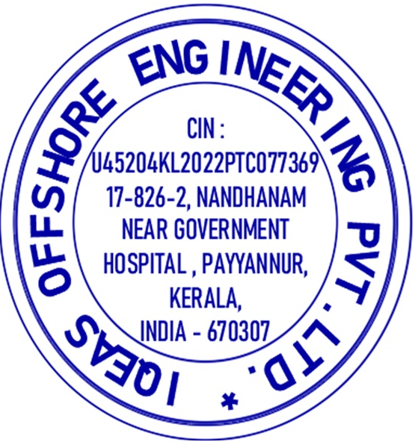
 |  |  |  |  |  | Payment Terms : |  |  |  |  | Incoterm,100% Payment against Proforma Invoice
 |  |  |  |  |  | Account Details
 |  |  |  |  |  | Remittance Through DD : |  |  |  |  | IQEAS Offshore Engineering Private Limited
 |  |  |  |  |  |  | Account Number : |  |  |  | 11270200019699
 |  |  |  |  |  | Bank Name and Branch : |  |  |  |  | Federal Bank , Taliparamba
 |  |  |  |  |  |  | IFSC Code : |  |  |  | FDRL0001127
For IQEAS Offshore Engineering Private Limited |  |  |  |  |  |  | Swift Code : |  |  |  | FDRLINBB

 | Creche and Dispensary building Kinfra textile center, Nadukani, Kannur, Kerala, India - 670 142
 | admin@iqeasoffshore.com, www.iqeasoffshore.com, |  |  |  |  |  |  |  | + 918129250331

pAYMENT aPPLI
PAYMENT APPLICATION

IQEAS Offshore Engineering private Limited
CIN: U45204KL2022PTC077369

Creche and Dispensary Building, Kinfra Textile Centre, Nadukani
Taliparamba - Manakadavu - Coorg Rd, Kannur - 670 142 , Kerala, India

GSTN : 32AAGCI8105D1Z1, IE Code : AAGCI8105D

Payment Application No |  | : | 003.IQEAS-PA-01 |  |  |  |  |  | Date |  | : | 29-Mar-25
Invoice Referance |  | : | IQEAS-IN-008-001/2025 |  |  |  |  |  | Date |  | : | 4-Apr-25

To : |  |  |  |  |  | Project No./Quotation Reference |  |  |  |  | : | IQEAS-24/Q-06. Rev.0
C & T CONSULTING ENGINEERS PVT. LTD. |  |  |  |  |  |  | Project Name |  |  |  | : | NFPS Phase - II - As-built drawings
TC 79/2541, VRA A-39, P.O Anayara |  |  |  |  |  |  | Project Value |  |  |  | : | INR 0.00
Trivandrum, Kerala- 695029Inida |  |  |  |  |  |  | Variation Amount & Reference |  |  |  | : | INR 0.00
Email : mail@candtengineers.com |  |  |  |  |  |  | Total Tax Amount |  |  |  | : | INR 0.00
 |  |  |  |  |  |  | Total PO Amount |  |  |  | : | INR 0.00
GSTN /TRN : |  | 32AAFCC2217H1Z7 |  |  |  |  | Billing Period |  |  |  | :

SUMMARY OF PAYMENT APPLICATION

Project Break Up |  |  |  |  | Previous Period |  |  |  |  | Current Period |  |  | Total Todate
Sl No. | Description of Work |  |  |  | Previous Progress |  | Received Amount with Tax. |  |  | Current Progress |  | Current Amount without Tax. | Current Amount Tax (CGST -9% +SGST-9%)
1 | Room Arrangement Drawings |  |  |  | 0.00% |  | INR 0.00 |  |  | 9.86% |  | INR 0.00 | INR 0.00

Total Pecentage of Completion |  |  |  |  |  |  |  |  |  |  |  |  | 0.00%
Total Amount against Work Completion |  |  |  |  |  |  |  |  |  |  |  |  | INR 0.00
Amount Payable as Per this Application (Including 9% CGST and 9% SGST) |  |  |  |  |  |  |  |  |  |  |  |  | INR 0.00
xxx Indian Rupees Only
We declare that : This Document reflects the actual service price, complies with contract terms, confirms all particulars are accurate, and being digitally generated, does not require signature
Prepared By : |  |  |  | Company |  |  |  | Signature
 | Suresh Babu |  | IQEAS Offshore Engineering
Approved By :
 | Saibu |  | C& T Consulting Engineers Pvt.Ltd
Final Approval By :
 | Jimmy Bentex |  | C& T Consulting Engineers Pvt.Ltd |  |  |  |  |  |  | For IQEAS Offshore Engineering Private Limited

 | Creche and Dispensary building Kinfra textile center, Nadukani, Kannur, Kerala, India - 670 142
 | admin@iqeasoffshore.com, www.iqeasoffshore.com, |  |  |  |  |  |  | + 918129250331

