Sheet1
data builder

metadata service

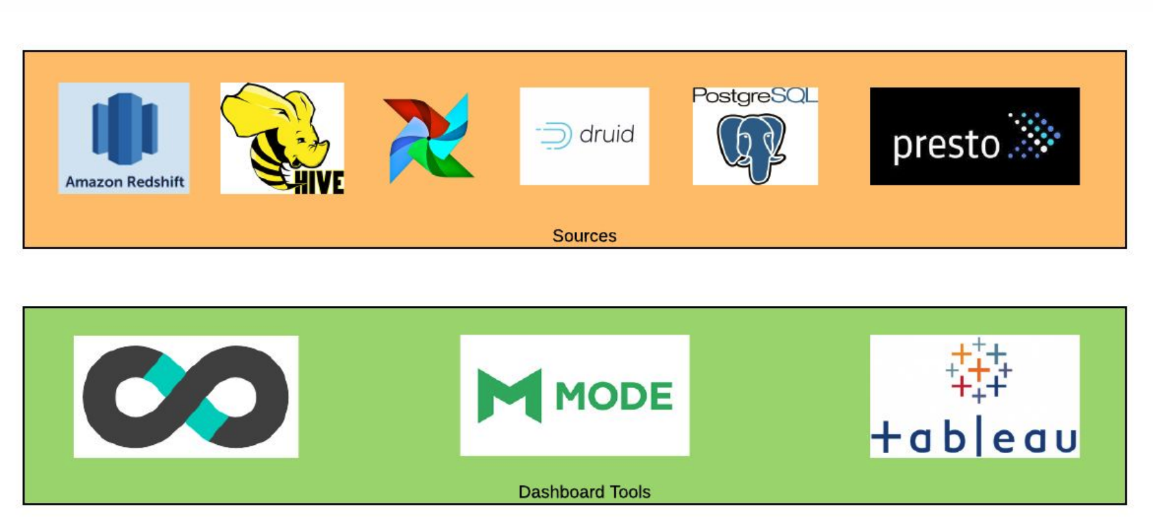
neo4j

search service

elasticsearch

1

0
1

2
5

3

2
3
4

