Tabelle1
Things that worked good | Things that was bad | Screenshots,Information,

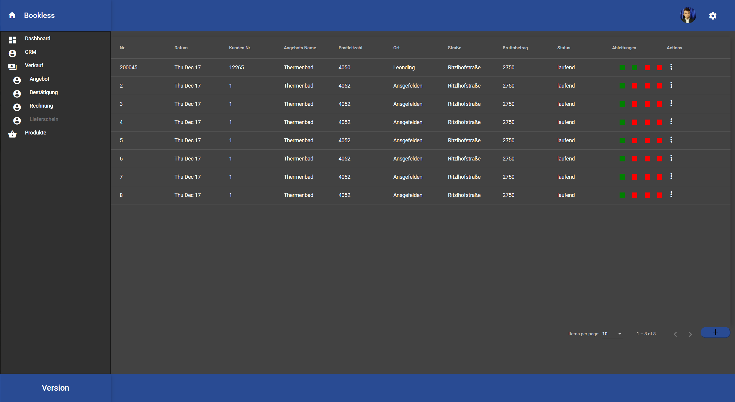
The Bill Data Rework (Screenshot #1) | It took along time to figure out how to
Showing wich stage a Offer is in | best link the diffrent stages of a bill, but after that
The Publishing of the Application, after some tries… | it went good. |  |  | Showing which stage a Offer is in
 | Css problems inside the Transform Dialog
 | No backend connection, due to possbile sql injection

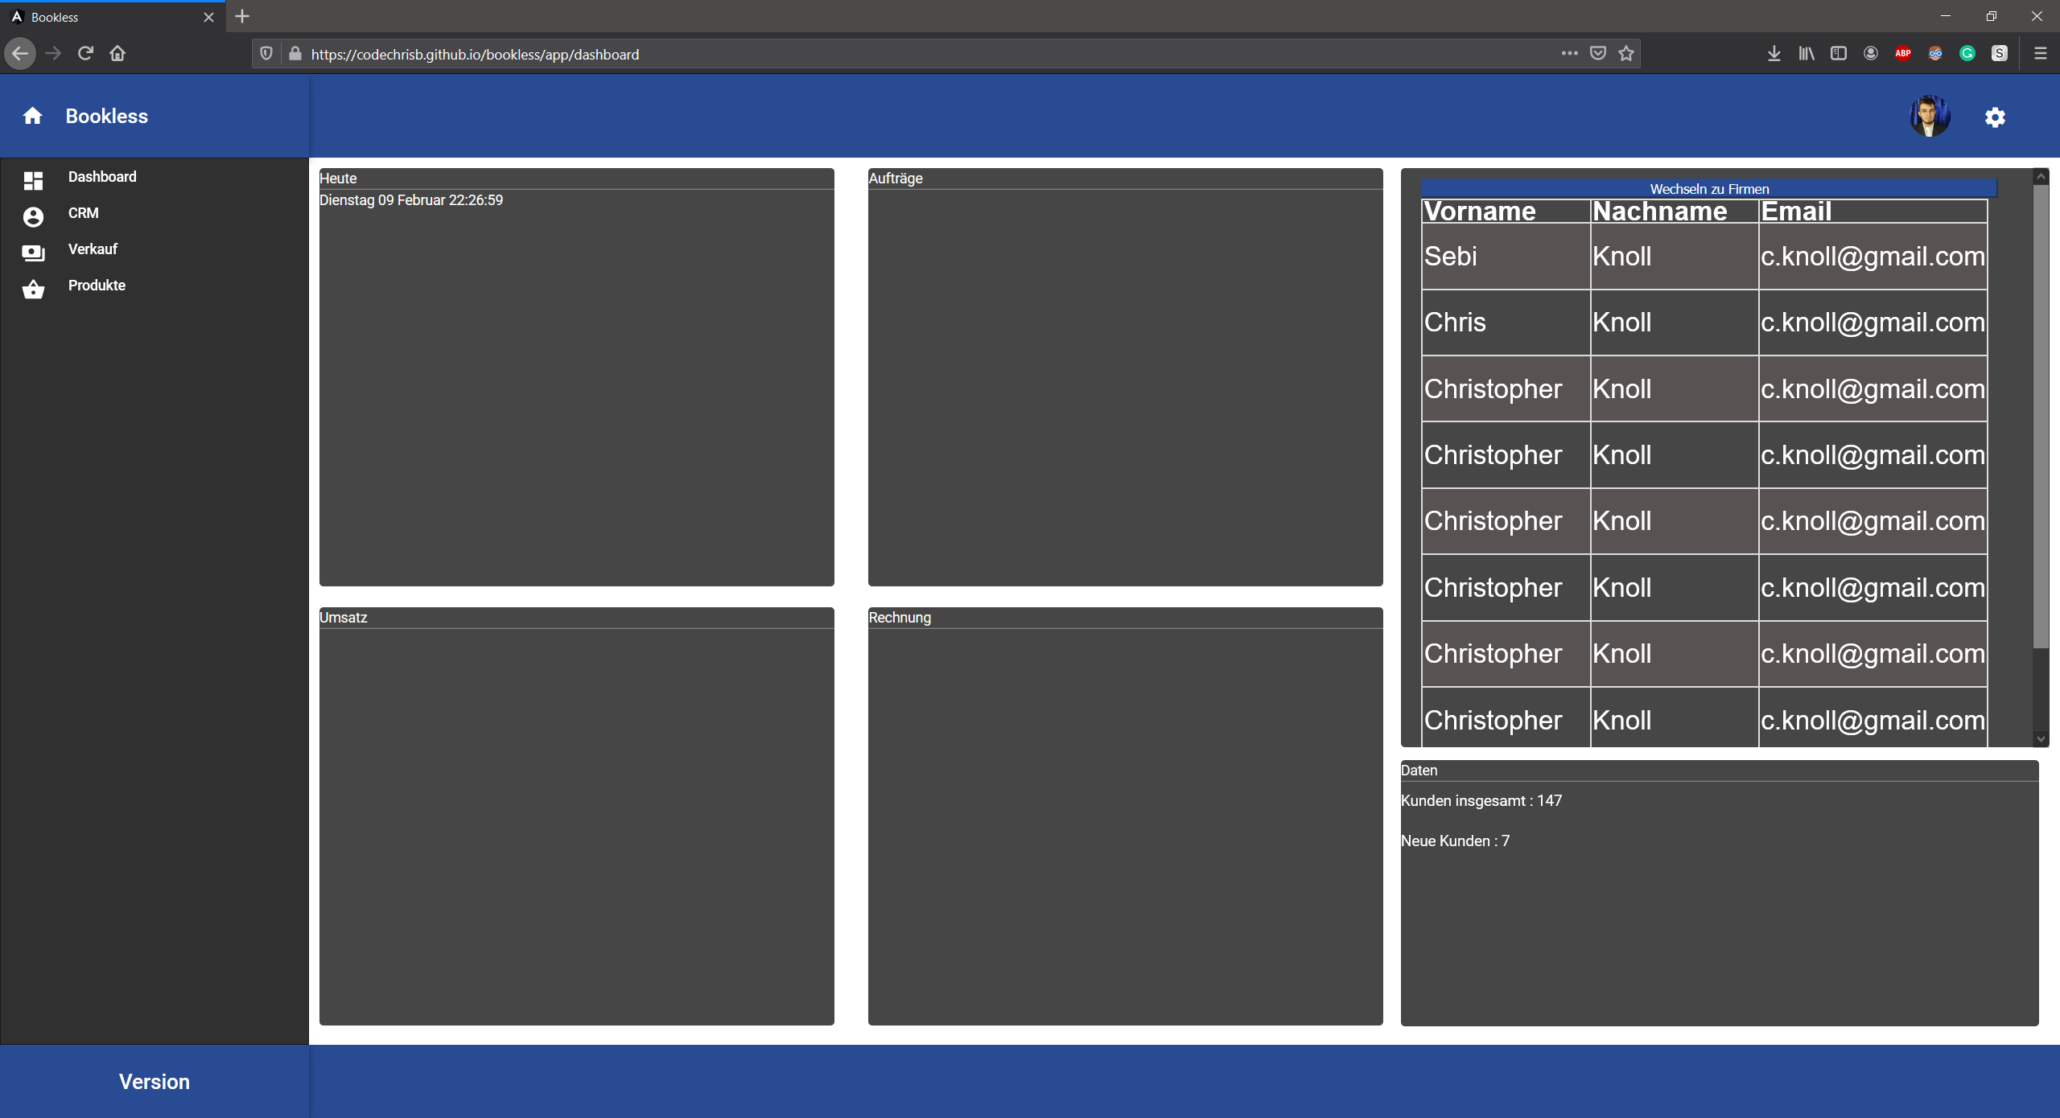
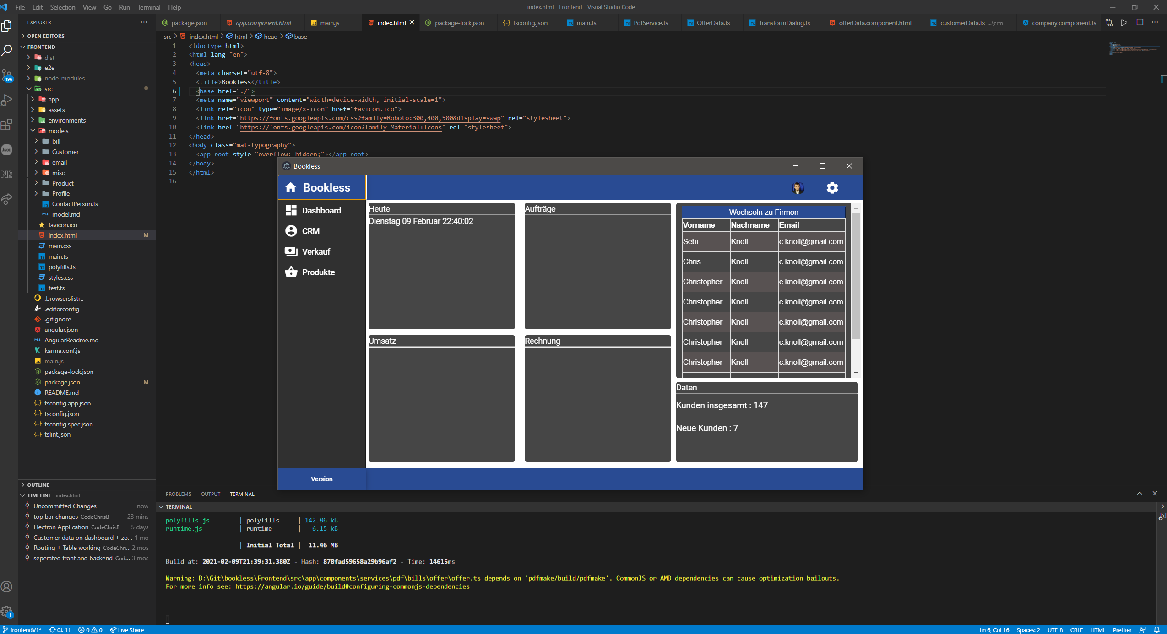

 | The Application published |  | The Application as a
 |  |  | Windows Program
 | Go To Appliaction

