Sprint3
Todo Stuff | PackageID | Date | Arbeitszeit | WorkPackage | Estimation für Workpackage | Current Estimation | Remaining Time | Description of Task | Arbeit in diesem Sprint
Dashboard Layout | WP1 | 2020-12-14 | 2 | WP6 | 4 | 4 | 2 | The table in customer does not scale when zoom in.
Dashboard Show some data | wp2 | 2020-12-14 | 3 | WP7 | 6 | 3 | 0 | Due to some intern passed data about the customer the user cant route to the edit path via url, so we have to redirect him to the customer list back. | 88
Filter Header for customer list | WP3 | 2020-12-15 | 4 | WP8 | 2 | 4 | 0 | It took some time to deal with some random errors but now we can update a customer
Convert list to company customer | WP5 | 2020-12-16 | 2 | WP1 | 2 | 2 | 0 | The css was a bit tricky but now it works fine. Had to change it a bit
Table using to much space | WP6 | 2020-12-16 | 3 | WP9 | 5 | 5 | 2 | Can show the customer but have, to clean up the code a bit.
Error screen when user tries to edit customer via url | WP7 | 2020-12-16 | 1 | WP9 | 5 | 4 | 0 | Added some regions to make it easier to understand the code, changed the arrangement of the methods added some comments.
Update a customer | WP8 | 2020-12-16 | 2 | WP2 | 2 | 2 | 0 | Currently the current time can be looked up in the dashboard, as well as the top 10 customers, they are not really the top 10 ,since we do not have bills now to rank them with but we can see something…
Show a customer | WP9 | 2020-12-16 | 2 | WPX | 3 | 3 | 1 | Styled some parts of the Dashboard, the Sidenav, the footer , and some other parts of the application to make it look better.
Email A Customer | WP10 | 2020-12-17 | 2 | WP1 | 4 | 5 | 1 | It still have some bugs when changing the zoom setting.
User Rank System | WP11 | 2020-12-17 | 2 | WP1 | 5 | 6 | 0 | Fixed it with a lot of css magic
Blue Theme | WP12 | 2020-12-18 | 4 | WP10 | 10 | 10 | 5 | Created the Email Handler and can send emails to a customer , still have problems sending to multiples customers with diffrent salutations
Create a Order pdf with the basic fields ,like what was bought how much , whats the price the location shipping, date taxes… | WP13 | 2020-12-18 | 2 | WPX | 2 | 2 | 0 | Changed a lot of designs of the, sidenav, the customer table, some parts of the project structure
Do all the stuff thats needed to get the data of an offer and make the pdf dynamic. | WP14 | 2020-12-18 | 2 | WPX | 2 | 2 | 0 | Context menu for the actions of a row of a customer --> add, delete, edit, sent email to
Create the Company customer view ,edit and add page | WP15 | 2020-12-19 | 3 | WP12 | 3 | 3 | 0 | Changed the theme of the application to make it look better
Change all Inputs to material inputs | WP16 | 2020-12-20 | 2 | WPX | 2 | 2 | 0 | Changed the Design of the Footer and Top bar.
Create a "Needed Api request file" with priority listing for the backend team @Robert & @Elias | WP17 | 2020-12-22 | 2 | WPX | 2 | 2 | 0 | Fixed problems in company customer
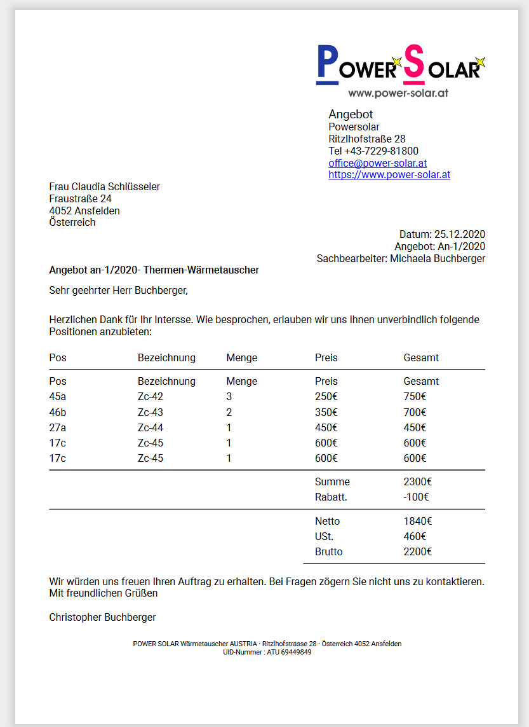
 |  | 2020-12-24 | 2 | WP11 | 2 | 2 | 0 | Added a User rank system, which gives users only the access they should get. We should add that an admin is able to change the premissions of the users
 |  | 2020-12-24 | 2 | WPX | 2 | 2 | 0 | Get the user image per base64 and convert it to a showable image file
 |  | 2020-12-25 | 2 | WPX | 2 | 2 | 0 | Design of Profile Page (is still not zoom resistend)+ premission for settings page + admin panel in the Profile Page
 |  | 2020-12-25 | 2 | WP13 | 15 | 15 | 13 | Tried jsPdf, but switched to pdfMake --> more features, easier to use, more tutorials on it. Currently we can view and download a generated pdf thats says "I am a order."
 |  | 2020-12-25 | 2 | WP13 | 15 | 15 | 11 | Created the Product Service to get the Order product data, can display the products with the prices in the pdf, but no style inside the pdf
 |  | 2020-12-25 | 3 | WP13 | 15 | 7 | 0 | Created the Pdf for an Offer, currently it's still static but, thats what this tasks wants me to do. See the current Design on the right. Pdf was coded with JSON via pdfMake
 |  | 2020-12-26 | 1 | WP11 | 2 | 2 | 0 | Before it was only possible to have all premissons on a part of the application or none at all now you can have none, read and write premissions!
 |  | 2020-12-26 | 1 | WP14 | 15 | 15 | 14 | Copy pasted the customer table into the productcomponent and changed the columns to match the IRawProduct interface. Changed the styling to fit.
 |  | 2020-12-26 | 1 | WP14 | 15 | 15 | 13 | WIP: Product Table actions component + detection which modes the user is currently in + data insertion into component
 |  | 2020-12-26 | 1 | WP14 | 15 | 15 | 12 | Created the interface for an order used 'Tresor Warenwirtschaft' as reference on what data should be displayed.
 |  | 2020-12-26 | 3 | WP15 | 3 | 10 | 7 | Firstly i thought it would be pretty easy, but the fact that we have multiple arrays inside a company e.g order adresses, contact persons ,makes the designing process sky rocketing
 |  | 2020-12-26 | 2 | WP15 | 10 | 7 |  | After struggelling with using ngModel inside a ngFor with an array inside an object and creating a uniqe name for each input, we can update a company customer (but we cant add one currently :D) The component needs some more styling and the add feature
 |  | 26.Dez-27.Dez | 3 | WP15 | D:\Git\bookless\Frontend\src\models\bill\offer\OfferData.ts | 10 | 2 | Add feature - angular converts the type inside a ngfor to compare them, this breaks when using a array with primitive types like strings, numbers etc. After 2+ hours changing settings and doing magic, i managed to get the add to work. Needs some refactor now + styling
 |  | 2020-12-27 | 1 | WP14 | 15 | 15 | 11 | Created a sketch of the Order table, the green and red fields indicate whter an offer has been transformed into an order a bill and wheter ist finished. Screenshot on the right.
 |  | D:\Git\bookless\Frontend\src\models\bill\offer\OfferData.ts | 2 | WPX | 2 | 2 | 0 | WIP Redesign of the Profile Page. The password inputs can now be toggled to show or hide the content. The inputs use in generel now a more modern design.
 |  | 2020-12-27 | 2 | WPX | 2 | 2 | 0 | Currently chaning the Profile page to make it fit better into the appliaction and make it more modern.
 |  | 27.Dez-28Dez | 3 | WP14 | 15 | 12 | 5 | Creating mock data for offers- creating offer table, chaning pdf service to inititalize all the data thats given into it, populating the data inside the pdf with the data. Change diffrent parts of the pdf wheters it's an company or an private customer. creating big jsons to help filling data into it, due to the 2 types of customers company and private , they have diffrent fields.
 |  | 2020-12-28 | 3 | WP14 | 12 | 15 | 5 | I got real pdfs including offers, bills orders etc. from Powersolar and now i change the design to fit the current offer more. Background color, is something pdfMake is really bad in….
 |  | 2020-12-28 | 2 | WP14 | 15 | 15 | 3 | Was able to create the wished border, it was really hard to work arround the limitation, of pdfMake.
 |  | 2020-12-28 | 1 | WPX | 1 | 1 | 0 | Some changes here , some there, a bit style here and some magic in the profile design
 |  | 2020-12-28 | 3 | WPX | 3 | 3 | 0 | Reworking the profile page again moving data underneath the profile picture and create a extra setting page for further customization for the user.
 |  | 2020-12-29 | 2 | WPX | 2 | 2 | 0 | Changing Profile page routed to the setting page, changed the IofferInterface to fit the new data structure.
 |  | 2020-12-29 | 2 | WP14 | 15 | 16 | 2 | Changed all the Interfaces to match, loaded new data, put the new data inside the pdf, maybe some small design changes, but pdf looks nice. Need to talk with some PowerSolar employee about the Order Id, and how its connected in the whole system.
 |  | 2020-12-30 | 2 | WP14 | 16 | 16 | 0 | Talked with PowerSolar Devs about the Offer, finished the last small parts and pushed the finished Pdf Generator
 |  | 2020-12-30 | 2 | WP15 | 15 | 14 | 0 | Added the last fields into the mask.

Sprint6
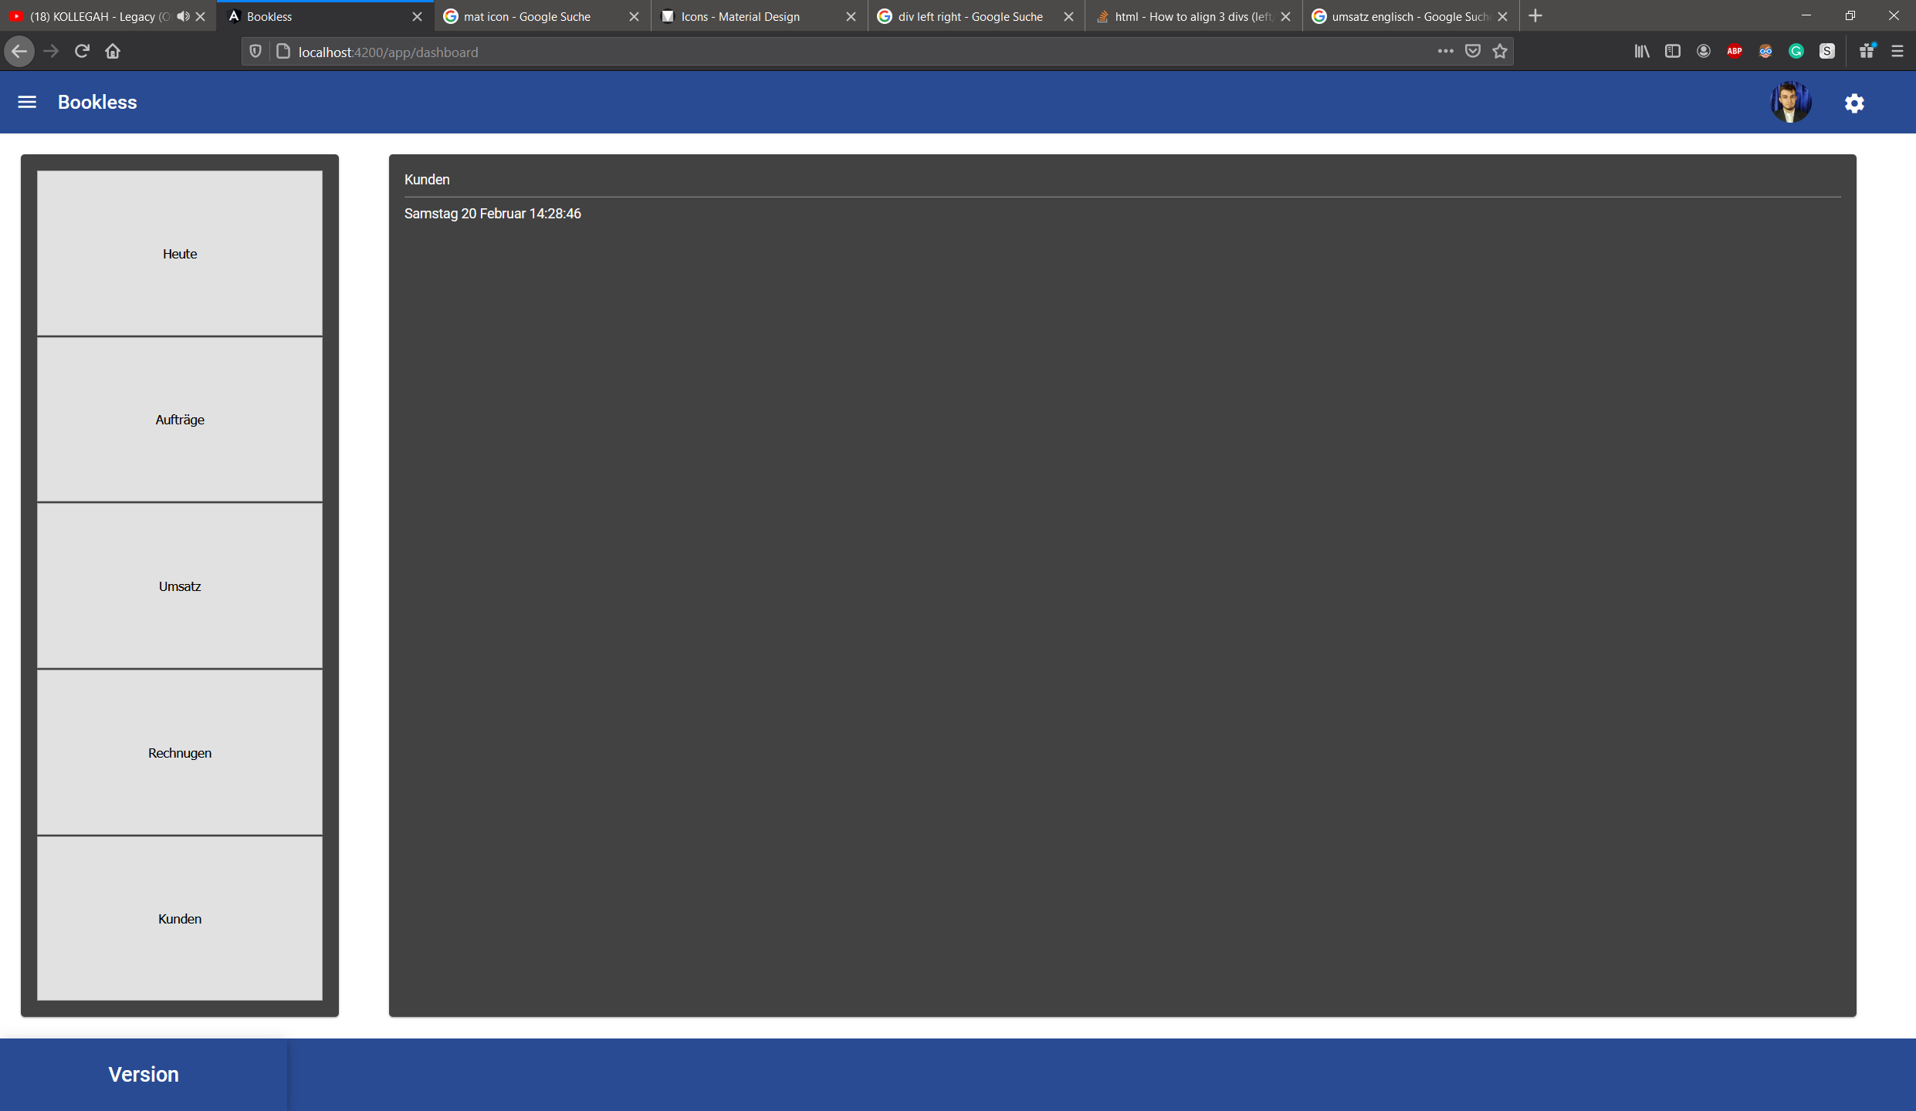
Todo Stuff | PackageID | Date | Arbeitszeit | WorkPackage | Estimation für Workpackage | Current Estimation | Remaining Time | Description of Task | Arbeit in diesem Sprint
Bill Pdf Generation | WP1 | 2021-02-18 | 2 | WPX | 2 | 2 | 0 | Talking about new Sprint creating the first half of the power point for this sprint, sprint meeting
Delivery Note Component | WP2 | 2021-02-19 | 4 | Wp6 | 1 | 4 | 1 | Toggeling the sidenav in side another component is so unbelieveable complicated, had so many trouble with null injectors and circular dependencies after creating a OWN service for toggeling calling a single method and a lot of tries it works. Will check the test the code a bit more | 9
Delivery Note List | WP3 | 2021-02-20 | 3 | Wp7 | 8 | 8 | 5 | Changed the Dashboard Page as the screenshots next to this description shows. This is not the final design currently working on it. But I found a problem the sidenav is only available in the app not in the setting or the profile component
Delivery Note Pdf Generation | WP4
Transformdialog all the Transformation | WP5
Make the sidenav toggle able | WP6
Redesign the Dashboard after sidenav toggle | WP7

