Sprint3
Todo Stuff | PackageID | Date | Arbeitszeit | WorkPackage | Estimation für Workpackage | Current Estimation | Remaining Time | Description of Task | Arbeit in diesem Sprint
Dashboard Layout | WP1 | 2020-12-14 | 2 | WP6 | 4 | 4 | 2 | The table in customer does not scale when zoom in.
Dashboard Show some data | wp2 | 2020-12-14 | 3 | WP7 | 6 | 3 | 0 | Due to some intern passed data about the customer the user cant route to the edit path via url, so we have to redirect him to the customer list back. | 94
Convert list to company customer | WP5 | 2020-12-15 | 4 | WP8 | 2 | 4 | 0 | It took some time to deal with some random errors but now we can update a customer
Table using to much space | WP6 | 2020-12-16 | 1 | WP1 | 1 | 1 | 0 | The css was a bit tricky but now it works fine. Had to change it a bit
Error screen when user tries to edit customer via url | WP7 | 2020-12-16 | 3 | WP9 | 5 | 5 | 2 | Can show the customer but have, to clean up the code a bit.
Update a customer | WP8 | 2020-12-16 | 1 | WP9 | 5 | 4 | 0 | Added some regions to make it easier to understand the code, changed the arrangement of the methods added some comments.
Show a customer | WP9 | 2020-12-16 | 2 | WP2 | 2 | 2 | 0 | Currently the current time can be looked up in the dashboard, as well as the top 10 customers, they are not really the top 10 ,since we do not have bills now to rank them with but we can see something…
Email A Customer | WP10 | 2020-12-16 | 1 | WPX | 1 | 1 | 1 | Styled some parts of the Dashboard, the Sidenav, the footer , and some other parts of the application to make it look better.
User Rank System | WP11 | 2020-12-17 | 2 | WP1 | 4 | 5 | 1 | It still have some bugs when changing the zoom setting.
Blue Theme | WP12 | 2020-12-17 | 2 | WP1 | 5 | 6 | 0 | Fixed it with a lot of css magic
Create a Order pdf with the basic fields ,like what was bought how much , whats the price the location shipping, date taxes… | WP13 | 2020-12-18 | 4 | WP10 | 10 | 10 | 5 | Created the Email Handler and can send emails to a customer , still have problems sending to multiples customers with diffrent salutations
Do all the stuff thats needed to get the data of an offer and make the pdf dynamic. | WP14 | 2020-12-18 | 2 | WPX | 2 | 2 | 0 | Changed a lot of designs of the, sidenav, the customer table, some parts of the project structure
Create the Company customer view ,edit and add page | WP15 | 2020-12-18 | 2 | WPX | 2 | 2 | 0 | Context menu for the actions of a row of a customer --> add, delete, edit, sent email to
Change all Inputs to material inputs | WP16 | 2020-12-19 | 1 | WP12 | 1 | 1 | 0 | Changed the theme of the application to make it look better
Create a "Needed Api request file" with priority listing for the backend team @Robert & @Elias | WP17 | 2020-12-20 | 2 | WPX | 2 | 2 | 0 | Changed the Design of the Footer and Top bar.
Do all the stuff thats needed to be able to create edit and delete an offer | WP18 | 2020-12-22 | 2 | WPX | 2 | 2 | 0 | Fixed problems in company customer
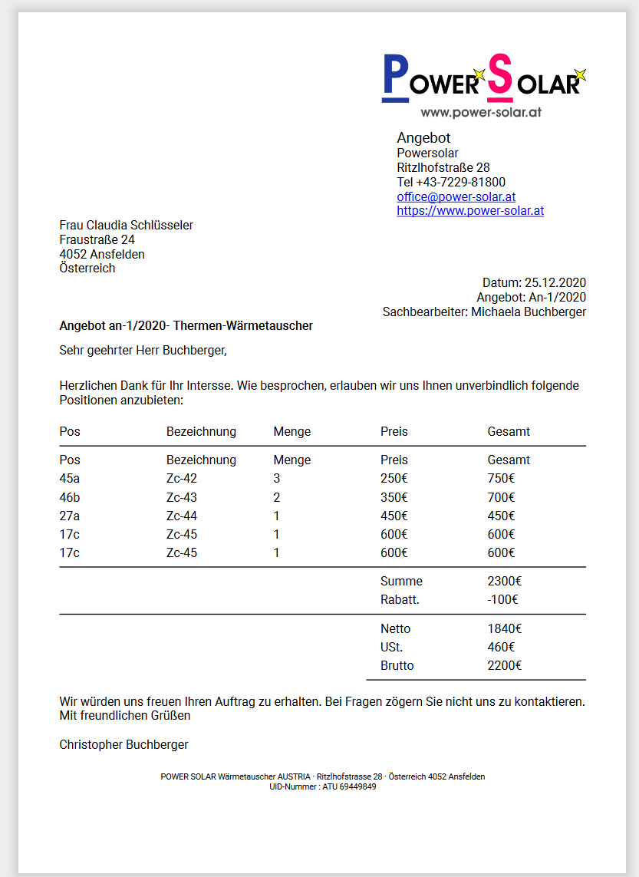
 |  | 2020-12-24 | 2 | WP11 | 2 | 2 | 0 | Added a User rank system, which gives users only the access they should get. We should add that an admin is able to change the premissions of the users
 |  | 2020-12-24 | 2 | WPX | 2 | 2 | 0 | Get the user image per base64 and convert it to a showable image file
 |  | 2020-12-25 | 2 | WPX | 2 | 2 | 0 | Design of Profile Page (is still not zoom resistend)+ premission for settings page + admin panel in the Profile Page
 |  | 2020-12-25 | 2 | WP13 | 15 | 15 | 13 | Tried jsPdf, but switched to pdfMake --> more features, easier to use, more tutorials on it. Currently we can view and download a generated pdf thats says "I am a order."
 |  | 2020-12-25 | 2 | WP13 | 15 | 15 | 11 | Created the Product Service to get the Order product data, can display the products with the prices in the pdf, but no style inside the pdf
 |  | 2020-12-25 | 3 | WP13 | 15 | 7 | 0 | Created the Pdf for an Offer, currently it's still static but, thats what this tasks wants me to do. See the current Design on the right. Pdf was coded with JSON via pdfMake
 |  | 2020-12-26 | 1 | WP11 | 2 | 2 | 0 | Before it was only possible to have all premissons on a part of the application or none at all now you can have none, read and write premissions!
 |  | 2020-12-26 | 1 | WP14 | 15 | 15 | 14 | Copy pasted the customer table into the productcomponent and changed the columns to match the IRawProduct interface. Changed the styling to fit.
 |  | 2020-12-26 | 1 | WP14 | 15 | 15 | 13 | WIP: Product Table actions component + detection which modes the user is currently in + data insertion into component
 |  | 2020-12-26 | 1 | WP14 | 15 | 15 | 12 | Created the interface for an order used 'Tresor Warenwirtschaft' as reference on what data should be displayed.
 |  | 2020-12-26 | 3 | WP15 | 3 | 10 | 7 | Firstly i thought it would be pretty easy, but the fact that we have multiple arrays inside a company e.g order adresses, contact persons ,makes the designing process sky rocketing
 |  | 2020-12-26 | 2 | WP15 | 10 | 7 |  | After struggelling with using ngModel inside a ngFor with an array inside an object and creating a uniqe name for each input, we can update a company customer (but we cant add one currently :D) The component needs some more styling and the add feature
 |  | 26.Dez-27.Dez | 3 | WP15 | D:\Git\bookless\Frontend\src\models\bill\offer\OfferData.ts | 10 | 2 | Add feature - angular converts the type inside a ngfor to compare them, this breaks when using a array with primitive types like strings, numbers etc. After 2+ hours changing settings and doing magic, i managed to get the add to work. Needs some refactor now + styling
 |  | 2020-12-27 | 1 | WP14 | 15 | 15 | 11 | Created a sketch of the Order table, the green and red fields indicate whter an offer has been transformed into an order a bill and wheter ist finished. Screenshot on the right.
 |  | D:\Git\bookless\Frontend\src\models\bill\offer\OfferData.ts | 1 | WPX | 1 | 1 | 0 | WIP Redesign of the Profile Page. The password inputs can now be toggled to show or hide the content. The inputs use in generel now a more modern design.
 |  | 2020-12-27 | 2 | WPX | 2 | 2 | 0 | Currently chaning the Profile page to make it fit better into the appliaction and make it more modern.
 |  | 27.Dez-28Dez | 3 | WP14 | 15 | 12 | 5 | Creating mock data for offers- creating offer table, chaning pdf service to inititalize all the data thats given into it, populating the data inside the pdf with the data. Change diffrent parts of the pdf wheters it's an company or an private customer. creating big jsons to help filling data into it, due to the 2 types of customers company and private , they have diffrent fields.
 |  | 2020-12-28 | 3 | WP14 | 12 | 15 | 5 | I got real pdfs including offers, bills orders etc. from Powersolar and now i change the design to fit the current offer more. Background color, is something pdfMake is really bad in….
 |  | 2020-12-28 | 2 | WP14 | 15 | 15 | 3 | Was able to create the wished border, it was really hard to work arround the limitation, of pdfMake.
 |  | 2020-12-28 | 1 | WPX | 1 | 1 | 0 | Some changes here , some there, a bit style here and some magic in the profile design
 |  | 2020-12-28 | 1 | WPX | 1 | 1 | 0 | Reworking the profile page again moving data underneath the profile picture and create a extra setting page for further customization for the user.
 |  | 2020-12-29 | 1 | WPX | 1 | 1 | 0 | Changing Profile page routed to the setting page, changed the IofferInterface to fit the new data structure.
 |  | 2020-12-29 | 2 | WP14 | 15 | 16 | 2 | Changed all the Interfaces to match, loaded new data, put the new data inside the pdf, maybe some small design changes, but pdf looks nice. Need to talk with some PowerSolar employee about the Order Id, and how its connected in the whole system.
 |  | 2020-12-30 | 2 | WP14 | 16 | 16 | 0 | Talked with PowerSolar Devs about the Offer, finished the last small parts and pushed the finished Pdf Generator
 |  | 2020-12-30 | 1 | WP15 | 15 | 14 | 0 | Added the last fields into the mask.
 |  | 2020-12-30 | 1 | WP17 | 2 | 2 | 1 | Added the currently most valuable api requests
 |  | 2021-01-01 | 4 | WP18 | 20 | 20 | 16 | Component Page created styles changed changed some services to get the needed data for example the User service to give a list of all employees name with the corresponding id. Had some problems with the date picker because it was needed to set im as a provider.
 |  | 1900-01-01 | 2 | WPX | 2 | 2 | 0 | Changed a few designs from the froms and changed every disabled input to a readonly to make it look better.
 |  | 2021-01-02 | 1 | WPX | 1 | 1 | 0 | Created a Struct services that provides empty objects of all the interface types ,but during implementation, i figured that it does not safe code since all the structs are loaded once in their respected Data Component.
 |  | 2021-01-02 | 4 | WP18 | 20 | 20 | 12 | Mat autocomplete inputs are a big pain while using custom objects. Just to be able to get the id from the product from the auto complete took me almost 3 hours, created the offer datastructure and the add prodcut part inside the offer add component
 |  | 03. | 3 | WP18 | 20 | 25 | 14 | Getting all the Data in an "easy" to use form is really hard. So much data data thats needed can be only found out during implementation.

